other
Ratios (gender, occupation)

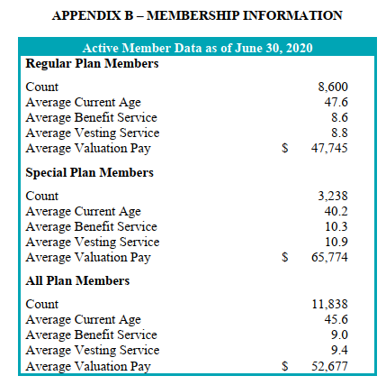
active members, as of June30, 2020
regular | 8600 | 0.726
special | 3238 | 0.274
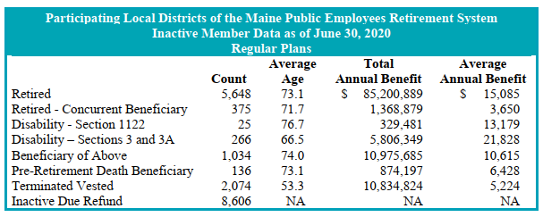
total | 11838

servRets, as of June30, 2020
regular | 5648 | 0.782
special | 1574 | 0.218
total | 7222

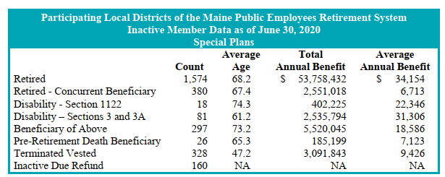
disbRet (all), as of June 30, 2020
regular | 291 | 0.746
special | 99 | 0.254
total | 390

actives_regular_raw
Source: AV2020, np71-72, extracted by Nuance

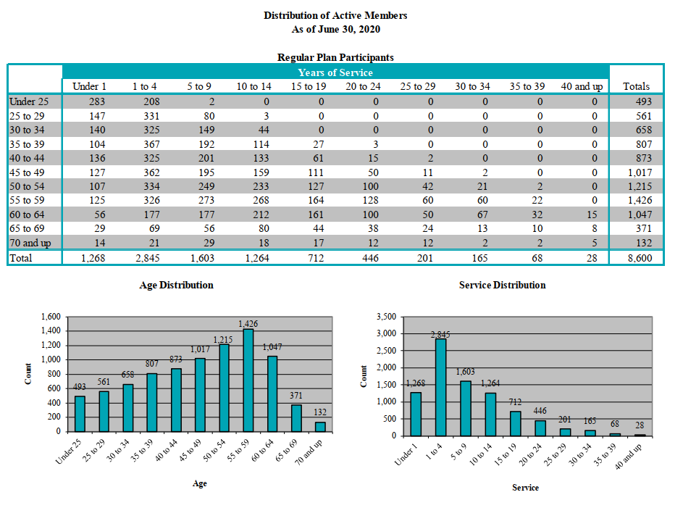

 | Distribution of Active Members
 | As of June 30, 2020

 | Regular Plan Participants
 |  |  |  |  |  | Years of Service |  |  |  |  |  | Totals
 |  | Under 1 | 1 to 4 | 5 to 9 | 10 to 14 | 15 to 19 | 20 to 24 | 25 to 29 | 30 to 34 | 35 to 39 | 40 and up
 | Under 25 | 283 | 208 | 2 | 0 | 0 | 0 | 0 | 0 | 0 | 0 | 493
 | 25 to 29 | 147 | 331 | 80 | 3 | 0 | 0 | 0 | 0 | 0 | 0 | 561
 | 30 to 34 | 140 | 325 | 149 | 44 | 0 | 0 | 0 | 0 | 0 | 0 | 658
 | 35 to 39 | 104 | 367 | 192 | 114 | 27 | 3 | 0 | 0 | 0 | 0 | 807
 | 40 to 44 | 136 | 325 | 201 | 133 | 61 | 15 | 2 | 0 | 0 | 0 | 873
 | 45 to 49 | 127 | 362 | 195 | 159 | 111 | 50 | 11 | 2 | 0 | 0 | 1,017
 | 50 to 54 | 107 | 334 | 249 | 233 | 127 | 100 | 42 | 21 | 2 | 0 | 1,215
 | 55 to 59 | 125 | 326 | 273 | 268 | 164 | 128 | 60 | 60 | 22 | 0 | 1,426
 | 60 to 64 | 56 | 177 | 177 | 212 | 161 | 100 | 50 | 67 | 32 | 15 | 1,047
 | 65 to 69 | 29 | 69 | 56 | 80 | 44 | 38 | 24 | 13 | 10 | 8 | 371
 | 70 and up | 14 | 21 | 29 | 18 | 17 | 12 | 12 | 2 | 2 | 5 | 132
 | Total | 1,268 | 2,845 | 1,603 | 1,264 | 712 | 446 | 201 | 165 | 68 | 28 | 8,600

 | Regular Plan Participants
 |  | verage Salary Under 1 1 to 4 |  | 5 to 9 | 10 to 14 | Years of Service 15 to 19 20 to 24 |  | 25 to 29 | 30 to 34 | 35 to 39 | 40 and up | Average
 | Under 25 | $20,724 | $ 35,453 | $ 53,607 | $ 0 | $ 0 | $ 0 | $ 0 | $ 0 | $ 0 | $ 0 | $ 27,072
 | 25 to 29 | 32,234 | 40,632 | 51,039 | 54,253 | 0 | 0 | 0 | 0 | 0 | 0 | 39,988
 | 30 to 34 | 35,886 | 43,315 | 51,333 | 57,805 | 0 | 0 | 0 | 0 | 0 | 0 | 44,519
 | 35 to 39 | 35,012 | 43,932 | 52,923 | 56,056 | 54,924 | 58,870 | 0 | 0 | 0 | 0 | 47,058
 | 40 to 44 | 34,567 | 45,085 | 53,675 | 61,272 | 58,953 | 58,884 | 96,800 | 0 | 0 | 0 | 49,215
 | 45 to 49 | 38,104 | 43,889 | 53,850 | 58,658 | 59,437 | 61,259 | 69,540 | 61,575 | 0 | 0 | 50,249
 | 50 to 54 | 35,544 | 43,304 | 51,218 | 57,693 | 56,998 | 61,690 | 68,184 | 64,609 | 60,010 | 0 | 51,203
 | 55 to 59 | 38,841 | 44,744 | 50,594 | 58,072 | 54,578 | 56,947 | 60,091 | 66,126 | 66,698 | 0 | 51,962
 | 60 to 64 | 34,747 | 38,841 | 50,618 | 57,969 | 52,195 | 51,220 | 56,018 | 63,283 | 63,259 | 62,103 | 51,186
 | 65 to 69 | 21,133 | 39,292 | 48,921 | 60,454 | 53,182 | 52,265 | 64,665 | 50,801 | 62,220 | 59,201 | 49,957
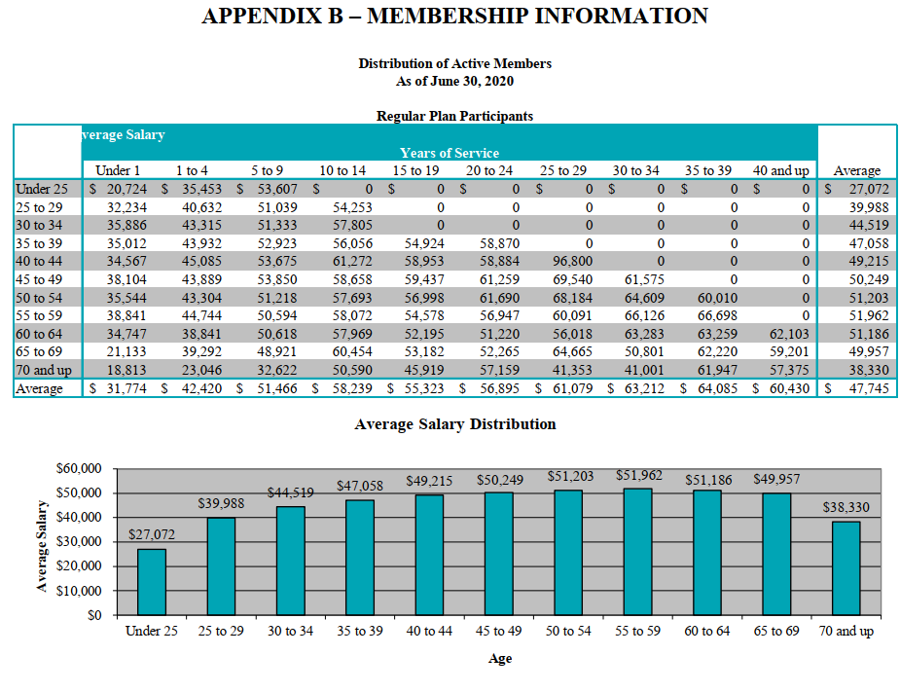
 | 70 and up | 18,813 | 23,046 | 32,622 | 50,590 | 45,919 | 57,159 | 41,353 | 41,001 | 61,947 | 57,375 | 38,330
 | Average | $ 31,774 | $ 42,420 | $ 51,466 | $ 58,239 | $ 55,323 | $ 56,895 | $ 61,079 | $ 63,212 | $ 64,085 | $60,430 | $ 47,745

actives_special_raw
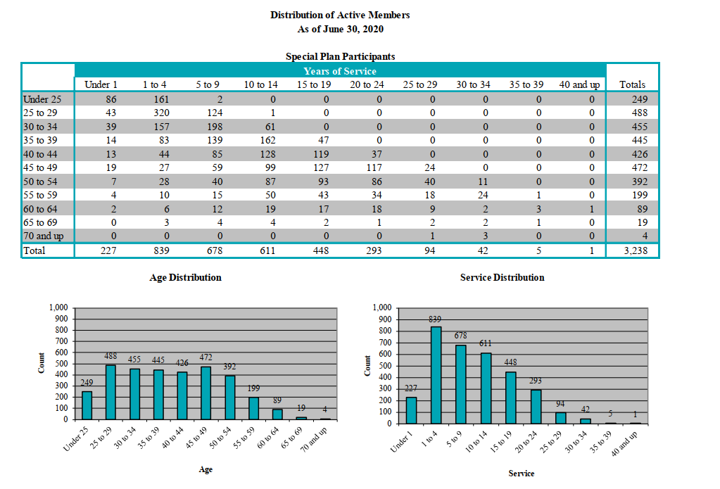
Distribution of Active Members
As of June 30, 2020

Special Plan Participants
 |  |  |  |  | Years of Service |  |  |  |  |  | Totals
 | Under 1 | 1 to 4 | 5 to 9 | 10 to 14 | 15 to 19 | 20 to 24 | 25 to 29 | 30 to 34 | 35 to 39 | 40 and up
Under 25 | 86 | 161 | 2 | 0 | 0 | 0 | 0 | 0 | 0 | 0 | 249
25 to 29 | 43 | 320 | 124 | 1 | 0 | 0 | 0 | 0 | 0 | 0 | 488
30 to 34 | 39 | 157 | 198 | 61 | 0 | 0 | 0 | 0 | 0 | 0 | 455
35 to 39 | 14 | 83 | 139 | 162 | 47 | 0 | 0 | 0 | 0 | 0 | 445
40 to 44 | 13 | 44 | 85 | 128 | 119 | 37 | 0 | 0 | 0 | 0 | 426
45 to 49 | 19 | 27 | 59 | 99 | 127 | 117 | 24 | 0 | 0 | 0 | 472
50 to 54 | 7 | 28 | 40 | 87 | 93 | 86 | 40 | 11 | 0 | 0 | 392
55 to 59 | 4 | 10 | 15 | 50 | 43 | 34 | 18 | 24 | 1 | 0 | 199
60 to 64 | 2 | 6 | 12 | 19 | 17 | 18 | 9 | 2 | 3 | 1 | 89
65 to 69 | 0 | 3 | 4 | 4 | 2 | 1 | 2 | 2 | 1 | 0 | 19
70 and up | 0 | 0 | 0 | 0 | 0 | 0 | 1 | 3 | 0 | 0 | 4
Total | 227 | 839 | 678 | 611 | 448 | 293 | 94 | 42 | 5 | 1 | 3,238

Special Plan Participants
 |  |  |  |  | Average Salary Years of Service |  |  |  |  |  | Average
 | Under 1 | 1 to 4 | 5 to 9 | 10 to 14 | 15 to 19 | 20 to 24 | 25 to 29 | 30 to 34 | 35 to 39 | 40 and up
Under 25 | $40,345 | $ 52,790 | $ 55,360 | $ 0 | $ 0 $ | 0 | $ 0 | $ 0 | $ 0 | $ 0 | $ 48,512
25 to 29 | 44,124 | 57,103 | 62,656 | 52,880 | 0 | 0 | 0 | 0 | 0 | 0 | 57,362
30 to 34 | 41,460 | 57,104 | 64,727 | 72,198 | 0 | 0 | 0 | 0 | 0 | 0 | 61,104
35 to 39 | 46,822 | 58,797 | 64,554 | 70,897 | 77,004 | 0 | 0 | 0 | 0 | 0 | 66,547
40 to 44 | 44,915 | 58,236 | 64,333 | 70,811 | 77,997 | 79,922 | 0 | 0 | 0 | 0 | 70,228
45 to 49 | 42,339 | 59,095 | 67,164 | 72,773 | 75,551 | 78,985 | 83,815 | 0 | 0 | 0 | 72,913
50 to 54 | 54,989 | 58,998 | 66,200 | 70,660 | 76,506 | 76,424 | 85,640 | 84,790 | 0 | 0 | 73,669
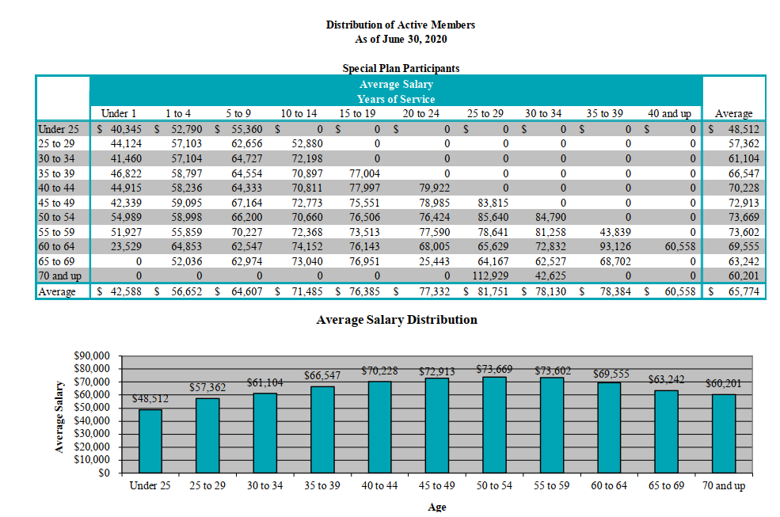
55 to 59 | 51,927 | 55,859 | 70,227 | 72,368 | 73,513 | 77,590 | 78,641 | 81,258 | 43,839 | 0 | 73,602
60 to 64 | 23,529 | 64,853 | 62,547 | 74,152 | 76,143 | 68,005 | 65,629 | 72,832 | 93,126 | 60,558 | 69,555
65 to 69 | 0 | 52,036 | 62,974 | 73,040 | 76,951 | 25,443 | 64,167 | 62,527 | 68,702 | 0 | 63,242
70 and up | 0 | 0 | 0 | 0 | 0 | 0 | 112,929 | 42,625 | 0 | 0 | 60,201
Average | $42,588 | $ 56,652 | $ 64,607 | $ 71,485 | $ 76,385 $ 77,332 |  | $ 81,751 | $ 78,130 | $ 78,384 | $ 60,558 | $ 65,774

retirees_raw
TOC

Source: AV2020 np43, extracted using GetData

source: AV2020 np75

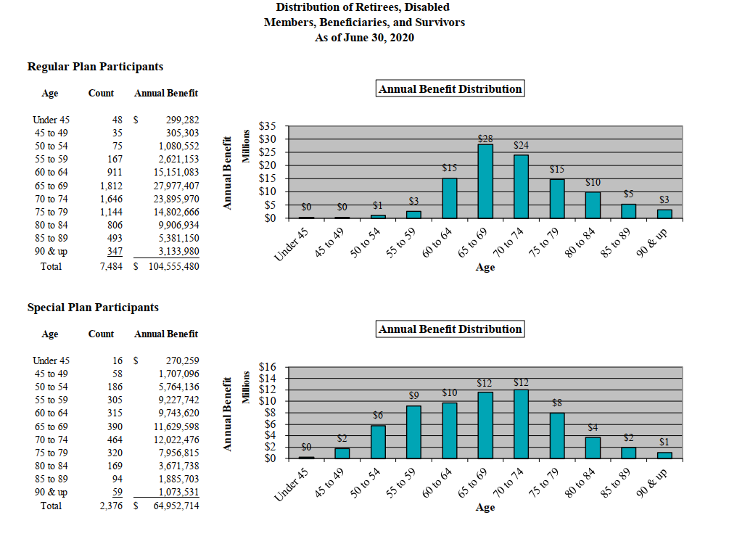
 |  | Distribution of Retirees, Disabled
 |  | Members, Beneficiaries, and Survivors
 |  | As of June 30, 2020

 |  | Regular Plan Participants
 |  | Age | Count | Annual Benefit
 |  | Under 45 | 48 | $ 299,282
 |  | 45 to 49 | 35 | 305,303
 |  | 50 to 54 | 75 | 1,080,552
 |  | 55 to 59 | 167 | 2,621,153
 |  | 60 to 64 | 911 | 15,151,083
 |  | 65 to 69 | 1,812 | 27,977,407
 |  | 70 to 74 | 1,646 | 23,895,970
 |  | 75 to 79 | 1,144 | 14,802,666
 |  | 80 to 84 | 806 | 9,906,934
 |  | 85 to 89 | 493 | 5,381,150
 |  | 90 & up | 347 | 3,133,980
 |  | Total | 7,484 | $104,555,480

 |  | Special Plan Participants
 |  | Annual Benefit Distribution
 |  | Age | Count | Annual Benefit
 |  | Under 45 | 16 | $ 270,259
 |  | 45 to 49 | 58 | 1,707,096
 |  | 50 to 54 | 186 | 5,764,136
 |  | 55 to 59 | 305 | 9,227,742
 |  | 60 to 64 | 315 | 9,743,620
 |  | 65 to 69 | 390 | 11,629,598
 |  | 70 to 74 | 464 | 12,022,476
 |  | 75 to 79 | 320 | 7,956,815
 |  | 80 to 84 | 169 | 3,671,738
 |  | 85 to 89 | 94 | 1,885,703
 |  | 90 & up | 59 | 1,073,531
 |  | Total | 2,376 | $64,952,714

 |  |  |  | $169,508,194

 | 100 and older

