init_amort_raw
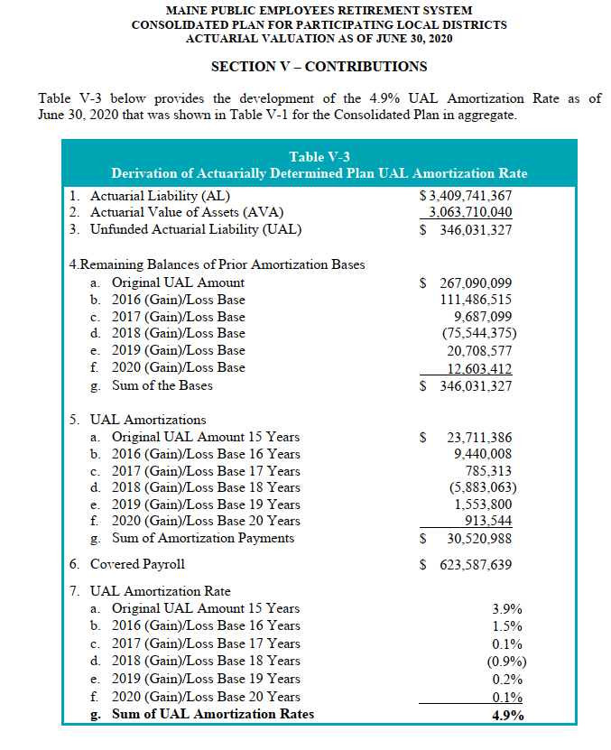
Source: AV2020, ep35

 | Table V-3 below provides the development of the 4.9% UAL Amortization Rate as of
 | June 30, 2020 that was shown in Table V-1 for the Consolidated Plan in aggregate.

 | Table V-3 Derivation of Actuarially Determined Plan UAL Amortization Rate
 | 1.Actuarial Liability (AL) | $3,409,741,367
 | 2.Actuarial Value of Assets (AVA) | 3,063,710,040
 | 3.Unfunded Actuarial Liability (UAL) | $ 346,031,327
 | 4.Remaining Balances of Prior Amortization Bases a.Original UAL Amount | $ 267,090,099
 | b.2016 (Gain)/Loss Base | 111,486,515
 | c.2017 (Gain)/Loss Base | 9,687,099
 | d.2018 (Gain)/Loss Base | (75,544,375)
 | e.2019 (Gain)/Loss Base | 20,708,577
 | f.2020 (Gain)/Loss Base | 12,603,412
 | g.Sum of the Bases | $ 346,031,327
 | 5. UAL Amortizations a.Original UAL Amount 15 Years | $ 23,711,386
 | b.2016 (Gain)/Loss Base 16 Years | 9,440,008
 | c.2017 (Gain)/Loss Base 17 Years | 785,313
 | d.2018 (Gain)/Loss Base 18 Years | (5,883,063)
 | e.2019 (Gain)/Loss Base 19 Years | 1,553,800
 | f.2020 (Gain)/Loss Base 20 Years | 913,544
 | g.Sum of Amortization Payments | $ 30,520,988
 | 6. Covered Payroll | $ 623,587,639
 | 7. UAL Amortization Rate

 | a.Original UAL Amount 15 Years 3.9%
 | b.2016 (Gain)/Loss Base 16 Years 1.5%
 | c.2017 (Gain)/Loss Base 17 Years 0.1%
 | d.2018 (Gain)/Loss Base 18 Years (0.9%)
 | e.2019 (Gain)/Loss Base 19 Years 0.2%
 | f.2020 (Gain)/Loss Base 20 Years 0.1%
 | g.Sum of UAL Amortization Rates 4.9%

