servRet_raw
AV2020 ep94

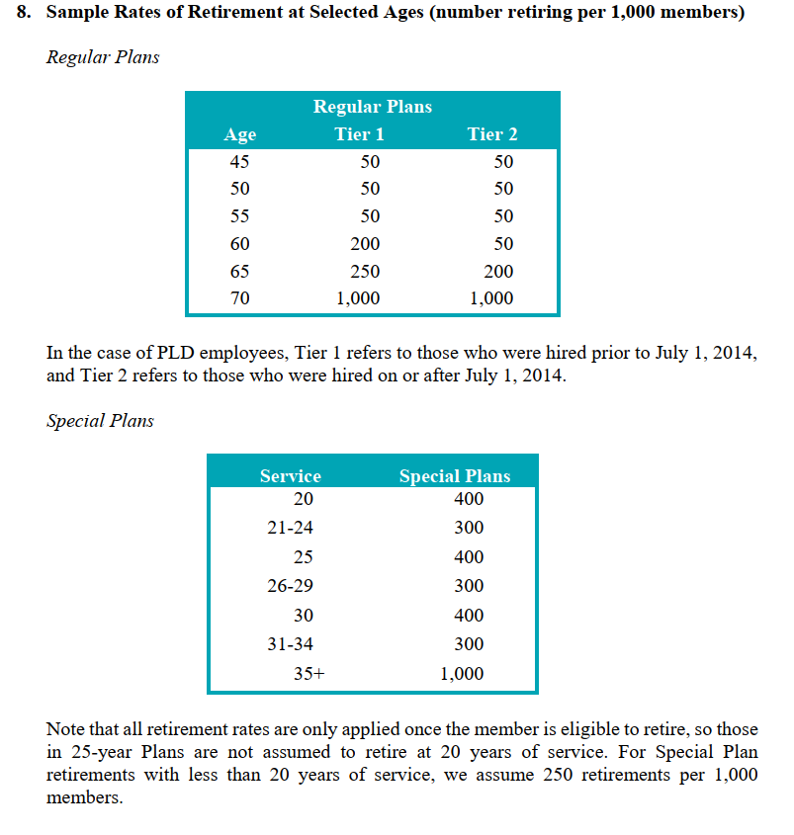
 | Special Plans
 |  |  |  | Regular Plans
 | Service | Special Plans |  | Age Tier 1 Tier 2
 | 20 | 400 | 0.4 | 45 | 50 | 50 | 0.05 | 0.05
 | 21-24 | 300 | 0.3 | 50 | 50 | 50 | 0.05 | 0.05
 | 25 | 400 | 0.4 | 55 | 50 | 50 | 0.05 | 0.05
 | 26-29 | 300 | 0.3 | 60 | 200 | 50 | 0.2 | 0.05
 | 30 | 400 | 0.4 | 65 | 250 | 200 | 0.25 | 0.2
 | 31-34 | 300 | 0.3 | 70 | 1,000 | 1,000 | 1 | 1
 | 35+ | 1,000 | 1.0

salScale_raw
AV2020 ep91

 | 3.Sample Rates of Individual Salary Increases (% at Selected Years of Service)
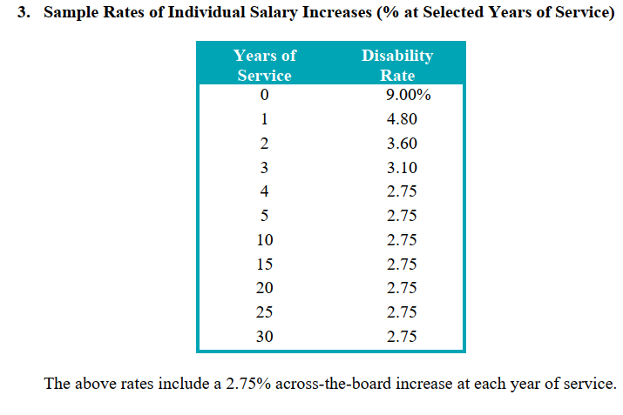
 | Years of Service | Disability Rate
 | 0 | 9.00%
 | 1 | 4.80
 | 2 | 3.60
 | 3 | 3.10
 | 4 | 2.75
 | 5 | 2.75
 | 10 | 2.75
 | 15 | 2.75
 | 20 | 2.75
 | 25 | 2.75
 | 30 | 2.75

 | The above rates include a 2.75% across-the-board increase at each year of service.

disbRet_raw
AV2020 ep95

 | 9. Sample Rates of Disability at Selected Ages (number becoming disabled per 10,000
 | members)*

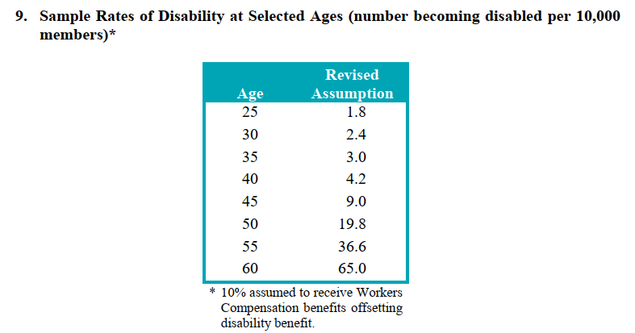
 | Age | Revised Assumption
 | 25 | 1.8 | 0.00018
 | 30 | 2.4 | 0.00024
 | 35 | 3.0 | 0.0003
 | 40 | 4.2 | 0.00042
 | 45 | 9.0 | 0.0009
 | 50 | 19.8 | 0.00198
 | 55 | 36.6 | 0.00366
 | 60 | 65.0 | 0.0065

 | * 10% assumed to receive Workers
 |  | Compensation benefits offsetting
 | disability benefit.

defrRet_YOS_raw
Source AV2020 ep92

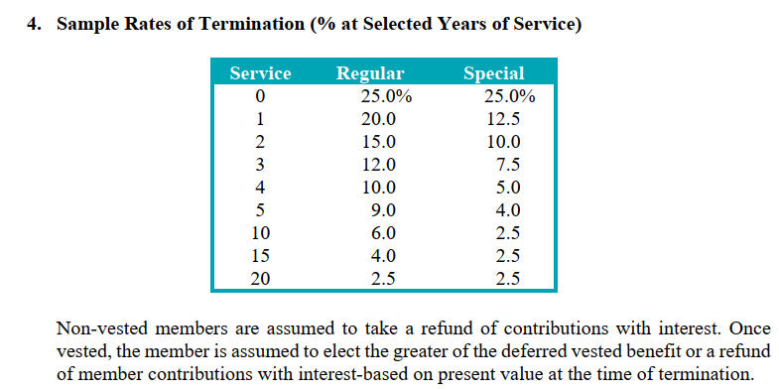
 | Service Regular Special
 | 0 | 25.0% | 25.0%
 | 1 | 20.0 | 12.5
 | 2 | 15.0 | 10.0
 | 3 | 12.0 | 7.5
 | 4 | 10.0 | 5.0
 | 5 | 9.0 | 4.0
 | 10 | 6.0 | 2.5
 | 15 | 4.0 | 2.5
 | 20 | 2.5 | 2.5

