other
Ratios (gender, occupation)

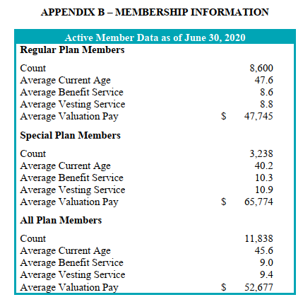
active members, as of June30, 2020
regular | 8600 | 0.726
special | 3238 | 0.274
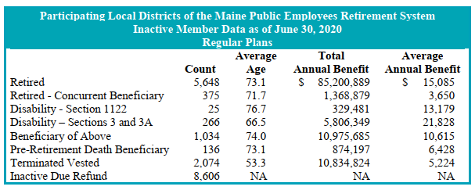
total | 11838

servRets, as of June30, 2020
regular | 5648 | 0.782
special | 1574 | 0.218
total | 7222

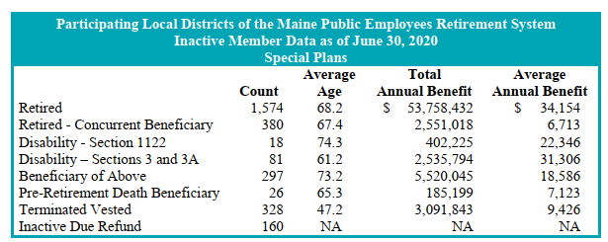
disbRet (all), as of June 30, 2020
regular | 291 | 0.746
special | 99 | 0.254
total | 390

actives_raw
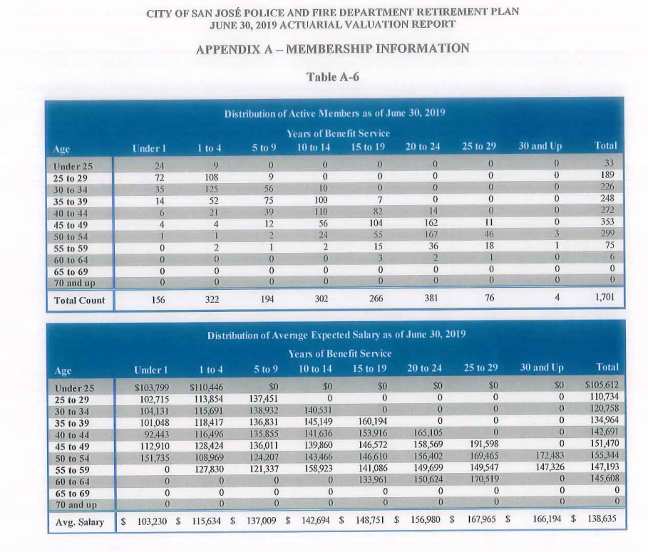

retirees_raw
TOC

Source: AV2020 np43, extracted using GetData

source: AV2020 np75

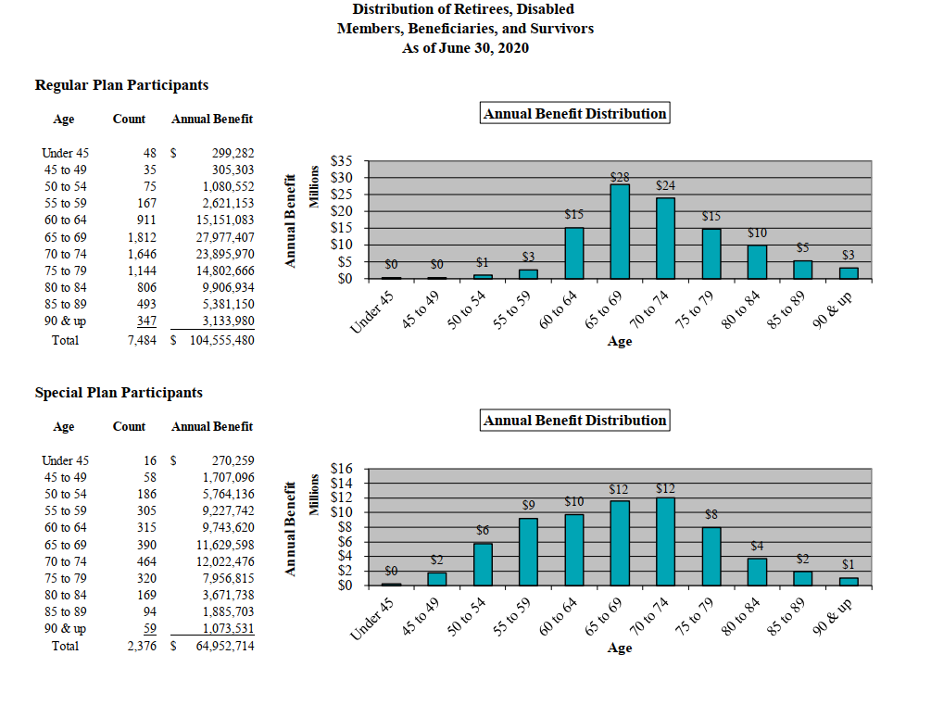
 |  | Distribution of Retirees, Disabled
 |  | Members, Beneficiaries, and Survivors
 |  | As of June 30, 2020

 |  | Regular Plan Participants
 |  | Age | Count | Annual Benefit
 |  | Under 45 | 48 | $ 299,282
 |  | 45 to 49 | 35 | 305,303
 |  | 50 to 54 | 75 | 1,080,552
 |  | 55 to 59 | 167 | 2,621,153
 |  | 60 to 64 | 911 | 15,151,083
 |  | 65 to 69 | 1,812 | 27,977,407
 |  | 70 to 74 | 1,646 | 23,895,970
 |  | 75 to 79 | 1,144 | 14,802,666
 |  | 80 to 84 | 806 | 9,906,934
 |  | 85 to 89 | 493 | 5,381,150
 |  | 90 & up | 347 | 3,133,980
 |  | Total | 7,484 | $104,555,480

 |  | Special Plan Participants
 |  | Annual Benefit Distribution
 |  | Age | Count | Annual Benefit
 |  | Under 45 | 16 | $ 270,259
 |  | 45 to 49 | 58 | 1,707,096
 |  | 50 to 54 | 186 | 5,764,136
 |  | 55 to 59 | 305 | 9,227,742
 |  | 60 to 64 | 315 | 9,743,620
 |  | 65 to 69 | 390 | 11,629,598
 |  | 70 to 74 | 464 | 12,022,476
 |  | 75 to 79 | 320 | 7,956,815
 |  | 80 to 84 | 169 | 3,671,738
 |  | 85 to 89 | 94 | 1,885,703
 |  | 90 & up | 59 | 1,073,531
 |  | Total | 2,376 | $64,952,714

 |  |  |  | $169,508,194

 | 100 and older

