benfactor
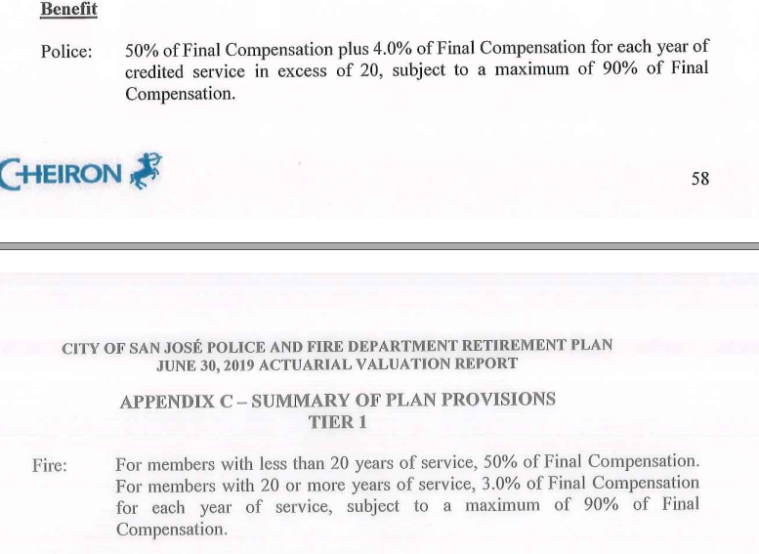
Service Ret
yos | police | fire
1-19 | 2.5 | 2.5
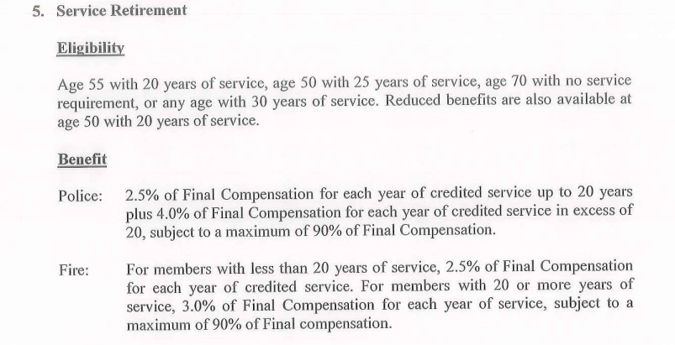
20 | 2.5 | 12.5
21+ | 4 | 3

Disb Ret
yos | police | fire
1 | 50 | 50
'1-19 | 0 | 0
20 | 0 | 10
21+ | 4 | 3

