targetVals_Funding_pf
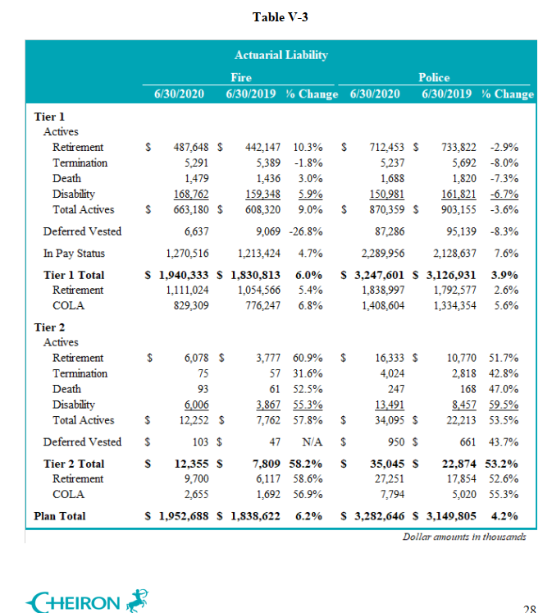
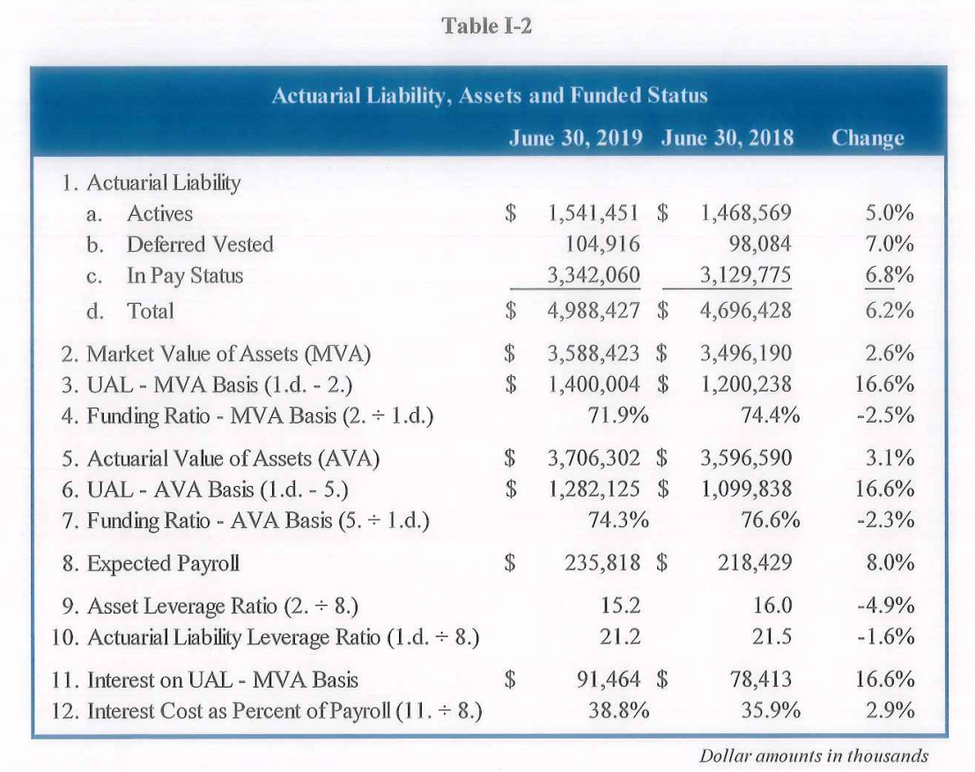
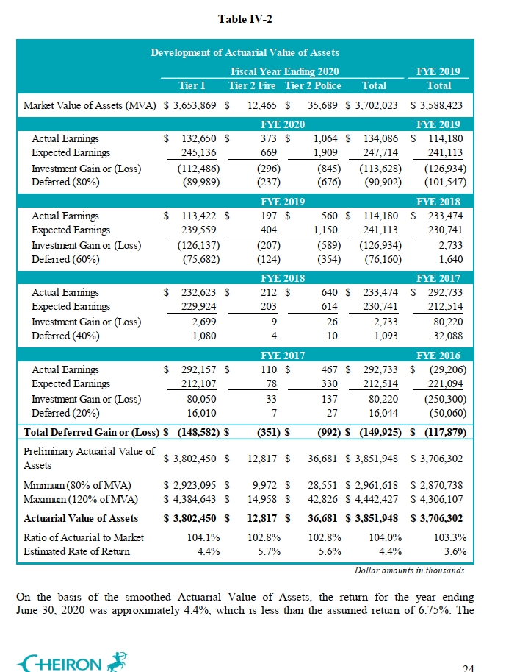
 | 2019-06-30
 | MVA | AVA | AL | FR_MVA | FR_AVA
PF tier 1 | 3558486 | 3675770 | 4957744 | 71.8% | 74.1%
PF tier 2 | 29938 | 30532 | 30683 | 97.6% | 99.5%
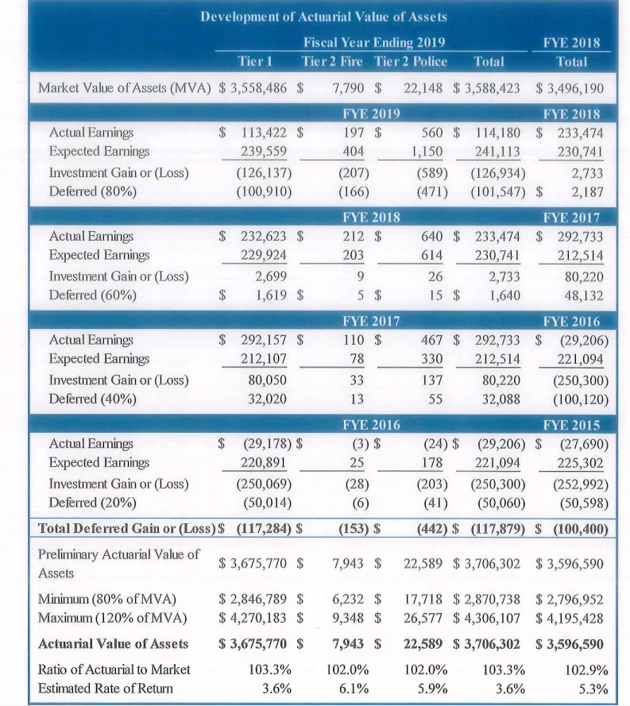
Total | 3588424 | 3706302 | 4988427 | 71.9% | 74.3%

 | 2020-06-30
 | MVA | AVA | AL | FR_MVA | FR_AVA
PF tier 1 | 3653869 | 3802450 | 5187934 | 70.4% | 73.3%
PF tier 2 | 48154 | 49498 | 47400 | 101.6% | 104.4%
Total | 3702023 | 3851948 | 5235334 | 70.7% | 73.6%

targetVals_Funding_fc
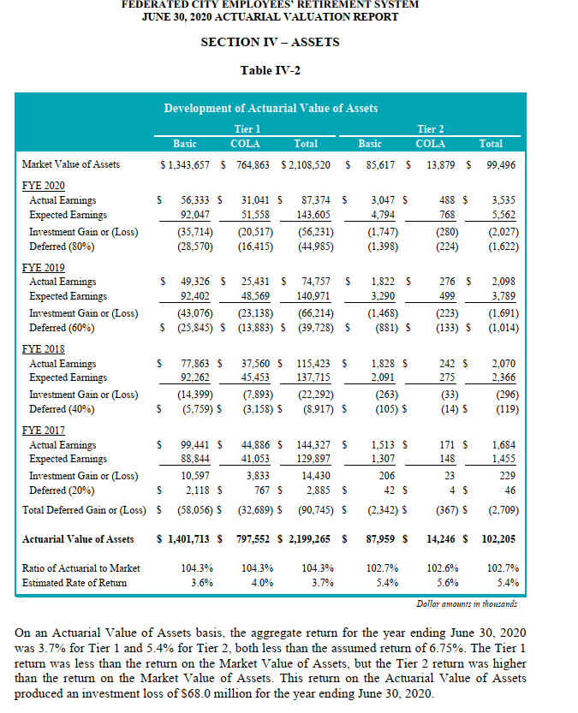
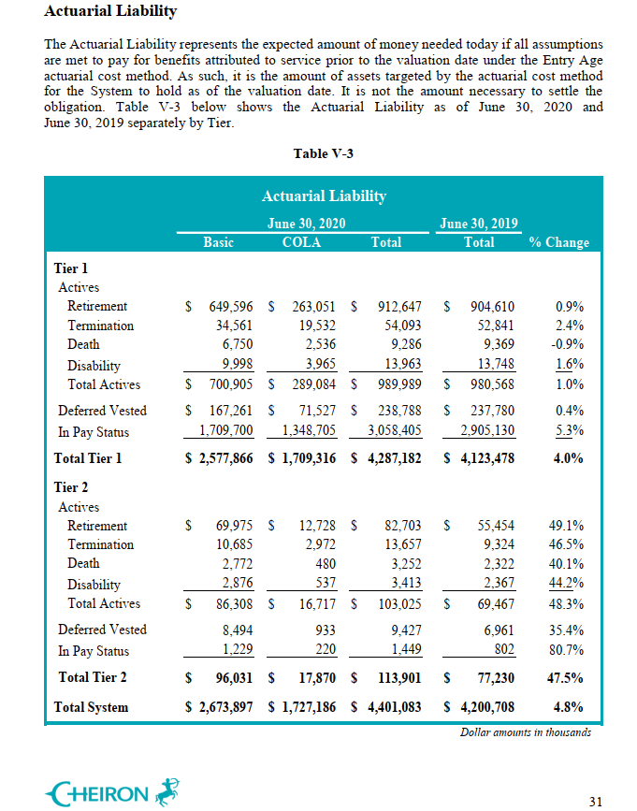
 | 2020-06-30
 | MVA | AVA | AL | FR_MVA | FR_AVA
FC tier 1 | 2108520 | 2199265 | 4287182 | 49.2% | 51.3%
FC tier 2 | 99496 | 102205 | 113901 | 87.4% | 89.7%
Total | 2208016 | 2301470 | 4401083 | 50.2% | 52.3%

