init_amort_t1_raw
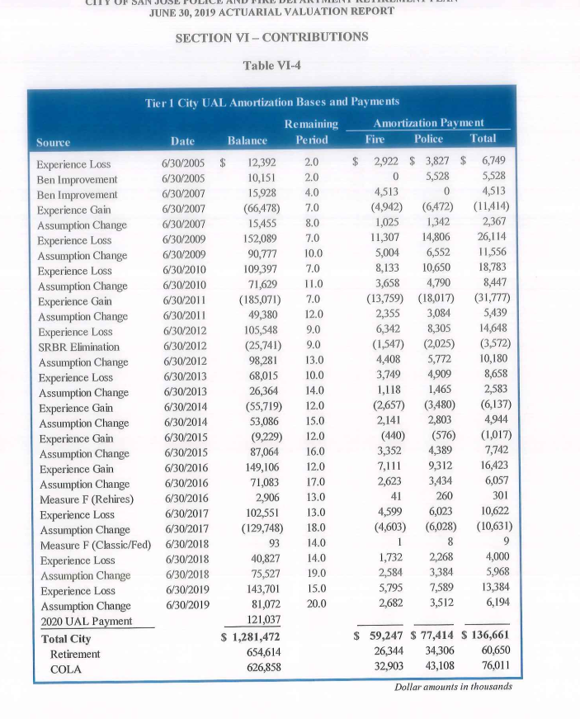
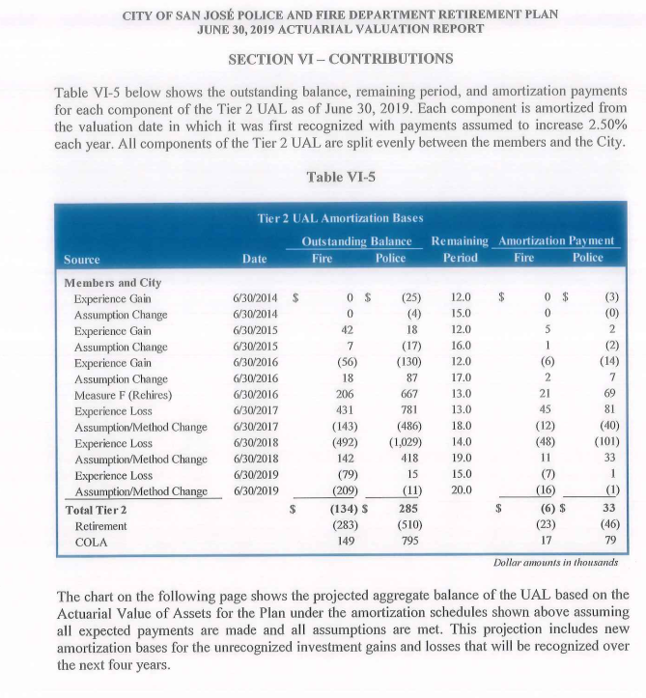
Source: AV2019, ep33-34
Annual increase of payments: 2.5%

 |  | orce | Date | Remaining Period | Balance | balance |  | Amortization Payment
 |  |  |  |  |  | fire | police | Fire | Police | Total
 | pf.t1 | Experience Loss | 2005-06-30 | 2.0 | $12,392 | $5,365 | $7,027 | $ 2,922 | $ 3,827 | $ 6,749
 | pf.t1 | Ben improvement | 2005-06-30 | 2.0 | 10,151 | $0 | $10,151 | 0 | 5,528 | 5,528
 | pf.t1 | Ben Improvement | 2007-06-30 | 4.0 | 15,928 | $15,928 | $0 | 4,513 | 0 | 4,513
 | pf.t1 | Experience Gain | 2007-06-30 | 7.0 | (66,478) | ($28,783) | ($37,695) | (4,942) | (6,472) | (11,414)
 | pf.t1 | Assumption Change | 2007-06-30 | 8.0 | 15,455 | $6,693 | $8,762 | 1,025 | 1,342 | 2,367
 | pf.t1 | Experience Loss | 2009-06-30 | 7.0 | 152,089 | $65,852 | $86,231 | 11,307 | 14,806 | 26,114
 | pf.t1 | Assumption Change | 2009-06-30 | 10.0 | 90,777 | $39,308 | $51,469 | 5,004 | 6,552 | 11,556
 | pf.t1 | Experience Loss | 2010-06-30 | 7.0 | 109,397 | $47,369 | $62,028 | 8,133 | 10,650 | 18,783
 | pf.t1 | Assumption Change | 2010-06-30 | 11.0 | 71,629 | $31,019 | $40,618 | 3,658 | 4,790 | 8,447
 | pf.t1 | Experience Gain | 2011-06-30 | 7.0 | (185,071) | ($80,133) | ($104,932) | (13,759) | (18,017) | (31,777)
 | pf.t1 | Assumption Change | 2011-06-30 | 12.0 | 49,380 | $21,381 | $27,999 | 2,355 | 3,084 | 5,439
 | pf.t1 | Experience Loss | 2012-06-30 | 9.0 | 105,548 | $45,698 | $59,843 | 6,342 | 8,305 | 14,648
 | pf.t1 | SRBR Elimination | 2012-06-30 | 9.0 | (25,741) | ($11,148) | ($14,593) | (1,547) | (2,025) | (3,572)
 | pf.t1 | Assumption Change | 2012-06-30 | 13.0 | 98,281 | $42,556 | $55,725 | 4,408 | 5,772 | 10,180
 | pf.t1 | Experience Loss | 2013-06-30 | 10.0 | 68,015 | $29,451 | $38,564 | 3,749 | 4,909 | 8,658
 | pf.t1 | Assumption Change | 2013-06-30 | 14.0 | 26,364 | $11,411 | $14,953 | 1,118 | 1,465 | 2,583
 | pf.t1 | Experience Gain | 2014-06-30 | 12.0 | (55,719) | ($24,123) | ($31,596) | (2,657) | (3,480) | (6,137)
 | pf.t1 | Assumption Change | 2014-06-30 | 15.0 | 53,086 | $22,989 | $30,097 | 2,141 | 2,803 | 4,944
 | pf.t1 | Experience Gain | 2015-06-30 | 12.0 | (9,229) | ($3,993) | ($5,227) | (440) | (576) | (1,017)
 | pf.t1 | Assumption Change | 2015-06-30 | 16.0 | 87,064 | $37,695 | $49,357 | 3,352 | 4,389 | 7,742
 | pf.t1 | Experience Gain | 2016-06-30 | 12.0 | 149,106 | $64,561 | $84,545 | 7,111 | 9,312 | 16,423
 | pf.t1 | Assumption Change | 2016-06-30 | 17.0 | 71,083 | $30,783 | $40,300 | 2,623 | 3,434 | 6,057
 | pf.t1 | Measure F (Rehires) | 2016-06-30 | 13.0 | 2,906 | $396 | $2,510 | 41 | 260 | 301
 | pf.t1 | Experience Loss | 2017-06-30 | 13.0 | 102,551 | $44,401 | $58,150 | 4,599 | 6,023 | 10,622
 | pf.t1 | Assumption Change | 2017-06-30 | 18.0 | (129,748) | ($56,178) | ($73,570) | (4,603) | (6,028) | (10,631)
 | pf.t1 | Measure F (Classic/Fed) | 2018-06-30 | 14.0 | 93 | $10 | $83 | 1 | 8 | 9
 | pf.t1 | Experience Loss | 2018-06-30 | 14.0 | 40,827 | $17,678 | $23,149 | 1,732 | 2,268 | 4,000
 | pf.t1 | Assumption Change | 2018-06-30 | 19.0 | 75,527 | $32,701 | $42,826 | 2,584 | 3,384 | 5,968
 | pf.t1 | Experience Loss | 2019-06-30 | 15.0 | 143,701 | $62,220 | $81,481 | 5,795 | 7,589 | 13,384
 | pf.t1 | Assumption Change | 2019-06-30 | 20.0 | 81,072 | $35,104 | $45,968 | 2,682 | 3,512 | 6,194
 | pf.t1 | 2020 UAL Payment |  |  | 121,037 | 52,473 | 68,564
 |  | Total City |  |  | $1,281,472 |  |  | $ 59,247 | $77,414 | $136,661
 |  | Retirement |  |  | 654,614 |  |  | 26,344 | 34,306 | 60,650
 |  | COLA |  |  | 626,858 |  |  | 32,903 | 43,108 | 76,011

benfactor
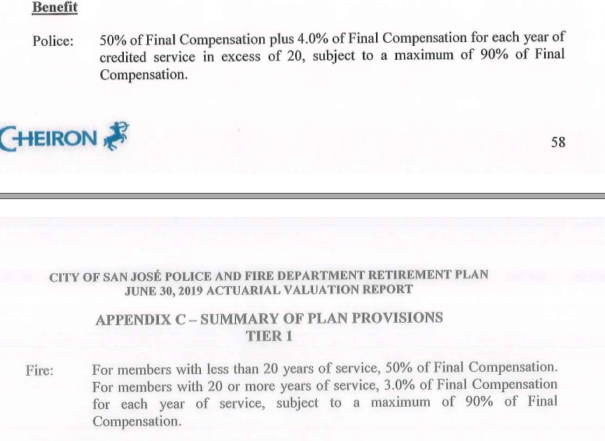
Service Ret
yos | police | fire
1-19 | 2.5 | 2.5
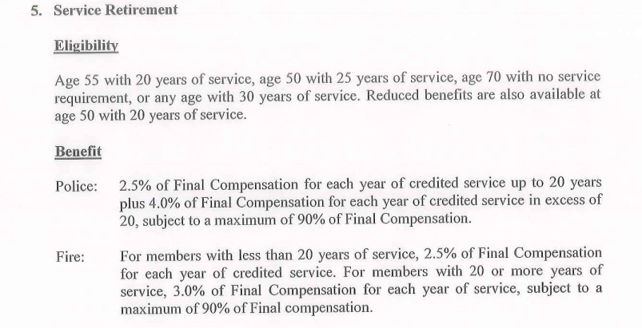
20 | 2.5 | 12.5
21+ | 4 | 3

Disb Ret
yos | police | fire
1 | 50 | 50
'1-19 | 0 | 0
20 | 0 | 10
21+ | 4 | 3

