salScale
TOC
cell_range | C7:D19
var_name | salScale
grp_name | all
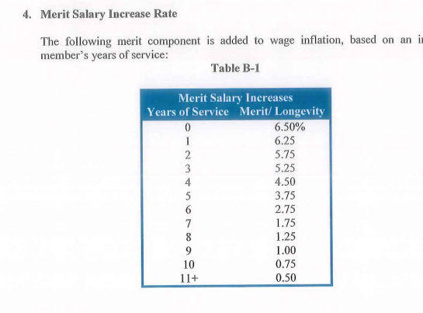

 |  | yos | salScale_merit
 |  | 0 | 0.065 | 6.50
 |  | 1 | 0.063 | 6.25
 |  | 2 | 0.058 | 5.75
 |  | 3 | 0.053 | 5.25
 |  | 4 | 0.045 | 4.50
 |  | 5 | 0.038 | 3.75
 |  | 6 | 0.028 | 2.75
 |  | 7 | 0.018 | 1.75
 |  | 8 | 0.013 | 1.25
 |  | 9 | 0.010 | 1.00
 |  | 10 | 0.008 | 0.75
 |  | 11 | 0.005 | 0.50

servRet_t1
TOC
cell_range | C6:F32
var_name | qxr
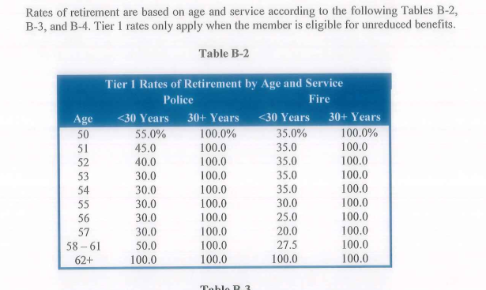
grp_name | regular

 |  | grp | age | yos_l30 | yos_ge30
 |  | police | 50 | 0.55 | 1
 |  | police | 51 | 0.45 | 1
 |  | police | 52 | 0.4 | 1
 |  | police | 53 | 0.3 | 1
 |  | police | 54 | 0.3 | 1
 |  | police | 55 | 0.3 | 1
 |  | police | 56 | 0.3 | 1
 |  | police | 57 | 0.3 | 1
 |  | police | 58 | 0.5 | 1
 |  | police | 59 | 0.5 | 1
 |  | police | 60 | 0.5 | 1
 |  | police | 61 | 0.5 | 1
 |  | police | 62 | 1 | 1
 |  | fire | 50 | 0.35 | 1
 |  | fire | 51 | 0.35 | 1
 |  | fire | 52 | 0.35 | 1
 |  | fire | 53 | 0.35 | 1
 |  | fire | 54 | 0.35 | 1
 |  | fire | 55 | 0.3 | 1
 |  | fire | 56 | 0.25 | 1
 |  | fire | 57 | 0.2 | 1
 |  | fire | 58 | 0.275 | 1
 |  | fire | 59 | 0.275 | 1
 |  | fire | 60 | 0.275 | 1
 |  | fire | 61 | 0.275 | 1
 |  | fire | 62 | 1 | 1

servRet_t2
TOC
cell_range | C6:H38
var_name | qxr
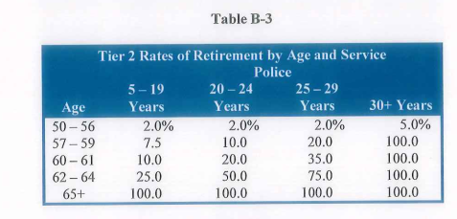
grp_name | special

 |  | grp | age | yos_5.19 | yos_20.24 | yos_25.29 | yos_30
 |  | police | 50 | 0.02 | 0.02 | 0.02 | 0.05
 |  | police | 51 | 0.02 | 0.02 | 0.02 | 0.05
 |  | police | 52 | 0.02 | 0.02 | 0.02 | 0.05
 |  | police | 53 | 0.02 | 0.02 | 0.02 | 0.05
 |  | police | 54 | 0.02 | 0.02 | 0.02 | 0.05
 |  | police | 55 | 0.02 | 0.02 | 0.02 | 0.05
 |  | police | 56 | 0.02 | 0.02 | 0.02 | 0.05
 |  | police | 57 | 0.075 | 0.1 | 0.2 | 1
 |  | police | 58 | 0.075 | 0.1 | 0.2 | 1
 |  | police | 59 | 0.075 | 0.1 | 0.2 | 1
 |  | police | 60 | 0.1 | 0.2 | 0.35 | 1
 |  | police | 61 | 0.1 | 0.2 | 0.35 | 1
 |  | police | 62 | 0.25 | 0.5 | 0.75 | 1
 |  | police | 63 | 0.25 | 0.5 | 0.75 | 1
 |  | police | 64 | 0.25 | 0.5 | 0.75 | 1
 |  | police | 65 | 1 | 1 | 1 | 1
 |  | fire | 50 | 0.01 | 0.01 | 0.01 | 0.025
 |  | fire | 51 | 0.01 | 0.01 | 0.01 | 0.025
 |  | fire | 52 | 0.01 | 0.01 | 0.01 | 0.025
 |  | fire | 53 | 0.01 | 0.01 | 0.01 | 0.025
 |  | fire | 54 | 0.01 | 0.01 | 0.01 | 0.025
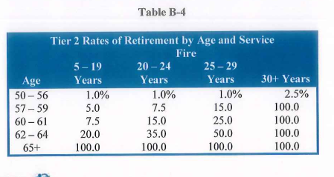
 |  | fire | 55 | 0.01 | 0.01 | 0.01 | 0.025
 |  | fire | 56 | 0.01 | 0.01 | 0.01 | 0.025
 |  | fire | 57 | 0.05 | 0.075 | 0.15 | 1
 |  | fire | 58 | 0.05 | 0.075 | 0.15 | 1
 |  | fire | 59 | 0.05 | 0.075 | 0.15 | 1
 |  | fire | 60 | 0.075 | 0.15 | 0.25 | 1
 |  | fire | 61 | 0.075 | 0.15 | 0.25 | 1
 |  | fire | 62 | 0.2 | 0.35 | 0.5 | 1
 |  | fire | 63 | 0.2 | 0.35 | 0.5 | 1
 |  | fire | 64 | 0.2 | 0.35 | 0.5 | 1
 |  | fire | 65 | 1 | 1 | 1 | 1

disbRet
TOC
cell_range | C6:E24
var_name | qxd
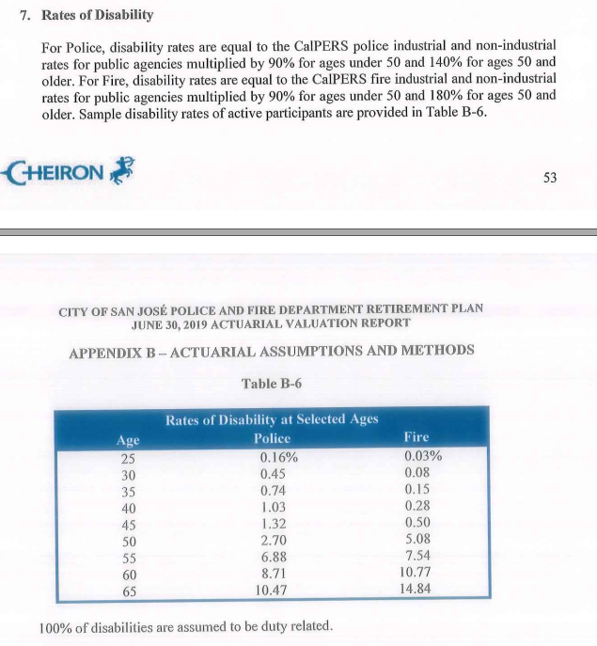
grp_name | all

 |  | grp | age | qxd
 |  | police | 25 | 0.0016
 |  | police | 30 | 0.0045
 |  | police | 35 | 0.0074
 |  | police | 40 | 0.0103
 |  | police | 45 | 0.0132
 |  | police | 50 | 0.027
 |  | police | 55 | 0.0688
 |  | police | 60 | 0.0871
 |  | police | 65 | 0.1047
 |  | fire | 25 | 0.0003
 |  | fire | 30 | 0.0008
 |  | fire | 35 | 0.0015
 |  | fire | 40 | 0.0028
 |  | fire | 45 | 0.005
 |  | fire | 50 | 0.0508
 |  | fire | 55 | 0.0754
 |  | fire | 60 | 0.1077
 |  | fire | 65 | 0.1484

defrRet
TOC
cell_range | C6:E46
var_name | qxt
grp_name | all
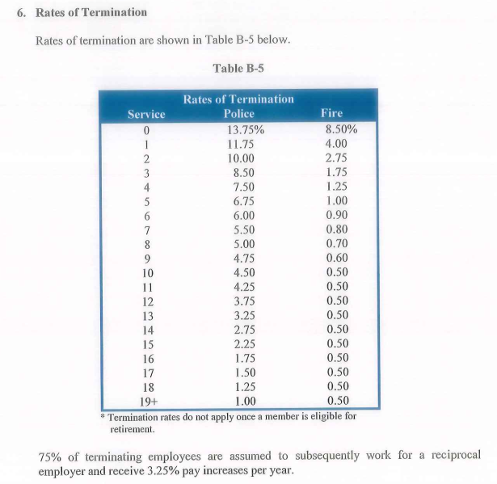
 |  | grp | yos | qxt
 |  | police | 0 | 0.1375
 |  | police | 1 | 0.1175
 |  | police | 2 | 0.1
 |  | police | 3 | 0.085
 |  | police | 4 | 0.075
 |  | police | 5 | 0.0675
 |  | police | 6 | 0.06
 |  | police | 7 | 0.055
 |  | police | 8 | 0.05
 |  | police | 9 | 0.0475
 |  | police | 10 | 0.045
 |  | police | 11 | 0.0425
 |  | police | 12 | 0.0375
 |  | police | 13 | 0.0325
 |  | police | 14 | 0.0275
 |  | police | 15 | 0.0225
 |  | police | 16 | 0.0175
 |  | police | 17 | 0.015
 |  | police | 18 | 0.0125
 |  | police | 19 | 0.01
 |  | fire | 0 | 0.085
 |  | fire | 1 | 0.04
 |  | fire | 2 | 0.0275
 |  | fire | 3 | 0.0175
 |  | fire | 4 | 0.0125
 |  | fire | 5 | 0.01
 |  | fire | 6 | 0.009
 |  | fire | 7 | 0.008
 |  | fire | 8 | 0.007
 |  | fire | 9 | 0.006
 |  | fire | 10 | 0.005
 |  | fire | 11 | 0.005
 |  | fire | 12 | 0.005
 |  | fire | 13 | 0.005
 |  | fire | 14 | 0.005
 |  | fire | 15 | 0.005
 |  | fire | 16 | 0.005
 |  | fire | 17 | 0.005
 |  | fire | 18 | 0.005
 |  | fire | 19 | 0.005

mortality_raw
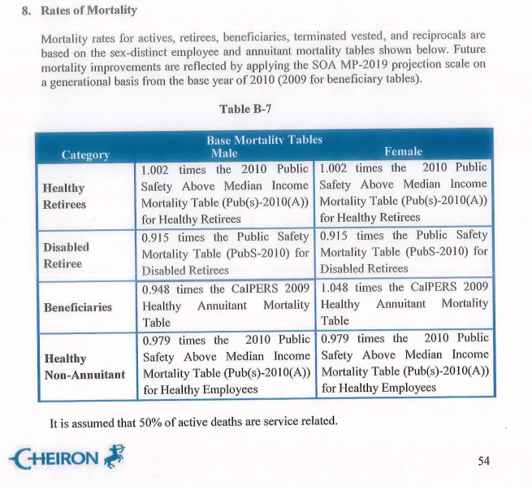
source AV2019 ep54

