other
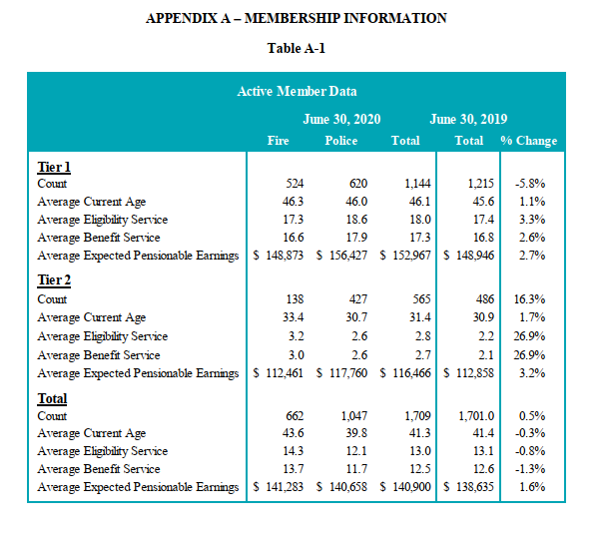
Ratios (gender, occupation)

actives
TOC
cell_range | D7:N30
grp_name | all
AV_date | 20200630
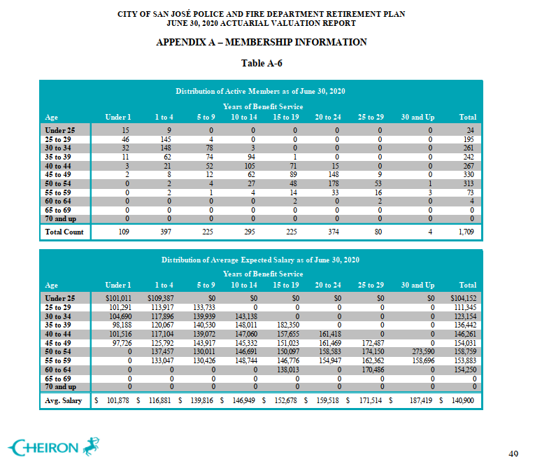
 |  | Age |  |  |  | under 1 | 1-4 | 5 - 9 | 10 - 14 | 15 - 19 | 20-24 | 25-29 | 30 and up
 |  |  | type | age.cell | agegrp | 0 | 2 | 7 | 12 | 17 | 22 | 27 | 32
 |  |  | yosgrp |  |  | 0-0 | 1-4 | 5-9 | 10-14 | 15-19 | 20-24 | 25-29 | 30-34
 |  | Less than 25 | nactives | 22 | 20-24 | 15 | 9 | 0 | 0 | 0 | 0 | 0 | 0
 |  | 25 - 29 | nactives | 27 | 25-29 | 46 | 145 | 4 | 0 | 0 | 0 | 0 | 0
 |  | 30 - 34 | nactives | 32 | 30-34 | 32 | 148 | 78 | 3 | 0 | 0 | 0 | 0
 |  | 35 - 39 | nactives | 37 | 35-39 | 11 | 62 | 74 | 94 | 1 | 0 | 0 | 0
 |  | 40 - 44 | nactives | 42 | 40-44 | 3 | 21 | 52 | 105 | 71 | 15 | 0 | 0
 |  | 45 - 49 | nactives | 47 | 45-49 | 2 | 8 | 12 | 62 | 89 | 148 | 9 | 0
 |  | 50 - 54 | nactives | 52 | 50-54 | 0 | 2 | 4 | 27 | 48 | 178 | 53 | 1
 |  | 55 - 59 | nactives | 57 | 55-59 | 0 | 2 | 1 | 4 | 14 | 33 | 16 | 3
 |  | 60 - 64 | nactives | 62 | 60-64 | 0 | 0 | 0 | 0 | 2 | 0 | 2 | 0
 |  | 65 - 69 | nactives | 67 | 65-69 | 0 | 0 | 0 | 0 | 0 | 0 | 0 | 0
 |  | 70 and up | nactives | 72 | 70-74 | 0 | 0 | 0 | 0 | 0 | 0 | 0 | 0
 |  | Less than 25 | salary | 22 | 20-24 | 101011 | 109387 | 0 | 0 | 0 | 0 | 0 | 0
 |  | 25 - 29 | salary | 27 | 25-29 | 101291 | 113917 | 133733 | 0 | 0 | 0 | 0 | 0
 |  | 30 - 34 | salary | 32 | 30-34 | 104690 | 117896 | 139939 | 143138 | 0 | 0 | 0 | 0
 |  | 35 - 39 | salary | 37 | 35-39 | 98188 | 120067 | 140530 | 148011 | 182350 | 0 | 0 | 0
 |  | 40 - 44 | salary | 42 | 40-44 | 101516 | 117104 | 139072 | 147060 | 157655 | 161418 | 0 | 0
 |  | 45 - 49 | salary | 47 | 45-49 | 97726 | 125792 | 143917 | 145332 | 151023 | 161469 | 172487 | 0
 |  | 50 - 54 | salary | 52 | 50-54 | 0 | 137457 | 130011 | 146691 | 150097 | 158583 | 174150 | 273590
 |  | 55 - 59 | salary | 57 | 55-59 | 0 | 133047 | 130426 | 148744 | 146776 | 154947 | 162362 | 158696
 |  | 60 - 64 | salary | 62 | 60-64 | 0 | 0 | 0 | 0 | 138013 | 0 | 170486 | 0
 |  | 65 - 69 | salary | 67 | 65-69 | 0 | 0 | 0 | 0 | 0 | 0 | 0 | 0
 |  | 70 and up | salary | 72 | 70-74 | 0 | 0 | 0 | 0 | 0 | 0 | 0 | 0

 |  |  |  | 0.55963302752
 |  |  |  | 0.87735849057

retirees_raw
AV2020 ep54

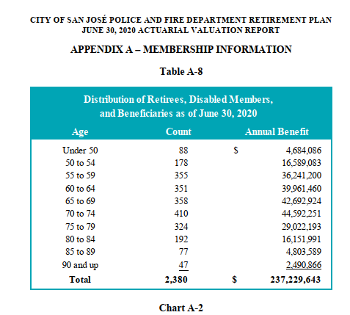
 | Age | Count | Annual Benefit
 | Under 50 | 88 | $ 4,684,086
 | 50 to 54 | 178 | 16,589,083
 | 55 to 59 | 355 | 36,241,200
 | 60 to 64 | 351 | 39,961,460
 | 65 to 69 | 358 | 42,692,924
 | 70 to 74 | 410 | 44,592,251
 | 75 to 79 | 324 | 29,022,193
 | 80 to 84 | 192 | 16,151,991
 | 85 to 89 | 77 | 4,803,589
 | 90 and up | 47 | 2,490,866
 | Total | 2,380 | $ 237,229,643

