targetVals_Funding_fc
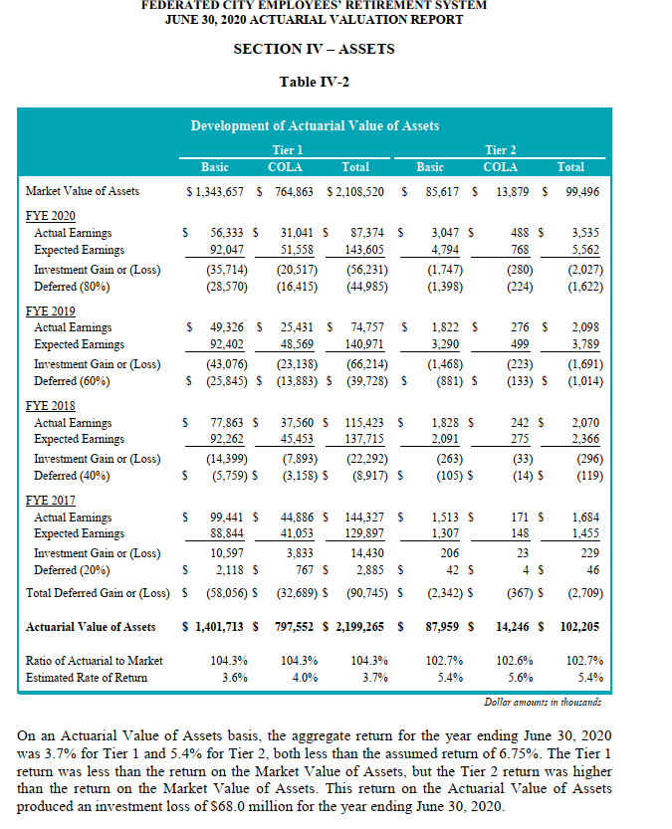
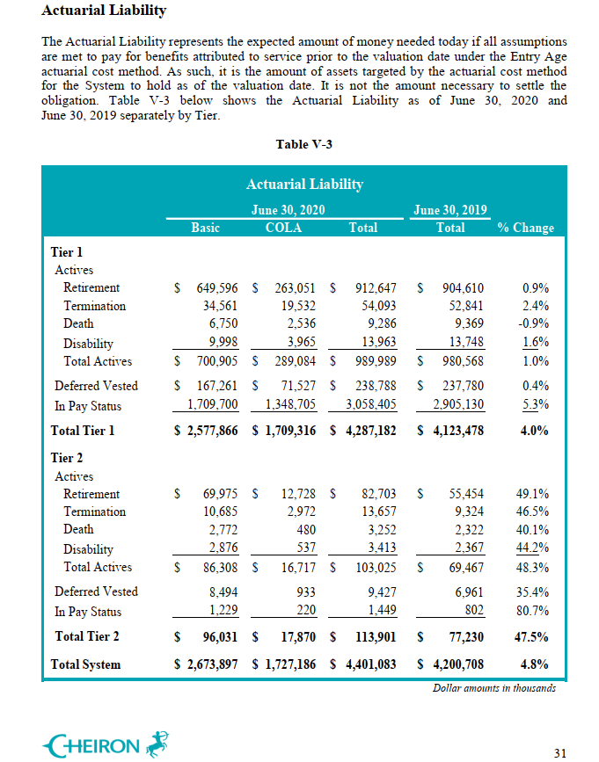
 | 2020-06-30
 | MVA | AVA | AL | FR_MVA | FR_AVA
FC tier 1 | 2108520 | 2199265 | 4287182 | 49.2% | 51.3%
FC tier 2 | 99496 | 102205 | 113901 | 87.4% | 89.7%
Total | 2208016 | 2301470 | 4401083 | 50.2% | 52.3%

targetVals_Funding_pf
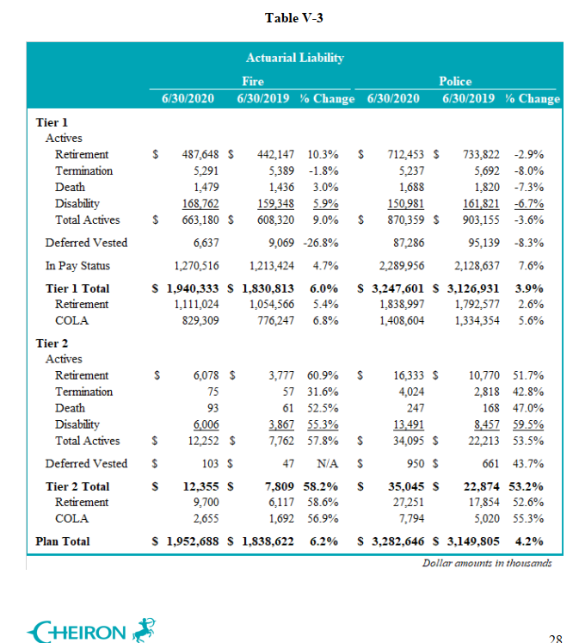
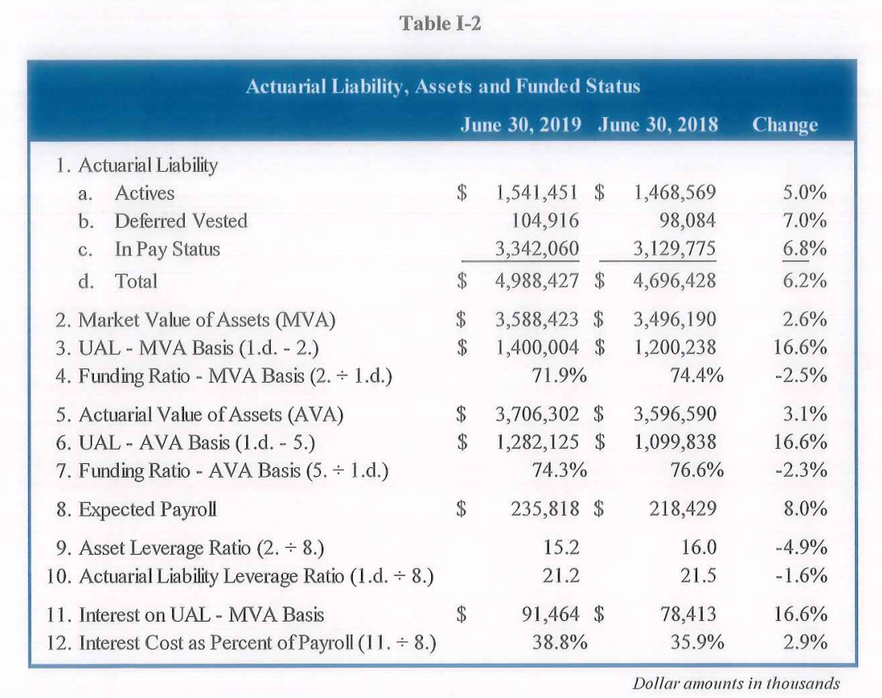
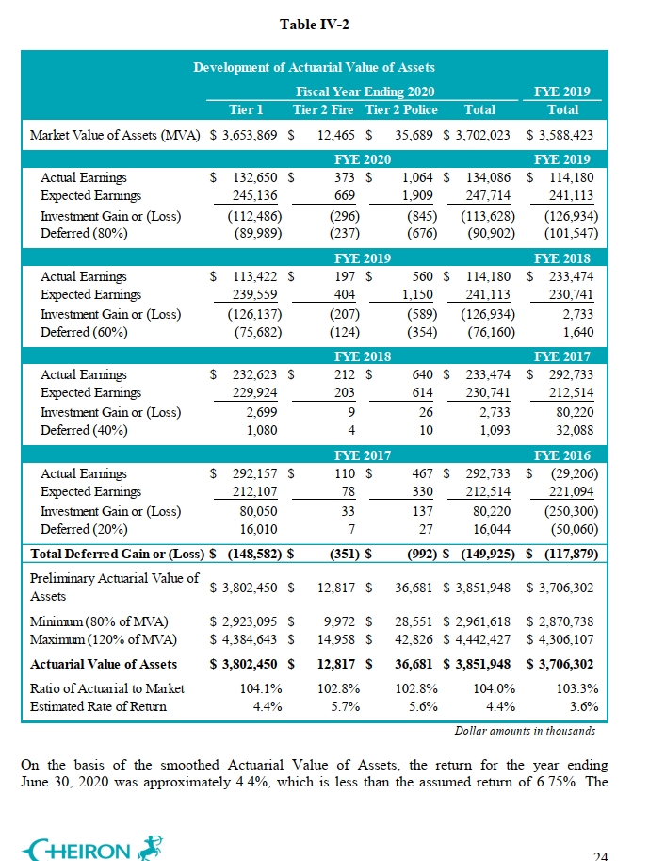
 | 2019-06-30
 | MVA | AVA | AL | FR_MVA | FR_AVA
PF tier 1 | 3558486 | 3675770 | 4957744 | 71.8% | 74.1%
PF tier 2 | 29938 | 30532 | 30683 | 97.6% | 99.5%
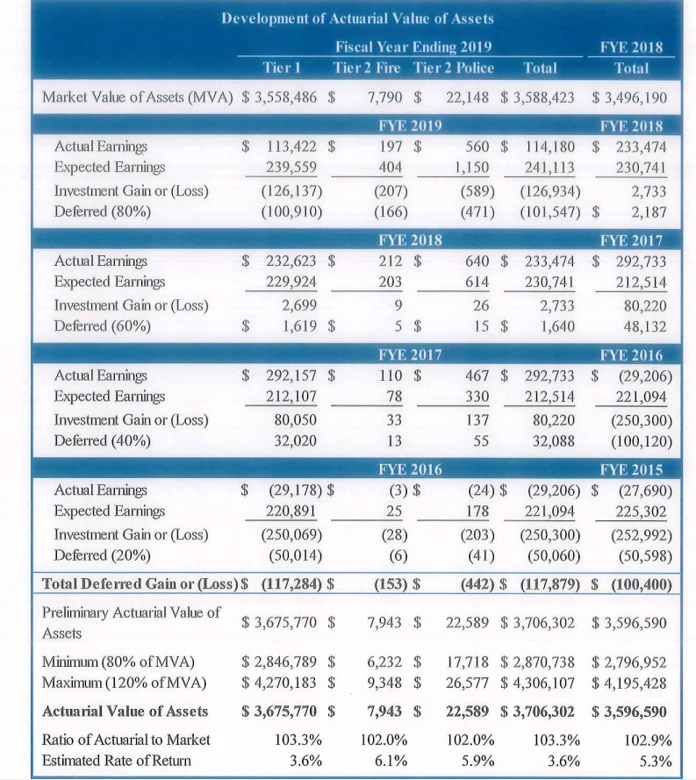
Total | 3588424 | 3706302 | 4988427 | 71.9% | 74.3%

 | 2020-06-30
 | MVA | AVA | AL | FR_MVA | FR_AVA
PF tier 1 | 3653869 | 3802450 | 5187934 | 70.4% | 73.3%
PF tier 2 | 48154 | 49498 | 47400 | 101.6% | 104.4%
Total | 3702023 | 3851948 | 5235334 | 70.7% | 73.6%

target_summary
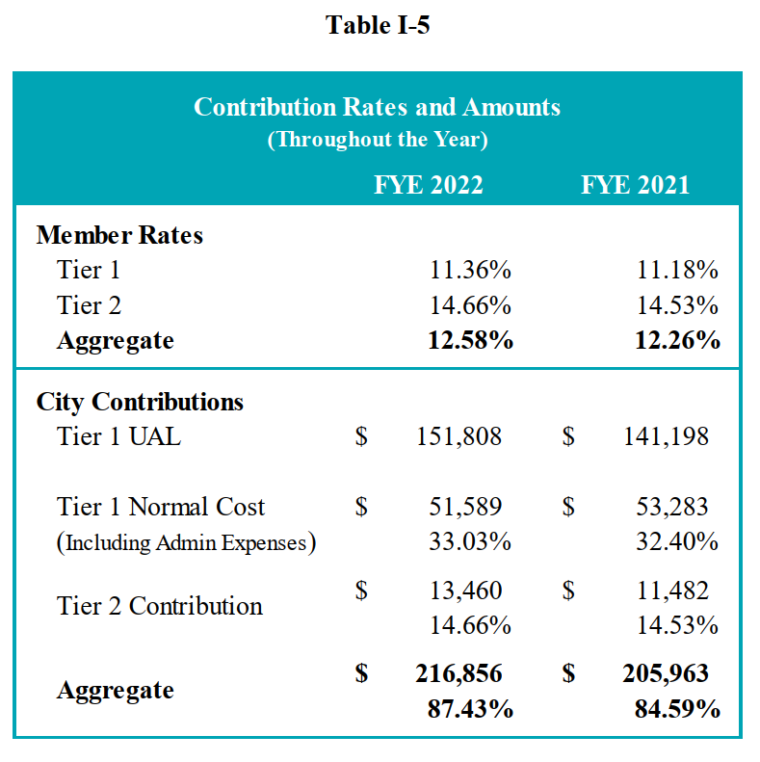
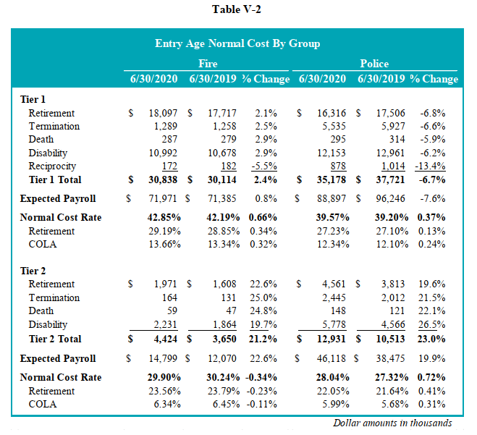
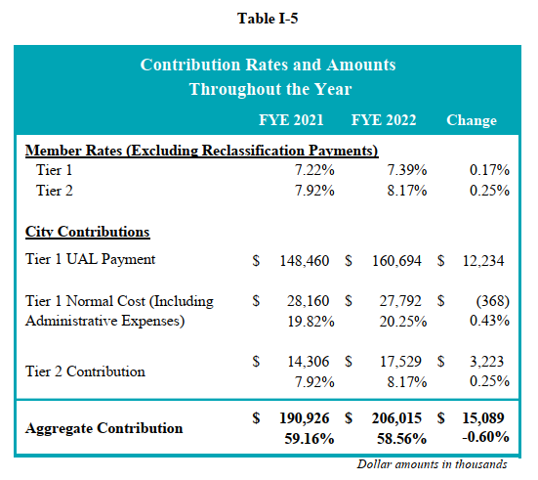
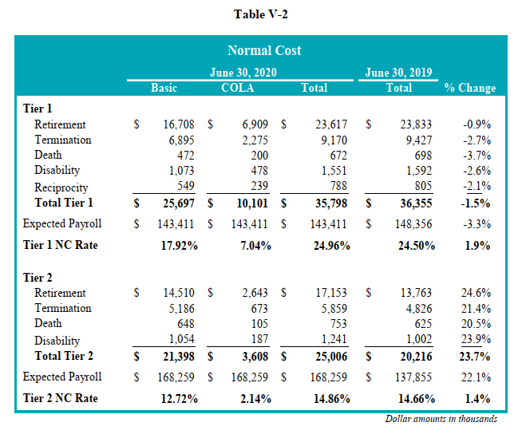
Targets based on AV2020 (thousand)
 | Liability |  |  |  |  | FY2022 amounts |  |  |  |  | Does the expected payroll over expected new entrants?
 | V-3 | V-3 | V-3 | V-3 |  | I5 | I5 | I5 | I5 | I5 | V2 | V2 | V2 | V2 | V2 | V2
 | AL | AL actives | AL pay status | AL vested | vested/active | UAL | NC_ER | EEC | ERC | Admin | Expected payroll | NC tot | NC ret | NC term | NC disb | NC death
PF t1 | 5,187,934 | 1,533,539 | 3,560,472 | 93,923 | 6.1% | 151,808 | 51,589 | 11.36% | 203,397 |  | 160,868 | 66,016 | 34,413 | 6,824 | 23,145 | 582
PF t2 | 47,400 | 46,347 | - | 1,053 | 2.3% |  |  | 14.66% | 13,460 |  | 60,917 | 17,355
PF total | 5,235,334 | 1,579,886 | 3,560,472 | 94,976 |  | 151,808 |  | 12.58% | 216,857 |  | 221,785

FC t1 | 4,287,182 | 989,989 | 3,058,405 | 238,788 | 24.1% | 160,694 | 27,792 | 7.39% | 188,486
FC t2 | 113,901 | 103,025 | 1,449 | 9,427 | 9.2% |  |  | 8.17% | 17,529
FC total | 4,401,083 | 1,093,014 | 3,059,854 | 248,215 |  |  |  |  | 206,015

Grand total | 9,636,417 | 2,672,900 | 6,620,326 | 343,191 |  |  |  |  | 422,872
discount |  |  |  |  |  |  |  |  | 396,597.42

Cost PF
