actives
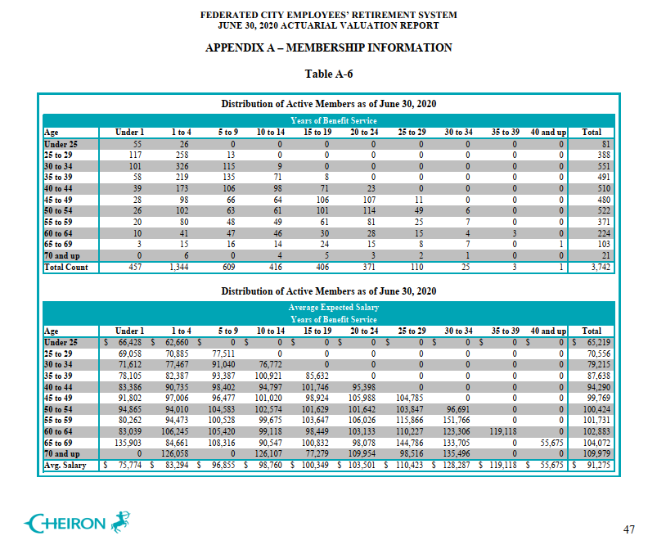
TOC
cell_range | D7:P30
grp_name | all
AV_date | 20200630

 |  | Age |  |  |  | under 1 | 1-4 | 5 - 9 | 10 - 14 | 15 - 19 | 20-24 | 25-29 | 30-34 | 35-39 | 40 and up
 |  |  | type | age.cell | agegrp | 0 | 2 | 7 | 12 | 17 | 22 | 27 | 32 | 37 | 42
 |  |  | yosgrp |  |  | 0-0 | 1-4 | 5-9 | 10-14 | 15-19 | 20-24 | 25-29 | 30-34 | 35-39 | 40-44
 |  | Less than 25 | nactives | 22 | 20-24 | 55 | 26 | 0 | 0 | 0 | 0 | 0 | 0 | 0 | 0
 |  | 25 - 29 | nactives | 27 | 25-29 | 117 | 258 | 13 | 0 | 0 | 0 | 0 | 0 | 0 | 0
 |  | 30 - 34 | nactives | 32 | 30-34 | 101 | 326 | 115 | 9 | 0 | 0 | 0 | 0 | 0 | 0
 |  | 35 - 39 | nactives | 37 | 35-39 | 58 | 219 | 135 | 71 | 8 | 0 | 0 | 0 | 0 | 0
 |  | 40 - 44 | nactives | 42 | 40-44 | 39 | 173 | 106 | 98 | 71 | 23 | 0 | 0 | 0 | 0
 |  | 45 - 49 | nactives | 47 | 45-49 | 28 | 98 | 66 | 64 | 106 | 107 | 11 | 0 | 0 | 0
 |  | 50 - 54 | nactives | 52 | 50-54 | 26 | 102 | 63 | 61 | 101 | 114 | 49 | 6 | 0 | 0
 |  | 55 - 59 | nactives | 57 | 55-59 | 20 | 80 | 48 | 49 | 61 | 81 | 25 | 7 | 0 | 0
 |  | 60 - 64 | nactives | 62 | 60-64 | 10 | 41 | 47 | 46 | 30 | 28 | 15 | 4 | 3 | 0
 |  | 65 - 69 | nactives | 67 | 65-69 | 3 | 15 | 16 | 14 | 24 | 15 | 8 | 7 | 0 | 1
 |  | 70 and up | nactives | 72 | 70-74 | 0 | 6 | 0 | 4 | 5 | 3 | 2 | 1 | 0 | 0
 |  | Less than 25 | salary | 22 | 20-24 | 66428 | 62660
 |  | 25 - 29 | salary | 27 | 25-29 | 69058 | 70885 | 77511 | 0 | 0 | 0 | 0 | 0 | 0 | 0
 |  | 30 - 34 | salary | 32 | 30-34 | 71612 | 77467 | 91040 | 76772 | 0 | 0 | 0 | 0 | 0 | 0
 |  | 35 - 39 | salary | 37 | 35-39 | 78105 | 82387 | 93387 | 100921 | 85632 | 0 | 0 | 0 | 0 | 0
 |  | 40 - 44 | salary | 42 | 40-44 | 83386 | 90735 | 98402 | 94797 | 101746 | 95398 | 0 | 0 | 0 | 0
 |  | 45 - 49 | salary | 47 | 45-49 | 91802 | 97006 | 96477 | 101020 | 98924 | 105988 | 104785 | 0 | 0 | 0
 |  | 50 - 54 | salary | 52 | 50-54 | 94865 | 94010 | 104583 | 102574 | 101629 | 101642 | 103847 | 96691 | 0 | 0
 |  | 55 - 59 | salary | 57 | 55-59 | 80262 | 94473 | 100528 | 99675 | 103647 | 106026 | 115866 | 151766 | 0 | 0
 |  | 60 - 64 | salary | 62 | 60-64 | 83039 | 106245 | 105420 | 99118 | 98449 | 103133 | 110227 | 123306 | 119118 | 0
 |  | 65 - 69 | salary | 67 | 65-69 | 135903 | 84661 | 108316 | 90547 | 100832 | 98078 | 144786 | 133705 | 0 | 55675
 |  | 70 and up | salary | 72 | 70-74 | 0 | 126058 | 0 | 126107 | 77279 | 109954 | 98516 | 135496 | 0 | 0

 |  |  |  |  |  |  |  |  |  |  |  |  |  |  |  | 341547308

retirees
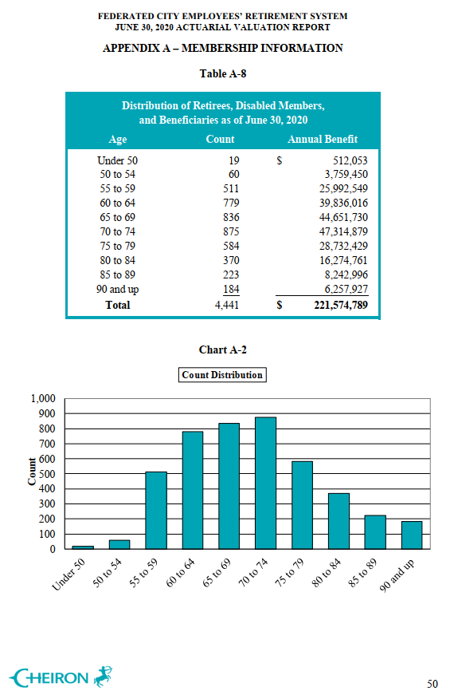
TOC
cell_range | D6:G16
grp_name | all
AV_date | 20200630

 |  |  | age.cell | agegrp | n_retirees | benefit_tot
 |  | under 50 | 47 | 45-49 | 19 | 512053
 |  | 50 to 54 | 52 | 50-54 | 60 | 3759450
 |  | 55 to 59 | 57 | 55-59 | 511 | 25992549
 |  | 60 to 64 | 62 | 60-64 | 779 | 39836016
 |  | 65 to 69 | 67 | 65-69 | 836 | 44651730
 |  | 70 to 74 | 72 | 70-74 | 875 | 47314879
 |  | 75 to 79 | 77 | 75-79 | 584 | 28732429
 |  | 80 to 84 | 82 | 80-84 | 370 | 16274761
 |  | 85 to 89 | 87 | 85-89 | 223 | 8242996
 |  | 90 & up | 92 | 90-94 | 184 | 6257927

