other
Ratios (gender, occupation)

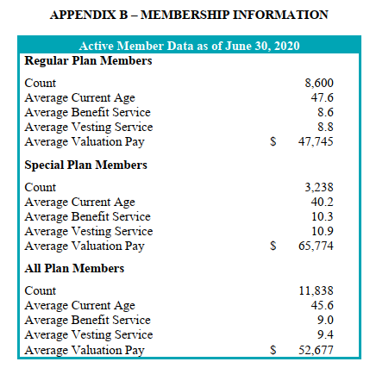
active members, as of June30, 2020
regular | 8600 | 0.726
special | 3238 | 0.274
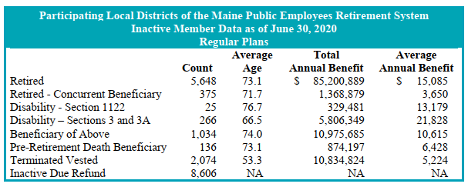
total | 11838

servRets, as of June30, 2020
regular | 5648 | 0.782
special | 1574 | 0.218
total | 7222

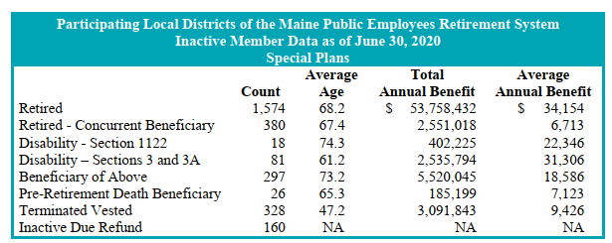
disbRet (all), as of June 30, 2020
regular | 291 | 0.746
special | 99 | 0.254
total | 390

actives
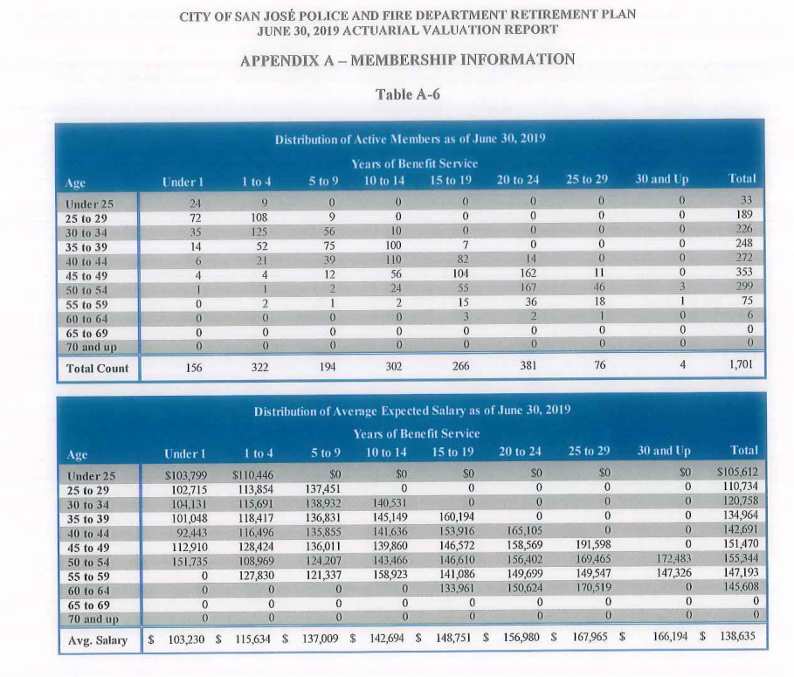
TOC
cell_range | D7:N30
grp_name | all
AV_date | 20190630

 |  | Age |  |  |  | under 1 | 1-4 | 5 - 9 | 10 - 14 | 15 - 19 | 20-24 | 25-29 | 30 and up
 |  |  | type | age.cell | agegrp | 0 | 2 | 7 | 12 | 17 | 22 | 27 | 32
 |  |  | yosgrp |  |  | 0-0 | 1-4 | 5-9 | 10-14 | 15-19 | 20-24 | 25-29 | 30-34
 |  | Less than 25 | nactives | 22 | 20-24 | 24 | 9 | 0 | 0 | 0 | 0 | 0 | 0
 |  | 25 - 29 | nactives | 27 | 25-29 | 72 | 108 | 9 | 0 | 0 | 0 | 0 | 0
 |  | 30 - 34 | nactives | 32 | 30-34 | 35 | 125 | 56 | 10 | 0 | 0 | 0 | 0
 |  | 35 - 39 | nactives | 37 | 35-39 | 14 | 52 | 75 | 100 | 7 | 0 | 0 | 0
 |  | 40 - 44 | nactives | 42 | 40-44 | 6 | 21 | 39 | 110 | 82 | 14 | 0 | 0
 |  | 45 - 49 | nactives | 47 | 45-49 | 4 | 4 | 12 | 56 | 104 | 162 | 11 | 0
 |  | 50 - 54 | nactives | 52 | 50-54 | 1 | 1 | 2 | 24 | 55 | 167 | 46 | 3
 |  | 55 - 59 | nactives | 57 | 55-59 | 0 | 2 | 1 | 2 | 15 | 36 | 18 | 1
 |  | 60 - 64 | nactives | 62 | 60-64 | 0 | 0 | 0 | 0 | 3 | 2 | 1 | 0
 |  | 65 - 69 | nactives | 67 | 65-69 | 0 | 0 | 0 | 0 | 0 | 0 | 0 | 0
 |  | 70 and up | nactives | 72 | 70-74 | 0 | 0 | 0 | 0 | 0 | 0 | 0 | 0
 |  | Less than 25 | salary | 22 | 20-24 | 103799 | 110446 | 0 | 0 | 0 | 0 | 0 | 0
 |  | 25 - 29 | salary | 27 | 25-29 | 102715 | 113854 | 137451 | 0 | 0 | 0 | 0 | 0
 |  | 30 - 34 | salary | 32 | 30-34 | 104131 | 115691 | 138932 | 140531 | 0 | 0 | 0 | 0
 |  | 35 - 39 | salary | 37 | 35-39 | 101048 | 118417 | 136831 | 145149 | 160194 | 0 | 0 | 0
 |  | 40 - 44 | salary | 42 | 40-44 | 92443 | 116496 | 135855 | 141636 | 153916 | 165105 | 0 | 0
 |  | 45 - 49 | salary | 47 | 45-49 | 112910 | 128424 | 136011 | 139860 | 146572 | 158569 | 191598 | 0
 |  | 50 - 54 | salary | 52 | 50-54 | 151735 | 108969 | 124207 | 143466 | 146610 | 156402 | 169465 | 172483
 |  | 55 - 59 | salary | 57 | 55-59 | 0 | 127830 | 121337 | 158923 | 141086 | 149699 | 149547 | 147326
 |  | 60 - 64 | salary | 62 | 60-64 | 0 | 0 | 0 | 0 | 133961 | 150624 | 170519 | 0
 |  | 65 - 69 | salary | 67 | 65-69 | 0 | 0 | 0 | 0 | 0 | 0 | 0 | 0
 |  | 70 and up | salary | 72 | 70-74 | 0 | 0 | 0 | 0 | 0 | 0 | 0 | 0

retirees
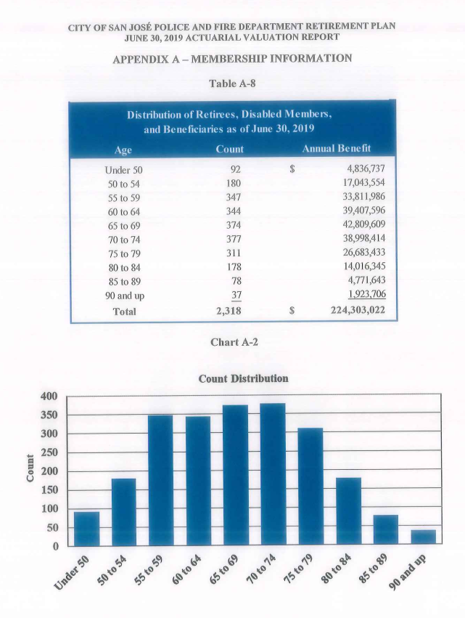
TOC
cell_range | D6:G16
grp_name | all
AV_date | 20190630

 |  |  | age.cell | agegrp | n_retirees | benefit_tot
 |  | under 50 | 47 | 45-49 | 92 | 4836737
 |  | 50 to 54 | 52 | 50-54 | 180 | 17043554
 |  | 55 to 59 | 57 | 55-59 | 347 | 33811986
 |  | 60 to 64 | 62 | 60-64 | 344 | 39407596
 |  | 65 to 69 | 67 | 65-69 | 374 | 42809609
 |  | 70 to 74 | 72 | 70-74 | 377 | 38998414
 |  | 75 to 79 | 77 | 75-79 | 311 | 26683433
 |  | 80 to 84 | 82 | 80-84 | 178 | 14016345
 |  | 85 to 89 | 87 | 85-89 | 78 | 4771643
 |  | 90 & up | 92 | 90-94 | 37 | 1923706

