targetVals_Funding
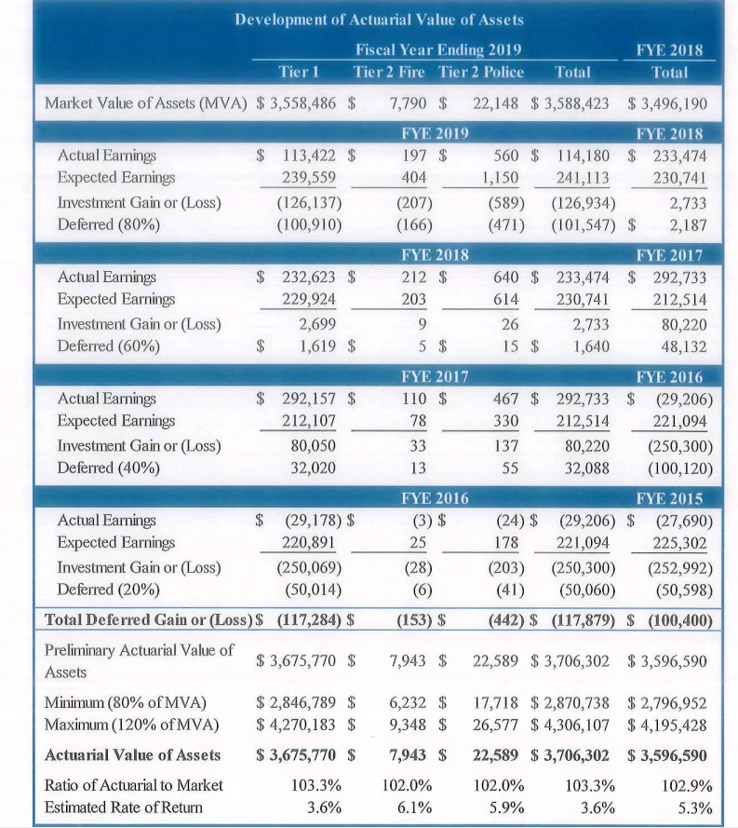
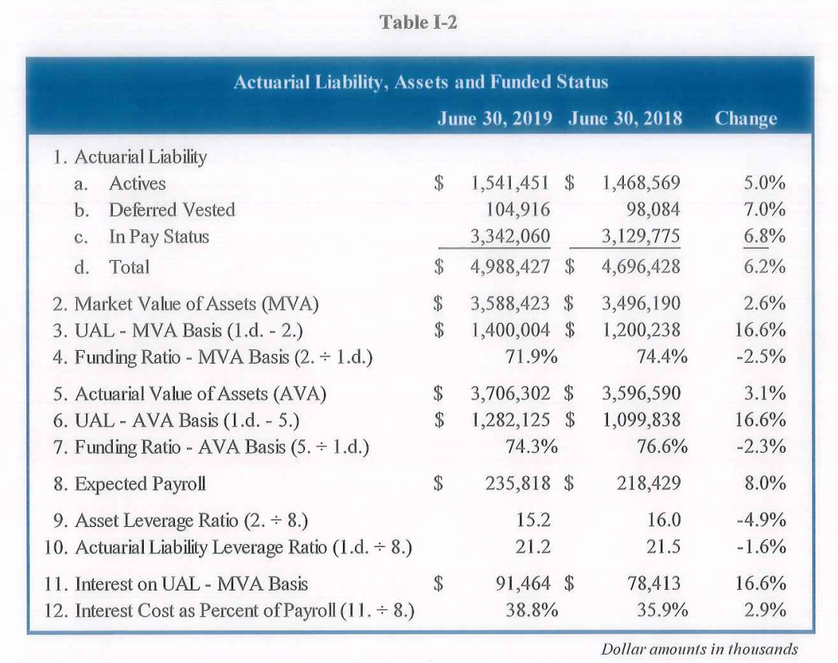
 | 2019-06-30
 | MVA | AVA | AL | FR_MVA | FR_AVA
PF tier 1 | 3558486 | 3675770 | 4957744 | 71.8% | 74.1%
PF tier 2 | 29938 | 30532 | 30683 | 97.6% | 99.5%
Total | 3588424 | 3706302 | 4988427 | 71.9% | 74.3%

