salScale
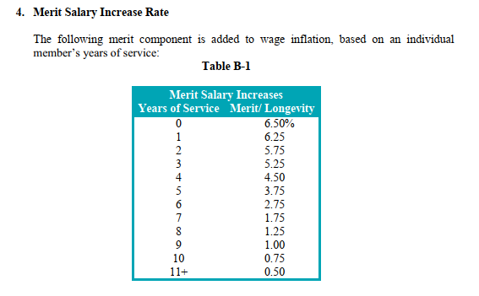
TOC
cell_range | C7:D19
var_name | salScale
grp_name | all

 |  | yos | salScale_merit
 |  | 0 | 0.065 | 6.50
 |  | 1 | 0.063 | 6.25
 |  | 2 | 0.058 | 5.75
 |  | 3 | 0.053 | 5.25
 |  | 4 | 0.045 | 4.50
 |  | 5 | 0.038 | 3.75
 |  | 6 | 0.028 | 2.75
 |  | 7 | 0.018 | 1.75
 |  | 8 | 0.013 | 1.25
 |  | 9 | 0.010 | 1.00
 |  | 10 | 0.008 | 0.75
 |  | 11 | 0.005 | 0.50

servRet_t1
TOC
cell_range | C6:F32
var_name | qxr
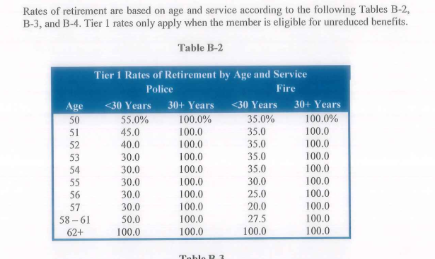
grp_name | regular

 |  | grp | age | yos_l30 | yos_ge30
 |  | police | 50 | 0.55 | 1
 |  | police | 51 | 0.45 | 1
 |  | police | 52 | 0.4 | 1
 |  | police | 53 | 0.3 | 1
 |  | police | 54 | 0.3 | 1
 |  | police | 55 | 0.3 | 1
 |  | police | 56 | 0.3 | 1
 |  | police | 57 | 0.3 | 1
 |  | police | 58 | 0.5 | 1
 |  | police | 59 | 0.5 | 1
 |  | police | 60 | 0.5 | 1
 |  | police | 61 | 0.5 | 1
 |  | police | 62 | 1 | 1
 |  | fire | 50 | 0.35 | 1
 |  | fire | 51 | 0.35 | 1
 |  | fire | 52 | 0.35 | 1
 |  | fire | 53 | 0.35 | 1
 |  | fire | 54 | 0.35 | 1
 |  | fire | 55 | 0.3 | 1
 |  | fire | 56 | 0.25 | 1
 |  | fire | 57 | 0.2 | 1
 |  | fire | 58 | 0.275 | 1
 |  | fire | 59 | 0.275 | 1
 |  | fire | 60 | 0.275 | 1
 |  | fire | 61 | 0.275 | 1
 |  | fire | 62 | 1 | 1

servRet_t2
TOC
cell_range | C6:H38
var_name | qxr
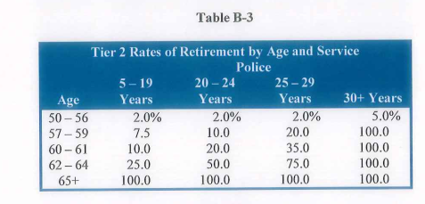
grp_name | special

 |  | grp | age | yos_5.19 | yos_20.24 | yos_25.29 | yos_30
 |  | police | 50 | 0.02 | 0.02 | 0.02 | 0.05
 |  | police | 51 | 0.02 | 0.02 | 0.02 | 0.05
 |  | police | 52 | 0.02 | 0.02 | 0.02 | 0.05
 |  | police | 53 | 0.02 | 0.02 | 0.02 | 0.05
 |  | police | 54 | 0.02 | 0.02 | 0.02 | 0.05
 |  | police | 55 | 0.02 | 0.02 | 0.02 | 0.05
 |  | police | 56 | 0.02 | 0.02 | 0.02 | 0.05
 |  | police | 57 | 0.075 | 0.1 | 0.2 | 1
 |  | police | 58 | 0.075 | 0.1 | 0.2 | 1
 |  | police | 59 | 0.075 | 0.1 | 0.2 | 1
 |  | police | 60 | 0.1 | 0.2 | 0.35 | 1
 |  | police | 61 | 0.1 | 0.2 | 0.35 | 1
 |  | police | 62 | 0.25 | 0.5 | 0.75 | 1
 |  | police | 63 | 0.25 | 0.5 | 0.75 | 1
 |  | police | 64 | 0.25 | 0.5 | 0.75 | 1
 |  | police | 65 | 1 | 1 | 1 | 1
 |  | fire | 50 | 0.01 | 0.01 | 0.01 | 0.025
 |  | fire | 51 | 0.01 | 0.01 | 0.01 | 0.025
 |  | fire | 52 | 0.01 | 0.01 | 0.01 | 0.025
 |  | fire | 53 | 0.01 | 0.01 | 0.01 | 0.025
 |  | fire | 54 | 0.01 | 0.01 | 0.01 | 0.025
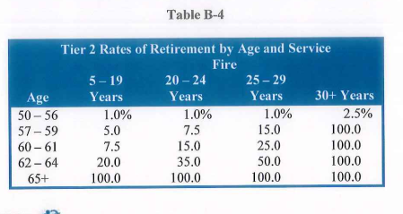
 |  | fire | 55 | 0.01 | 0.01 | 0.01 | 0.025
 |  | fire | 56 | 0.01 | 0.01 | 0.01 | 0.025
 |  | fire | 57 | 0.05 | 0.075 | 0.15 | 1
 |  | fire | 58 | 0.05 | 0.075 | 0.15 | 1
 |  | fire | 59 | 0.05 | 0.075 | 0.15 | 1
 |  | fire | 60 | 0.075 | 0.15 | 0.25 | 1
 |  | fire | 61 | 0.075 | 0.15 | 0.25 | 1
 |  | fire | 62 | 0.2 | 0.35 | 0.5 | 1
 |  | fire | 63 | 0.2 | 0.35 | 0.5 | 1
 |  | fire | 64 | 0.2 | 0.35 | 0.5 | 1
 |  | fire | 65 | 1 | 1 | 1 | 1

disbRet
TOC
cell_range | C6:E24
var_name | qxd
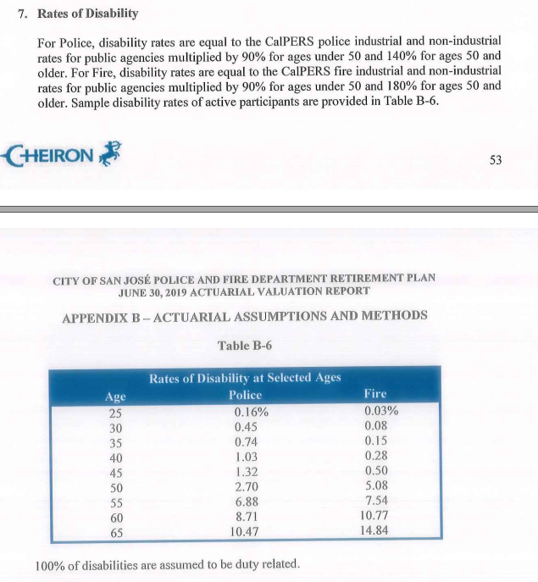
grp_name | all

 |  | grp | age | qxd
 |  | police | 25 | 0.0016
 |  | police | 30 | 0.0045
 |  | police | 35 | 0.0074
 |  | police | 40 | 0.0103
 |  | police | 45 | 0.0132
 |  | police | 50 | 0.027
 |  | police | 55 | 0.0688
 |  | police | 60 | 0.0871
 |  | police | 65 | 0.1047
 |  | fire | 25 | 0.0003
 |  | fire | 30 | 0.0008
 |  | fire | 35 | 0.0015
 |  | fire | 40 | 0.0028
 |  | fire | 45 | 0.005
 |  | fire | 50 | 0.0508
 |  | fire | 55 | 0.0754
 |  | fire | 60 | 0.1077
 |  | fire | 65 | 0.1484

disbRet_PERF
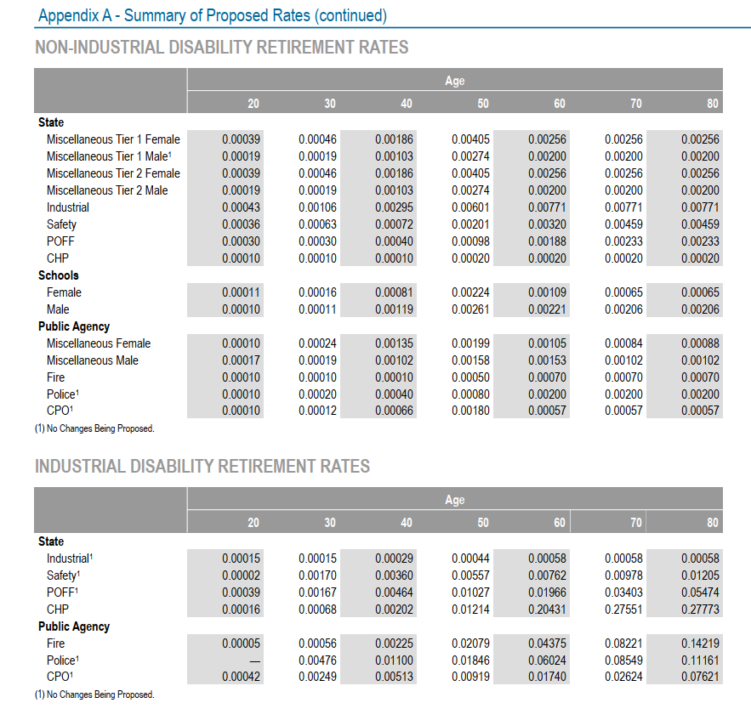
TOC
cell_range | C6:E27
var_name | qxd
grp_name | all

 |  | grp | age | qxd
 |  | perf_poff | 20 | 0.00039
 |  | perf_poff | 30 | 0.00167
 |  | perf_poff | 40 | 0.00464
 |  | perf_poff | 50 | 0.01027
 |  | perf_poff | 60 | 0.01966
 |  | perf_poff | 70 | 0.03403
 |  | perf_poff | 80 | 0.05474
 |  | perf_pa.fire | 20 | 0.00005
 |  | perf_pa.fire | 30 | 0.00056
 |  | perf_pa.fire | 40 | 0.00225
 |  | perf_pa.fire | 50 | 0.02079
 |  | perf_pa.fire | 60 | 0.04375
 |  | perf_pa.fire | 70 | 0.08221
 |  | perf_pa.fire | 80 | 0.14219
 |  | perf_pa.police | 20 | 0.00039 | use poff
 |  | perf_pa.police | 30 | 0.00476
 |  | perf_pa.police | 40 | 0.011
 |  | perf_pa.police | 50 | 0.01846
 |  | perf_pa.police | 60 | 0.06024
 |  | perf_pa.police | 70 | 0.08549
 |  | perf_pa.police | 80 | 0.11161

defrRet
TOC
cell_range | C6:E46
var_name | qxt
grp_name | all
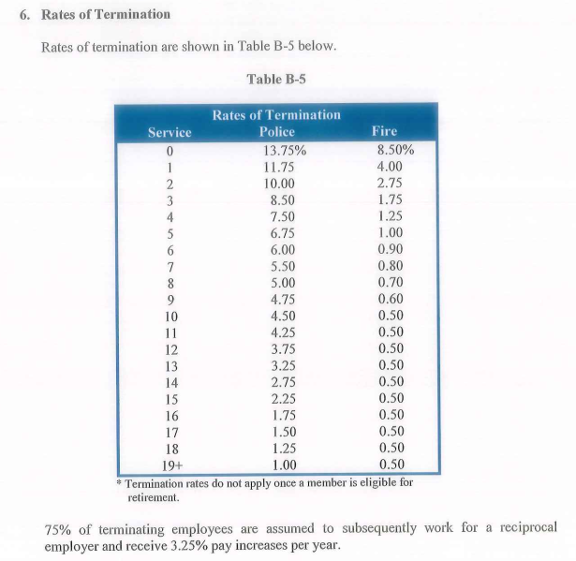
 |  | grp | yos | qxt
 |  | police | 0 | 0.1375
 |  | police | 1 | 0.1175
 |  | police | 2 | 0.1
 |  | police | 3 | 0.085
 |  | police | 4 | 0.075
 |  | police | 5 | 0.0675
 |  | police | 6 | 0.06
 |  | police | 7 | 0.055
 |  | police | 8 | 0.05
 |  | police | 9 | 0.0475
 |  | police | 10 | 0.045
 |  | police | 11 | 0.0425
 |  | police | 12 | 0.0375
 |  | police | 13 | 0.0325
 |  | police | 14 | 0.0275
 |  | police | 15 | 0.0225
 |  | police | 16 | 0.0175
 |  | police | 17 | 0.015
 |  | police | 18 | 0.0125
 |  | police | 19 | 0.01
 |  | fire | 0 | 0.085
 |  | fire | 1 | 0.04
 |  | fire | 2 | 0.0275
 |  | fire | 3 | 0.0175
 |  | fire | 4 | 0.0125
 |  | fire | 5 | 0.01
 |  | fire | 6 | 0.009
 |  | fire | 7 | 0.008
 |  | fire | 8 | 0.007
 |  | fire | 9 | 0.006
 |  | fire | 10 | 0.005
 |  | fire | 11 | 0.005
 |  | fire | 12 | 0.005
 |  | fire | 13 | 0.005
 |  | fire | 14 | 0.005
 |  | fire | 15 | 0.005
 |  | fire | 16 | 0.005
 |  | fire | 17 | 0.005
 |  | fire | 18 | 0.005
 |  | fire | 19 | 0.005

mortality_raw
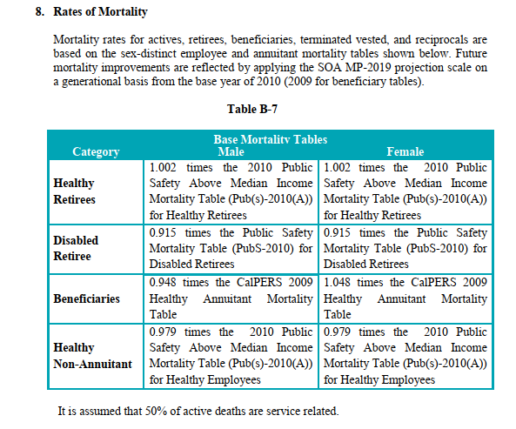
source AV2020 ep60

Note that mortality improvement is based on MP2019 in AV2020 for P&F, rather than MP2020 (which is used in the 2020 federated plan AV)

servRet_t2p_raw
AV2020 ep58 |  | no change from 2019

 |  |  | 5-19 | 20-24 | 25-29 | 30
 | type | age | yos_5.19 | yos_20.24 | yos_25.29 | yos_30
 | police | 55 | 0.02 | 0.02 | 0.02 | 0.05
 | police | 56 | 0.02 | 0.02 | 0.02 | 0.05 | 50 | - | 56 | 2.00 | 2.00 | 2.00 | 5.00
 | police | 57 | 0.075 | 0.1 | 0.2 | 1 | 57 | - | 59 | 7.5 | 10 | 20 | 100
 | police | 58 | 0.075 | 0.1 | 0.2 | 1 | 60 | - | 61 | 10 | 20 | 35 | 100
 | police | 59 | 0.075 | 0.1 | 0.2 | 1 | 62 | - | 64 | 25 | 50 | 75 | 100
 | police | 60 | 0.1 | 0.2 | 0.35 | 1 | 65 | + | 100 | 100 | 100 | 100 | 100
 | police | 61 | 0.1 | 0.2 | 0.35 | 1
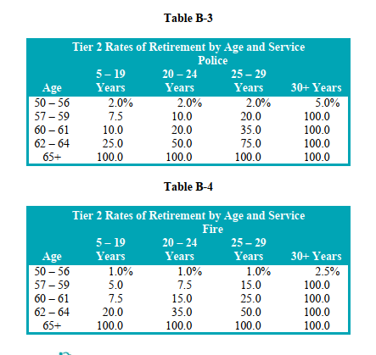
 | police | 62 | 0.25 | 0.5 | 0.75 | 1
 | police | 63 | 0.25 | 0.5 | 0.75 | 1
 | police | 64 | 0.25 | 0.5 | 0.75 | 1
 | police | 65 | 1 | 1 | 1 | 1
 | fire | 50 | 0.01 | 0.01 | 0.01 | 0.025
 | fire | 51 | 0.01 | 0.01 | 0.01 | 0.025
 | fire | 52 | 0.01 | 0.01 | 0.01 | 0.025
 | fire | 53 | 0.01 | 0.01 | 0.01 | 0.025
 | fire | 54 | 0.01 | 0.01 | 0.01 | 0.025
 | fire | 55 | 0.01 | 0.01 | 0.01 | 0.025
 | fire | 56 | 0.01 | 0.01 | 0.01 | 0.025
 | fire | 57 | 0.05 | 0.075 | 0.15 | 1
 | fire | 58 | 0.05 | 0.075 | 0.15 | 1
 | fire | 59 | 0.05 | 0.075 | 0.15 | 1
 | fire | 60 | 0.075 | 0.15 | 0.25 | 1
 | fire | 61 | 0.075 | 0.15 | 0.25 | 1
 | fire | 62 | 0.2 | 0.35 | 0.5 | 1
 | fire | 63 | 0.2 | 0.35 | 0.5 | 1
 | fire | 64 | 0.2 | 0.35 | 0.5 | 1
 | fire | 65 | 1 | 1 | 1 | 1

salScale_raw
AV2020 ep57 | no change from 2019

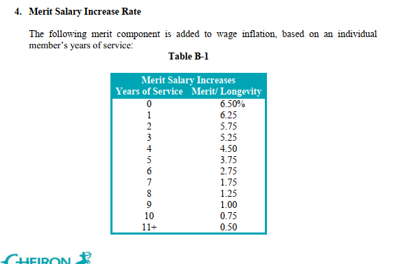
 | Merit Salary Increases
 | Years of Service | Merit/ Longevity
 | 0 | 6.50%
 | 1 | 6.25
 | 2 | 5.75
 | 3 | 5.25
 | 4 | 4.50
 | 5 | 3.75
 | 6 | 2.75
 | 7 | 1.75
 | 8 | 1.25
 | 9 | 1.00
 | 10 | 0.75
 | 11+ | 0.50

disbRet_raw
AV2020 ep59-60 |  | no change from 2019
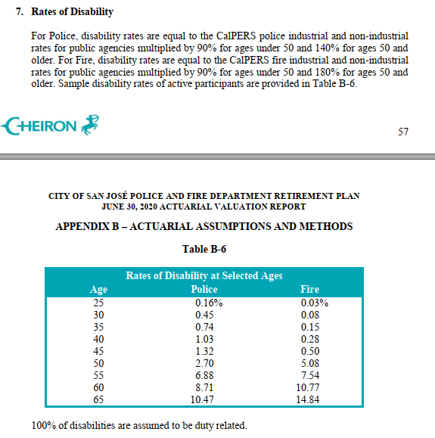

 |  | Rates of Disability at Selected Ages
 |  | Age Police Fire
 |  | 25 | 0.16% | 0.03%
 |  | 30 | 0.45 | 0.08
 |  | 35 | 0.74 | 0.15
 |  | 40 | 1.03 | 0.28
 |  | 45 | 1.32 | 0.50
 |  | 50 | 2.70 | 5.08
 |  | 55 | 6.88 | 7.54
 |  | 60 | 8.71 | 10.77
 |  | 65 | 10.47 | 14.84
 | grp | age | qxd
 | police | 25 | 0.0016
 | police | 30 | 0.0045
 | police | 35 | 0.0074
 | police | 40 | 0.0103
 | police | 45 | 0.0132
 | police | 50 | 0.027
 | police | 55 | 0.0688
 | police | 60 | 0.0871
 | police | 65 | 0.1047
 | fire | 25 | 0.0003
 | fire | 30 | 0.0008
 | fire | 35 | 0.0015
 | fire | 40 | 0.0028
 | fire | 45 | 0.005
 | fire | 50 | 0.0508
 | fire | 55 | 0.0754
 | fire | 60 | 0.1077
 | fire | 65 | 0.1484

defrRet_YOS_raw
Source AV2020 ep58 |  | no change from 2019

 | grp | yos | qxt | Service Police Fire
 | police | 0 | 0.1375 | 0 | 13.75 | 8.50
 | police | 1 | 0.1175 | 1 | 11.75 | 4.00
 | police | 2 | 0.1 | 2 | 10.00 | 2.75
 | police | 3 | 0.085 | 3 | 8.50 | 1.75
 | police | 4 | 0.075 | 4 | 7.50 | 1.25
 | police | 5 | 0.0675 | 5 | 6.75 | 1.00
 | police | 6 | 0.06 | 6 | 6.00 | 0.90
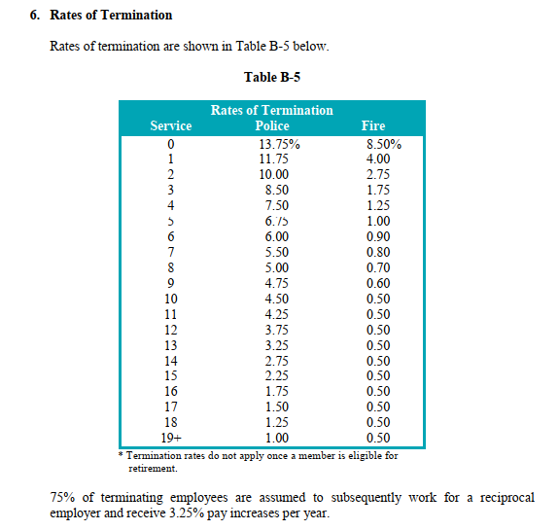
 | police | 7 | 0.055 | 7 | 5.50 | 0.80
 | police | 8 | 0.05 | 8 | 5.00 | 0.70
 | police | 9 | 0.0475 | 9 | 4.75 | 0.60
 | police | 10 | 0.045 | 10 | 4.50 | 0.50
 | police | 11 | 0.0425 | 11 | 4.25 | 0.50
 | police | 12 | 0.0375 | 12 | 3.75 | 0.50
 | police | 13 | 0.0325 | 13 | 3.25 | 0.50
 | police | 14 | 0.0275 | 14 | 2.75 | 0.50
 | police | 15 | 0.0225 | 15 | 2.25 | 0.50
 | police | 16 | 0.0175 | 16 | 1.75 | 0.50
 | police | 17 | 0.015 | 17 | 1.50 | 0.50
 | police | 18 | 0.0125 | 18 | 1.25 | 0.50
 | police | 19 | 0.01 | 19+ | 1.00 | 0.50
 | fire | 0 | 0.085
 | fire | 1 | 0.04
 | fire | 2 | 0.0275
 | fire | 3 | 0.0175
 | fire | 4 | 0.0125
 | fire | 5 | 0.01
 | fire | 6 | 0.009
 | fire | 7 | 0.008
 | fire | 8 | 0.007
 | fire | 9 | 0.006
 | fire | 10 | 0.005
 | fire | 11 | 0.005
 | fire | 12 | 0.005
 | fire | 13 | 0.005
 | fire | 14 | 0.005
 | fire | 15 | 0.005
 | fire | 16 | 0.005
 | fire | 17 | 0.005
 | fire | 18 | 0.005
 | fire | 19 | 0.005

