salScale
TOC
cell_range | C7:D23
var_name | salScale
grp_name | all

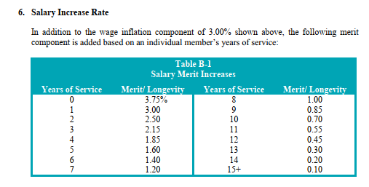
 |  | yos | salScale_merit
 |  | 0 | 0.038
 |  | 1 | 0.030
 |  | 2 | 0.025
 |  | 3 | 0.022
 |  | 4 | 0.019
 |  | 5 | 0.016
 |  | 6 | 0.014
 |  | 7 | 0.012
 |  | 8 | 0.010
 |  | 9 | 0.009
 |  | 10 | 0.007
 |  | 11 | 0.006
 |  | 12 | 0.0045
 |  | 13 | 0.003
 |  | 14 | 0.002
 |  | 15 | 0.001

servRet_t1
TOC
cell_range | C6:G27
var_name | qxr
grp_name | t1

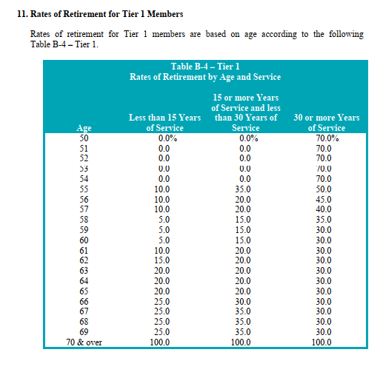
 |  | grp | age | yos_l15 | yos_15to29 | yos_ge30
 |  | t1 | 50 | 0 | 0 | 0.7
 |  | t1 | 51 | 0 | 0 | 0.7
 |  | t1 | 52 | 0 | 0 | 0.7
 |  | t1 | 53 | 0 | 0 | 0.7
 |  | t1 | 54 | 0 | 0 | 0.7
 |  | t1 | 55 | 0.1 | 0.35 | 0.5
 |  | t1 | 56 | 0.1 | 0.2 | 0.45
 |  | t1 | 57 | 0.1 | 0.2 | 0.4
 |  | t1 | 58 | 0.05 | 0.15 | 0.35
 |  | t1 | 59 | 0.05 | 0.15 | 0.3
 |  | t1 | 60 | 0.05 | 0.15 | 0.3
 |  | t1 | 61 | 0.1 | 0.2 | 0.3
 |  | t1 | 62 | 0.15 | 0.2 | 0.3
 |  | t1 | 63 | 0.2 | 0.2 | 0.3
 |  | t1 | 64 | 0.2 | 0.2 | 0.3
 |  | t1 | 65 | 0.2 | 0.2 | 0.3
 |  | t1 | 66 | 0.25 | 0.3 | 0.3
 |  | t1 | 67 | 0.25 | 0.35 | 0.3
 |  | t1 | 68 | 0.25 | 0.35 | 0.3
 |  | t1 | 69 | 0.25 | 0.35 | 0.3
 |  | t1 | 70 | 1 | 1 | 1

servRet_t2
TOC
cell_range | C6:I22
var_name | qxr
grp_name | t2

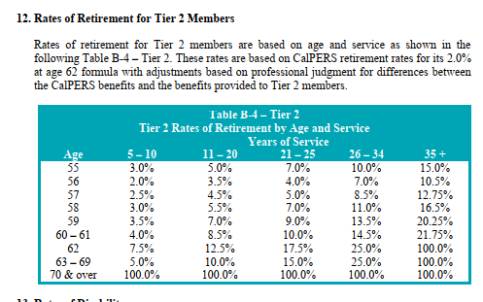
 |  | grp | age | yos_5.10 | yos_11.20 | yos_21.25 | yos_26.34 | yos_35
 |  | t2 | 55 | 0.03 | 0.05 | 0.07 | 0.1 | 0.15
 |  | t2 | 56 | 0.02 | 0.035 | 0.04 | 0.07 | 0.105
 |  | t2 | 57 | 0.025 | 0.045 | 0.05 | 0.085 | 0.1275
 |  | t2 | 58 | 0.03 | 0.055 | 0.07 | 0.11 | 0.165
 |  | t2 | 59 | 0.035 | 0.07 | 0.09 | 0.135 | 0.2025
 |  | t2 | 60 | 0.04 | 0.085 | 0.1 | 0.145 | 0.2175
 |  | t2 | 61 | 0.04 | 0.085 | 0.1 | 0.145 | 0.2175
 |  | t2 | 62 | 0.075 | 0.125 | 0.175 | 0.25 | 1
 |  | t2 | 63 | 0.05 | 0.1 | 0.15 | 0.25 | 1
 |  | t2 | 64 | 0.05 | 0.1 | 0.15 | 0.25 | 1
 |  | t2 | 65 | 0.05 | 0.1 | 0.15 | 0.25 | 1
 |  | t2 | 66 | 0.05 | 0.1 | 0.15 | 0.25 | 1
 |  | t2 | 67 | 0.05 | 0.1 | 0.15 | 0.25 | 1
 |  | t2 | 68 | 0.05 | 0.1 | 0.15 | 0.25 | 1
 |  | t2 | 69 | 0.05 | 0.1 | 0.15 | 0.25 | 1
 |  | t2 | 70 | 1 | 1 | 1 | 1 | 1

disbRet
TOC
cell_range | D6:E14
var_name | qxd
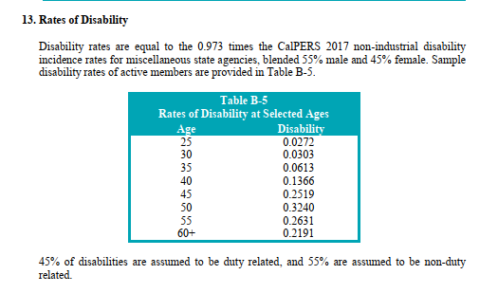
grp_name | all

 |  | age | qxd
 |  | 25 | 0.000272 | 0.0272
 |  | 30 | 0.000303 | 0.0303
 |  | 35 | 0.000613 | 0.0613
 |  | 40 | 0.001366 | 0.1366
 |  | 45 | 0.002519 | 0.2519
 |  | 50 | 0.00324 | 0.324
 |  | 55 | 0.002631 | 0.2631
 |  | 60 | 0.002191 | 0.2191

defrRet
TOC
cell_range | D6:E22
var_name | qxt
grp_name | all
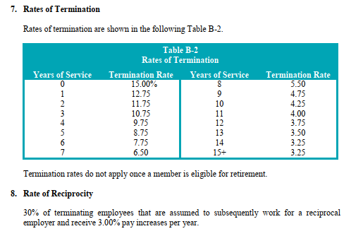
 |  | yos | qxt
 |  | 0 | 0.15
 |  | 1 | 0.1275
 |  | 2 | 0.1175
 |  | 3 | 0.1075
 |  | 4 | 0.0975
 |  | 5 | 0.0875
 |  | 6 | 0.0775
 |  | 7 | 0.065
 |  | 8 | 0.055
 |  | 9 | 0.0475
 |  | 10 | 0.0425
 |  | 11 | 0.04
 |  | 12 | 0.0375
 |  | 13 | 0.035
 |  | 14 | 0.0325
 |  | 15 | 0.0325

mortality_raw
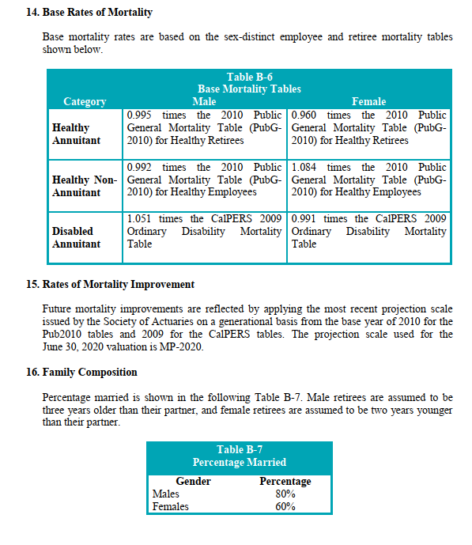
source AV2019 ep54

refund_raw
AV2020, ep 57

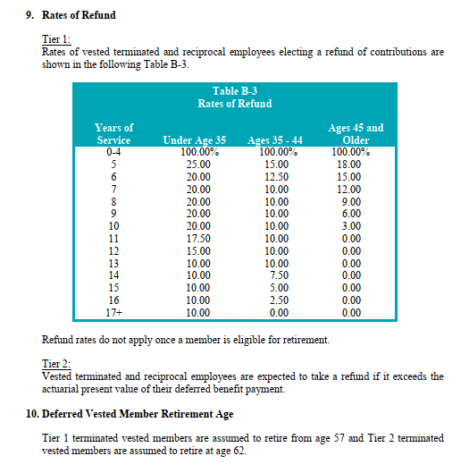
 | Table B-3
 | Rates of Refund

 | Years of Service | Under Age 35 | Ages 35 - 44 | Ages 45 and Older
 | 0-4 | 100.00 | 100.00 | 100.00
 | 5 | 25.00 | 15.00 | 18.00
 | 6 | 20.00 | 12.50 | 15.00
 | 7 | 20.00 | 10.00 | 12.00
 | 8 | 20.00 | 10.00 | 9.00
 | 9 | 20.00 | 10.00 | 6.00
 | 10 | 20.00 | 10.00 | 3.00
 | 11 | 17.50 | 10.00 | 0.00
 | 12 | 15.00 | 10.00 | 0.00
 | 13 | 10.00 | 10.00 | 0.00
 | 14 | 10.00 | 7.50 | 0.00
 | 15 | 10.00 | 5.00 | 0.00
 | 16 | 10.00 | 2.50 | 0.00
 | 17+ | 10.00 | 0.00 | 0.00

