About
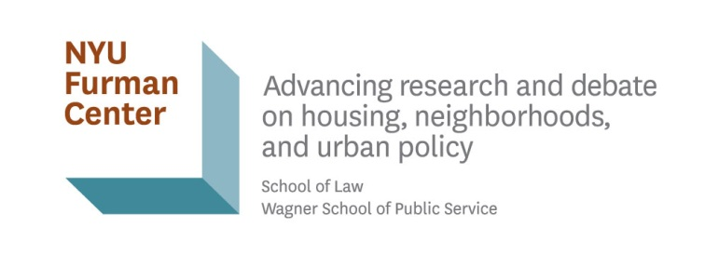

CoreData.nyc Data Profile

©NYU Furman Center 2020

Methods
https://furmancenter.org/coredata/userguide/methodology

For more New York City data and analysis:

State of New York City's Housing and Neighborhoods
https://furmancenter.org/stateofthecity

CoreData.nyc
http://coredata.nyc/

Join the NYU Furman Center's mailing list:
http://furmancenter.org/signup

For media or data inquiries, please contact:
Charles McNally
Director of External Affairs
charles.mcnally@nyu.edu
212-998-6492

