Main
PACIFIC EARTHQUAKE ENGINEERING RESEARCH CENTER

WEIGHTED AVERAGE of 2014 NGA WEST-2 GMPEs
Last updated: 04 14 15
by Emel Seyhan, PhD, PEER & UCLA -- email: emel.seyhan@gmail.com, peer_center@berkeley.edu
This excel file will be updated as necessary on the PEER website to fix any typos or other errors. Please check the website frequently for new versions at: http://peer.berkeley.edu/ngawest2/databases/
 |  |  |  |  |  |  | Legend | Pre-defined option | Main input variable | Calculated variable | Input var. flag | Internal variable
GMPE averaging | Geometric | Weighted average of the natural logarithm of the spectral values
 |  |  |  |  |  |  | ASK14 | Abrahamson & Silva & Kamai 2014 NGA West-2 Model
GMPEs | ASK14 | BSSA14 | CB14 | CY14 | I14 |  | BSSA14 | Boore & Stewart & Seyhan & Atkinson 2014 NGA West-2 Model
Weight | 0.25 | 0.25 | 0.25 | 0.25 | 0 |  | CB14 | Campbell & Bozorgnia 2014 NGA West-2 Model
 |  |  |  |  |  |  | CY14 | Chiou & Youngs 2014 NGA West-2 Model
# of std. dev. | 1 |  |  |  |  |  | I14 | Idriss 2014 NGA West-2 Model
Damping ratio (%) | 5 | Modification factors are calculated in Sheet DSF

 |  | RotD50 Horizontal Component of PGA, PGV and IMs
Input variables | Errors and warnings |  |  | Baseline: 5% Damping |  |  |  | User defined: 5% Damping
 |  | GMP | T (s) | PSa Median for 5% damping | PSa Median + 1.σ for 5% damping | PSa Median - 1.σ for 5% damping | Sd Median for 5% damping | PSa Median for 5% damping | PSa Median + 1.σ for 5 % damping | PSa Median - 1.σ for 5 % damping | Sd Median for 5 % damping
Mw |  | PSa (g), Sd (cm) | 0.01 | 0.34199 | 0.59623 | 0.19616 | 0.00085 | 0.34199 | 0.59623 | 0.19616 | 0.00085
8.1 |  |  | 0.02 | 0.34273 | 0.59809 | 0.19640 | 0.00340 | 0.34273 | 0.59809 | 0.19640 | 0.00340 |  | Pseudo Spectral Acceleration (5% damping) (g)
 |  |  | 0.03 | 0.35365 | 0.62055 | 0.20154 | 0.00790 | 0.35329 | 0.61993 | 0.20134 | 0.00789
RRUP (km) |  |  | 0.05 | 0.39810 | 0.70748 | 0.22402 | 0.02471 | 0.39810 | 0.70748 | 0.22402 | 0.02471
15.08 |  |  | 0.075 | 0.47432 | 0.85287 | 0.26379 | 0.06623 | 0.47574 | 0.85543 | 0.26458 | 0.06643
 |  |  | 0.1 | 0.54730 | 0.98457 | 0.30423 | 0.13586 | 0.54894 | 0.98753 | 0.30514 | 0.13627
RJB (km) |  |  | 0.15 | 0.66668 | 1.18542 | 0.37494 | 0.37236 | 0.66868 | 1.18898 | 0.37606 | 0.37348
15.08 |  |  | 0.2 | 0.74114 | 1.31634 | 0.41728 | 0.73591 | 0.74336 | 1.32029 | 0.41854 | 0.73812
 |  |  | 0.25 | 0.77909 | 1.39687 | 0.43453 | 1.20875 | 0.78065 | 1.39966 | 0.43540 | 1.21116
RX (km) |  |  | 0.3 | 0.79113 | 1.44664 | 0.43264 | 1.76748 | 0.79271 | 1.44953 | 0.43351 | 1.77101
15.08 |  |  | 0.4 | 0.76423 | 1.43769 | 0.40624 | 3.03534 | 0.76575 | 1.44056 | 0.40705 | 3.04141
 |  |  | 0.5 | 0.70921 | 1.36027 | 0.36976 | 4.40130 | 0.70992 | 1.36163 | 0.37013 | 4.40570
Ry0 (km) | If unknown use 999 |  | 0.75 | 0.55124 | 1.09474 | 0.27757 | 7.69712 | 0.55124 | 1.09474 | 0.27757 | 7.69712
999 |  |  | 1 | 0.44888 | 0.90410 | 0.22287 | 11.14298 | 0.44888 | 0.90410 | 0.22287 | 11.14298
 |  |  | 1.5 | 0.32592 | 0.66162 | 0.16055 | 18.20377 | 0.32625 | 0.66228 | 0.16071 | 18.22197
VS30 (m/sec) |  |  | 2 | 0.25073 | 0.51002 | 0.12326 | 24.89576 | 0.25022 | 0.50900 | 0.12301 | 24.84597
360 |  |  | 3 | 0.17817 | 0.36265 | 0.08753 | 39.80507 | 0.17817 | 0.36265 | 0.08753 | 39.80507
 |  |  | 4 | 0.13687 | 0.27587 | 0.06791 | 54.36167 | 0.13673 | 0.27559 | 0.06784 | 54.30731
U (BSSA13) | 1: Unspecified fault mech. |  | 5 | 0.10649 | 0.21495 | 0.05276 | 66.08923 | 0.10628 | 0.21452 | 0.05265 | 65.95705
0 |  |  | 7.5 | 0.06044 | 0.12148 | 0.03007 | 84.39258 | 0.06020 | 0.12100 | 0.02995 | 84.05501
 |  |  | 10 | 0.03631 | 0.07214 | 0.01827 | 90.12256 | 0.03612 | 0.07178 | 0.01818 | 89.67195
FRV | 1: reverse fault
0 |  | PGA (g) | 0 | 0.34035 | 0.59291 | 0.19538 | 0.00084 | 0.34035 | 0.59291 | 0.19538 | 0.00084
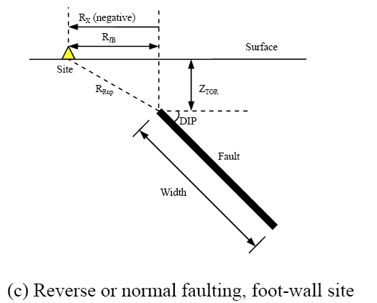
 |  | PGV (cm/s) | -1 | 51.37675 | 93.16717 | 28.33155 | 0.12754 | NA | NA | NA | NA
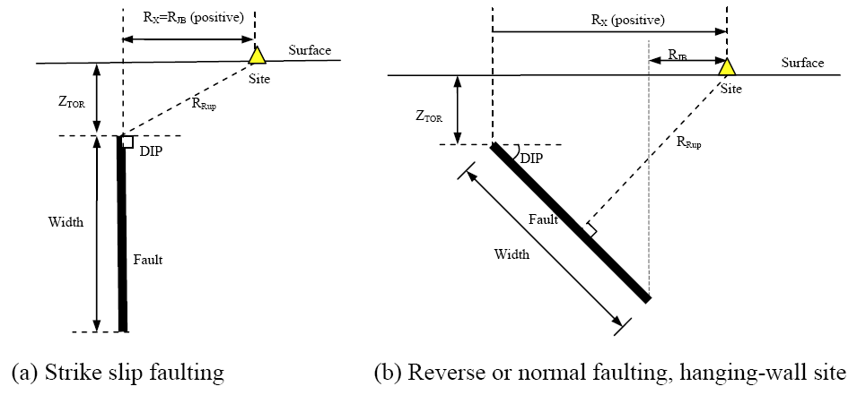
FNM | 1: normal fault
0

FHW | 1: hanging wall side
0

Dip (deg)
90

ZTOR (km) | If unknown use 999
0.3

ZHYP (km) | If unknown use 999
999
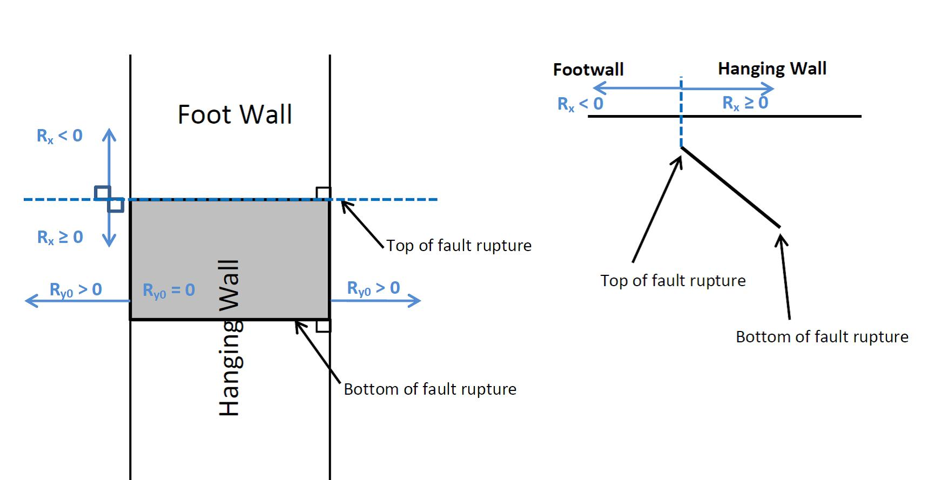
Courtesy: Jennifer Donahue
Z1.0 (km) | If unknown use 999
0.5

Z2.5 (km) | If unknown use 999
2.52

W (km) | If unknown use 999
13

Vs30Flag
inferred | Choose options for Vs30 from the list

FAS |  |  |  |  | Definition of Parameters
no | Aftershock effect is not applicable. |  |  |  | Damping ratio | = Viscous damping ratio (%) See Sanaz et al. (2012) PEER Report
 |  |  |  |  | PSA | = Pseudo-absolute acceleration response spectrum (g)
Region |  |  |  |  | PGA | = Peak ground acceleration (g)
California | Choose region from the list |  |  |  | PGV | = Peak ground velocity (cm/s)
 |  |  |  |  | Sd | = Relative displacement response spectrum (cm)
Calculated Variables/Flags |  |  |  |  | Mw | = Moment magnitude
 |  |  |  |  | RRUP | = Closest distance to coseismic rupture (km), used in ASK13, CB13 and CY13. See Figures a, b and c for illustation
DDPP | Always 0 for median calcs. |  |  |  | RJB | = Closest distance to surface projection of coseismic rupture (km). See Figures a, b and c for illustation
0 |  |  |  |  | RX | = Horizontal distance from top of rupture measured perpendicular to fault strike (km). See Figures a, b and c for illustation
 |  |  |  |  | Ry0 | = The horizontal distance off the end of the rupture measured parallel to strike (km)
PGAr (g) |  |  |  |  | VS30 | = The average shear-wave velocity (m/s) over a subsurface depth of 30 m
0.276 |  |  |  |  | U | = Unspecified-mechanism factor: 1 for unspecified; 0 otherwise
 |  |  |  |  | FRV | = Reverse-faulting factor: 0 for strike slip, normal, normal-oblique; 1 for reverse, reverse-oblique and thrust
ZBOT (km) (CB14) | Enter for default W calcs |  |  |  | FNM | = Normal-faulting factor: 0 for strike slip, reverse, reverse-oblique, thrust and normal-oblique; 1 for normal
15 |  |  |  |  | FHW | = Hanging-wall factor: 1 for site on down-dip side of top of rupture; 0 otherwise
 |  |  |  |  | Dip | = Average dip of rupture plane (degrees)
SS |  |  |  |  | ZTOR | = Depth to top of coseismic rupture (km)
1 | auto calculated |  |  |  | ZHYP | = Hypocentral depth from the earthquake
 |  |  |  |  | Z1.0 | = Depth to Vs=1 km/sec
Vs30Flag |  |  |  |  | Z2.5 | = Depth to Vs=2.5 km/sec
0 | inferred |  |  |  | W | = Fault rupture width (km)
 |  |  |  |  | Vs30flag | = 1 for measured, 0 for inferred Vs30
FAS |  |  |  |  | FAS | = 0 for mainshock; 1 for aftershock
0 | Aftershock effect is not applicable. |  |  |  | Region | = Specific regions considered in the models, Click on Region to see codes
 |  |  |  |  | DDPP | = Directivity term, direct point parameter; uses 0 for median predictions
Region |  |  |  |  | PGAr (g) | = Peak ground acceleration on rock (g), this specific cell is updated in the cell for BSSA14 and CB14, for others it is taken account for in the macros
0 | California |  |  |  | ZBOT (km) | = The depth to the bottom of the seismogenic crust
 |  |  |  |  | ZBOR(km) | = The depth to the bottom of the rupture plane
Option for Sa value |  |  |  |  | SS | = 1 for strike slip, automatically updated in the cell
1 | Weighted average of the natural logarithm of the spectral values

Input variables with defaults (If entered 999 as input):
 |  | Red colored value: The value is used in the code when input is unknown
DEFAULTs | USER defined | ASK14 | BSSA14 | CB14 | CY14 | I14
W (km) | 13.00 |  |  | 15.000
Z1.0 (km) | 0.500 | 0.500 |  |  | 0.402
dZ1.0 (km) | 0.097 |  | 0.097
Z2.5 (VS30=1100)(km) | 2.520 |  |  | 0.398
Z2.5 (VS30)(km) | 2.520 |  |  | 1.427
Zhyp (km) | 999.00 |  |  | 10.227
Ztor (km) | 0.30 |  |  | 0.000 | 0.000
ZBOR (km) | - |  |  | 15.000

ACKNOWLEDGEMENTS
Nick Gregor, Bechtel
Silvia Mazzoni, Consultant
Sanaz Rezaeian, USGS

All NGA West-2 participants are acknowledged for their constructive comments and feedback.

ASK14
ABRAHAMSON - SILVA - KAMAI NGA-WEST2 MODEL COEFFICIENTS [ASK14] (EQS 2014) & Dec13 Revisions (Kamai, pers. comm.):

Input variables | Errors and warnings |  |  | ASK_14 (M, Rrup, Rjb, Rx, Frv, Fnm, Fhw, FAS, Ztor, W, dip, Vs30, Z1, Ry0, Region, T)
 |  |  |  | Visual Basic Calculations
M |  | GMP | T (s) | Median | s
8.10 |  | PSa (g) | 0.01 | 0.3316 | 0.5767
 |  |  | 0.02 | 0.3345 | 0.5726
RRUP |  |  | 0.03 | 0.3346 | 0.5573
15.08 |  |  | 0.05 | 0.3623 | 0.5414
 |  |  | 0.075 | 0.4357 | 0.5316
RJB |  |  | 0.1 | 0.5244 | 0.5301
15.08 |  |  | 0.15 | 0.7257 | 0.5379
 |  |  | 0.2 | 0.8801 | 0.5647
RX |  |  | 0.25 | 0.9511 | 0.6007
15.08 |  |  | 0.3 | 0.9694 | 0.6409
 |  |  | 0.4 | 0.9115 | 0.6912
Ry0 |  |  | 0.5 | 0.8054 | 0.6997
999 |  |  | 0.75 | 0.6033 | 0.7126
 |  |  | 1 | 0.4680 | 0.7256
VS30 |  |  | 1.5 | 0.3214 | 0.7343
360 |  |  | 2 | 0.2320 | 0.7430
 |  |  | 3 | 0.1539 | 0.7343
FRV |  |  | 4 | 0.1174 | 0.7256
0 |  |  | 5 | 0.0936 | 0.7256
 |  |  | 7.5 | 0.0601 | 0.7256
FNM |  |  | 10 | 0.0411 | 0.7256
0
 |  | PGA (g) | 0 | 0.3316 | 0.5767
FHW |  | PGV (cm/s) | -1 | 47.3290 | 0.6360
0

d
90

ZTOR
0.3000

Z1.0
0.50

Z1.0 (AS calc)
0.500 | <- DEFAULT

W
13.00

Vs30flag | 1 if measured
0

FAS
0 | Aftershock effect is turned off.

Region
0

Input variables with defaults (If entered 999 as input):

Z1.0 (ASK calc)
0.500

BSSA14
BOORE - STEWART - SEYHAN - ATKINSON - NGA-WEST2 MODEL COEFFICIENTS [BSSA14] (EQS 2013) & sigma updates:

Input variables | Errors and warnings |  |  | BSSA_14 (M, Rjb, U, RS, NS, Vs30, Region, Z1, PGAr, T)
 |  |  |  | Visual Basic Calculations
M |  | GMP | T (s) | Median | s
8.10 |  | PSa (g) | 0.01 | 0.3618 | 0.6067
 |  |  | 0.020 | 0.3534 | 0.6097
RRUP (km) |  |  | 0.030 | 0.3604 | 0.6298
15.08 |  |  | 0.050 | 0.3967 | 0.6815
 |  |  | 0.075 | 0.4587 | 0.7148
RJB (km) |  |  | 0.10 | 0.5237 | 0.7088
15.08 |  |  | 0.15 | 0.6299 | 0.6625
 |  |  | 0.20 | 0.6894 | 0.6213
VS30 (m/s) |  |  | 0.25 | 0.6984 | 0.6082
360 |  |  | 0.30 | 0.6988 | 0.6059
 |  |  | 0.40 | 0.6620 | 0.6168
U | 0: Specified fault mech. |  | 0.50 | 0.6218 | 0.6395
0 |  |  | 0.75 | 0.4962 | 0.6765
 |  |  | 1.0 | 0.4221 | 0.6924
FRV |  |  | 1.5 | 0.3286 | 0.6945
0 |  |  | 2.0 | 0.2694 | 0.7001
 |  |  | 3.0 | 0.2170 | 0.7082
FNM |  |  | 4.0 | 0.1880 | 0.7080
0 |  |  | 5.0 | 0.1638 | 0.7065
 |  |  | 7.5 | 0.1141 | 0.6891
Z1 (km) | If unknown use 999 |  | 10.0 | 0.0764 | 0.6496
0.50
 |  | PGA (g) | 0 | 0.3580 | 0.6051
Region |  | PGV (cm/s) | -1 | 54.3143 | 0.6515
0

SS
1 | Auto calculated

Input variables with defaults (If entered 999 as input):

PGAr (g)
0.2755

dz1 | 0: DEFAULT
0.09728

Definition of Parameters

PSA
PGA
PGV
A1100
M
RRUP
RJB
RX
FRV
FNM
ZHYP
ZTOR
ZBOR
ZBOT
W
d
VS30
Z2.5
SJ
SJP
SCH

CB14
CAMPBELL-BOZORGNIA NGA-WEST2 MODEL COEFFICIENTS [CB14] (EQS 2013) & c0 updates:

Input variables | Errors and warnings |  |  | CB_14 (M, Rrup, Rjb, Rx, Frv, Fnm, Fhw,Ztor, W, del, Vs30, Z25, Zhyp, Wd, Zhypd, Region, A, T)
 |  |  |  | Visual Basic Calculations
M |  | GMP | T (s) | Median | s
8.10 |  | PSa (g) | 0.01 | 0.3003 | 0.5084
 |  |  | 0.020 | 0.3055 | 0.5100
RRUP |  |  | 0.030 | 0.3268 | 0.5165
15.08 |  |  | 0.050 | 0.3811 | 0.5288
 |  |  | 0.075 | 0.4482 | 0.5579
RJB |  |  | 0.10 | 0.4981 | 0.5674
15.08 |  |  | 0.15 | 0.5585 | 0.5495
 |  |  | 0.20 | 0.5848 | 0.5456
RX |  |  | 0.25 | 0.6247 | 0.5466
15.08 |  |  | 0.30 | 0.6493 | 0.5752
 |  |  | 0.40 | 0.6634 | 0.6080
VS30 |  |  | 0.50 | 0.6318 | 0.6388
360 |  |  | 0.75 | 0.4878 | 0.7014
 |  |  | 1.0 | 0.4148 | 0.7146
FRV |  |  | 1.5 | 0.3276 | 0.7206
0 |  |  | 2.0 | 0.2621 | 0.7106
 |  |  | 3.0 | 0.1951 | 0.7127
FNM |  |  | 4.0 | 0.1520 | 0.6833
0 |  |  | 5.0 | 0.1157 | 0.6934
 |  |  | 7.5 | 0.0551 | 0.7000
FHW |  |  | 10.0 | 0.0267 | 0.6976
0
 |  | PGA (g) | 0 | 0.2977 | 0.5068
d |  | PGV (cm/s) | -1 | 58.9851 | 0.5683
90

ZTOR | If unknown use 999
0.30

ZHYP | If unknown use 999
999.0000

Z2.5 | If unknown use 999
2.5200

W | If unknown use 999
13.0000

ZBOT
15.00

Region
0

Z2.5 (Vs30=1100)
2.5200

Input variables with defaults (If entered 999 as input):

A1100
0.2698

Z2.5 (Vs30) | Default
1.4266

ZTOR (M,F)
0.0000

Z2.5 (Vs30=1100)
0.3975

ZHYP ( M,ZBOR,ZTOR,d)
10.2267

W (M,ZBOT,ZTOR,d)
15.0000

ZBOR (W,d)
15.0000

CY14
CHIOU - YOUNGS NGA-WEST2 MODEL COEFFICIENTS [CY14] (DEC 2014, EQS):

Input variables | Errors and warnings |  |  | CY_14 (M, Rrup, Rjb, Rx, Vs30, Frv, Fnm, Fhw, del, Ztor, Region, Z1, DDPP, T)
 |  |  |  | Visual Basic Calculations
M |  | GMP | T (s) | Median | s
8.10 |  | PSa (g) | 0.010 | 0.3796 | 0.5316
 |  |  | 0.020 | 0.3820 | 0.5348
RRUP |  |  | 0.030 | 0.3969 | 0.5456
15.08 |  |  | 0.050 | 0.4585 | 0.5482
 |  |  | 0.075 | 0.5650 | 0.5427
RJB |  |  | 0.10 | 0.6560 | 0.5425
15.08 |  |  | 0.15 | 0.7738 | 0.5523
 |  |  | 0.20 | 0.8503 | 0.5661
RX |  |  | 0.25 | 0.8877 | 0.5798
15.08 |  |  | 0.30 | 0.8906 | 0.5921
 |  |  | 0.40 | 0.8521 | 0.6117
VS30 |  |  | 0.5 | 0.7996 | 0.6272
360 |  |  | 0.8 | 0.6324 | 0.6539
 |  |  | 1.0 | 0.4955 | 0.6681
FRV |  |  | 1.5 | 0.3262 | 0.6827
0 |  |  | 2.0 | 0.2412 | 0.6866
 |  |  | 3.0 | 0.1547 | 0.6876
FNM |  |  | 4.0 | 0.1047 | 0.6867
0 |  |  | 5.0 | 0.0725 | 0.6838
 |  |  | 7.5 | 0.0353 | 0.6778
FHW |  |  | 10.0 | 0.0207 | 0.6736
0
 |  | PGA (g) | 0 | 0.3796 | 0.5316
d |  | PGV (cm/s) | -1 | 45.9497 | 0.5251
90

ZTOR
0.3000

Z1.0 | If unknown use 999
0.500

Vs30flag
0

Region
0

DDPP
0

SJp-It
0

SWn
0

Input variables with defaults (If entered 999 as input):

ZTOR (M,F)
0.0000

Z1.0 (SJ,VS30)
0.4025

I14
IDRISS NGA-WEST2 MODEL COEFFICIENTS [I14] (MAY 2013, PEER REPORT 2013/08):

Input variables | Errors and warnings |  |  | I_14 (M, Rrup, F, Vs30, T)
 |  |  |  | Visual Basic Calculations
M |  | GMP | T (s) | Median | s
8.10 |  | PSa (g) | 0.010 | 0.6950 | 0.6251
 |  |  | 0.020 | 0.7140 | 0.6251
Rrup(km) |  |  | 0.030 | 0.7836 | 0.6251
15.08 |  |  | 0.050 | 0.7109 | 0.6251
 |  |  | 0.075 | 0.9018 | 0.6393
VS30 (m/s) |  |  | 0.10 | 1.0954 | 0.6494
360 | ! Not Applicable ! |  | 0.15 | 1.3114 | 0.6636
 |  |  | 0.20 | 1.2220 | 0.6737
F |  |  | 0.25 | 1.0989 | 0.6815
0 |  |  | 0.30 | 0.9154 | 0.6879
 |  |  | 0.40 | 0.7519 | 0.6979
 |  |  | 0.50 | 0.6726 | 0.7057
 |  |  | 0.75 | 0.4265 | 0.7199
 |  |  | 1.0 | 0.3203 | 0.7300
 |  |  | 1.5 | 0.1972 | 0.7442
 |  |  | 2.0 | 0.1523 | 0.7543
 |  |  | 3.0 | 0.1447 | 0.7685
 |  |  | 4.0 | 0.1255 | 0.7685
 |  |  | 5.0 | 0.1248 | 0.7685
 |  |  | 7.5 | 0.0943 | 0.7685
 |  |  | 10.0 | 0.0628 | 0.7685

 |  | PGA (g) | 0 | 0.6950 | 0.6251
 |  | PGV (cm/s) | -1 | - | -

DSF
 | By: Sanaz Rezaeian (sanazr128@yahoo.com)
 | I.M. Idriss, Yousef Bozorgnia, Ken Campbell, Norm Abrahamson, Walt Silva

Damping Scaling Factor (DSF) calculation:

Definition:
DSF = (Pseudo-Spectral Acceleration for beta damping) / (Pseudo-Spectral Acceleration for 5% damping)

Model:
ln(DSF) = [ b0 + b1*ln(beta) + b2*((ln(beta))^2) ] + [ b3 + b4*ln(beta) + b5*((ln(beta))^2) ] * M + [ b6 + b7*ln(beta) + b8*((ln(beta))^2) ] * ln(Rrup+1) + epsilon
Stdv (ln(DSF)) = abs [ a0*ln(beta/5) + a1*((ln(beta/5))^2) ]

For the use of DSF in Main Sheet: It is assumed that standard deviation of GMPE is the same for 5% and B%

User Defined Parameters:
M= | 8.10 | (moment magnitude)
Rrup= | 15.08 | (closest distance, km)
beta= | 5 | (damping ratio, %)

T | b0 | b1 | b2 | b3 | b4 | b5 | b6 | b7 | b8 | a0 | a1 | SE of sigma | const. | M term | R term | ln(DSF) | DSF | if beta<=5 | if beta>5 | Stdv
0.01 | 1.73E-03 | -2.07E-04 | -6.29E-04 | 1.08E-06 | -8.24E-05 | 7.36E-05 | -1.07E-03 | 9.08E-04 | -2.02E-04 | -3.70E-03 | 2.30E-04 | 1.88E-04 | -2.32E-04 | 4.79E-04 | -0.0003662763018 | -1.20E-04 | 1 | 0.000 | 0.000 | 0.000
0.02 | 5.53E-02 | -3.77E-02 | 2.15E-03 | -4.30E-03 | 3.21E-03 | -3.32E-04 | -4.75E-03 | 2.52E-03 | 2.29E-04 | -2.19E-02 | 2.11E-03 | 4.99E-04 | 1.93E-04 | 5.12E-05 | -0.00028064619582 | -3.61E-05 | 1 | 0.000 | 0.000 | 0.000
0.03 | 1.22E-01 | -7.02E-02 | -2.28E-03 | -3.21E-03 | 6.91E-05 | 9.82E-04 | -1.30E-02 | 7.82E-03 | 2.27E-04 | -5.21E-02 | 4.60E-03 | 1.04E-03 | 3.11E-03 | -4.50E-03 | 0.00048274385086 | -9.02E-04 | 0.999 | 0.000 | 0.000 | 0.000
0.05 | 2.39E-01 | -1.06E-01 | -2.63E-02 | -8.57E-04 | -7.43E-03 | 4.87E-03 | -1.69E-02 | 8.08E-03 | 1.71E-03 | -9.57E-02 | 1.31E-03 | 4.70E-03 | 2.75E-04 | -1.62E-03 | 0.0014822672004 | 1.34E-04 | 1 | 0.000 | 0.000 | 0.000
0.075 | 3.05E-01 | -7.32E-02 | -7.29E-02 | 2.02E-04 | -1.64E-02 | 1.03E-02 | -9.26E-04 | -6.40E-03 | 4.42E-03 | -1.21E-01 | -5.79E-03 | 4.60E-03 | -1.64E-03 | 3.95E-03 | 0.00061851318727 | 2.92E-03 | 1.003 | 0.000 | 0.000 | 0.000
0.1 | 2.69E-01 | 4.18E-03 | -1.07E-01 | 5.80E-03 | -2.49E-02 | 1.34E-02 | 2.35E-02 | -2.37E-02 | 5.84E-03 | -1.24E-01 | -1.08E-02 | 3.80E-03 | -1.43E-03 | 3.52E-03 | 0.0013432841447 | 3.43E-03 | 1.003 | 0.000 | 0.000 | 0.000
0.15 | 1.41E-01 | 1.00E-01 | -1.18E-01 | 3.01E-02 | -4.09E-02 | 1.41E-02 | 3.16E-02 | -2.47E-02 | 3.15E-03 | -1.15E-01 | -1.14E-02 | 3.97E-03 | -3.71E-03 | 6.46E-03 | 1.7494019457E-05 | 2.76E-03 | 1.003 | 0.000 | 0.000 | 0.000
0.2 | 5.01E-02 | 1.45E-01 | -1.11E-01 | 4.69E-02 | -4.77E-02 | 1.18E-02 | 3.10E-02 | -2.29E-02 | 2.41E-03 | -1.08E-01 | -8.85E-03 | 4.64E-03 | -4.05E-03 | 5.63E-03 | 0.0010734544949 | 2.65E-03 | 1.003 | 0.000 | 0.000 | 0.000
0.25 | 2.28E-02 | 1.43E-01 | -9.73E-02 | 5.20E-02 | -4.70E-02 | 9.47E-03 | 2.71E-02 | -2.02E-02 | 1.31E-03 | -1.04E-01 | -7.35E-03 | 4.66E-03 | 9.14E-04 | 7.18E-03 | -0.0056033862922 | 2.49E-03 | 1.002 | 0.000 | 0.000 | 0.000
0.3 | -1.58E-02 | 1.48E-01 | -8.83E-02 | 5.21E-02 | -4.36E-02 | 7.33E-03 | 3.87E-02 | -2.66E-02 | 1.76E-03 | -1.01E-01 | -6.90E-03 | 5.31E-03 | -6.33E-03 | 7.41E-03 | 0.0012439725901 | 2.33E-03 | 1.002 | 0.000 | 0.000 | 0.000
0.4 | 2.24E-02 | 1.03E-01 | -7.41E-02 | 4.63E-02 | -3.58E-02 | 4.65E-03 | 3.63E-02 | -2.45E-02 | 1.18E-03 | -1.02E-01 | -6.71E-03 | 6.21E-03 | -3.77E-03 | 5.89E-03 | -0.00020744658785 | 1.91E-03 | 1.002 | 0.000 | 0.000 | 0.000
0.5 | 3.19E-02 | 7.04E-02 | -5.57E-02 | 4.25E-02 | -2.94E-02 | 1.88E-03 | 3.87E-02 | -2.47E-02 | 3.13E-04 | -1.01E-01 | -6.22E-03 | 7.13E-03 | 9.25E-04 | 4.23E-04 | -0.00067316100587 | 6.75E-04 | 1.001 | 0.000 | 0.000 | 0.000
0.75 | 1.04E-02 | 5.33E-02 | -3.72E-02 | 4.47E-02 | -2.40E-02 | -2.40E-03 | 3.47E-02 | -2.59E-02 | 2.90E-03 | -1.01E-01 | -5.86E-03 | 6.85E-03 | -1.76E-04 | -1.16E-03 | 0.0014648943062 | 1.29E-04 | 1 | 0.000 | 0.000 | 0.000
1 | -8.84E-02 | 8.92E-02 | -2.14E-02 | 4.98E-02 | -2.36E-02 | -4.70E-03 | 5.02E-02 | -3.43E-02 | 2.32E-03 | -1.02E-01 | -7.31E-03 | 6.66E-03 | -2.70E-04 | -2.89E-03 | 0.002793556542 | -3.69E-04 | 1 | 0.000 | 0.000 | 0.000
1.5 | -1.57E-01 | 9.33E-02 | 3.28E-03 | 5.85E-02 | -2.36E-02 | -8.02E-03 | 4.81E-02 | -3.30E-02 | 2.10E-03 | -1.02E-01 | -8.75E-03 | 6.66E-03 | 1.66E-03 | -2.08E-03 | 0.0011892434895 | 7.65E-04 | 1.001 | 0.000 | 0.000 | 0.000
2 | -2.96E-01 | 1.50E-01 | 2.09E-02 | 7.30E-02 | -2.96E-02 | -9.95E-03 | 5.24E-02 | -3.32E-02 | 6.86E-04 | -1.03E-01 | -9.22E-03 | 6.04E-03 | -4.47E-04 | -3.34E-03 | 0.002065407147 | -1.73E-03 | 0.998 | 0.000 | 0.000 | 0.000
3 | -4.07E-01 | 1.97E-01 | 3.28E-02 | 8.35E-02 | -3.54E-02 | -1.01E-02 | 5.57E-02 | -2.91E-02 | -3.17E-03 | -9.63E-02 | -1.07E-02 | 6.03E-03 | -4.98E-03 | 2.95E-03 | 0.0018169131803 | -2.14E-04 | 1 | 0.000 | 0.000 | 0.000
4 | -4.49E-01 | 2.07E-01 | 4.42E-02 | 8.75E-02 | -3.59E-02 | -1.14E-02 | 5.07E-02 | -2.43E-02 | -4.67E-03 | -9.83E-02 | -1.37E-02 | 3.37E-03 | -1.36E-03 | 1.55E-03 | -0.0014054464012 | -1.21E-03 | 0.999 | 0.000 | 0.000 | 0.000
5 | -4.98E-01 | 2.17E-01 | 5.36E-02 | 9.03E-02 | -3.48E-02 | -1.29E-02 | 5.19E-02 | -2.30E-02 | -5.68E-03 | -9.42E-02 | -1.53E-02 | 2.99E-03 | -9.91E-03 | 7.10E-03 | 0.00047240621625 | -2.34E-03 | 0.998 | 0.000 | 0.000 | 0.000
7.5 | -5.25E-01 | 2.06E-01 | 7.79E-02 | 9.88E-02 | -3.76E-02 | -1.51E-02 | 2.91E-02 | -4.93E-03 | -9.02E-03 | -8.95E-02 | -1.63E-02 | 2.59E-03 | 8.33E-03 | -6.71E-03 | -0.0061077464978 | -4.49E-03 | 0.996 | 0.000 | 0.000 | 0.000
10 | -3.89E-01 | 1.43E-01 | 6.12E-02 | 7.14E-02 | -2.36E-02 | -1.30E-02 | 2.33E-02 | -5.46E-03 | -5.92E-03 | -6.89E-02 | -1.43E-02 | 1.94E-03 | -3.25E-04 | -2.08E-03 | -0.0022833069405 | -4.69E-03 | 0.995 | 0.000 | 0.000 | 0.000

