summarytable
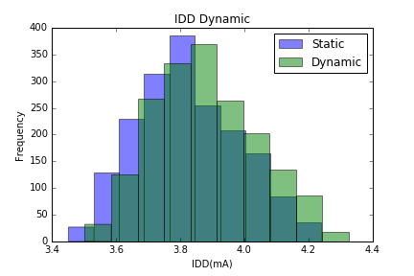
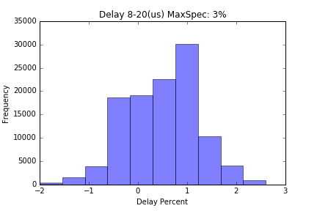
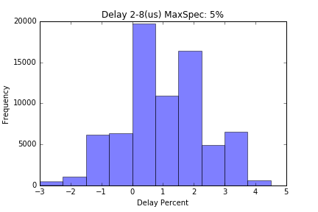
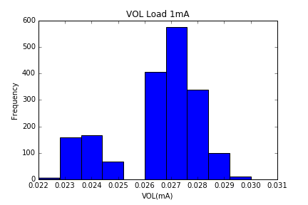
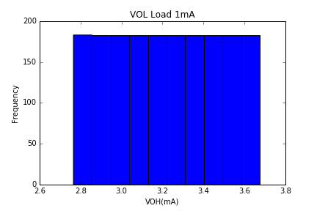
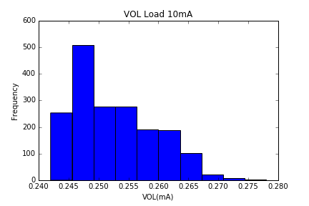
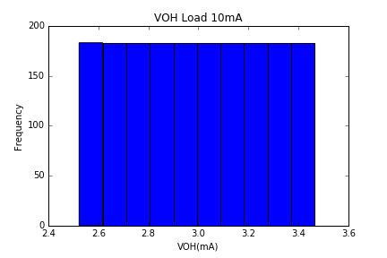
6P80038 Qualification Report

 |  |  |  | Charaterization Summary
Lot Tested | Temperature | Quantity | Vdd(min) | Vdd(max)
RC01927M | -5C/25C/105C | 21 | 2.8 | 3.7
RC01928M | -5C/25C/105C | 20 | 2.8 | 3.7
RC01929M | -5C/25C/105C | 20 | 2.8 | 3.7

 |  |  |  | Parameters Stastical Analysis
Specs Tested | VOL(V) |  | VOH(V) |  | VIH(V) | VIL(V) | IDD(mA) |  | Delay(%)
Conditions | Load=1mA | Load=10mA | Load=1mA | Load=10mA |  |  | Static | Dynamic | 2 to 8uS | 8 to 20uS
count | 1830 | 1830 | 1830 | 1830 | 1830 | 1830 | 1830 | 1830 | 73200 | 111630
mean | 0.026 | 0.253 | 3.222 | 3.002 | 1.907 | 1.639 | 3.822 | 3.880 | 0.905 | 0.496
std | 0.002 | 0.007 | 0.288 | 0.292 | 0.153 | 0.152 | 0.158 | 0.160 | 1.328 | 0.735
min | 0.022 | 0.242 | 2.765 | 2.523 | 1.650 | 1.350 | 3.452 | 3.503 | -3.000 | -2.000
0.25 | 0.026 | 0.247 | 2.972 | 2.752 | 1.800 | 1.500 | 3.704 | 3.759 | 0.000 | 0.000
0.5 | 0.027 | 0.251 | 3.221 | 2.999 | 1.900 | 1.650 | 3.812 | 3.863 | 1.000 | 0.596
0.75 | 0.027 | 0.257 | 3.474 | 3.260 | 2.050 | 1.750 | 3.938 | 3.989 | 2.000 | 1.000
max | 0.030 | 0.278 | 3.675 | 3.466 | 2.200 | 1.900 | 4.239 | 4.326 | 4.500 | 2.605

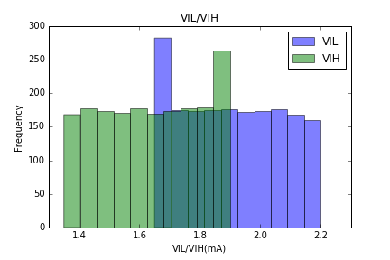
 |  |  |  | Parameters Histagrams Table

