Final project
 |  | d_min | Base line | d_min: relative | Sample | SE | lower | upper |  |  | Hypothesis
invariant | Unique cookies to view course overview page per day: | 3000 | 40000 |  | 5000 |  |  |  |  | 0.125
invariant | Unique cookies to click "Start free trial" per day: | 240 | 3200 |  | 400 |  |  |  | 12.5
 | Number of UserIDs=Enrollments per day: | 50 | 660 |  | 82.5 |  |  |  | 60.606060606
invariant | Click-through-probability on "Start free trial": | 0.01 | 0.08 |  |  | 0.0136 | 0.0534 | 0.1066
metric | Probability of enrolling, given click: | 0.01 | 0.20625 | 0.048484848485 |  | 0.0202 | 0.1666 | 0.2459 |  |  | decrease | number of user-ids to complete checkout and enroll in the free trial divided by number of unique cookies to click the "Start free trial" button.
metric | Probability of payment, given enroll: | 0.01 | 0.53 | 0.018867924528 |  | 0.0549 | 0.4223 | 0.6377 |  |  | increase | number of user-ids to remain enrolled past the 14-day boundary (and thus make at least one payment) divided by number of user-ids to complete checkout.
metric | Probability of payment, given click | 0.0075 | 0.1093125 | 0.068610634648 |  | 0.0156 | 0.0787 | 0.1399 |  |  | ?decrease | number of user-ids to remain enrolled past the 14-day boundary (and thus make at least one payment) divided by the number of unique cookies to click the "Start free trial" button.

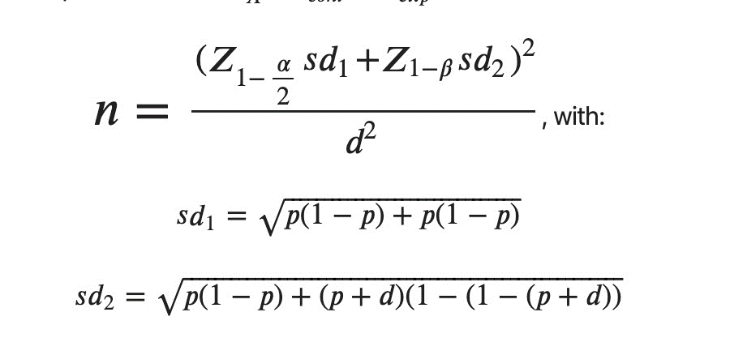
 |  | Divert % | Total pageview | days required |  | critical z-score
 |  | 0.45 | 685325 | 38.073611111 |  | 1.9599639845

 |  |  | 13583
 | 118.444275

 |  |  | 27413

 |  | z(1-alpha/2) | 1.9599639845
 |  | z(1-beta) | 0.84162123357 | -0.84162123357
 |  | sd1 | 0.44127831885
 |  | sd2 | 0.44780645059
 |  | n | 27413.337896

