Sheet1
REQUIREMENTS | 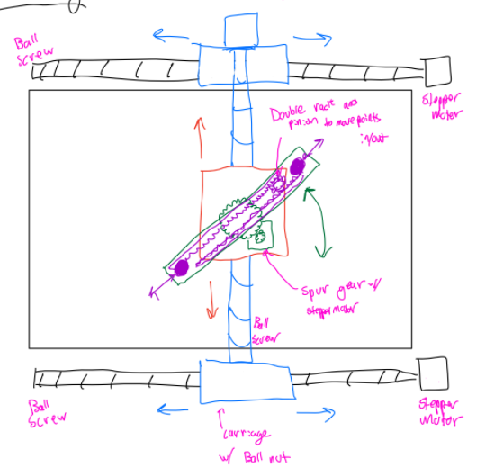 GANTRY SYSTEM |  |  |  |  |  | 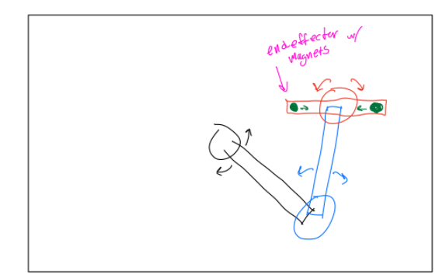 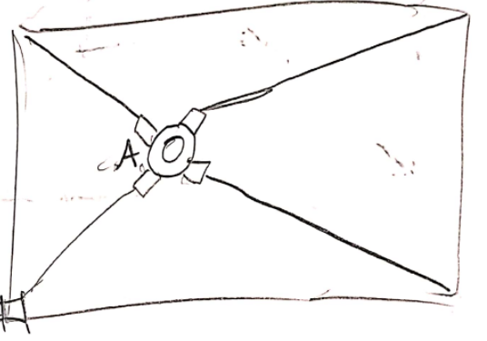 OPEN CHAIN LINKAGE |  |  |  |  |  | 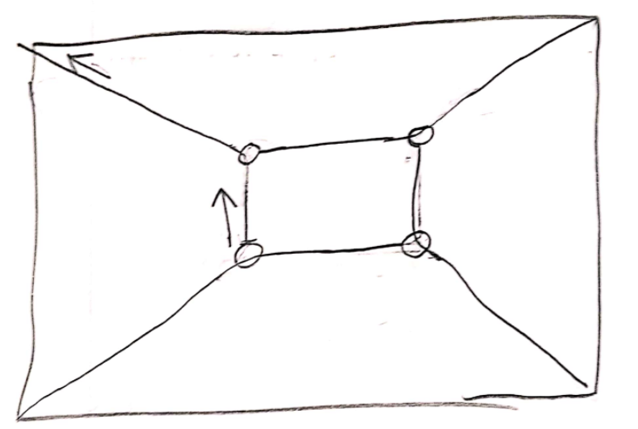 CABLE SYSTEM
Qualitative | Cam | Diogo | Jose | Sam | Yujui | Yuxuan | Cam | Diogo | Jose | Sam | Yujui | Yuxuan | Cam | Diogo | Jose | Sam | Yujui | Yuxuan
The device should have a display to provide visual feedback to the user.
The device should actively track the location of 1 or 2 fingers on the interactive display.
Disengaging from the device should feel like removing one’s fingers from a ‘sticky’ surface.
The device should be aware when the user places and removes their fingers from the interactive display.
The two contact points of the device are limited by the edges of the display. Consideration could be given to rotation limits
The user should feel no forces when they are not in contact with the interactive display.
Quantitative
The device shall have a traversable area of at least 7” by 10”.
The two contact points shall be able to go as close as ⅜” together or 8” apart
In free motion, the user should experience no more than 0.22 lbs or 100 g of inertia.
In free motion, the gantry device should be able to match finger speeds up to 150 mm/s or 5.9 in/s.
When the user is interacting with a virtual wall, the device will be able to respond with a stiffness of 1 N/mm or 5.71 lbs/in
For sensing and actuation the device will have a resolution of 50 points/linear inch.
The device will have sensing capability that can track the X/Y positions of the two fingers and the two magnets
The device will be able to provide a maximum of 5 lbs of force
The device will be able to engage and disengage the link between the gantry and the fingers
TOTAL | 0 | 0 | 0 | 0 | 0 | 0 | 0 | 0 | 0 | 0 | 0 | 0 | 0 | 0 | 0 | 0 | 0 | 0
 | 0 |  |  |  |  |  | 0 |  |  |  |  |  | 0

