test cover 2-D AABBs (2)
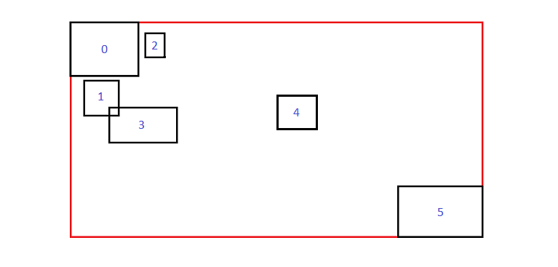
AABBs
#0
6 | 4 |  |  | Volume |  | Rect | Pixel position (minX, maxX, minY, maxY)
9.8 | 19.1 | 3 | 10.4 | 68.82 |  | 0 | 98 | 191 | 30 | 104
11.5 | 16.4 | 11.1 | 15.8 | 23.03 |  | 1 | 115 | 164 | 111 | 158
20 | 22.7 | 4.5 | 7.9 | 9.18 |  | 2 | 200 | 227 | 45 | 79
15.1 | 24.4 | 14.7 | 19.6 | 45.57 |  | 3 | 151 | 244 | 147 | 196
38.2 | 43.6 | 13.1 | 17.7 | 24.84 |  | 4 | 382 | 436 | 131 | 177
54.8 | 66.3 | 25.7 | 32.6 | 79.35 |  | 5 | 548 | 663 | 257 | 326

Covers
#1
6 | 4 |  |  | Volume | Coverage | Dist | Heuristics | End Index | Extended | Min End Index
9.8 | 19.1 | 3 | 10.4 | 68.82 | 1 | 0 | 1000 | 0 | TRUE
9.8 | 19.1 | 3 | 15.8 | 119.04 | 0.77158938172 | 0.22841061828 | 1000 | 1 | FALSE
9.8 | 22.7 | 3 | 15.8 | 165.12 | 0.61185804264 | 0.38814195736 | 0.38814195736 | 2 | FALSE | 2
9.8 | 24.4 | 3 | 19.6 | 242.36 | 0.6048852946 | 0.3951147054 | 0.3951147054 | 3 | FALSE
9.8 | 43.6 | 3 | 19.6 | 561.08 | 0.30555357525 | 0.69444642475 | 0.69444642475 | 4 | FALSE
9.8 | 66.3 | 3 | 32.6 | 1672.4 | 0.14995814398 | 0.85004185602 | 0.85004185602 | 5 | FALSE
 |  |  |  |  |  | min= | 0.38814195736

#10
1 | 1
3

test cover 2-D AABBs 2nd span
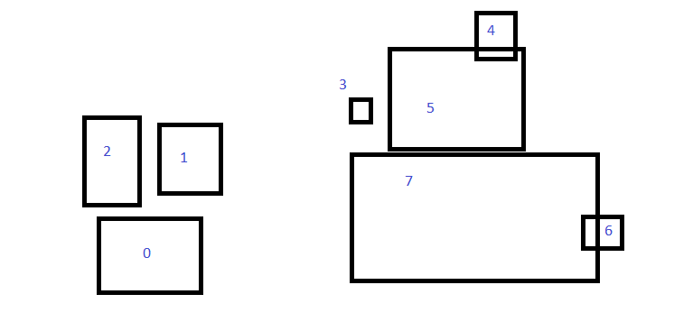
Pixel Position
# | min X | min Y | max X | max Y
0 | 109 | 240 | 221 | 323
1 | 177 | 136 | 244 | 213
2 | 93 | 129 | 153 | 222
3 | 387 | 108 | 409 | 134
4 | 529 | 14 | 569 | 66
5 | 432 | 53 | 579 | 164
6 | 645 | 241 | 687 | 273
7 | 390 | 168 | 659 | 310

AABBs
#0
8 | 4 |  |  | # | Volume | Cumulative Vol
109 | 221 | 240 | 323 | 0 | 9296 | 9296
177 | 244 | 136 | 213 | 1 | 5159 | 14455
93 | 153 | 129 | 222 | 2 | 5580 | 20035
387 | 409 | 108 | 134 | 3 | 572 | 20607
529 | 569 | 14 | 66 | 4 | 2080 | 22687
432 | 579 | 53 | 164 | 5 | 16317 | 39004
645 | 687 | 241 | 273 | 6 | 1344 | 40348
390 | 659 | 168 | 310 | 7 | 38198 | 78546

Covers |  |  |  | Span | Volume | Coverage | Dist= | Heuristics | Min
109 | 221 | 240 | 323 | 1 | 9296 | 1 | 0 | 1000
109 | 244 | 136 | 323 | 2 | 25245 | 0.57258863141 | 0.42741136859 | 0.42741136859
93 | 244 | 129 | 323 | 3 | 29294 | 0.68392844951 | 0.31607155049 | 0.31607155049 | 3
93 | 409 | 108 | 323 | 4 | 67940 | 0.30331174566 | 0.69668825434 | 0.69668825434
93 | 569 | 14 | 323 | 5 | 147084 | 0.15424519322 | 0.84575480678 | 0.84575480678
93 | 579 | 14 | 323 | 6 | 150174 | 0.25972538522 | 0.74027461478 | 0.74027461478
93 | 687 | 14 | 323 | 7 | 183546 | 0.219825003 | 0.780174997 | 0.780174997
93 | 687 | 14 | 323 | 8 | 183546 | 0.42793632114 | 0.57206367886 | 0.780174997
 |  |  |  |  |  |  | Min= | 0.31607155049

#10
1 | 1
3

AABBs
#1
5 | 4 |  |  | # | Volume | Cumulative Vol
387 | 409 | 108 | 134 | 3 | 572 | 572
529 | 569 | 14 | 66 | 4 | 2080 | 2652
432 | 579 | 53 | 164 | 5 | 16317 | 18969
645 | 687 | 241 | 273 | 6 | 1344 | 20313
390 | 659 | 168 | 310 | 7 | 38198 | 58511

Covers |  |  |  | Span | Volume | Coverage | Dist= | Heuristics | Min
387 | 409 | 108 | 134 | 1 | 572 | 1 | 0 | 1000
387 | 569 | 14 | 134 | 2 | 21840 | 0.12142857143 | 0.87857142857 | 0.87857142857
387 | 579 | 14 | 164 | 3 | 28800 | 0.65864583333 | 0.34135416667 | 0.34135416667
387 | 687 | 14 | 273 | 4 | 77700 | 0.26142857143 | 0.73857142857 | 0.73857142857
387 | 687 | 14 | 310 | 5 | 88800 | 0.65890765766 | 0.34109234234 | 0.34109234234 | 5
 |  |  |  |  |  |  | Min= | 0.34109234234

#11
1 | 1
5

