Muller, FMP, Springer 2015
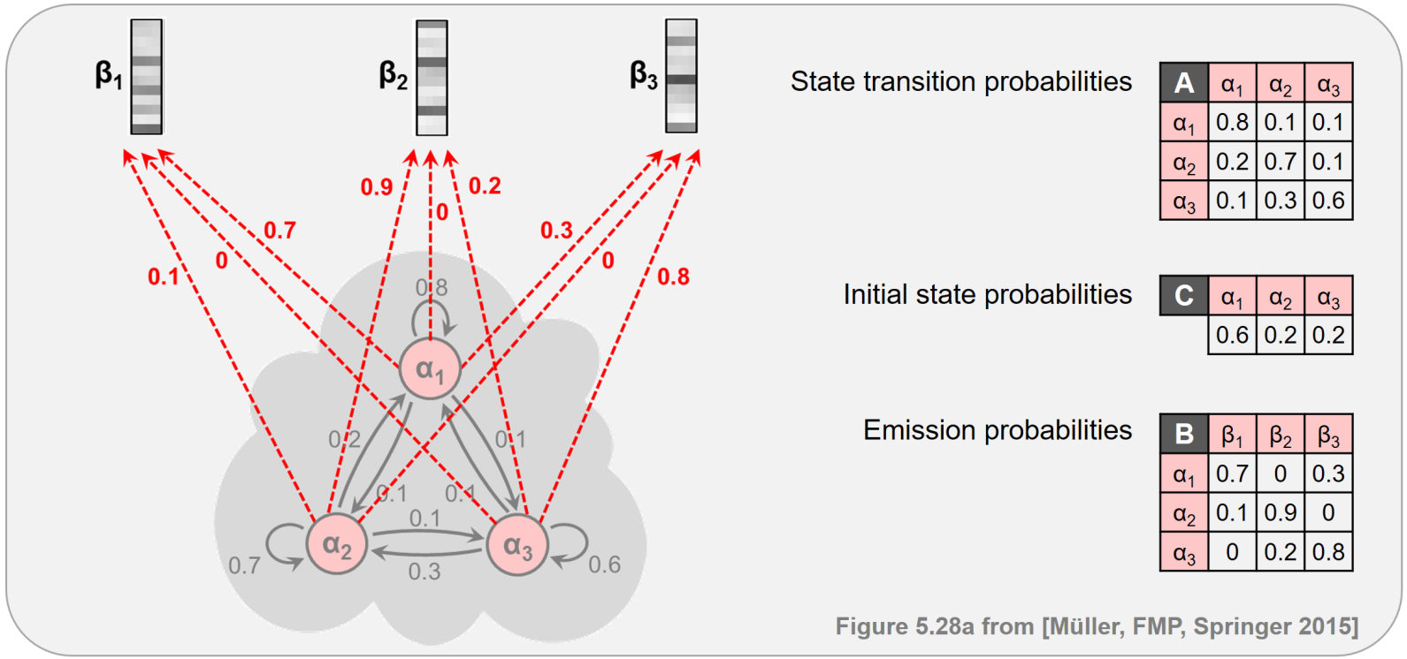
#0 | Transition |  |  |  |  |  |  | Code | A1A2A3
3 | 3 |  |  |  |  |  |  |  | B1B2B3
0.8 | 0.1 | 0.1
0.2 | 0.7 | 0.1 |  |  |  |  |  | Initial
0.1 | 0.3 | 0.6 |  |  |  |  |  | A1 | -0.51082562377
 |  |  |  |  |  |  |  | A2 | -1.6094379124
#1 | Emission |  |  |  |  |  |  | A3 | -1.6094379124
3 | 3
0.7 | 0 | 0.3 |  |  |  |  |  | Transition
0.1 | 0.9 | 0 |  |  |  |  |  |  | A1 | A2 | A3
0 | 0.2 | 0.8 |  |  |  |  |  | A1 | -0.22314355131 | -2.302585093 | -2.302585093
 |  |  |  |  |  |  |  | A2 | -1.6094379124 | -0.35667494394 | -2.302585093
#2 | Initial |  |  |  |  |  |  | A3 | -2.302585093 | -1.2039728043 | -0.51082562377
1 | 3
0.6 | 0.2 | 0.2 |  |  |  |  |  | Emission
 |  |  |  |  |  |  |  |  | B1 | B2 | B3
#3 | Input |  |  |  |  |  |  | A1 | -0.35667494394 | -128 | -1.2039728043
1 | 6 |  |  |  |  |  |  | A2 | -2.302585093 | -0.10536051566 | -128
0 | 2 | 0 | 2 | 2 | 1 |  |  | A3 | -128 | -1.6094379124 | -0.22314355131

 |  |  |  |  |  |  |  | Input
 |  |  |  |  |  |  |  | B1 | B3 | B1 | B3 | B3 | B2
 |  |  |  |  |  |  | Encode | 0 | 2 | 0 | 2 | 2 | 1
 |  |  |  |  |  | Emit By | A1 | -0.35667494394 | -1.2039728043 | -0.35667494394 | -1.2039728043 | -1.2039728043 | -128
 |  |  |  |  |  |  | A2 | -2.302585093 | -128 | -2.302585093 | -128 | -128 | -0.10536051566
 |  |  |  |  |  |  | A3 | -128 | -0.22314355131 | -128 | -0.22314355131 | -0.22314355131 | -1.6094379124

#100 | Hidden sequence |  |  |  |  | Hidden | A1 | -0.8675005677 | -2.2946169233 | -2.8744354186 | -4.3015517742 | -5.7286681299 | -133.95181168
1 | 6 |  |  |  |  |  | A2 | -3.9120230054 | -131.17008566 | -6.8997871093 | -133.17702051 | -134.60413687 | -7.443466558
0 | 0 | 0 | 2 | 2 | 1 |  | A3 | -129.60943791 | -3.393229212 | -131.90405484 | -5.4001640629 | -6.134133238 | -8.2543967742

#1000 | DP Table |  |  |  |  | Exp |  | 0.42 | 0.1008 | 0.056448 | 0.01354752 | 0.0032514048 | 6.6906351207E-59
3 | 6 |  |  |  |  |  |  | 0.02 | 1.0803279365E-57 | 0.001008 | 1.4519607467E-58 | 3.484705792E-59 | 0.000585252864
-0.8675005677 | -2.2946169233 | -2.8744354186 | -4.3015517742 | -5.7286681299 | -133.95181168 |  |  | 5.1444187453E-57 | 0.0336 | 5.1855740952E-58 | 0.00451584 | 0.0021676032 | 0.000260112384
-3.9120230054 | -131.17008566 | -6.8997871093 | -133.17702051 | -134.60413687 | -7.443466558
-129.60943791 | -3.393229212 | -131.90405484 | -5.4001640629 | -6.134133238 | -8.2543967742 | Hidden sequence |  | A1 | A1 | A1 | A3 | A3 | A2
 |  |  |  |  |  | Encoded |  | 0 | 0 | 0 | 2 | 2 | 1

 |  |  |  |  |  | Backtrack |  | -1.090644119 | -2.5177604747 | -5.1770205116 | -6.6041368672 | -8.0312532229
 |  |  |  |  |  |  |  | -5.5214609179 | -132.77952357 | -9.2023722023 | -135.4796056 | -134.96081181
 |  |  |  |  |  |  |  | -131.91202301 | -5.695814305 | -132.41488046 | -5.9109896867 | -7.3381060423

