data
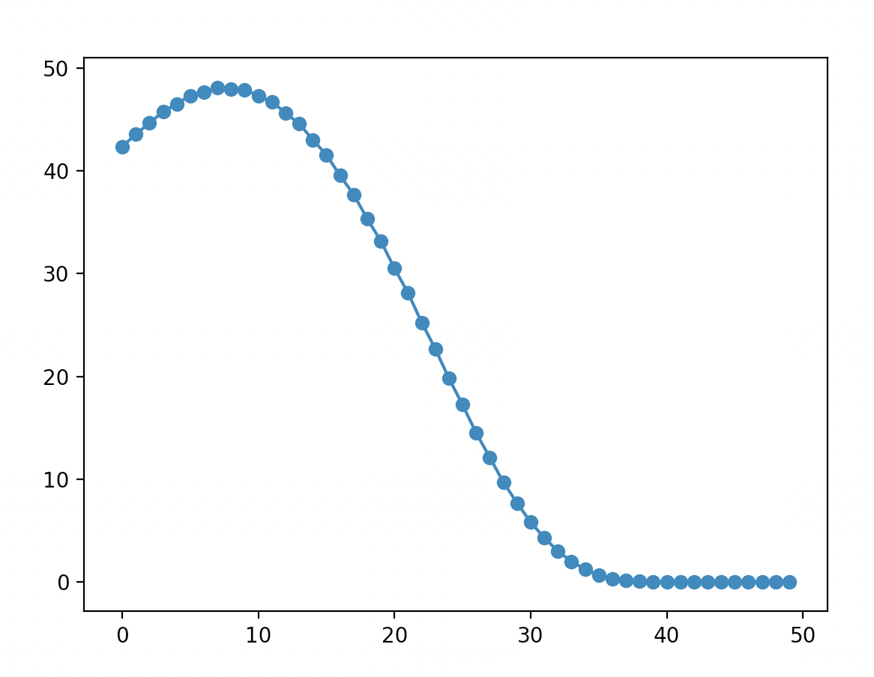
Both player random moves
 | White | Black
Winner | 48265 | 51735

 | Average | Mode | Standard deviation
Moves | 33.155 | 34 | 3.3

