Sheet1
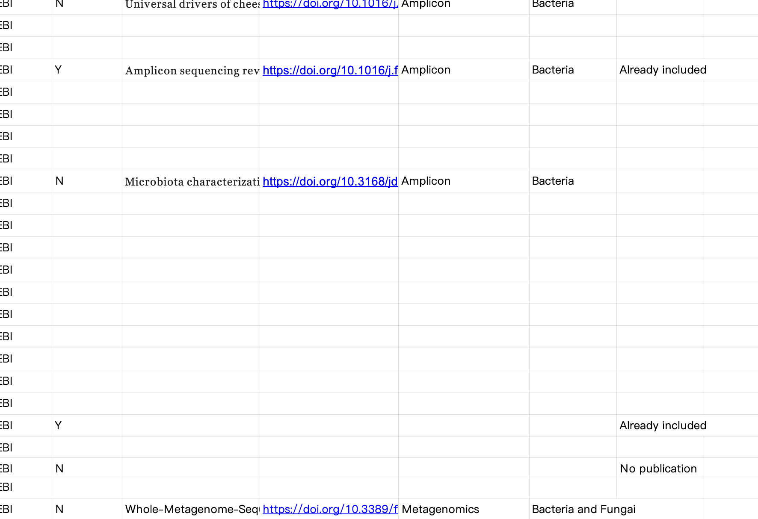
L1 | L3 | Number | Example
Plant food product | Vegetables | 21 | Cabbage, Fermented chopped pepper (chili pepper), Lettuce, Red pepper, Spinach
44 | Fruits | 7 | Apple, Blackcurrant, Citrus, Pineapple
 | Cereals and grains | 6 | Baijiu, Rice, Vinegar, Huangjiu, Niandoubao
 | Beans and pulses | 6 | Coffee, Soy sauce, Douchi, Femented Shuidouchi
 | Nuts and seeds | 2
 | Herbs and spices | 1
 | Algae | 1
Animal food product | Land animal products | 20 | Bacon, Beef, Beef jerky, Camel milk, Chicken
33 | Aquatic animal products | 7 | Cod, Hake, Kusaya, Plaice
 | Crustaceans | 4
Food classification by PTFI
 | Insects and insects products | 1
 | Molluscs | 1
Others | Others | 2 | Water, Salt
 | Total | 79

Food category | Number | Percentage
Fermented | 29 | 37%
Non-fermented | 50 | 63%
Total | 79 | 100%

Sheet3
