Input By User
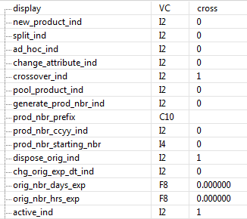
division_type | ad_hoc | mod_option_desc | orig_prod | dispose_orig | chg_orig_expire | new_prod | prep_hrs | quantity | sub_id | attribute | orig_expire | expire_days | expire_hrs | exp_draw_date | extension_expire | orig_vol | default_vol | valid_vol | unit_measure | confirm_order | assign_pat | crossover_rsn | device | max_capac | default | start_stop | mod_duration | print_label_orig | label_type_orig | print_supplier_orig | print_sup_lic_orig | print_fac_lic_orig | print_label_new | label_type_new | print_supplier_new | print_sup_lic_new | print_sup_fac_new

