List bank branches
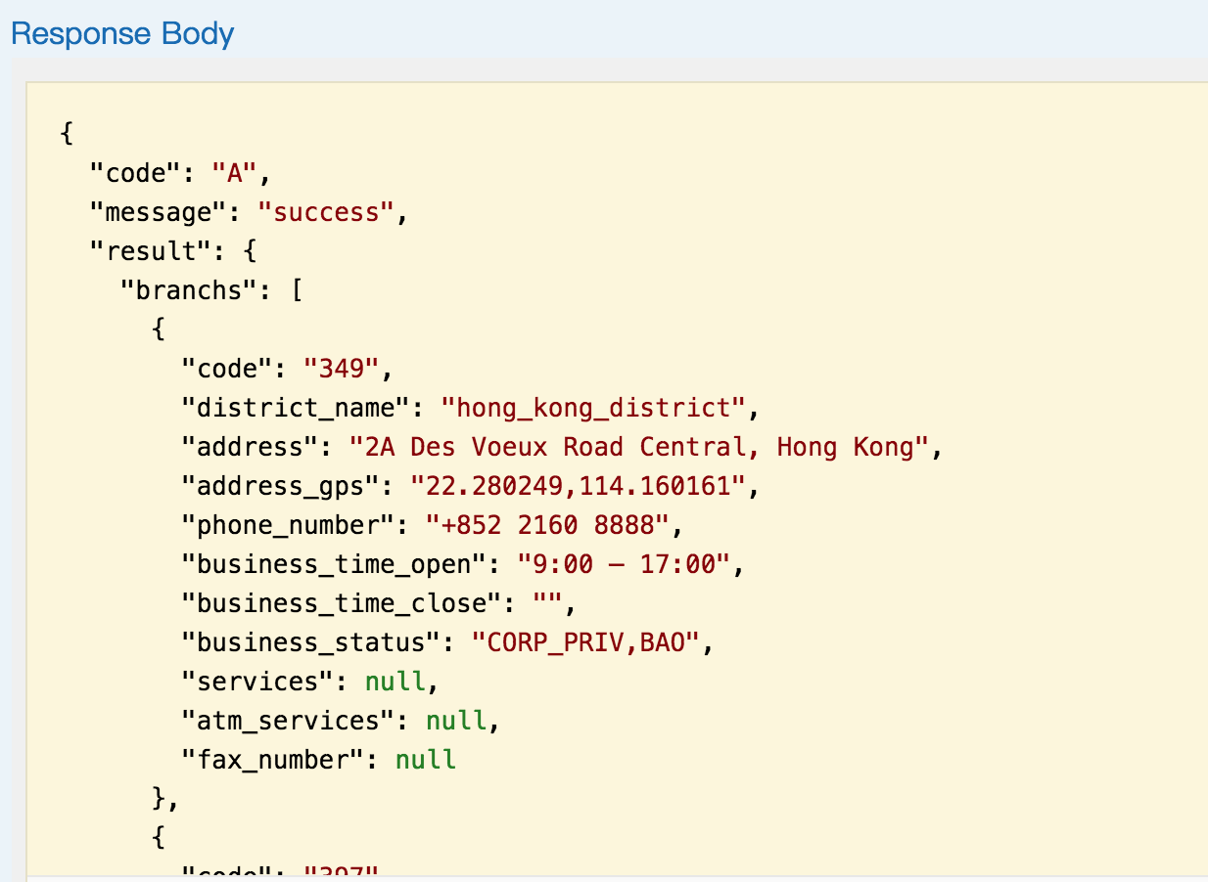
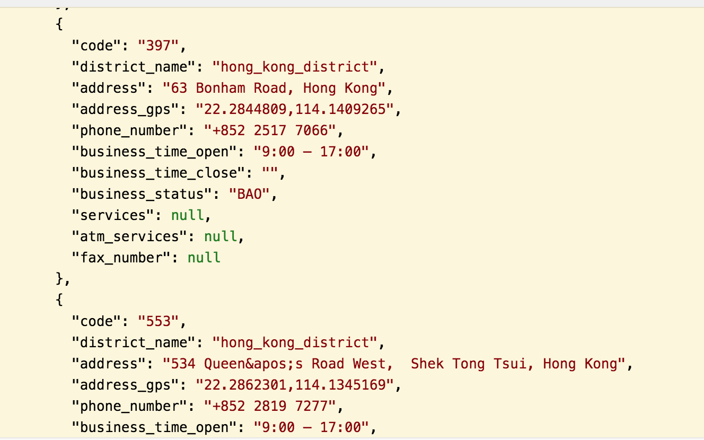
GET /bank-info/branches

1. No input fields | ok
2. Retreive all the fields (exclude atm_services) and records from branch table |  | ok
3. Please be noted that there are two entity "{Personal" and "{Corporate" under the "{Branch" from the JSON file of BOCHK. We don't need two of them but the information under "Personal" is sufficient. |  |  |  | ok
4. Please also be reminded that this branch/atm api is suppose to be accessible by anyone without authentication. |  |  | ok

List ATMs
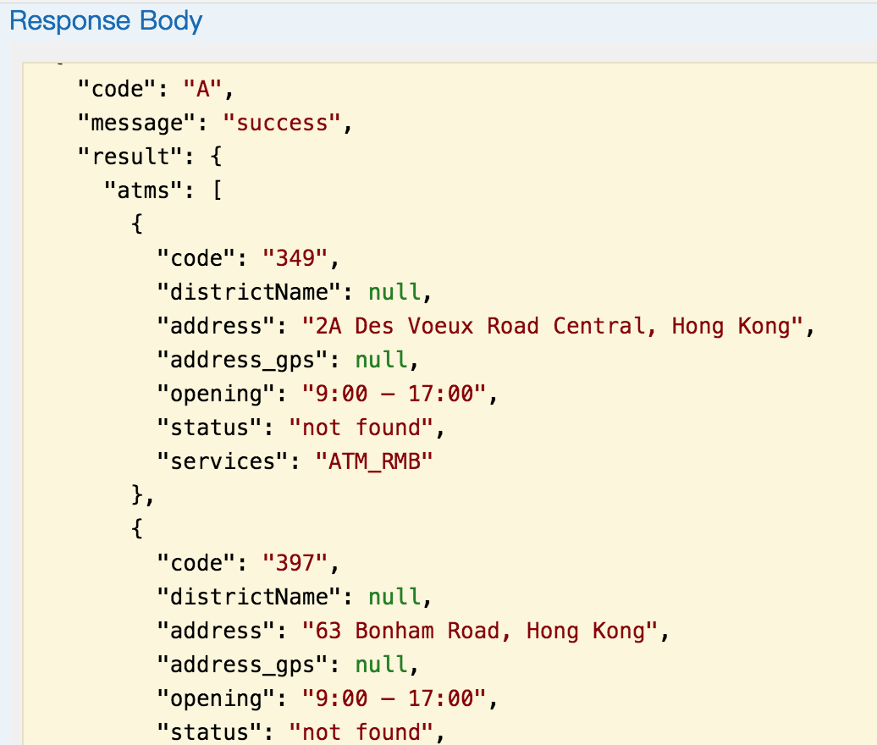
GET /bank-info/atms

1. No input fields | ok
2. Retreive all the fields (exclude services) and records from branch or atm table (depends if we are separating the JSON files from BOCHK to two table) |  |  | ok
3. Please be noted that there are two entity "{Personal" and "{Corporate" under the "{Branch" from the JSON file of BOCHK. We don't need two of them but the information under "Personal" is sufficient. |  |  |  | ok
4. Please also be reminded that this branch/atm api is suppose to be accessible by anyone without authentication. |  | ok

Get customer profile
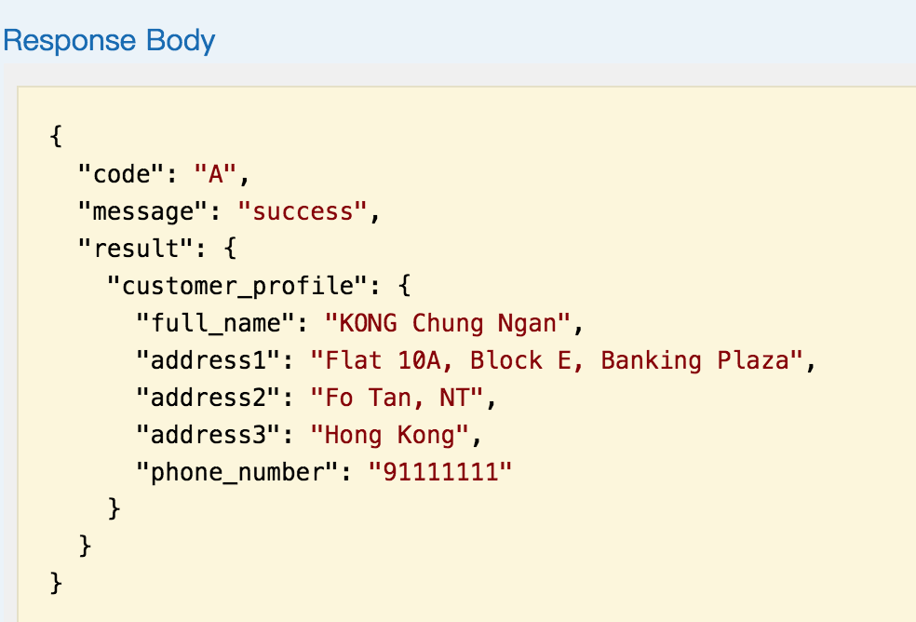
GET /customer/profile

1. No input fields as it has already authenticated. Hence, when the user input userid and passoword, the authenicated token will be passed to the application. You can see the "https://bochkhackathon.restlet.io/#general_information. There is no request JSON object but only response JSON object. The customer_profile object.
ok

2. Retrieve full_name, address1, address2, address3, phone_number from the customer table and return this customer profile object. |  | ok

3. Please be noted that this is no need to retrieve "account _no" or "balance". Only the about fields. | ok

List accounts
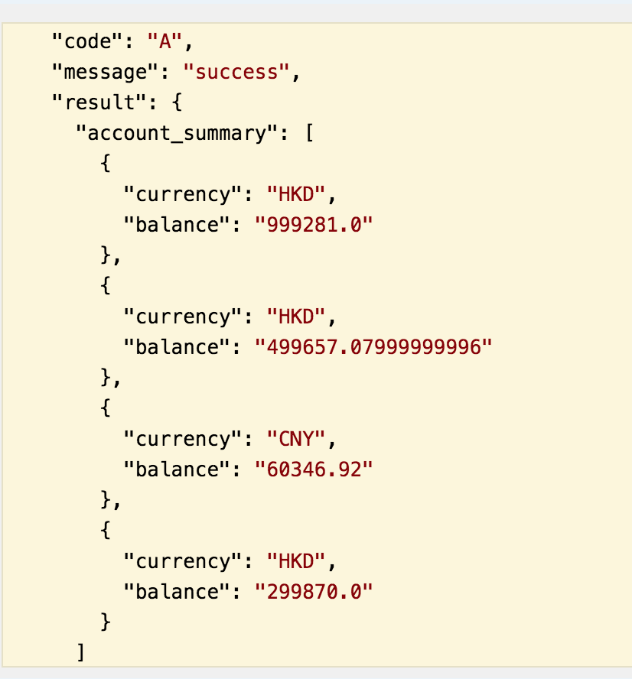
GET /accounts/balance but "https://bochkhackathon.restlet.io" 该api的url是 /accounts 需要double check

1. No input fields as it has already authenticated. Hence, when the user input userid and passoword, the authenicated token will be passed to the application. You can see the "https://bochkhackathon.restlet.io/#general_information. There is no request JSON object but only response JSON object. The account_summary object.
ok

2. From the token, we have the customer_id. Make use of this customer_id to get the account_id & account_no from the account table. And then make use of the account_id to retrieve the currency & balance from the account_balance table.
ok

3. The response object is the account_summary. Inside the account_summmary, there have the array of account_balance. And account_balance object contain currency & balance. | ok

third-party
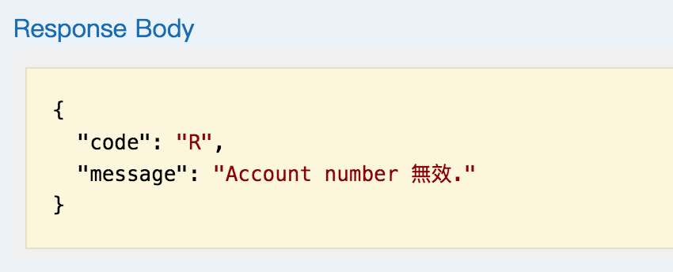
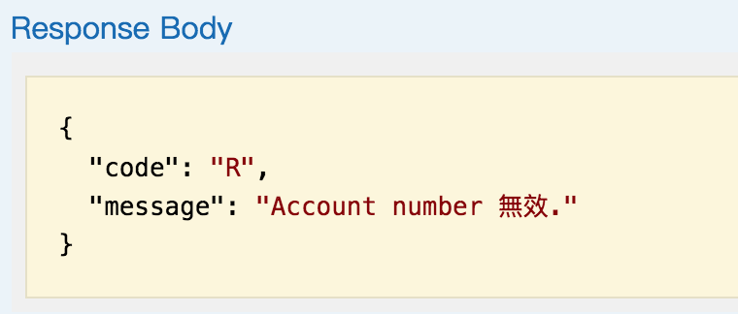
GET /accounts/third-party-account-name but "https://bochkhackathon.restlet.io" 该api的url是 /accounts/third-party-name 需要double check

Input | fps_phone, fps_email, fps_id,account_no

1. Two input fields. One is account_info, another is account_info_type |  |  |  |  |  | OK

2. For account_info, we can input fps_phone_nuimber, fps_email, fps_id and account_no |  |  |  |  |  | OK

3. For account_info_type, we can select any one of this "FPS_PHONE_NUMBER", "FPS_EMAIL", "FPS_ID", "ACCOUNT_NO". They are ENUM. |  |  |  |  |  |  | OK

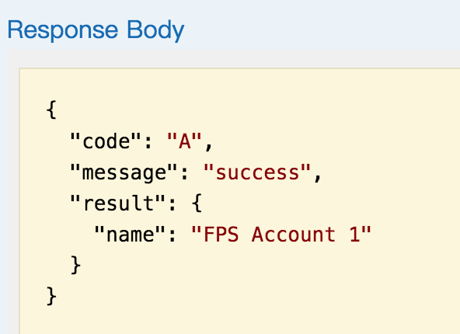
4.If the input/request message have either FPS_PHONE_NUMBER", "FPS_EMAIL", "FPS_ID" flag on, then make use of the account_info to map and retrieve the account_name field from the third_party_account table. If there is no string/value match with the account_info, show the "Information is not valid", please input again or cancel. If the account_info is correct, retrieve the "account_name" from the third_party_account table.
1).select "FPS_PHONE_NUMBER" |  |  |  | OK

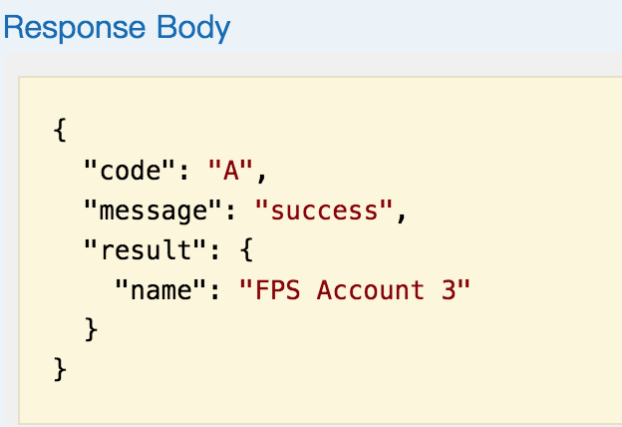
2).select "FPS_EMAIL" |  |  | OK

3).select "FPS_ID" |  | OK

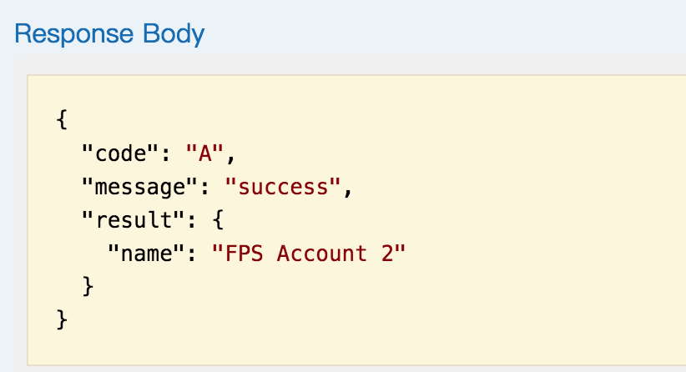

4).If there is no string/value match with the account_info, show the "Information is not valid" |  |  |  |  |  | ok

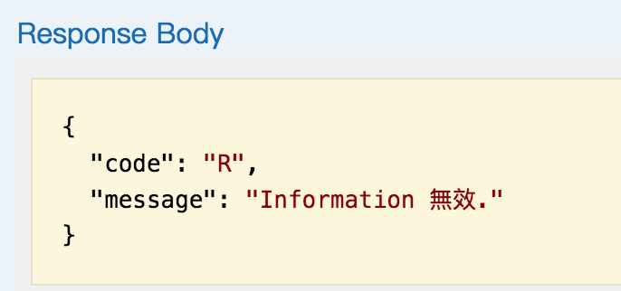

5. If the input/request message with the "ACCOUNT_NO" flag on, validate the account_no from the account table. If there have no such account_no in this table or the account_no is same as the customer_id from the authenticated token, reject with "Account number is not valid', please input again or cancel. If the account_no is correct, make use of this account_no and get customer_id from the account table. And then retrive the full_name from the customer table.

1).Select "ACCOUNT_NO" retrive the full_name from the customer table. |  |  |  |  | ok
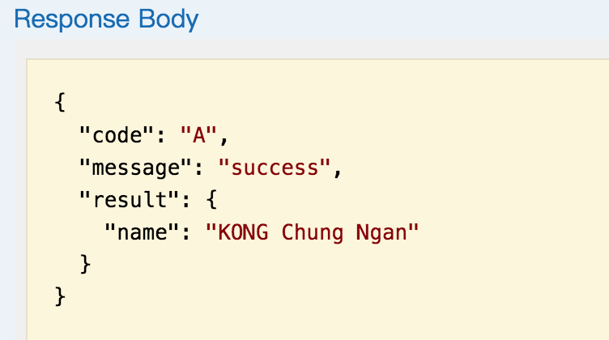

2).If there have no such account_no in this table or the account_no is same as the customer_id from the authenticated token, reject with "Account number is not valid' |  |  |  |  |  |  |  | ok

transactions
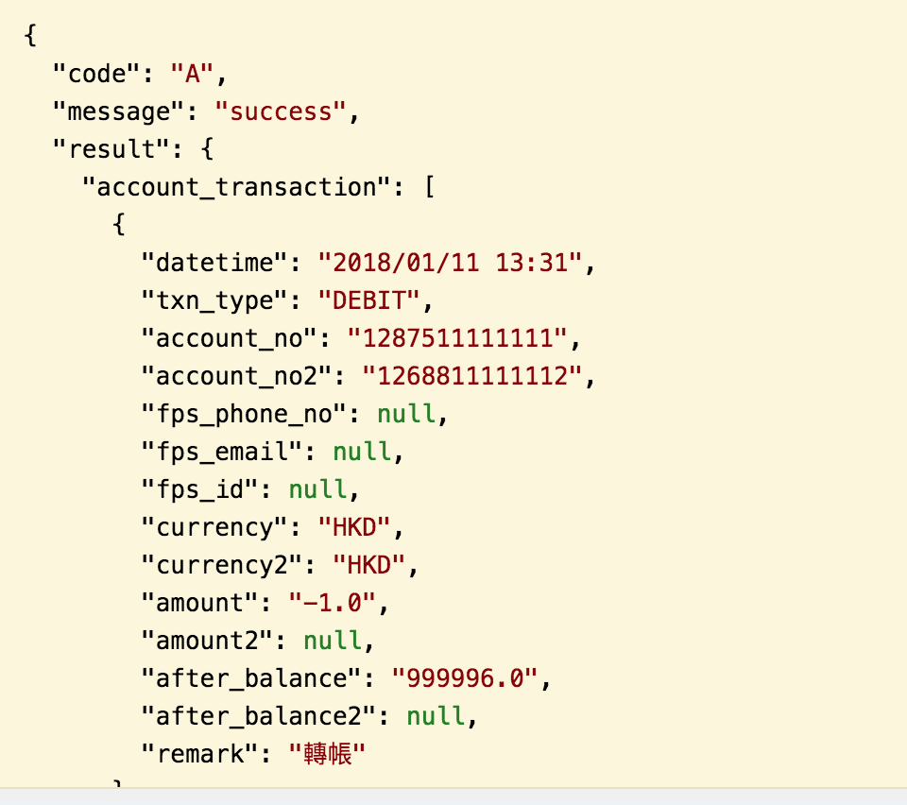
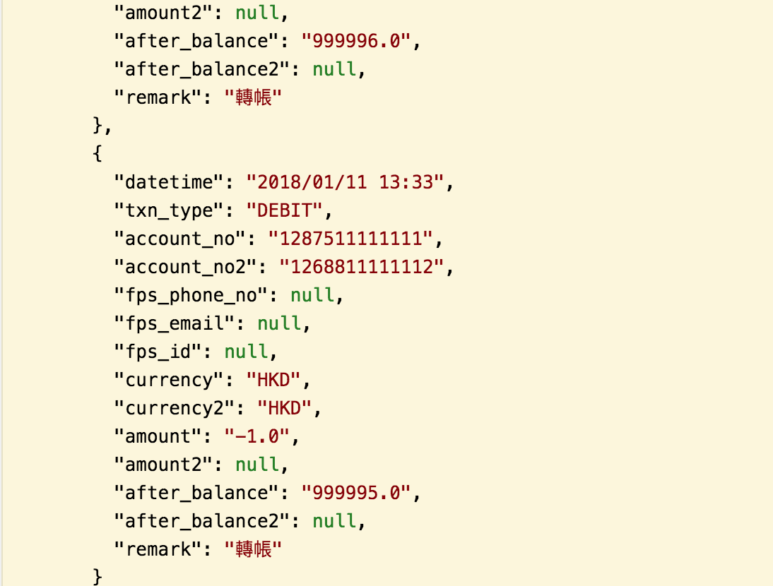
GET /accounts/{account_no}/transactions

Input | account_no

1. Input field is the account_no from the URL. The checking is to validate if this account_no exist in the account tble. |  | OK

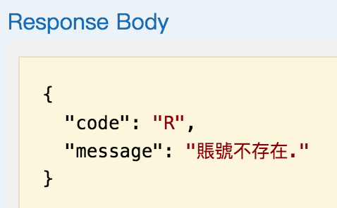

2. Retrieve all the fields and records from the account_txn table that match this account_no. The account transaction_object contain datetime, txn_type (ENUM : FOREX, DEBIT, CREDIT< LOAN, STOCK), account_no, account_no2, fps_phone_no, fps_mail, fps_id, currency, currency2, amount, amount2, after_balance, remark
OK

Transfer money
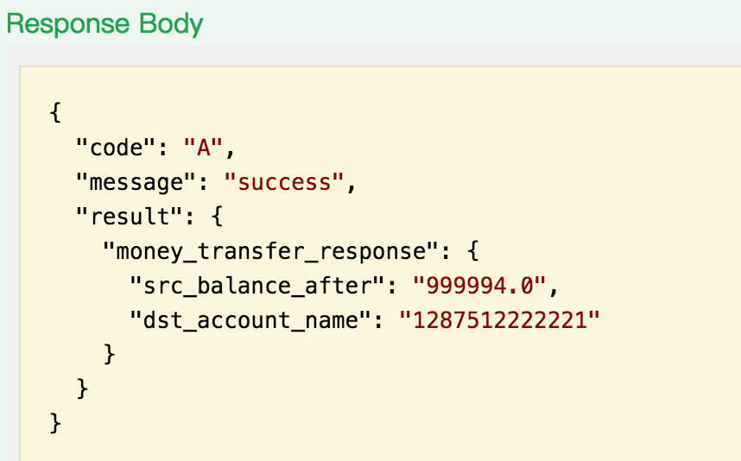
POST /accounts/{account_no}/money-transfer

1. Input two account number, "from account" and "to account" and currency, amount and remark. |  |  | OK
2. The "from_account" is with the PATH in URL and the request message have the fields of currency, amount, dst_account_no and remark field |  |  |  |  | OK

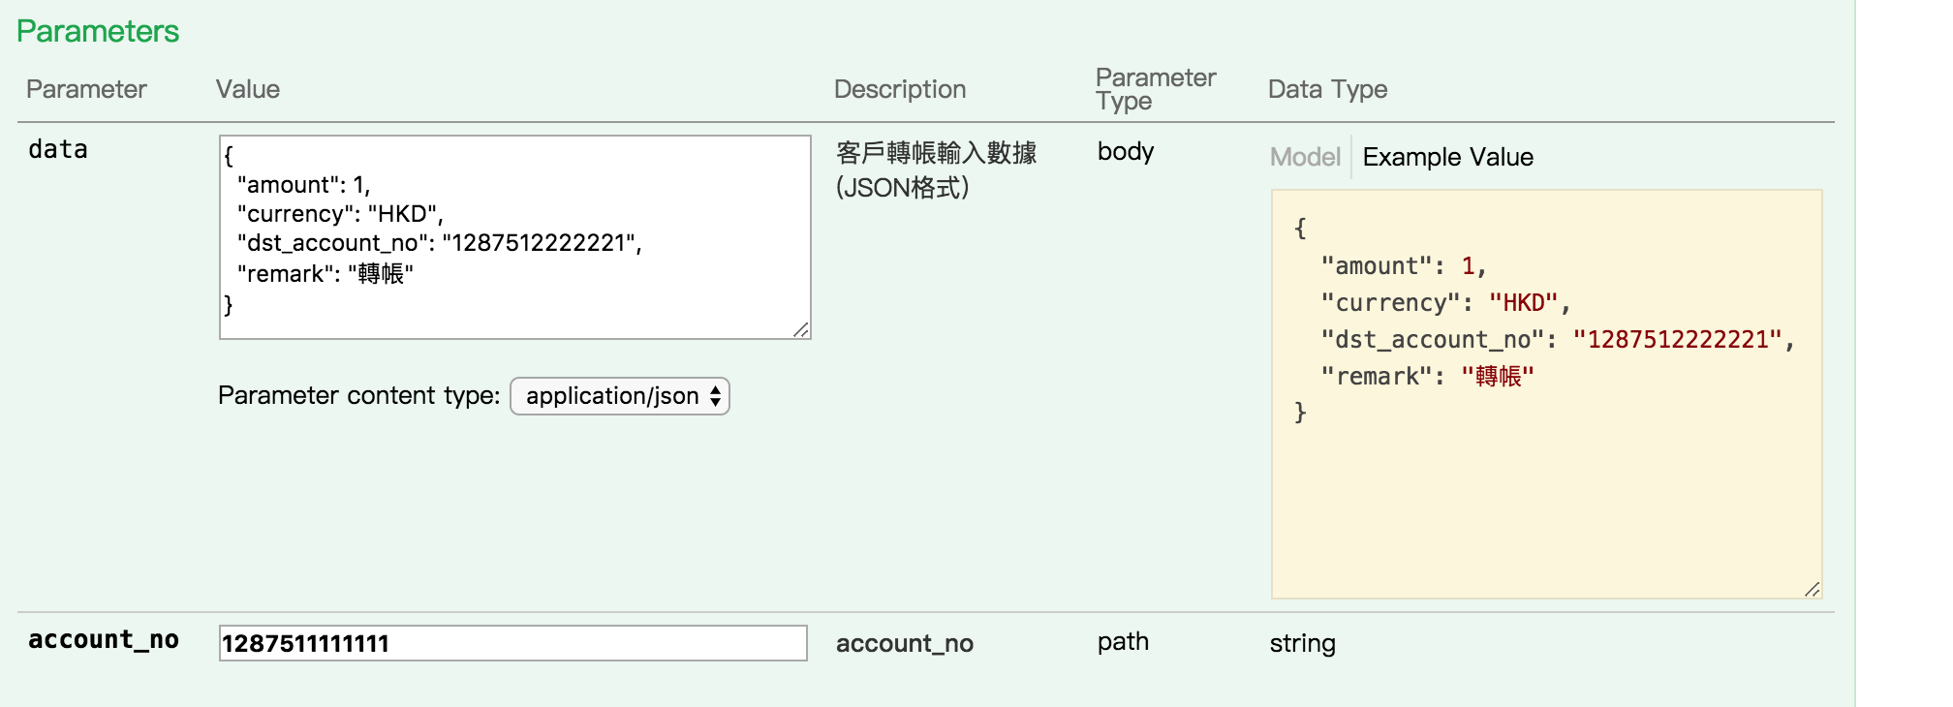

3.The logic is to READ the account table to get the account_id and map to the account_balance table and update the account_balance. |  |  |  |  | ok
1) 找到双方账号查看当前的余额 | ok

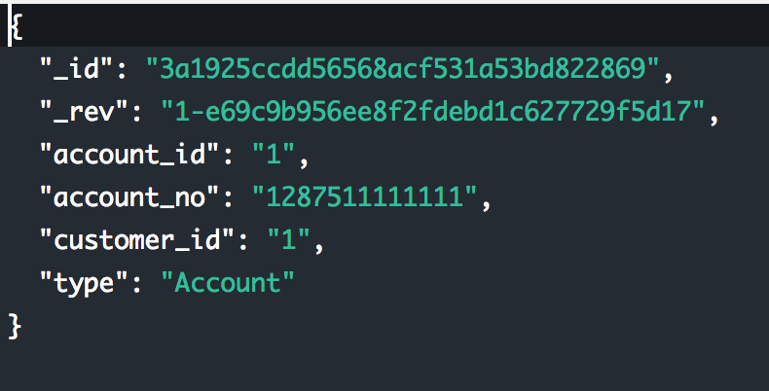
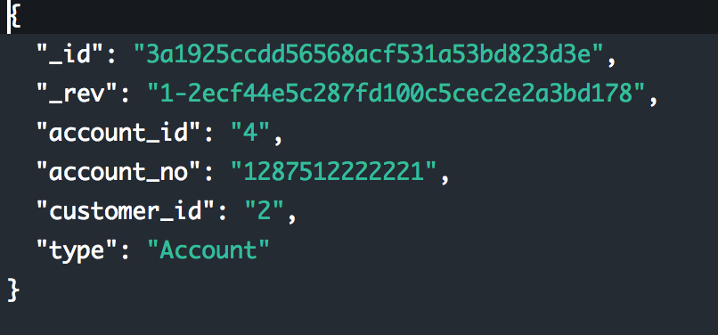

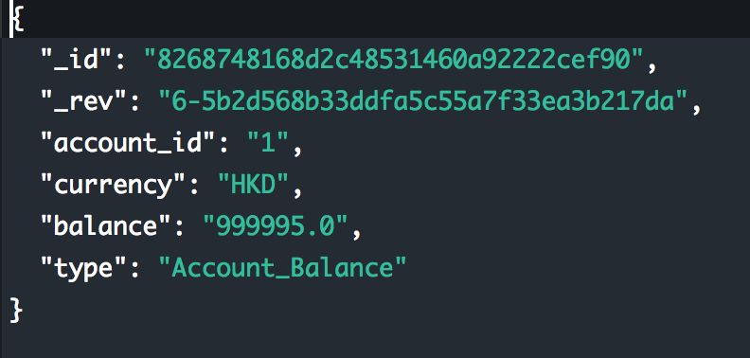
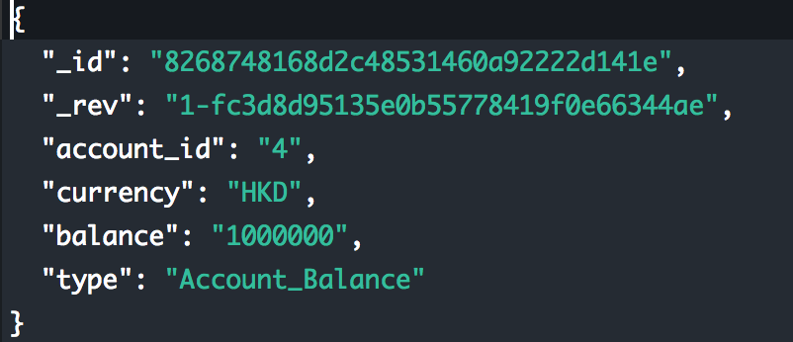

2）转账后再次查看 Account_Balance 表是否更新 |  | ok

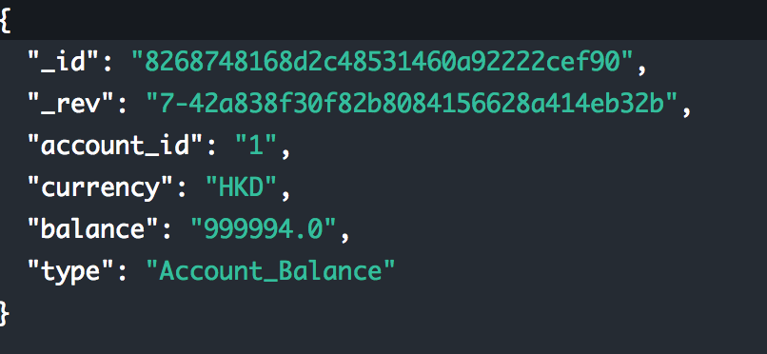
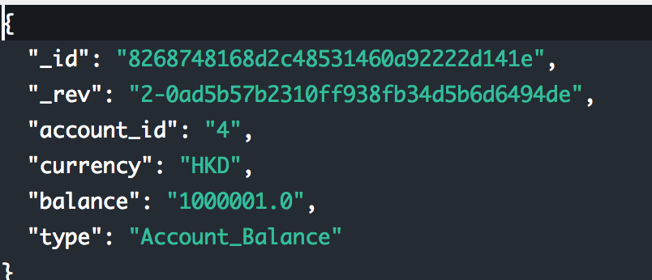

4. Please be reminded that the money transfer will only transfer from one account to another account with the same account table and each account will contain two currency type at the moment (HKD & RMB only). We are also assuming there is no money transfer from HKD to RMB or vice versa. Hence, there will be no logic to handle currency rate calcuation during money transfer.
ok

5. For transaction record, it is required to insert two records to the account_txn table. The DEBIT record and the CREDIT record. |  |  |  | ok

6. DEBIT record is to insert a new record with the fields in the account_txn table. The txn_type set to DEBIT. |  |  | ok

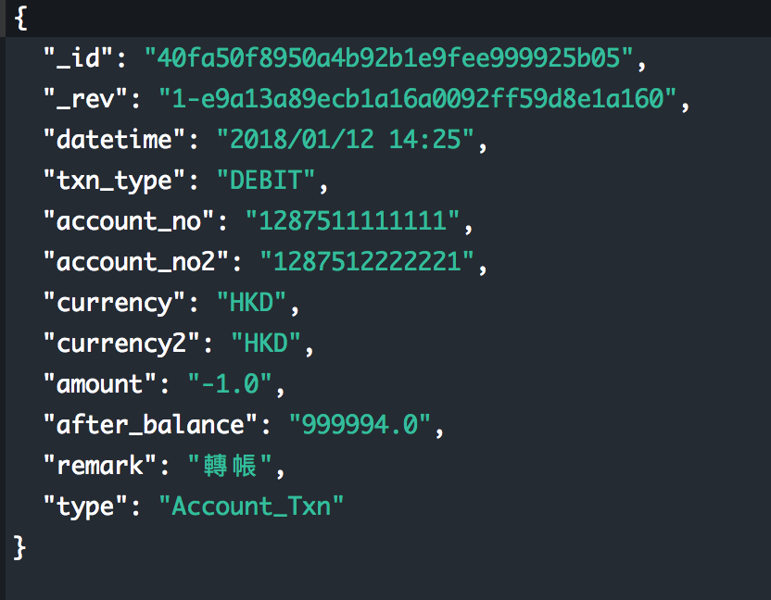

7. CREDIT record is to insert a new record with the fields in the account_txn table. The txn_type set to CREDIT.

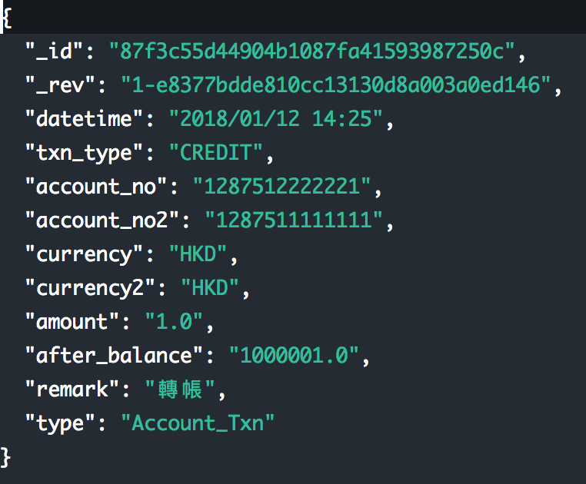

8.finally response

List investments
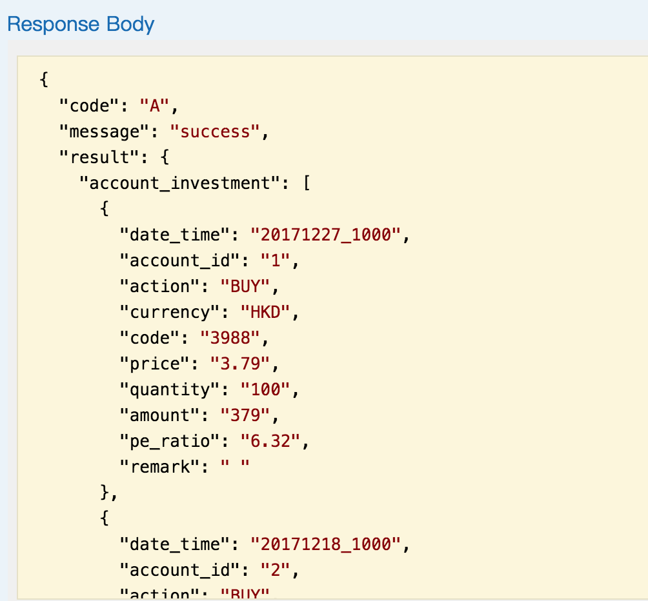
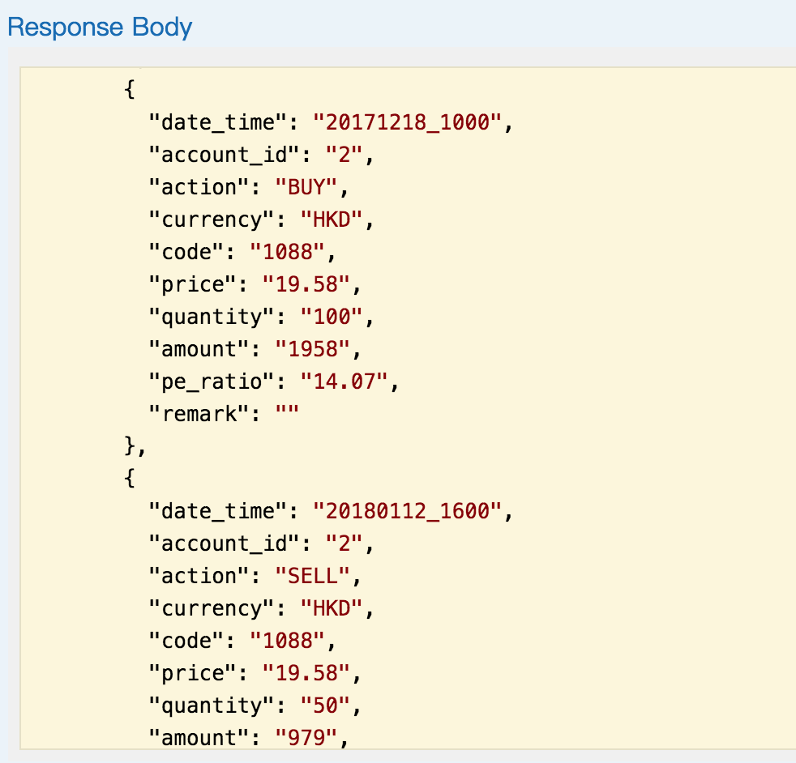
GET /investments/invests but "https://bochkhackathon.restlet.io" 该api的url是/investments 需要double check

1. Base on the authenticated customer_id , retrieve the investment record of this customer from the invest_txn table. |  | ok

2.查询到3条记录 并且到数据库检查 对应这三条 | ok

Trade stock
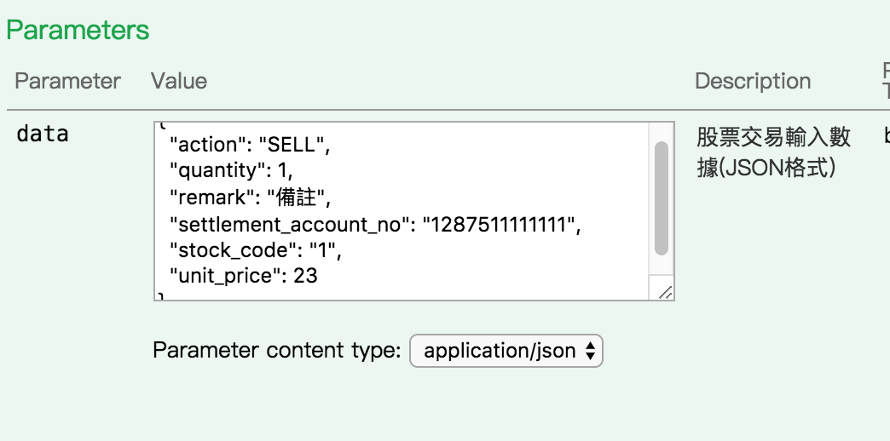
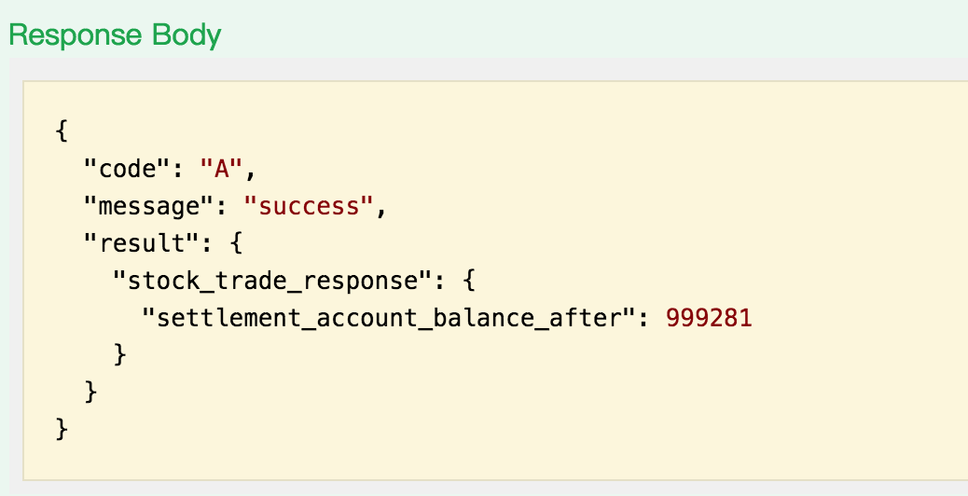
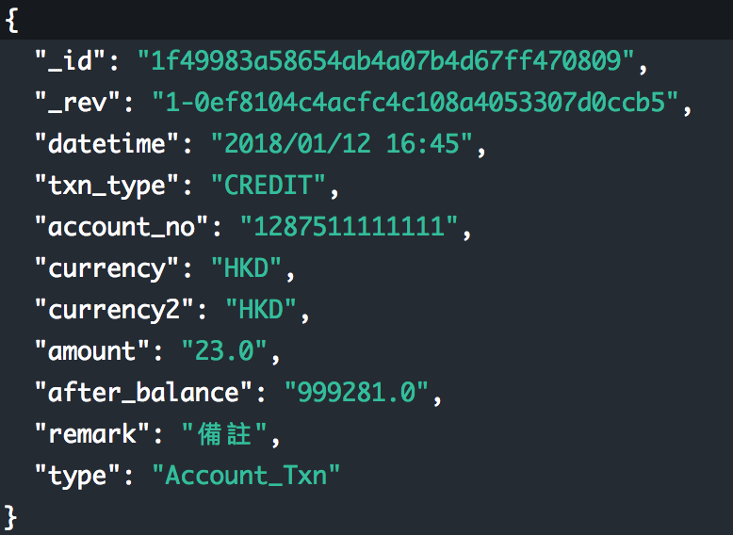
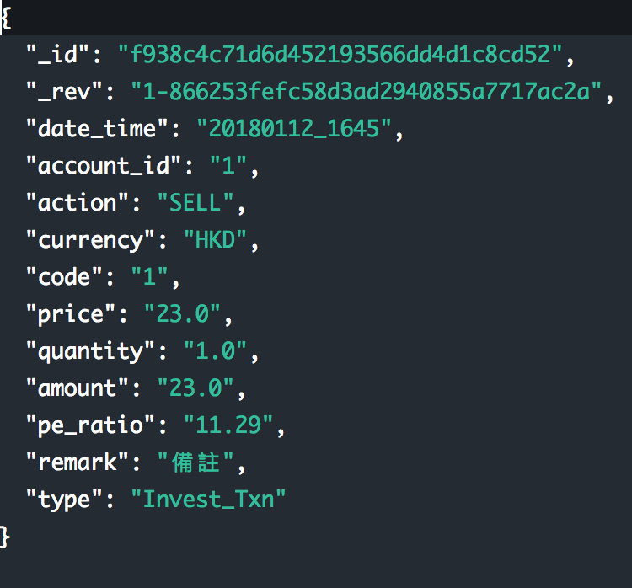
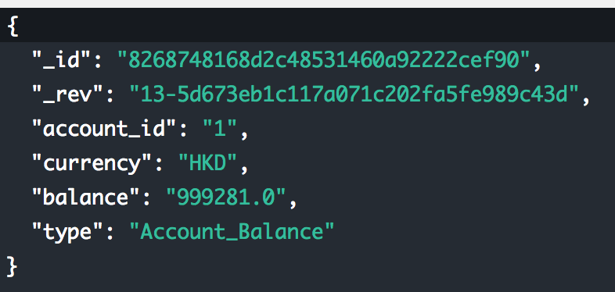
POST /investments/stock

1. The stock_trade_request object (https://bochkhackathon.restlet.io/#type_stock_trade_request) contain the fields of action, stock_code, unit_price, quantity, settlement_account_no & remark. |  |  |  | ok

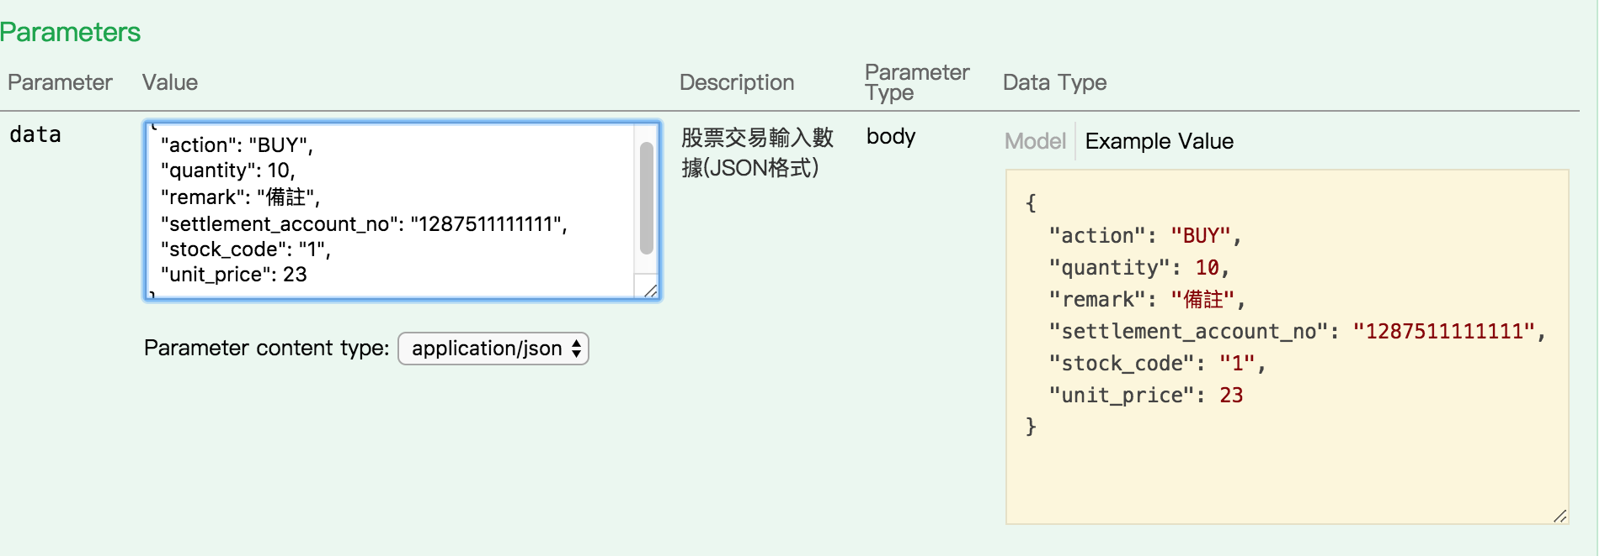

2. The action field is BUY or SELL. | ok

3. The checking logic is to validate if this stock_code is validate (can be hard code or make use of the stock table), validate the account balance got sufficient money for the BUY. |  |  | ok
目前只考虑了港币 是否要check 人民币 需求需要再考虑

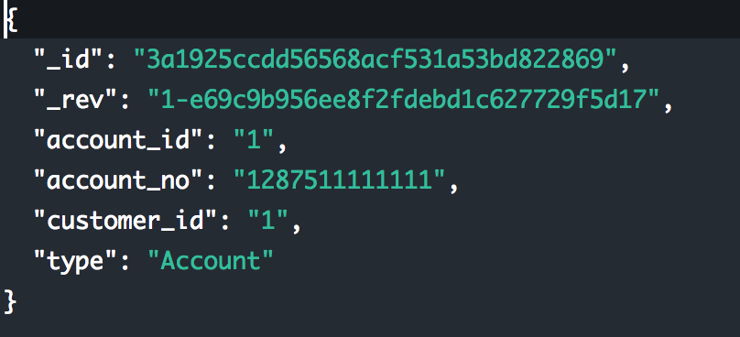
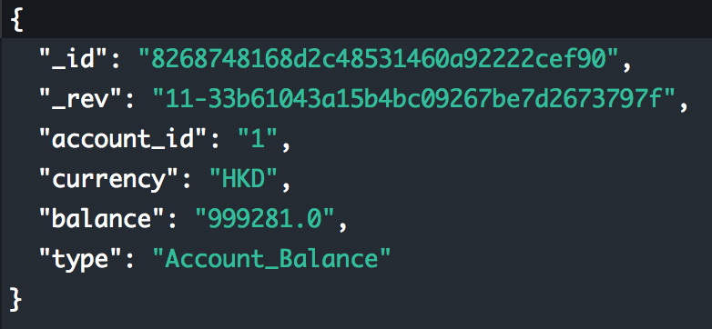

1）检查余额不足的case | ok
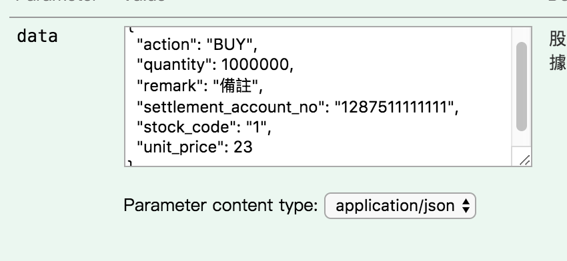
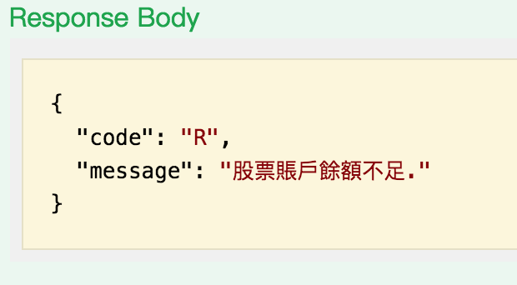

2）正常buy account_balance 数据更新 |  | ok

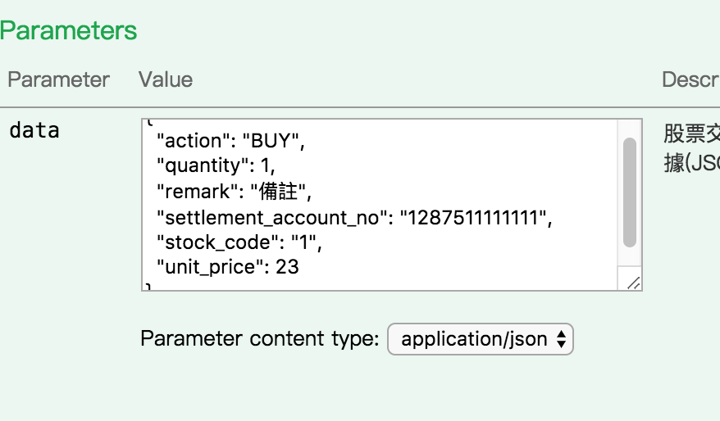
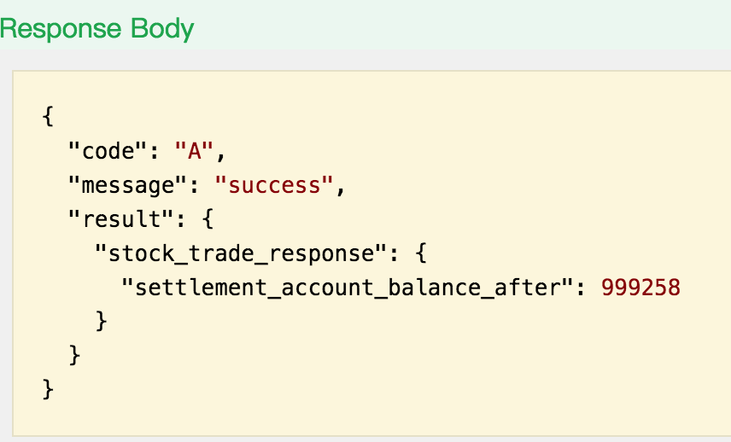
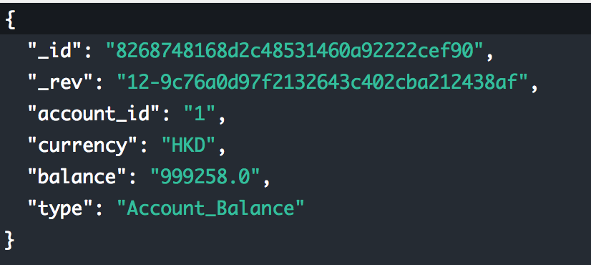

4. Once BUY is selected. Proceed to update the account_balance on the settlement_account_no. And at the same time INSERT one BUY record to the invest_txn and insert another record to the account_txn table with txn_type set to DEBIT.

ok
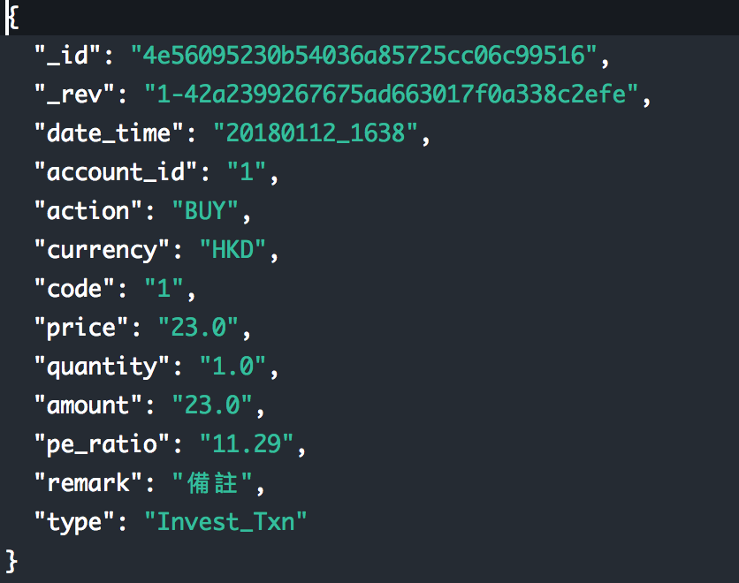
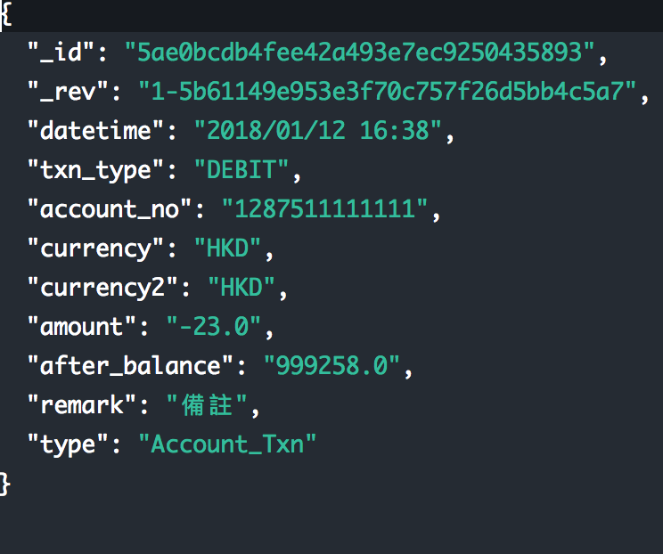

6. For stock SELL, proceed to update thte account_balance with the settlement_account_no. And at the same time INSERT one SELL record to the invest_txn table. And insert another rcord to the account_txn table with txn_type set to CREDIT.

ok

