Sheet1
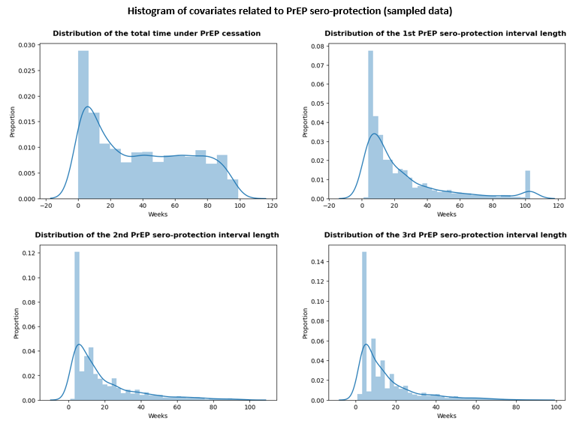
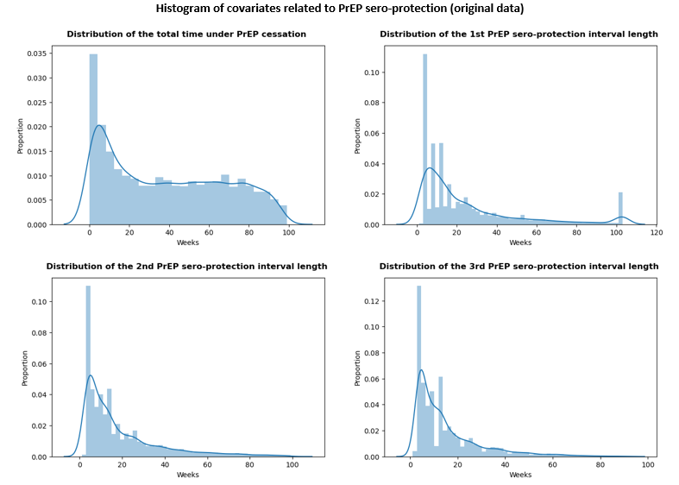
Attribute | Original Data (n=17,054) |  |  |  |  | Sampled Data (n= 4,000)
 | Mean | SD | Median | IQR |  | Mean | SD | Median | IQR
Total time under sub-optimal PrEP protection | 38.5 | 29.6 | 35.0 | 10.0 | 64.0 | 38.6 | 29.8 | 35.0 | 10.0 | 65.0
Length of 1st PrEP protective interval | 24.9 | 26.0 | 14.0 | 7.0 | 32.0 | 24.5 | 25.8 | 13.0 | 7.0 | 31.0
Length of 2nd PrEP protective interval | 18.8 | 18.7 | 12.0 | 5.0 | 25.0 | 18.7 | 18.4 | 12.0 | 5.0 | 25.0
Length of 3rd PrEP protective interval | 15.1 | 14.3 | 10.0 | 5.0 | 19.0 | 15.3 | 14.7 | 9.0 | 4.0 | 20.0

Number of PrEP protective interval | Original Data (n=17,054) |  | Sampled Data (n=4,000)
 | N | % | N | %
1 | 2,066 | 12.1% | 445 | 11.1%
2 | 3,491 | 20.5% | 810 | 20.2%
3 | 3,397 | 19.9% | 838 | 21.0%
4 | 2,808 | 16.5% | 682 | 17.0%
5 | 2,021 | 11.9% | 474 | 11.8%
6 | 1,323 | 7.8% | 300 | 7.5%
7 | 851 | 5.0% | 192 | 4.8%
8 | 525 | 3.1% | 131 | 3.3%
9+ | 572 | 3.3% | 128 | 3%

