Combined_Hydro
 | Predevelopment |  |  | Postdevelopment
Time (Minutes) | AGWA - Predevelopment | SWMM - Predevelopment | HEC-HMS - Predevelopment | AGWA - Postdevelopment | SWMM - Postdevelopment | HEC-HMS - Postdevelopment
0 | 0.000 | 0.000 | 0.000 | 0.000 | 0.000 | 0.000
5 | 0.007 | 0.000 | 0.000 | 0.007 | 0.000 | 0.000
10 | 0.026 | 0.000 | 0.000 | 0.026 | 0.001 | 0.000
15 | 0.053 | 0.000 | 0.000 | 0.053 | 0.025 | 0.000
20 | 0.071 | 0.000 | 0.000 | 0.077 | 0.100 | 0.000
25 | 0.080 | 0.000 | 0.000 | 0.099 | 0.229 | 0.000
30 | 0.089 | 0.000 | 0.000 | 0.139 | 0.400 | 0.000
35 | 0.101 | 0.000 | 0.000 | 0.195 | 0.630 | 0.100
40 | 0.117 | 0.000 | 0.000 | 0.258 | 0.943 | 0.100
45 | 0.148 | 0.000 | 0.000 | 0.339 | 1.379 | 0.200
50 | 0.245 | 0.000 | 0.000 | 0.502 | 2.017 | 0.300
55 | 0.651 | 0.000 | 0.200 | 0.970 | 3.096 | 0.700
60 | 4.360 | 0.008 | 1.600 | 4.725 | 5.760 | 2.100
65 | 7.102 | 0.379 | 4.400 | 7.329 | 9.318 | 5.000
70 | 3.904 | 0.861 | 3.100 | 4.054 | 10.003 | 3.000
75 | 1.615 | 0.889 | 1.700 | 1.745 | 10.239 | 1.600
80 | 0.890 | 0.887 | 0.900 | 1.020 | 10.463 | 0.900
85 | 0.578 | 0.876 | 0.600 | 0.704 | 10.583 | 0.500
90 | 0.409 | 0.857 | 0.400 | 0.527 | 10.703 | 0.400
95 | 0.304 | 0.836 | 0.200 | 0.416 | 10.784 | 0.300
100 | 0.233 | 0.812 | 0.200 | 0.339 | 10.868 | 0.200
105 | 0.183 | 0.788 | 0.100 | 0.282 | 10.929 | 0.100
110 | 0.147 | 0.763 | 0.100 | 0.241 | 10.989 | 0.100
115 | 0.121 | 0.739 | 0.000 | 0.210 | 11.039 | 0.100
120 | 0.102 | 0.714 | 0.000 | 0.186 | 11.088 | 0.100
125 | 0.069 | 0.680 | 0.000 | 0.133 | 11.076 | 0.100
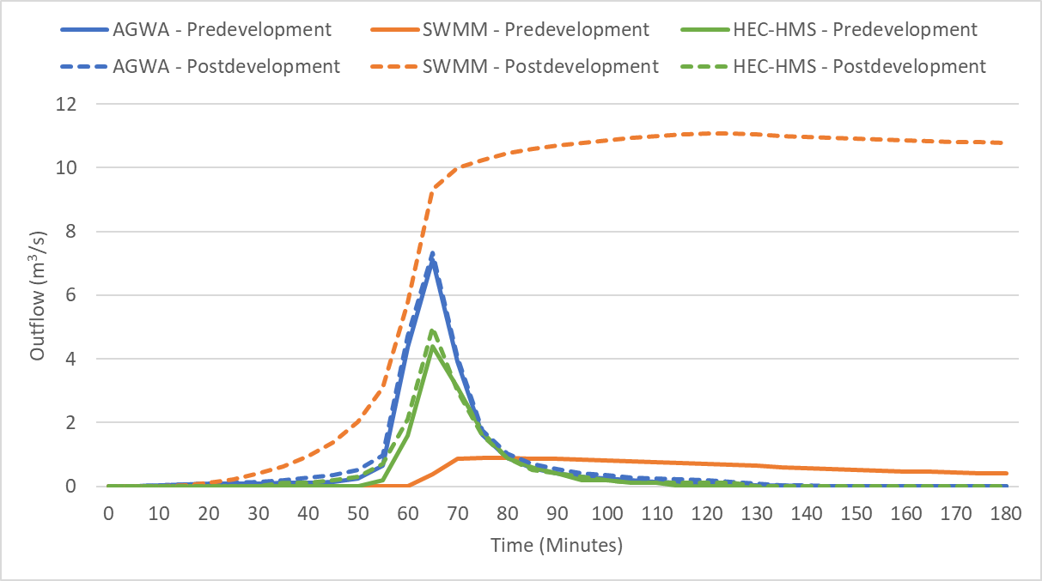
130 | 0.040 | 0.642 | 0.000 | 0.079 | 11.037 | 0.000
135 | 0.021 | 0.606 | 0.000 | 0.041 | 11.000 | 0.000
140 | 0.010 | 0.573 | 0.000 | 0.021 | 10.966 | 0.000
145 | 0.005 | 0.543 | 0.000 | 0.011 | 10.934 | 0.000
150 | 0.003 | 0.516 | 0.000 | 0.006 | 10.905 | 0.000
155 | 0.002 | 0.492 | 0.000 | 0.004 | 10.878 | 0.000
160 | 0.001 | 0.469 | 0.000 | 0.002 | 10.854 | 0.000
165 | 0.001 | 0.450 | 0.000 | 0.001 | 10.832 | 0.000
170 | 0.000 | 0.433 | 0.000 | 0.001 | 10.812 | 0.000
175 | 0.000 | 0.419 | 0.000 | 0.001 | 10.795 | 0.000
180 | 0.000 | 0.407 | 0.000 | 0.001 | 10.780 | 0.000

