SOP for Ingestion
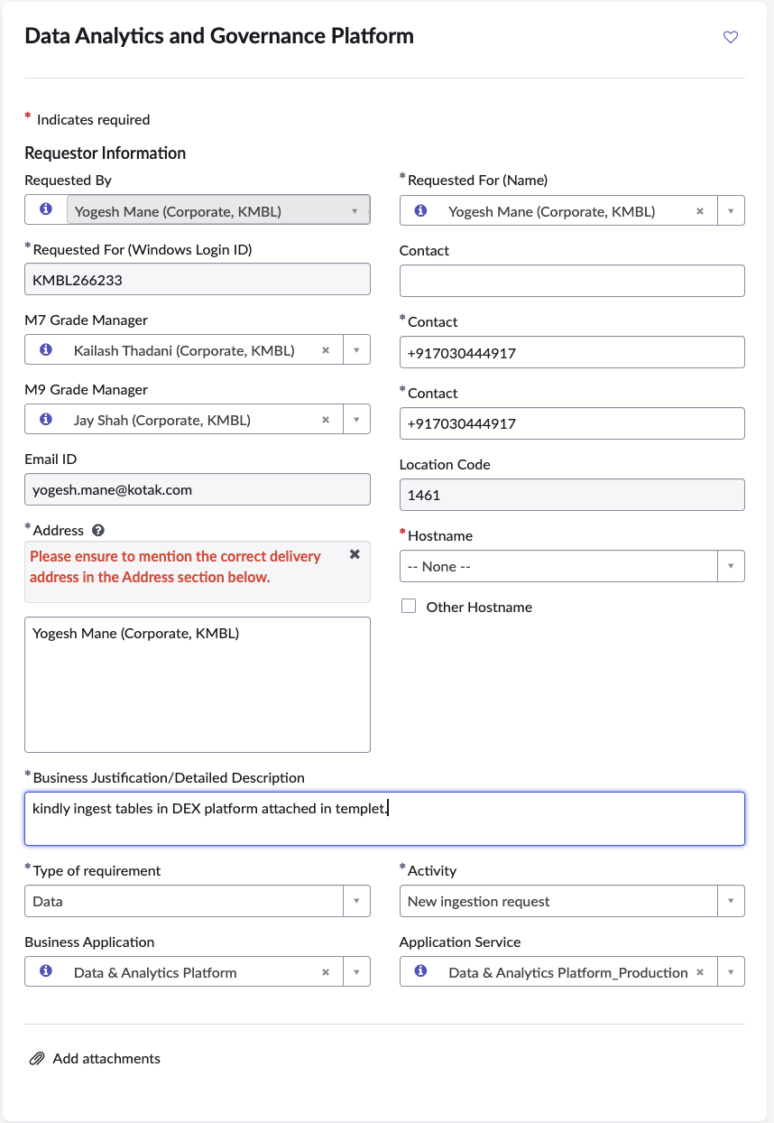
HIGH LEVEL STEPS INVOLVED IN DATA INGESTION PROCESSS | ACTIONABLE | TAT | ADDITIONAL DETAILS
➤ SNOW Request for New Data Ingestion ** | Requestor / User | NA
➤ Requirement Analysis | Data Ingestion Team (DI) | 1 Day
➤ SNOW Request for Source Table Access [Prod and Pre-Prod] | Data Ingestion Team (DI) | 1 Day
➤ Redshift Table Creation [Pre-Prod] | Data Ingestion Team (DI) | 0.5 Day
➤ Source System Port Opening | Firewall Team | 7 Days | 1) Applicable in case of New Source system integration to DEX 2) Port opening window is available on Saturdays between 1 AM and 5 AM (Not available during freeze period)
➤ OGG Replication | OGG Team | 3 Days/7 Days | 1) OGG replication window is available on Wednesdays and Saturdays between 1 AM and 5 AM (Not available during freeze period) 2) Additional days required for New Source System integration to DEX
➤ New MoveIT Task and Folder Creation | Windows Team | 1 Day | Applicable in case of File Ingestion
➤ Dag Creation [Pre-Prod] | Data Ingestion Team (DI) | 1 Day
➤ Historical Data Loading [Pre-Prod] | Data Ingestion Team (DI) | 1 Day
➤ DAG Execution [Pre-Prod] | Data Ingestion Team (DI) | 1 Day
➤ Data Validation [Pre-Prod] | Data Ingestion Team (DI) | 1 Day
➤ Production Deployment | Data Ingestion Team (DI) | 1 Day
➤ Full Data Loading [Pre-Prod to Prod] | Data Ingestion Team (DI) | 0.5 Day
➤ Data Validation [Prod] | Data Ingestion Team (DI) | 0.5 Day
➤ Monitor and Release | Data Ingestion Team (DI) | 2 Day
➤ Handover to Data Engineering Support team (DES) | Data Ingestion Team (DI) | 0.5 Day

** ServiceNow request page for new Data Ingestion.

