Sheet1
JAVA LEARNING TABLE. TO ACHIVE A JAVA PROF DEVELOPER
JOGA YOGESH I LOVE JAVA
Spring & Spring Boot spring IOC, spring mvc,spring boot,spring rest / Hibernate & Jpa
Git & Github. Maven & Gradle. Junit & Testng
postman/mockito

11/03/2021 ----------------11/04/2022
java + coding , technical + programming
Chapters and its child Topics
let's start the course, learn.. code with fun,
earn without fear.
 |  |  |  |  | git config | Git Commands
 |  |  | 1 | GIT & GIT HUB | git init | git config
 |  |  |  |  | git clone | Usage: git config –global user.name “[name]”
1 | Basics of JAVA ( completed) |  | 2 | maven and Gradle | git add | Usage: git config –global user.email “[email address]”
This is the my JAVA course content and My daily learning Track sheet
Total 31 Topics to cover
 |  |  |  |  | git commit | This command sets the author name and email address respectively to be used with your commits.
2 | Class, Object, and Types of classes (Completed) |  | 3 | junit & TestNG | git diff
 |  | 1. Basics of Java |  |  | git reset | git init
3 | Packages in Java (completed) | Chapter 1 contains the basic introduction to the Java language such as | 4 | postaman and Mockito | git status | Usage: git init [repository name]
my completion of the java topics
Basics of JAVA ( completed)
Class, Object, and Types of classes (Completed)
Packages in Java (completed)
Data Types in Java (completed)
Variables, constants, and literals (completed)
Methods in Java (completed)
Constructor in Java (completed)
Modifiers in java (completed)
Static keyword (Completed)
Final keyword (i dont sure but completed)
Inner Class in Java (completed)
Super and This keywords (completed)
OOPs concepts (compelted)
Encapsulation (compelted)
Inheritance (completed)
Polymorphism (completed)
Abstraction (completed)
This is the Daily Taskes
with in week to complete this task
Agil method
Design Patterns
(Singleton, Factory, Abstract factory, Strategy, Template, Builder, Prototype)
 |  | √ What is Java? |  |  | git rm
4 | Data Types in Java (completed) | √ History and Features of Java |  |  | git log | This command is used to start a new repository.
 |  | Java Tutorials |  |  | git show
5 | Variables, constants, and literals (completed) | Java Introduction + |  |  | git tag | git clone
 |  | Basics of Java + |  |  | git branch | Usage: git clone [url]
6 | Methods in Java (completed) | Java Class and Object + |  |  | git checkout | This command is used to obtain a repository from an existing URL.
 |  | Java Data types and Variables + |  |  | git merge
7 | Constructor in Java (completed) | Java Operators + |  |  | git remote
 |  | + |  |  | git push
8 | Modifiers in java (completed) | Decision Making, Branching, |  |  | git pull | git add
 |  | Looping |  |  | git stash | Usage: git add [file]
9 | Static keyword (Completed) | Java Packages + |  |  |  | This command adds a file to the staging area.
 |  | Java Methods +
10 | Final keyword (completed) | Java Constructor + |  |  |  | Usage: git add *
 |  | Java Modifiers + |  |  |  | This command adds one or more to the staging area.
11 | Inner Class in Java (completed) | Blocks in Java +
 |  | Java Static and Final Keywords + |  |  |  | git commit
12 | Super and This keywords (completed) | Inner Classes in Java + |  |  |  | Usage: git commit -m “[ Type in the commit message]”
 |  | OOPs Concepts in Java + |  |  |  | This command records or snapshots the file permanently in the version history.
13 | OOPs concepts (compelted) | Java Encapsulation +
 |  | Inheritance in Java +
14 | Encapsulation (compelted) | Java Super and This keywords +
 |  | Java Overloading +
15 | Inheritance (completed) | Java Overriding +
 |  | Java Abstraction +
16 | Polymorphism (completed) | Java Polymorphism + |  |  |  | Usage: git commit -a
 |  | √ C++ vs Java |  |  |  | This command commits any files you’ve added with the git add command and also commits any files you’ve changed since then.
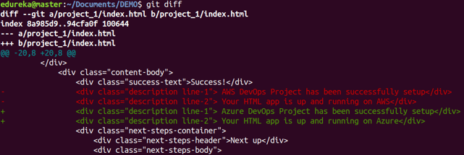
19 | Input Output Stream | √ Internal details of JVM
 |  | √ Unicode System, Operators, Keywords, and Control Statements like if-else,
20 | Collections Framework | switch, For loop, while loop, etc.

21 | Serialization

22 | Exception Handling in java | 2. Class, Object, and Types of classes |  |  |  | Usage: git diff –staged
 |  | Chapter 2 deals with the most important and core concepts of Java. They |  |  |  | This command shows the differences between the files in the staging area and the latest version present.
23 | Java Annotations (completed) | are:
 |  | √ Naming convention of Java
24 | Java arrays ( completed) | √ Classes, Objects, and Features. It explains how to declare a class, how to
 |  | create an object in Java.
25 | String, String Buffer, String Builder (completed) | √ Object declaration and initialization
 |  | √ Life cycle of an object |  |  |  | Usage: git diff [first branch] [second branch]
26 | Reflection in java | √ Anonymous object in Java |  |  |  | This command shows the differences between the two branches mentioned.

27 | Java Thread
 |  | 3. Packages in Java
28 | JDBC | Chapter 3 deals with Packages in Java. Under this chapter, we will learn the
 |  | following topics.
29 | Agile | √ How to declare package in a company project |  |  |  | git reset
 |  | √ Package naming conventions |  |  |  | Usage: git reset [file]
30 | Design Patterns | √ Sub packages |  |  |  | This command unstages the file, but it preserves the file contents.
 |  | √ Types of packages such as user-defined packages, built-in packages
31 | Database sql??? | √ Importing packages in Java
 |  |  |  |  |  | Usage: git reset [commit]
 |  |  |  |  |  | This command undoes all the commits after the specified commit and preserves the changes locally.

 |  | 4. Data types in Java |  |  |  | Usage: git reset –hard [commit] This command discards all history and goes back to the specified commit.
 |  | This chapter deals with the following topics in Java.
 |  | √ Data types in Java |  |  |  | git status
 |  | √ Primitive data types |  |  |  | Usage: git status
 |  | √ Non-primitive data types |  |  |  | This command lists all the files that have to be committed.
 |  | √ Memory allocation of primitive and non-primitive data types, etc.

 |  | 5. Variables, Constants, and Literals
 |  | Chapter 5 discusses three topic variables, constants, and literals. You will |  |  |  | git rm
 |  | learn the following subtopics in this chapter. |  |  |  | Usage: git rm [file]
 |  | √ Variable declaration & initialization |  |  |  | This command deletes the file from your working directory and stages the deletion.
 |  | Class and Objects in Java with Realtime Example
 |  | Packages in Java with Example Programs |  |  |  | git log
 |  | Data types in Java |  |  |  | Usage: git log
 |  | √ Naming convention |  |  |  | This command is used to list the version history for the current branch.
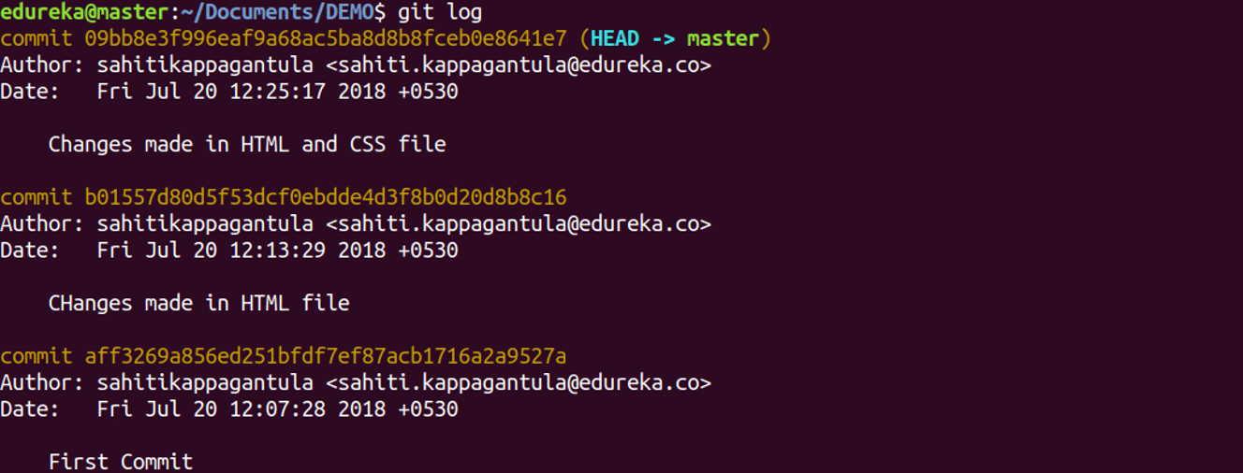
 |  | √ Types of variables such as local variables, instance variables, and static
 |  | variables
 |  | √ Scope and memory allocation of variables.

 |  | 6. Methods in Java
 |  | √ Methods in Java
 |  | √ Use of method in Java
 |  | √ Method declaration, method signature
 |  | √ Types of methods in Java: predefined method, user-defined methods:
 |  | instance method, static method
 |  | √ Calling of method
 |  | √ Java main method
 |  | √ Return type in Java.

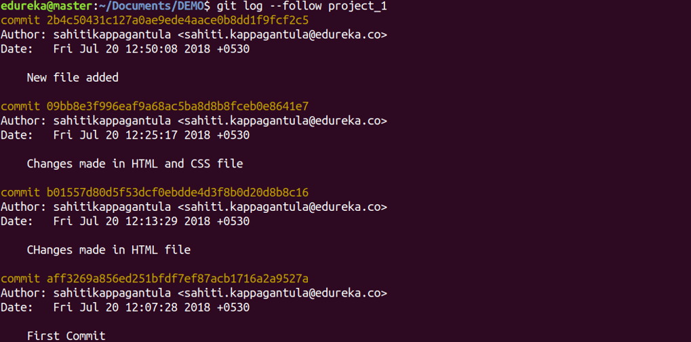
 |  |  |  |  |  | Usage: git log –follow[file]
 |  |  |  |  |  | This command lists version history for a file, including the renaming of files also.
 |  | 7. Constructor in Java
 |  | In this chapter, you will familiar with topics like:
 |  | √ What is Constructor in Java?
 |  | √ Types of constructors: Default and Parameterized constructors
 |  | √ Java constructor overloading
 |  | √ Constructor chaining in java
 |  | √ Copy constructor in Java

 |  | 8. Modifiers in Java
 |  | This chapter deals with topics like
 |  | √ What is Access modifier and Non-access modifier in Java?
 |  | √ Types of access modifiers like private, default, protected, and public
 |  | √ Types of Non-access modifiers like abstract, final, native, static, Strictfp,
 |  | synchronized modifier, transient, volatile.
 |  |  |  |  |  | git show
 |  |  |  |  |  | Usage: git show [commit]
 |  |  |  |  |  | This command shows the metadata and content changes of the specified commit.
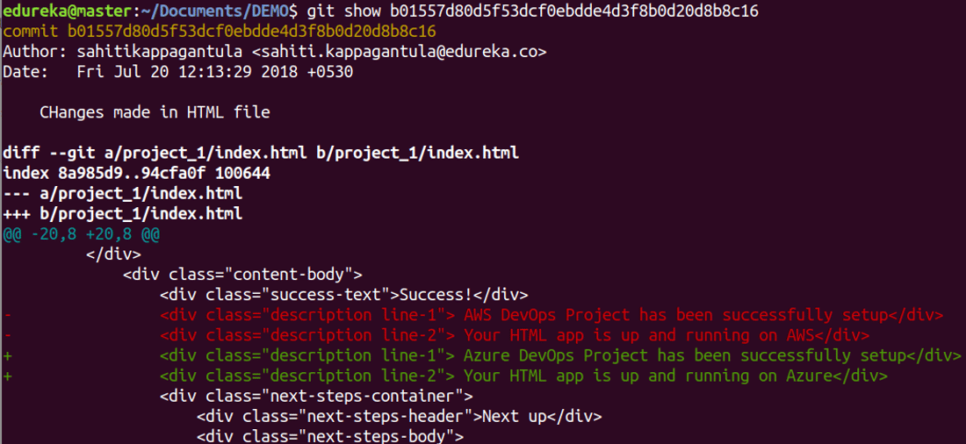
 |  | 9. Static Keyword
 |  | This chapter deals with the following important topics.
 |  | √ What is Static keyword?
 |  | Variables in Java | Types of Variables
 |  | Java Methods | Declaration & Method Signature
 |  | √ Static variable
 |  | √ Static method
 |  | √ Static block, Instance block
 |  | √ Static Nested Class in Java
 |  | √ Difference between static variable and instance variable, static method
 |  | and instance method, static block, and instance block.

 |  | 10. Final Keyword
 |  | Under this chapter, you will learn three important topics:
 |  | √ Final keyword |  |  |  | git tag
 |  | √ Final variable |  |  |  | Usage: git tag [commitID]
 |  | √ Final method |  |  |  | This command is used to give tags to the specified commit.
 |  | √ Final class.

 |  |  |  |  |  | git branch
 |  |  |  |  |  | Usage: git branch
 |  | 11. Inner Class in Java |  |  |  | This command lists all the local branches in the current repository.
 |  | This chapter deals with the following topics. They are:
 |  | √ What is Inner class in Java?, Properties of inner class, Instantiating inner |  |  |  | Usage: git branch [branch name]
 |  | class. |  |  |  | This command creates a new branch.
 |  | √ Types of inner class in Java: Normal inner class, Method local inner class,
 |  | Anonymous inner class, and Static nested class. |  |  |  | Usage: git branch -d [branch name]
 |  |  |  |  |  | This command deletes the feature branch.

 |  | 12. Super and this Keyword |  |  |  | git checkout
 |  | This chapter can be partitioned into two sections: Super and This keyword. |  |  |  | Usage: git checkout [branch name]
 |  | The first section discusses with |  |  |  | This command is used to switch from one branch to another.
 |  | √ Super keyword
 |  | √ Calling of superclass instance variable |  |  |  | Usage: git checkout -b [branch name]
 |  | √ Superclass constructor |  |  |  | This command creates a new branch and also switches to it.
 |  | √ Superclass method.
 |  | The second section deals with |  |  |  | git merge
 |  | √ This keyword |  |  |  | Usage: git merge [branch name]
 |  | √ Calling of current class constructor, and method. |  |  |  | This command merges the specified branch’s history into the current branch.

 |  |  |  |  |  | git remote
 |  |  |  |  |  | Usage: git remote add [variable name] [Remote Server Link]
 |  | 13. OOPs concepts |  |  |  | This command is used to connect your local repository to the remote server.
 |  | In this chapter, you will learn the most important topic Object-oriented
 |  | programming system (OOPs). In the OOPs concept, you will learn class, |  |  |  | git push
 |  | object, encapsulation, inheritance, polymorphism, and abstraction. All topics |  |  |  | Usage: git push [variable name] master
 |  | are very important for interview purposes. |  |  |  | This command sends the committed changes of master branch to your remote repository.

 |  | 14. Encapsulation
 |  | This chapter deals with the following topics in Java. |  |  |  | Usage: git push [variable name] [branch]
 |  | √ Encapsulation in Java |  |  |  | This command sends the branch commits to your remote repository.
 |  | √ How to achieve Encapsulation
 |  | √ Data hiding
 |  | √ Tightly encapsulated class
 |  | √ Getter and setter method in Java |  |  |  | Usage: git push –all [variable name]
 |  | √ Naming convention of getter and setter method |  |  |  | This command pushes all branches to your remote repository.

 |  | 15. Inheritance
 |  | This chapter deals with
 |  | √ Inheritance in Java |  |  |  | Usage: git push [variable name] :[branch name]
 |  | √ Is-A Relationship |  |  |  | This command deletes a branch on your remote repository.
 |  | √ Aggregation and Composition(HAS-A)
 |  | √ Types of inheritance: Single level, Multilevel, Hierarchical, Multiple, and
 |  | Hybrid inheritance. |  |  |  | git pull
 |  |  |  |  |  | Usage: git pull [Repository Link]
 |  |  |  |  |  | This command fetches and merges changes on the remote server to your working directory.

 |  | 16. Polymorphism
 |  | This chapter deals with
 |  | √ Polymorphism in Java, |  |  |  | git stash
 |  | √ Types of polymorphism: Compile-time polymorphism and Run-time |  |  |  | Usage: git stash save
 |  | polymorphism |  |  |  | This command temporarily stores all the modified tracked files.
 |  | √ Static and Dynamic Binding
 |  | √ Method overloading |  |  |  | Usage: git stash pop
 |  | √ Method overriding |  |  |  | This command restores the most recently stashed files.
 |  | √ Rules of method overloading and method overriding, various example
 |  | programs related to rules of overloading and overriding.
 |  | √ Covariant Return type

 |  |  |  |  |  | Usage: git stash list
 |  |  |  |  |  | This command lists all stashed changesets.
 |  | 17. Abstraction
 |  | In this chapter, you will familiarize with the most important topics in Java. |  |  |  | Usage: git stash drop
 |  | √ Abstraction in Java |  |  |  | This command discards the most recently stashed changeset.
 |  | √ Abstract class
 |  | √ Abstract method
 |  | √ Interface in Java
 |  | √ Nested interface, rules, and example programs.

 |  | 18. Garbage Collection
 |  | This chapter deals with garbage collection in Java.

 |  | 19. Input Output Stream
 |  | In this chapter, you will learn topics like
 |  | √ FileOutputStream, FileInputStream
 |  | √ BufferedOutputStream, BufferedInputStream
 |  | √ SequenceInputStream
 |  | √ ByteArrayOutputStream, ByteArrayInputStream
 |  | √ DataOutputStream, DataInputStream
 |  | √ Java FilterOutputStream, Java FilterInputStream
 |  | √ Java ObjectStream, Java ObjectStreamField
 |  | √ Console
 |  | √ FilePermissionWriter, Reader, FileWriter, FileReader
 |  | √ BufferedWriter, BufferedReader
 |  | √ CharArrayReader, CharArrayWriter
 |  | √ PrintStream, PrintWriter
 |  | √ OutputStreamWriter, InputStreamReader
 |  | √ PushbackInputStream, PushbackReader
 |  | √ StringWriter, StringReader
 |  | √ PipedWriter, PipedReader
 |  | √ FilterWriter, FilterReader, File FileDescriptor, RandomAccessFile, and
 |  | java.util.Scanner.

 |  | 20. Collections Framework
 |  | This chapter is one of the most favorite chapters of the interviewer. It deals
 |  | with the following important topics like
 |  | √ What is Collections Framework?
 |  | √ List, Set, SortedSet, Queue, Deque, Map, Iterator, ListIterator, and
 |  | Enumeration.
 |  | √ ArrayList, LinkedList, HashSet, LinkedHashSet, TreeSet, ArrayDeque,
 |  | PriorityDeque, EnumSet, AbstractCollection, AbstractList, AbstractQueue,
 |  | AbstractSet, and AbstractSequentialList.
 |  | √ Map, Map Entry, SortedMap, and NavigableMap
 |  | √ HashMap, LinkedHashMap, TreeMap, IdentityHashMap, WeakHashMap, and
 |  | EnumMap.
 |  | √ Comparator, RandomAccess interfaces as well as Observable class.

 |  | 21. Serialization
 |  | This chapter deals with Serialization, Deserialization, and Java transient
 |  | keyword.

 |  | 22. Exception Handling in Java
 |  | This chapter is very important for any Java technical test or Java technical
 |  | interview. In this chapter, you will familiar with
 |  | √ Exception Handling in Java
 |  | √ Try-catch block
 |  | √ Multiple Catch Block
 |  | √ Nested try block
 |  | √ Finally block
 |  | √ Throw Keyword
 |  | √ Throws Keyword
 |  | √ Throw vs Throws, Final vs Finally vs Finalize
 |  | √ Exception Handling with Method Overriding Java Custom Exceptions

 |  | 23. Java Annotations
 |  | This chapter deals with Java annotations, Built-In Java annotations like @Override, @SuppressWarnings, @Deprecated, @Target, @Retention,
 |  | @Inherited, @Documented, Java custom annotations, and types of
 |  | annotations.

 |  | 24. Reflection in Java
 |  | √ Reflection API
 |  | √ NewInstance() & Determining the class object
 |  | √ Javap tool, Creating javap tool
 |  | √ Creating applet viewer
 |  | √ Accessing private method from outside the class

 |  | 25. Java Array
 |  | This chapter deals with
 |  | √ Java Array
 |  | √ Types of array: single dimensional array, multidimensional array,
 |  | declaration, instantiation, and initialization of Java array
 |  | √ Passing array to a method
 |  | √ Anonymous array in Java
 |  | √ Cloning an array in Java

 |  | 26. String, String Buffer, String Builder
 |  | This is the most important chapter in the whole core java. It will deal with
 |  | basically three topics such as
 |  | √ String,
 |  | √ Immutable String
 |  | √ String Comparision, String concatenation
 |  | √ Substring
 |  | √ StringBuffer class
 |  | √ StringBuilder class
 |  | √ toString method
 |  | √ StringTokenizer class

 |  | 27. Java Thread
 |  | √ Java multithreading
 |  | √ Multithreading life cycle of a thread creating
 |  | √ Thread scheduler
 |  | √ Sleeping a thread, Start a thread twice
 |  | √ Calling run() method
 |  | √ Joining a thread
 |  | √ Naming a thread
 |  | √ Thread priority,
 |  | √ Daemon thread
 |  | √ Thread pool
 |  | √ Thread group
 |  | √ Shutdownhook
 |  | √ Java Synchronization: synchronized method, synchronized block, static
 |  | synchronization
 |  | √ Deadlock
 |  | √ Inter-thread Communication
 |  | √ Interrupting Thread

 |  | 28. JDBC
 |  | This chapter deals with
 |  | √ JDBC Drivers
 |  | √ Steps to connect to Database
 |  | √ Connectivity with Oracle
 |  | √ Connectivity with MySQL
 |  | √ Connectivity with Access without DSN
 |  | √ DriverManager
 |  | √ Types of JDBC statements: Statement, Prepared statement, Callable
 |  | statement
 |  | √ Database Metadata, Resultset Metadata
 |  | √ ResultSet, types of ResultSet,
 |  | √ Storing image, Retrieving image
 |  | √ Storing file, Retrieving file, Stored procedures, and functions
 |  | √ Transaction Management
 |  | √ Batch Processing
 |  | √ JDBC New Features, Mini Project, and interview questions.

 |  | 29. Agile
 |  | In this chapter, you will familiar with
 |  | √ Agile model
 |  | √ Advantages, and Disadvantages of Agile model
 |  | √ Agile versus Waterfall method
 |  | √ Important terminology: Scrum, Scrum Master, Flow of Agile
 |  | Implementation, Sprint, and Burn down Charts.

 |  | 30. Design Pattern
 |  | In design pattern chapter, you will learn
 |  | √ Singleton Object
 |  | √ Singleton design pattern with Serialization

 |  | Next ⇒
 |  | √ Factory Pattern
 |  | √ Abstract Factory.

 |  | 31. Database
 |  | Hope that this core java syllabus will help you to know about important core
 |  | java topics. All of these topics are very important for technical tests and
 |  | interviews.
 |  | If you follow and study these topics nicely then you can crack any java
 |  | technical interview and technical test in 2021.
 |  | Thank

