Normalization
 | ASSUMPTIONS
 | 1. Order ID is unique. 2. Customer ID is unique. 3. We are covering restaurants of Delhi. 4. Franchise restaurant chains have different restaurant IDs for different loactions

TABLE 1 | Order ID | Date | Customer ID | Customer Name | Customer Phone | Restaurant_ID | Restaurant location | Food Price | Item Id | Item Ordered | Time for delivering | Delivery Partner | Partner ID
 | 101 | 2022-01-30 | AA100 | Harish Kumar | 9878967232 | 721 | Vasant Kunj | 300 | 7214 | Chicken Tikka | 36 | Brijesh Singh | Z334
 | 112 | 2022-01-31 |  |  |  | 721 | Vasant Kunj | 100 | 7216 | Butter Naan | 36 | Brijesh Singh | Z334
 | 102 | 2022-01-30 | AA101 | Harvinder Pal | 9345678900 | 771 | Malviya Nagar | 250 | 7715 | Paneer Tikka | 40 | Manoj Pal | Z322
 | 114 | 2022-01-31 |  |  |  | 771 | Malviya Nagar | 100 | 7716 | Chole Bathure | 40 | Manoj Pal | Z322
 | 103 | 2022-01-31 | AA102 | Kush Mehra | 9876512345 | 321 | Saket | 80 | 3216 | Pav Bhaji | 44 | Kushwant Singh | Z336
 | 209 | 2022-02-07 |  |  |  | 721 | Vasant Kunj | 350 | 7217 | Fish Fry | 36 | Brijesh Singh | Z334
 | 299 | 2022-02-18 |  |  |  | 112 | Rohini | 100 | 1128 | Veg Noodles | 40 | Manohar Dubey | Z337
 | 104 | 2022-02-01 | AA103 | Akhilesh Pal | 8156789043 | 112 | Rohini | 150 | 1125 | Manchurian | 40 | Manohar Dubey | Z337
 | 199 | 2022-02-02 |  |  |  | 112 | Rohini | 350 | 1127 | Chicken Tikka | 40 | Manohar Dubey | Z337
 | 105 | 2022-02-01 | AA104 | Babjeet Singh | 9711546789 | 543 | Greater Kailash | 550 | 5432 | Butter Chicken | 40 | Brijesh Singh | Z334
 | 188 | 2022-02-02 |  |  |  | 654 | Chhatarpur | 700 | 6541 | Mutten Rogan Josh | 44 | Zoravar Singh | Z889
 | 192 | 2022-02-03 |  |  |  | 654 | Chhatarpur | 150 | 6542 | Dal Makhani | 44 | Zoravar Singh | Z889
 | 106 | 2022-02-02 | AA105 | Ayush Srivastava | 9876541234 | 721 | Vasant Kunj | 100 | 7219 | Chilly Potato | 36 | Brijesh Singh | Z334
 | 109 | 2022-02-03 |  |  |  | 721 | Vasant Kunj | 80 | 7214 | Chicken Tikka | 36 | Brijesh Singh | Z334

FIRST NORMAL FORM
NO NESTED TABLES
DEFINING PRIMARY KEYS - MARKED IN RED
TABLE 2 | Order ID | Date | Customer ID | Customer Name | Customer Phone | Restaurant_ID | Restaurant location | Food Price | Item Id | Item Ordered | Time for delivering | Delivery Partner | Partner ID
 | 101 | 2022-01-30 | AA100 | Harish Kumar | 9878967232 | 721 | Vasant Kunj | 300 | 7214 | Chicken Tikka | 36 | Brijesh Singh | Z334
 | 101 | 2022-01-30 | AA100 | Harish Kumar | 9878967232 | 721 | Vasant Kunj | 100 | 7216 | Butter Naan | 36 | Brijesh Singh | Z334
 | 102 | 2022-01-31 | AA101 | Harvinder Pal | 9345678900 | 771 | Malviya Nagar | 250 | 7715 | Paneer Tikka | 40 | Manoj Pal | Z322
 | 102 | 2022-01-31 | AA101 | Harvinder Pal | 9345678900 | 771 | Malviya Nagar | 100 | 7716 | Chole Bathure | 40 | Manoj Pal | Z322
 | 103 | 2022-01-31 | AA102 | Kush Mehra | 9876512345 | 321 | Saket | 80 | 3216 | Pav Bhaji | 44 | Kushwant Singh | Z336
 | 209 | 2022-02-07 | AA102 | Kush Mehra | 9876512345 | 721 | Vasant Kunj | 350 | 7217 | Fish Fry | 36 | Brijesh Singh | Z334
 | 299 | 2022-02-18 | AA102 | Kush Mehra | 9876512345 | 112 | Rohini | 100 | 1128 | Veg Noodles | 40 | Manohar Dubey | Z337
 | 199 | 2022-02-02 | AA103 | Akhilesh Pal | 8156789043 | 112 | Rohini | 150 | 1125 | Manchurian | 40 | Manohar Dubey | Z337
 | 199 | 2022-02-02 | AA103 | Akhilesh Pal | 8156789043 | 112 | Rohini | 350 | 1127 | Chicken Tikka | 40 | Manohar Dubey | Z337
 | 105 | 2022-02-01 | AA104 | Babjeet Singh | 9711546789 | 543 | Greater Kailash | 550 | 5432 | Butter Chicken | 40 | Brijesh Singh | Z334
 | 188 | 2022-02-02 | AA104 | Babjeet Singh | 9711546789 | 654 | Chhatarpur | 700 | 6541 | Mutten Rogan Josh | 44 | Zoravar Singh | Z889
 | 188 | 2022-02-03 | AA104 | Babjeet Singh | 9711546789 | 654 | Chhatarpur | 150 | 6542 | Dal Makhani | 44 | Zoravar Singh | Z889
 | 106 | 2022-02-02 | AA105 | Ayush Srivastava | 9876541234 | 721 | Vasant Kunj | 100 | 7219 | Chilly Potato | 36 | Brijesh Singh | Z334
 | 106 | 2022-02-03 | AA105 | Ayush Srivastava | 9876541234 | 721 | Vasant Kunj | 80 | 7214 | Chicken Tikka | 36 | Brijesh Singh | Z334

 | Current Schema contains |  | Order ID
 | ONLINE FOOD DELIVERY SYSTEM |  | Date
 |  |  | Customer ID
 |  |  | Customer Name
 |  |  | Customer Phone
 |  |  | Restaurant_ID
 |  |  | Restaurant location
 |  |  | Food Price
 |  |  | Item Id
 |  |  | Item Ordered
 |  |  | Time for delivering
 |  |  | Delivery Partner
 |  |  | Partner ID

Second Normal Form: No Dependencies on a part of a Composite Primary Key
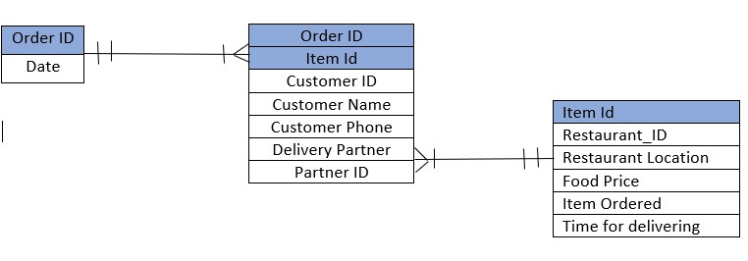

 | Date | Depends On | Order ID

 | Restaurant_ID
 | Restaurant location
 | Food Price | Depends On | Item Id
 | Item Ordered
 | Time for delivering

Third Normal Form: No Dependencies on Non-Key Attributes |  |  |  |  |  |  | Revised ERD
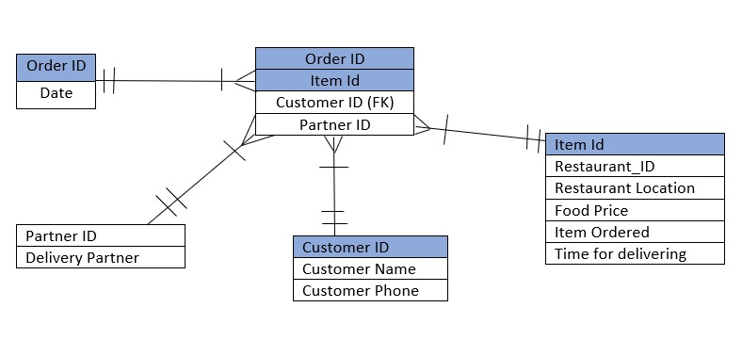
Finall List |  |  |  |  |  |  | Orders
 | Orders |  |  |  |  | Orders_items
 | Order ID(PK) | Date |  | Order ID(PK) | Item Id(pk) | Partner ID | Customer ID(FK)

 | Partner table
 | Partner ID | Delivery Partner

 | Items
Item Id | Restaurant_ID | Restaurant location | Food Price | Item Ordered | Time for delivering

 |  |  |  |  | Coustomer table
 |  |  |  | Customer ID(PK) | Customer Name | Customer Phone

ER Diagram
