STATISTICAL
LARGE | Values |  |  |  |  |  |  |  |  | 25
 | 120 | 250 | Highest Value |  |  |  | 1790 |  |  | 62
 | 800 |  | 2nd Highest Value |  |  |  | 358 |  |  | 52
 | 500 |  | 3rd Highest Value |  |  |  |  |  |  | NA
 | 120 |  | 4th Highest Value |  |  |  |  |  |  | 45
 | 250 |  | 5th Highest Value |  |  |  |  |  |  | 25
 |  |  |  |  |  |  | 65 |  |  | NA
 |  |  |  |  |  |  | 25 |  |  | 65
SMALL | Values
 | 120 | 122 | Highest Value
 | 800 |  | 2nd Highest Value |  |  |  |  |  |  | 45.666666667
 | 500 |  | 3rd Highest Value
 | 122 |  | 4th Highest Value |  |  |  |  |  |  | 34.25
 | 250 |  | 5th Highest Value

COUNTBLANK
 | Name | English
 | Mouse |  |  |  |  |  |  |  |  | 3
 | Keyboard | 85
 | Pen | 35
 | Book | 62 |  | 1
 | CPU | 50
COUNTA
 | Name | English
 | Mouse
 | Keyboard | 85
 | Pen | 35
 | Book | 62 |  |  | 11
 | CPU | 50 |  | 4

RANK | Athlete | Time | Race Position
 | Mouse | 1:30:00 | 2
 | Clock | 1:45:00 | 4
 | Pen | 1:02:00 | 1
 | Keyboard | 1:36:00 | 3

 |  |  |  |  |  |  | ABC
PERMUT | Letter In Alphabet | 15 | 259459200 | 3
 | Password Size | 8 |  |  |  |  | ABC
 | Permutations | 259459200 |  |  |  |  | CAB
AVERAGE |  |  |  |  |  |  | ACB
MIN |  |  |  |  |  |  | BCA
MAX |  |  |  |  |  |  | CBA
AVERAGEA |  |  |  |  |  |  | BAC
 | Region | Orders
 | satara | 228
 | sangli | 267
 | satara | 279
 | satara | 217

 | 99.1

AVERAGEIF | 2012 Regional Cookie Sales
 | Region | Orders | Total Sales |  |  | City | Qut
 | satara | 228 | 49017 |  |  | satara | 55954
 | latur | 267 | 70702 |  |  | latur
 | satara | 279 | 77738 |  |  | satara
 | satara | 217 | 41107 |  |  | satara
 | sangli | 224 | 41676 |  |  | sangli
 | latur | 99 | 69496 |  |  | latur
 | latur | 268 | 72707 |  |  | latur

 |  | Latur | 70968.333333
 |  |  |  |  |  | 96363435
AVERAGEIFS
 | SALES REGION | ORDERS | AVERSGE SALES |  |  | City
 | latur | <100 | 69496.00 |  |  | latur
 |  |  |  |  |  | satara
SUMIF | 2012 Regional Cookie Sales
 | Region | Orders | Total Sales
 | satara | 228 | 49017
 | sangli | 267 | 70702
 | satara | 279 | 77738
 | satara | 217 | 41107
 | sangli | 224 | 41676
 | latur | 261 | 69496
 | latur | 268 | 72707

 |  | sangli | 112378

SUMIFS
 | 2012 Regional Cookie Sales
 | Region | Orders | Total Sales
 | Pune | 315 | 49017
 | mumbai | 25 | 70702
 | pune | 129 | 77738
 | mumbai | 235 | 41107
 | nagpur | 298 | 41676
 | nagpur | 223 | 69496
 | mumbai | 268 | 72707

 | Region | Orders | Total Sales
 | pune | >150 | 49017

COUNTIF | COUNTIFS

 | Sales Rep
 | sam
 | raju
 | billu
 | Harry
 | jay
 | RAJU
 | Tom

 | RAJU | 2

COUNTIFS | Region | Orders | Total Sales
 | East | 352 | 49017
 | East | 425 | 70702
 | East | 200 | 77738
 | East | 369 | 41107
 | North | 452 | 41676
 | South | 363 | 69496
 | South | 268 | 72707

 | Region | Orders | Total Sales
 | East | >230 | >50000 |  | 3

COUNT
 |  |  |  | F2 | Press shift+ctrl+Enter
FREQUENCY | Scores | Group |  | Result
 | 5 | 20 | 4
 | 7 | 40 | 5
 | 15 | 60 | 4
 | 16 | 80 | 6
 | 26 | 100 | 1
 | 32
 | 35
 | 35
 | 36
 | 45
 | 48
 | 48
 | 49
 | 62
 | 65
 | 69
 | 75
 | 77
 | 78
 | 89

MEDIAN | Value1 | 10 |  | =MEDIAN(Range1,Range2,Range3... through to Range30)
 | Value2 | 34 |  | This function finds the median value of a group of values.
 | Value3 | 30 |  | The median is not the average, it is the half way point where half the numbers in the group are |  |  |  |  |  |  |  |  |  | 10
 | Value4 | 40 |  | larger than it and half the numbers are less than it. |  |  |  |  |  |  |  |  |  | 30
 | Value5 | 50 |  | If there is no exact median number in the group, the two nearest the half way point are |  |  |  |  |  |  |  |  |  | 34
 |  |  |  | added and their average is used as the median. |  |  |  |  |  |  |  |  |  | 40
 |  | 34.00 |  |  |  |  |  |  |  |  |  |  |  | 50
 |  |  |  |  |  |  |  |  |  |  |  |  |  | 90
MODE | Value1 | 30 |  | This function displays the most frequently occurring number in a group of numbers.
 | Value2 | 30 |  | For it to work correctly there must be at least two numbers which are the same.
 | Value3 | 40 |  | =MODE(Range1,Range2,Range3... through to Range30)
 | Value4 | 20
 |  | 30 |  |  |  |  |  |  |  |  |  |  |  | 37

 | Mode | 30
CORREL
 | Test 1 | Teat 2 |  | This function examines two sets of data to determine the degree of relationship
 | 20 | 15 |  | between the two sets. |  |  |  |  |  |  |  | 15 | 5
 | 23 | 20 |  | The result will be a decimal between 0 and 1. |  |  |  |  |  |  |  | 20 | 3
 | 28 | 30 |  | The larger the result, the greater the correlation. |  |  |  |  |  |  |  | 30 | 2
 | 20 | 35 |  | =CORREL(Range1,Range2) |  |  |  |  |  |  |  | 35 | 1
 | 20 | 20 |  |  |  |  |  |  |  |  |  | 20 | 20

 | Correlation | 0.31 |  |  |  |  |  |  |  |  |  |  | -0.44

STDEV | Values |  |  | =STDEV(Range1,Range2,Range3 through to Range30)
 | 15
 | 20 |  |  | This function calculates the sample population standard deviation of a list of values.
 | 5
 | 10
 |  |  |  |  |  |  |  | 1 | 2 | 3 | 4 | 5 | 6 | 7 | 8 | 9
 | 6.45

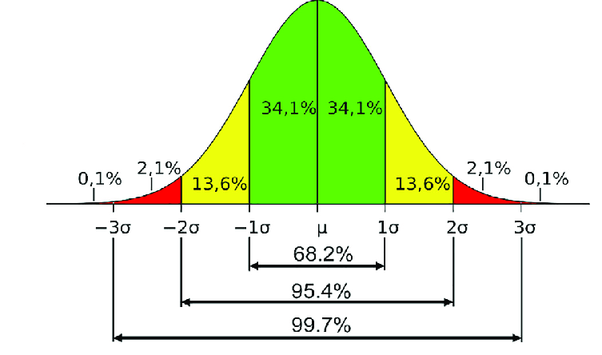

 |  |  |  |  |  |  |  |  |  |  | 1000 |  | 0.1% | 1
 |  |  |  |  |  |  |  |  |  |  |  |  | 0.2% | 2
 |  |  |  |  |  |  |  |  |  |  |  |  | 13.6% | 136
 |  |  |  |  |  |  |  |  |  |  |  |  | 34.1% | 341 | 682
 |  |  |  |  |  |  |  |  |  |  |  |  | 34.1% | 341
 |  |  |  |  |  |  |  |  |  |  |  |  | 13.6% | 136
 |  |  |  |  |  |  |  |  |  |  |  |  | 2.1% | 21
 |  |  |  |  |  |  |  |  |  |  |  |  | 0.1% | 1

