Charts
Equity Curve & Drawdown
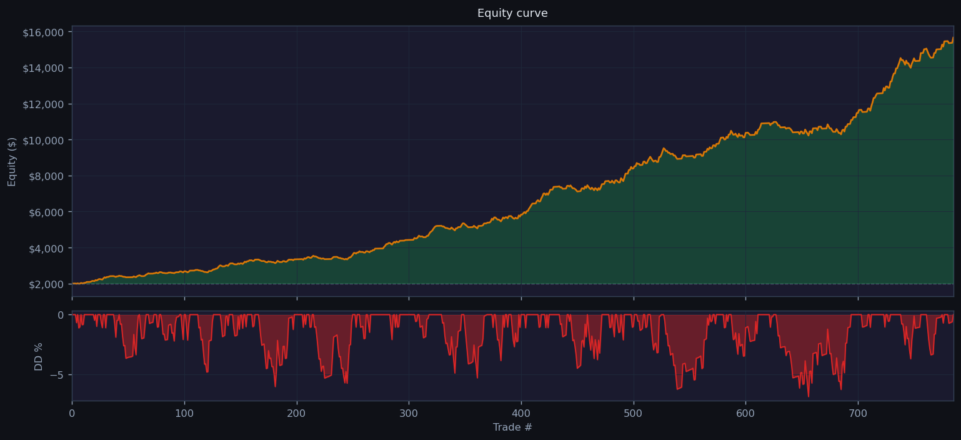

Monthly P&L

Win Rate & Trade Count by Entry Hour

Trade Duration Analysis

