Sheet1
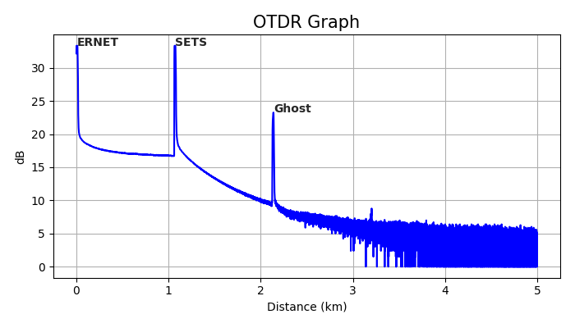
 |  | OTDR Data

Date/time | Mon Mar 13 15:42:20
Wavelength | 131.0 nm
Pulse width | 100 ns
Range | 4.999256435
Average | 4096
Resolution | 1.2766231959

distance | reflectionLoss | spliceLoss
0.000 | -30.516 | 0.000
1.062 | -26.368 | 0.040
2.124 | -32.124 | -0.375

