Sheet1
 |  |  | OTDR data

Date/time | Fri Jul 22 09:01:12
Wavelength | 1301.8 nm
Pulse width | 30 ns
Range | 2.5017284812

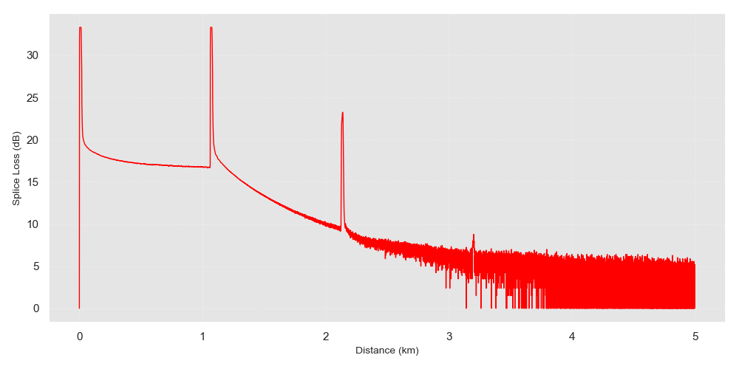
Distance | ReflectionLoss | SpliceLoss
0.000 | -30.170 | 0.000
0.629 | -19.462 | 0.693
0.985 | -32.049 | 1.329
1.128 | -50.905 | 0.674
1.254 | -25.901 | 1.003
1.281 | -42.231 | 0.000
1.613 | -46.333 | 0.000
1.637 | -46.513 | 0.000
1.887 | -41.885 | 0.000
1.908 | -47.641 | 0.000

