Sheet1
 |  |  |  |  |  |  | OTDR data

Date/time | Fri Jul 22 09:01:12
Wavelength | 1301.8 nm
Pulse width | 30 ns
Range | 2.5017284812

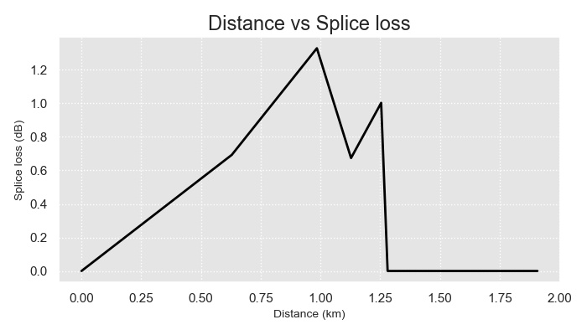
Distance | ReflectionLoss | SpliceLoss | Peak | EndOfCurr | EndOfPrev | Slope | StartOfCurr | StartOfNext | Type
0.000 | -30.170 | 0.000 | 0.003 | 0.012 | 0.000 | 0.000 | 0.000 | 0.629 | 1F9999LS {auto} reflection
0.629 | -19.462 | 0.693 | 0.632 | 0.730 | 0.012 | 0.776 | 0.629 | 0.985 | 2F9999LS {auto} multiple
0.985 | -32.049 | 1.329 | 0.988 | 1.003 | 0.730 | 1.700 | 0.985 | 1.128 | 1F9999LS {auto} reflection
1.128 | -50.905 | 0.674 | 1.132 | 1.139 | 1.003 | 1.700 | 1.128 | 1.254 | 1F9999LS {auto} reflection
1.254 | -25.901 | 1.003 | 1.264 | 1.277 | 1.139 | 0.931 | 1.254 | 1.281 | 1F9999LS {auto} reflection
1.281 | -42.231 | 0.000 | 1.283 | 1.371 | 1.277 | 1.700 | 1.281 | 1.613 | 1E9999LS {auto} reflection
1.613 | -46.333 | 0.000 | 1.618 | 1.625 | 1.371 | 1.700 | 1.613 | 1.637 | 1F9999LS {auto} reflection
1.637 | -46.513 | 0.000 | 1.638 | 1.643 | 1.625 | 0.250 | 1.637 | 1.887 | 1F9999LS {auto} reflection
1.887 | -41.885 | 0.000 | 1.894 | 1.899 | 1.643 | 1.700 | 1.887 | 1.908 | 1F9999LS {auto} reflection
1.908 | -47.641 | 0.000 | 1.916 | 1.919 | 1.899 | 1.700 | 1.908 | 2.502 | 1F9999LS {auto} reflection

