Client_Brand Master
Client Name | Brand Name | category Name | Industry Name | User Userid | User Name | Designation | User Email | Password | User Role | User Active | Master Authority | Selecetive Assign
Maruti |  |  |  |  |  |  |  |  |  | Active |  | Indeed West
 |  |  |  |  |  |  |  |  |  | Disable |  | Indeed North
 |  |  |  |  |  |  |  |  |  |  |  | Indeed South

 | Client Master |  |  |  |  |  |  |  | Brand Master
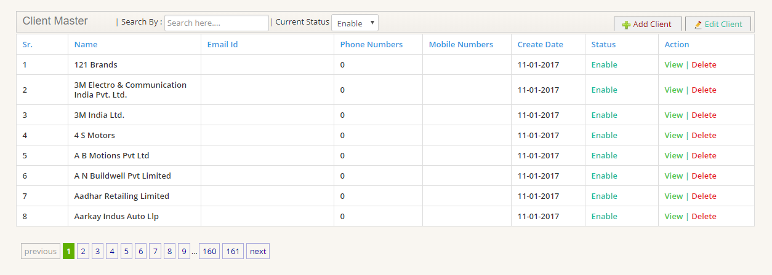
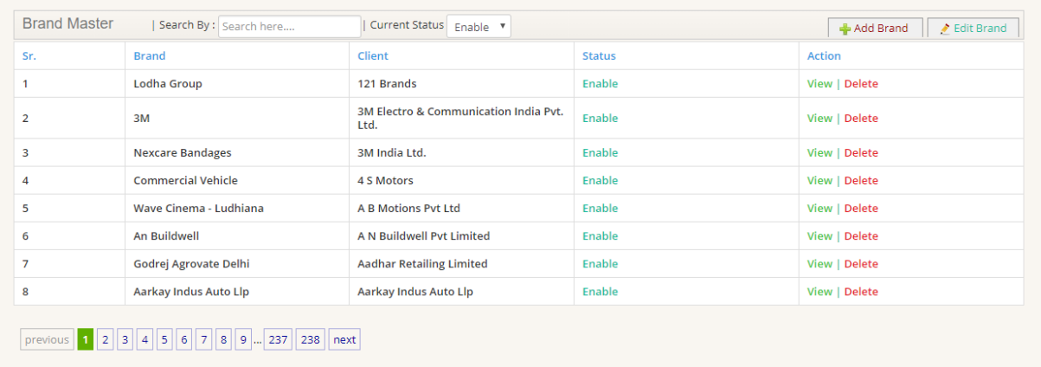

Add/Edit
Feature to be included

 | Add Client |  |  |  |  |  |  |  | Add Brand

Role Masters
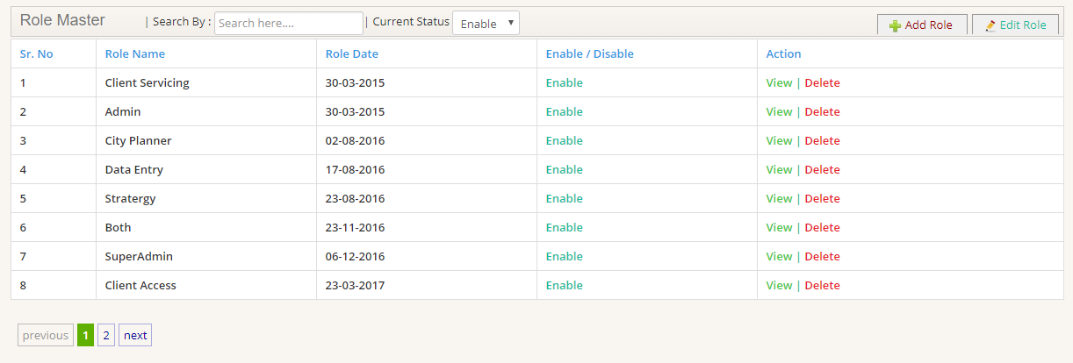
Sr. No | Role Name | Role Date | Enable / Disable | Action
1 | Client Servicing | 2018-09-29 | Enable | View| Delete
2 | Admin | 2018-09-29 | Enable | View| Delete
3 | Data & Strategy | 2018-09-29 | Enable | View| Delete
4 | Creative | 2018-09-29 | Enable | View| Delete
5 | Client Access | 2018-09-29 | Enable | View| Delete
6 | Super Admin | 2018-09-29 | Enable | View| Delete
7 | Operations | 2018-09-29 | Enable | View| Delete

Role Rights

Role | Access to Modules
CS | Brief, Edit Brief, Planning Module- CS, Project Development, Location Analytics, Archieves, Project Management, Project Assessment |  | Add/Edit
Admin | All |  | Feature to be included |  | Role Rights
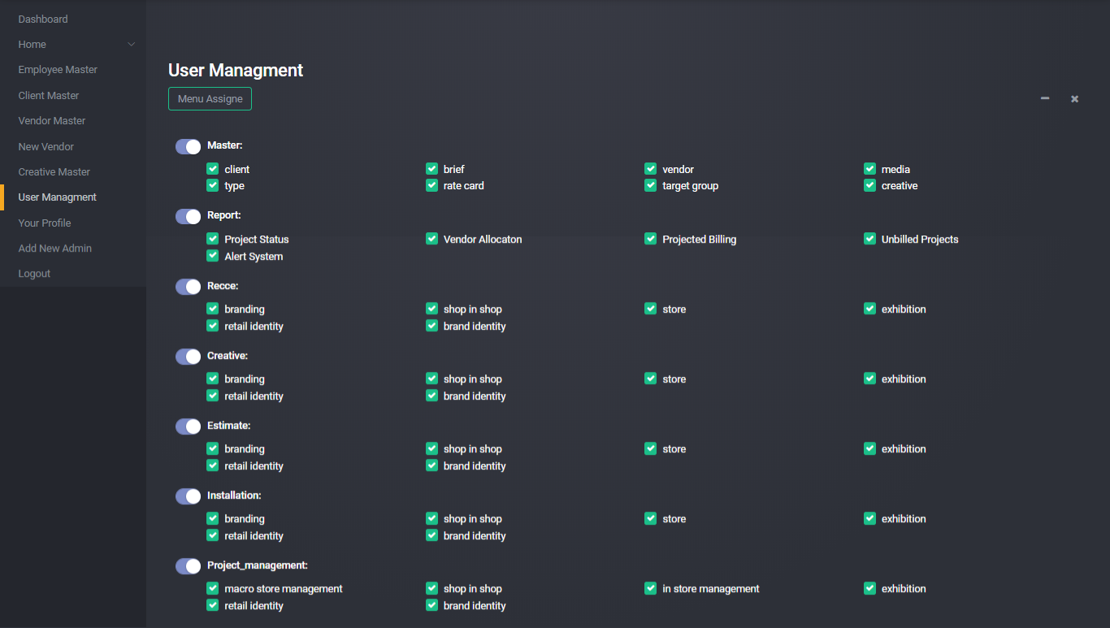
Data & Strategy | Planning Module- Data & Strategy Login, Case study archieve, Location Analytics
Creative | Planning Module- Creative Login, Case study archieve, Location Analytics
Client Access | Only to Client Login
Super Admin | All along with code access
Operations | Planning Module- Operations Login, Case study archieve,Partner Identification

User Masters
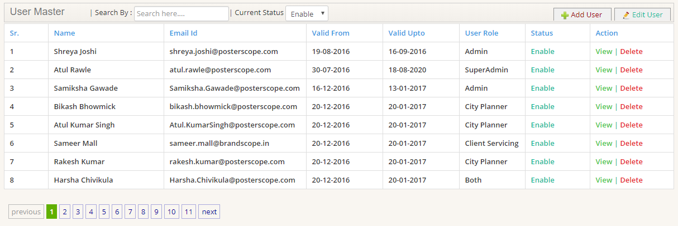
Sr. | Name | Short ID | Email Id | Password | Valid From | Valid Upto | User Role | Status | Action |  | Add/Edit
1 | Sumit Banerjee | sbaner02 | sumit.banerjee@indeedsc.com | Vault@1234# |  |  | CS | Enable | View | Delete |  | Feature to be included
2 | Shahnab Ahmed | SAhmad02 | Shahnab.Ahmad@posterscope.com | Vault@1234# |  |  | Admin | Enable | View | Delete
3 | Tanya Bhalla | tbhall01 | Tanya.Bhalla@posterscope.com | Vault@1234# |  |  | Data & Strategy | Enable | View | Delete
4 | Nitin Kumar | Nkumar09 | Nitin.kumar@posterscope.com | Vault@1234# |  |  | Creative | Enable | View | Delete
5 | Maruti | maruti@posterscope.com | maruti@posterscope.com | Vault@1234# |  |  | Client Access | Enable | View | Delete
6 | Atul Rawle | arawle01 | Atul.Rawle@posterscope.com | Vault@1234# |  |  | Super Admin | Enable | View | Delete
7 | Mansi Chandorikar | MChand03 | mansi.chandorikar@indeedsc.com | Vault@1234# |  |  | Operations | Enable | View | Delete

 | User Masters |  |  |  |  |  |  |  |  | Add/ Edit Users

