TEMPLATE
 |  | *Node Template | *UMTS Radio Template | *Local Cell Template | *Cell Template
3900 | U900 3 SEKTÖR | Avea_UMTS_U900_3_Sector | TT_U900_Radio | West_ULocell | TT_U900_Swap_Cell | RAN4
3900 | U900 4 SEKTÖR | Avea_UMTS_U900_4_Sector | TT_U900_Radio | West_ULocell | TT_U900_Swap_Cell | RAN4
3900 | U2100 3 SEKTÖR | Avea_UMTS_W2100_3_Sector | TT_UMTS_Swap_Radio | West_ULocell | TT_UMTS_Swap_CELL_ALL | RAN4
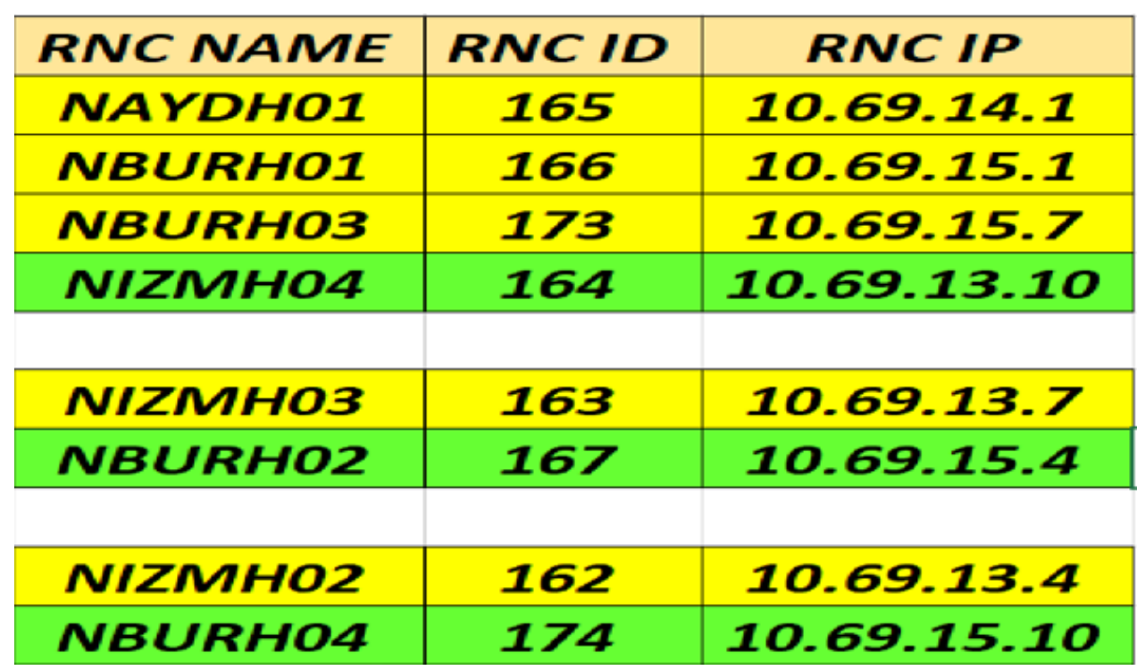
3900 | U2100 4 SEKTÖR | Avea_UMTS_W2100_4_Sector | TT_UMTS_Swap_Radio | West_ULocell | TT_UMTS_Swap_CELL_ALL | RAN4
5900 | U900 3 SEKTÖR | Avea_UMTS_U900_3Sector_DBS5900 | TT_U900_Radio_DBS5900 | West_ULocell_DBS5900 | TT_U900_Swap_Cell | RAN4
5900 | U900 4 SEKTÖR | Avea_UMTS_U900_4Sector_DBS5900 | TT_U900_Radio_DBS5900 | West_ULocell_DBS5900 | TT_U900_Swap_Cell | RAN4
5900 | U2100 3 SEKTÖR | Avea_UMTS_U2100_3Sector_DBS5900 | TT_UMTS_Swap_Radio | West_ULocell_DBS5900 | TT_UMTS_Swap_CELL_ALL | RAN4
5900 | U2100 4 SEKTÖR | Avea_UMTS_U2100_4Sector_DBS5900 | TT_UMTS_Swap_Radio | West_ULocell_DBS5900 | TT_UMTS_Swap_CELL_ALL | RAN4
3900 | U900 3 SEKTÖR | Avea_UMTS_U900_3Sector | TT_U900_Radio | West_ULocell | TT_U900_Swap_Cell | RAN5
3900 | U900 4 SEKTÖR | Avea_UMTS_U900_4_Sector | TT_U900_Radio | West_ULocell | TT_U900_Swap_Cell | RAN5
3900 | U2100 3 SEKTÖR | Avea_UMTS_W2100_3_Sector | TT_UMTS_Swap_Radio | West_ULocell | TT_UMTS_Swap_CELL_ALL | RAN5
3900 | U2100 4 SEKTÖR | Avea_UMTS_W2100_4_Sector | TT_UMTS_Swap_Radio | West_ULocell | TT_UMTS_Swap_CELL_ALL | RAN5
5900 | U900 3 SEKTÖR | Avea_UMTS_U900_3Sector_DBS5900 | TT_U900_Radio_DBS5900 | West_ULocell_DBS5900 | TT_U900_Swap_Cell | RAN5
5900 | U900 4 SEKTÖR | Avea_UMTS_U900_4Sector_DBS5900 | TT_U900_Radio_DBS5900 | West_ULocell_DBS5900 | TT_U900_Swap_Cell | RAN5
5900 | U2100 3 SEKTÖR | Avea_UMTS_U2100_3Sector_DBS5900 | TT_UMTS_Swap_Radio | West_ULocell_DBS5900 | TT_UMTS_Swap_CELL_ALL | RAN5
5900 | U2100 4 SEKTÖR | Avea_UMTS_U2100_4Sector_DBS5900 | TT_UMTS_Swap_Radio | West_ULocell_DBS5900 | TT_UMTS_Swap_CELL_ALL | RAN5
3900 | U900 3 SEKTÖR | Avea_UMTS_U900_3Sector | TT_U900_Radio | West_ULocell | TT_U900_Swap_Cell | RAN6
3900 | U900 4 SEKTÖR | Avea_UMTS_U900_4_Sector | TT_U900_Radio | West_ULocell | TT_U900_Swap_Cell | RAN6
3900 | U2100 3 SEKTÖR | Avea_UMTS_W2100_3_Sector | TT_UMTS_Swap_Radio YA DA TT_UMTS_Swap_Radio (1) | West_ULocell | TT_UMTS_Swap_CELL_ALL | RAN6
3900 | U2100 4 SEKTÖR |  | TT_UMTS_Swap_Radio | West_ULocell | TT_UMTS_Swap_CELL_ALL | RAN6
5900 | U900 3 SEKTÖR | Avea_UMTS_U900_3Sector_DBS5900 | TT_UMTS_Swap_Radio | West_ULocell_DBS5900 | TT_U900_Swap_Cell | RAN6
5900 | U900 4 SEKTÖR | Avea_UMTS_U900_4Sector_DBS5900 | TT_UMTS_Swap_Radio | West_ULocell_DBS5900 | TT_U900_Swap_Cell | RAN6
5900 | U2100 3 SEKTÖR | Avea_UMTS_U2100_3Sector_DBS5900 | TT_UMTS_Swap_Radio | West_ULocell_DBS5900 | TT_UMTS_Swap_CELL_ALL | RAN6
5900 | U2100 4 SEKTÖR | Avea_UMTS_U2100_4Sector_DBS5900 | TT_UMTS_Swap_Radio | West_ULocell_DBS5900 | TT_UMTS_Swap_CELL_ALL | RAN6
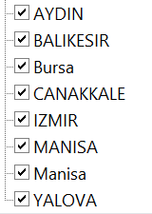
3900 | U900 3 SEKTÖR | Avea_UMTS_U900_3Sector_IZMIRBURSA_SA | TT_U900_Radio | West_ULocell_IZMIRBURSA_SA | TT_UMTS_Swap_CELL_ALL_IZMIRBURSA | RAN6 | Standalone projesinde ki IZMIR-BURSA sahaları için data hazırlarken *Node Template ve Locall cell Template ler için DİĞER SHEET e geç | SAHANIN BACK UP RNC Sİ VAR İSE MUTLAKA BU BÖLGEYE AİT TEMPLATELER KULLANILMALI
3900 | U900 4 SEKTÖR |  | TT_U900_Radio | West_ULocell_IZMIRBURSA_SA | TT_UMTS_Swap_CELL_ALL_IZMIRBURSA | RAN6
3900 | U2100 3 SEKTÖR |  | TT_UMTS_Swap_Radio | West_ULocell_IZMIRBURSA_SA | TT_UMTS_Swap_CELL_ALL_IZMIRBURSA | RAN6
3900 | U2100 4 SEKTÖR |  | TT_UMTS_Swap_Radio | West_ULocell_IZMIRBURSA_SA | TT_UMTS_Swap_CELL_ALL_IZMIRBURSA | RAN6
5900 | U900 3 SEKTÖR | Avea_UMTS_U900_3Sector_DBS5900_IZMIRBURSA_SA | TT_UMTS_Swap_Radio | West_ULocell_DBS5900_IZMIRBURSA_SA | TT_UMTS_Swap_CELL_ALL_IZMIRBURSA | RAN6
5900 | U900 4 SEKTÖR | Avea_UMTS_U900_4Sector_DBS5900_IZMIRBURSA_SA | TT_UMTS_Swap_Radio | West_ULocell_DBS5900_IZMIRBURSA_SA | TT_UMTS_Swap_CELL_ALL_IZMIRBURSA | RAN6
5900 | U2100 3 SEKTÖR | Avea_UMTS_U2100_6Sector_DBS5900_IZMIRBUSA_SA | TT_UMTS_Swap_Radio | West_ULocell_DBS5900_IZMIRBURSA_SA | TT_UMTS_Swap_CELL_ALL_IZMIRBURSA | RAN6
5900 | U2100 4 SEKTÖR | Avea_UMTS_U2100_6Sector_DBS5900_IZMIRBUSA_SA | TT_UMTS_Swap_Radio | West_ULocell_DBS5900_IZMIRBURSA_SA | TT_UMTS_Swap_CELL_ALL_IZMIRBURSA | RAN6

BARKODLAR


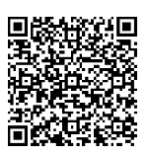
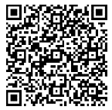

PROGRAM | STANDALONE | BURSA İZMİR | 2018 COLOC

IZMIR-BURSA ESKİ
Standalone projesinde ki IZMIR-BURSA sahaları için data hazırlarken *Node Template ve Locall cell Template ler için aşağıda tabloda belirtilen template leri kullanalım.
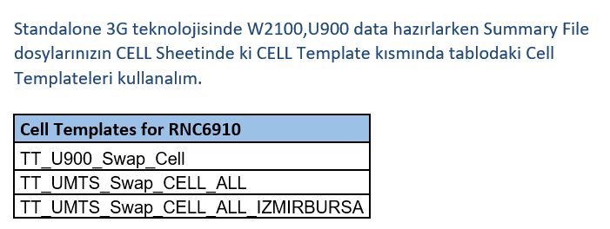
Tech | Local Cell Template for IZMIR-BURSA
U900 | West_ULocell_DBS5900_IZMIRBURSA_SA
U900 | West_ULocell_IZMIRBURSA_SA

Tech | *Node Template for IZMIR-BURSA
U900 | Avea_UMTS_U900_3Sector_6900_DBS5900_IZMIRBURSA_SA
U900 | Avea_UMTS_U900_4Sector_6900_DBS5900_IZMIRBURSA_SA
U900 | Avea_UMTS_U900_4Sector_DBS5900_IZMIRBURSA_SA
U900 | Avea_UMTS_U2100+U900_4Sector_DBS5900_IZMIRBUSA_SA
U900 | Avea_UMTS_U900_3Sector_DBS5900_IZMIRBURSA_SA
U900 | Avea_UMTS_U900_3Sector_IZMIRBURSA_SA

