Sheet1
Shipper
ALPINEREACH GROUP LTD 9 ROYAL CRESCENT, GLASGOW,G37SP, UNITED KINGDOM |  |  |  |  |  | B/L No: | OOLU2171716520D

Consignee (if "TO ORDER" so indicate)
JIANGSU GREEN FULL GARDEN PRODUCTS CO.,LTD CHANGZHOU SCIENCE AND EDUCATION TOWN, CHANGZHOU CITY, JIANGSU PROVINCE, CHINA Whitney

 |  |  |  | OCEAN BILL OF LADING
 |  |  |  |  | （COMBINED TRANSPORT / PORT TO PORT)
Notify Party(No claim shall attach for failure to notify) |  |  |  | COPY NON-NEGOTIABLE
JIANGSU GREEN FULL GARDEN PRODUCTS CO.,LTD CHANGZHOU SCIENCE AND EDUCATION TOWN, CHANGZHOU CITY, JIANGSU PROVINCE, CHINA Whitney
 |  |  |  | For delivery of goods Please apply to:

Pre-carriage by |  | Place of receipt

Vessel and Voyage No |  | Port of Loading
COSCO FAITH 077E |  | NINGBO
Port of discharge |  | Place of delivery |  | Final Destination
LOS ANGLES |  | LOS ANGLES |  | LOS ANGLES

container No.Seal No.Marks and nos. |  | No.of containers or packages |  | Description of Packages and Goods |  | Gross Weight(kgs) |  | Measurement(M3)
CCLU7750098 |  |  | 11PKGS/1647.4KGS/13.450CBM

CFS-CFS |  |  |  | S.T.C

D260714451
 |  | 11 | PKGS | Treadmills |  | 1647.400 | KGS | 13.450 |  | CBM

FREIGHT COLLECT
 |  |  |  |  |  | SHIPPED ON BOARD |  |  | 07-Aug-2026

Total No. of Containers or Packages (in words) |  |  | SAY ( ELEVEN PACKAGES ) ONLY
Freight and Charges |  | Rate |  | Prepaid |  | Collect

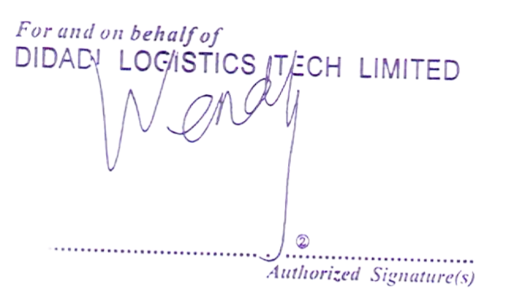
Ex. Rate | Prepaid at |  | Payable at |  | Place and date of issue
 |  |  |  |  | SHENZHEN, CHINA
 |  |  |  |  | No.of Originals
 |  |  |  |  | Three(3)
RECEIVED in apparent good order and condition except as otherwise noted the total number of containers or other packages or units enumerated below for transportation from the place of receipt of delivery subject to the terms hereof. One of the original Bill of Lading must be surrendered duly endorsed in exchange for the Goods Delivery Order. On presentation of this document(duly endorsed) to the Carrier by or on behalf of the holders the rights and liabilities arising in according with the terms hereof shall (without prejudice to and rule of common law or stature rendering them binding on the Merchant) become binding all respects between the Carrier and the Holder as though the contract evidenced hereby had been made between them. IN WITNESS whereof the number of original Bill of Lading stated below have been signed, one of which being accomplished. The other(s) to be void (Terms of Bill of Lading continued on the back hereof). |  |  |  |  | Authorized Signature(s)

 |  |  |  |  | As Agent for the Carrier

