Sheet1
Shipper
SHENZHEN SHANGQIU TECHNOLOGY CO., LTD BUILDING J, 102 AND 201, AND BUILDING E, 101, INNOVATION INDUSTRIAL PARK, XINTIAN COMMUNITY, GUANHU STREET, LONGHUA DISTRICT, SHENZHEN |  |  |  |  |  | B/L No: | D260710922

Consignee (if "TO ORDER" so indicate)
LODDIE DODDIE 42006 REMINGTON AVE., STE. 108 TEMECULA, CA 92590，USA

 |  |  |  | OCEAN BILL OF LADING
 |  |  |  |  | （COMBINED TRANSPORT / PORT TO PORT)
Notify Party(No claim shall attach for failure to notify) |  |  |  | COPY NON-NEGOTIABLE
LODDIE DODDIE 42006 REMINGTON AVE., STE. 108 TEMECULA, CA 92590，USA
 |  |  |  | For delivery of goods Please apply to:

Pre-carriage by |  | Place of receipt

Vessel and Voyage No |  | Port of Loading
UN9975600/GQ632N |  | YANTIAN
Port of discharge |  | Place of delivery |  | Final Destination
UNITED STATES |  | UNITED STATES |  | UNITED STATES

container No.Seal No.Marks and nos. |  | No.of containers or packages |  | Description of Packages and Goods |  | Gross Weight(kgs) |  | Measurement(M3)
MSDU5643226 | // |  | 1068CTNS/2065KGS/13.450CBM

CFS-CFS |  |  |  | S.T.C

D260710922
 |  | 1068 | CTNS | CHALK MARKER PO:98 |  | 2065.000 | KGS | 13.450 |  | CBM

FREIGHT COLLECT
 |  |  |  |  |  | SHIPPED ON BOARD |  |  | 14-Aug-2026

Total No. of Containers or Packages (in words) |  |  | SAY ( ONE THOUSAND SIXTY-EIGHT CARTONS ) ONLY
Freight and Charges |  | Rate |  | Prepaid |  | Collect

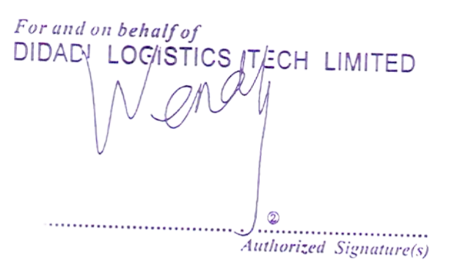
Ex. Rate | Prepaid at |  | Payable at |  | Place and date of issue
 |  |  |  |  | SHENZHEN, CHINA
 |  |  |  |  | No.of Originals
 |  |  |  |  | Three(3)
RECEIVED in apparent good order and condition except as otherwise noted the total number of containers or other packages or units enumerated below for transportation from the place of receipt of delivery subject to the terms hereof. One of the original Bill of Lading must be surrendered duly endorsed in exchange for the Goods Delivery Order. On presentation of this document(duly endorsed) to the Carrier by or on behalf of the holders the rights and liabilities arising in according with the terms hereof shall (without prejudice to and rule of common law or stature rendering them binding on the Merchant) become binding all respects between the Carrier and the Holder as though the contract evidenced hereby had been made between them. IN WITNESS whereof the number of original Bill of Lading stated below have been signed, one of which being accomplished. The other(s) to be void (Terms of Bill of Lading continued on the back hereof). |  |  |  |  | Authorized Signature(s)

 |  |  |  |  | As Agent for the Carrier

