Step1
Step 1: Creating classes of objects
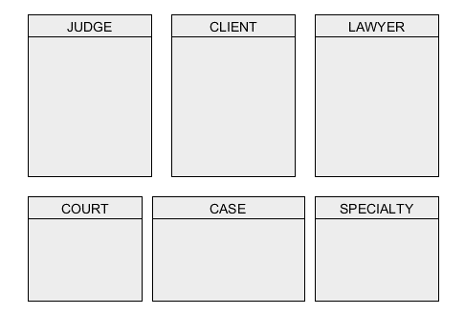

Evidences from passage:
“A client is described by his identification number, passport number, first name…”
“A lawyer is described by his identification number, passport number, first name…”
“Each specialty has an identification number, description. “
“Each case is described by a case number, case type, general description, (supporting) evidence description, and list of hearing dates…”
“Each court has a unique court name to it, and is described by a list of email addresses (for different types of cases…”
“Judges are described by their identification number, passport number, first name, last name, gender, date of birth…”

The classes are CLIENT, LAWYER, CASE, COURT, JUDGE and SPECIALTY.

Step2
Step 2: Creating associations and association classes
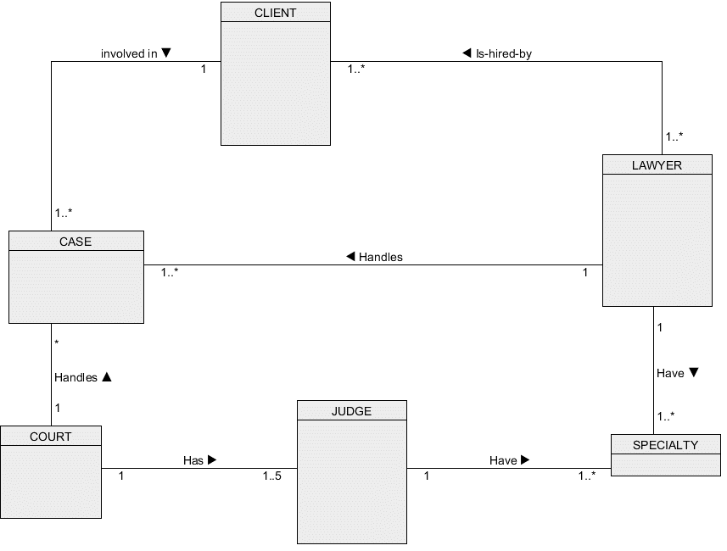

Evidences from passage:
"Based on a lawyer's experiences and exposure, a lawyer could have more than one specialty." - Association for LAWYER and SPECIALTY(1..*)
"A court case is assigned to one and only one court, and each court may handle many cases. " - COURT and CASE(1-to-many)
"A lawyer can handle more than one case, and a client may be involved in more than one case as well." - 1 to many for CLIENT TO CASE and LAWYER to CASE.
"Each court has between 1 to 5 judges assigned to it, and each judge is assigned to one court." - COURT and JUDGE(1-to-many)
"Each judge should have at least 1 specialty." - JUDGE AND SPECIALTY(1 to many)
"Sometimes, a single lawyer could be employed to represent a group of people (in cases of "collective action"), other times, it could be a single wealthy citizen hiring a group of lawyers for complicated cases." - LAWYER AND CLIENT(many to many)

Step3
Step 3: Creating attributes and link attributes
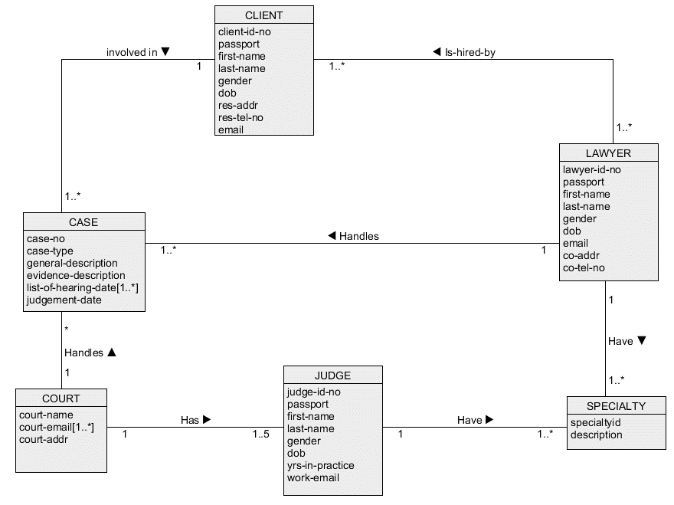

Evidences from passage:
“A client is described by his identification number, passport number, first name, last name, gender, date of birth, residential address, tel. no. and email address.”
A lawyer is described by his identification number, passport number, first name, last name, gender, date of birth, specialty, company address, company tel. no. and email address.”
“Each specialty has an identification number, description
"Judges are described by their identification number, passport number, first name, last name, gender, date of birth, specialty (same as the one for lawyer), years in practice, and a (work related) email address."
"Each court has a unique court name to it, and is described by a list of email addresses (for different types of cases) and a court (building) address"
Each case is described by a case number, case type, general description, (supporting) evidence description, and list of hearing dates (typically, the last date on the list is also the judgment date!)

Step4
Step 4: Creating identifiers


Evidences from passage:
"A system generated identification number is assigned to each client to uniquely identify him.”
“In a similar fashion, an identification number is generated for each lawyer (and judge) as well, so as to uniquely identify each individual.”
“Each court has a unique court name”

Step5
Step 5: Creating Quantifiers
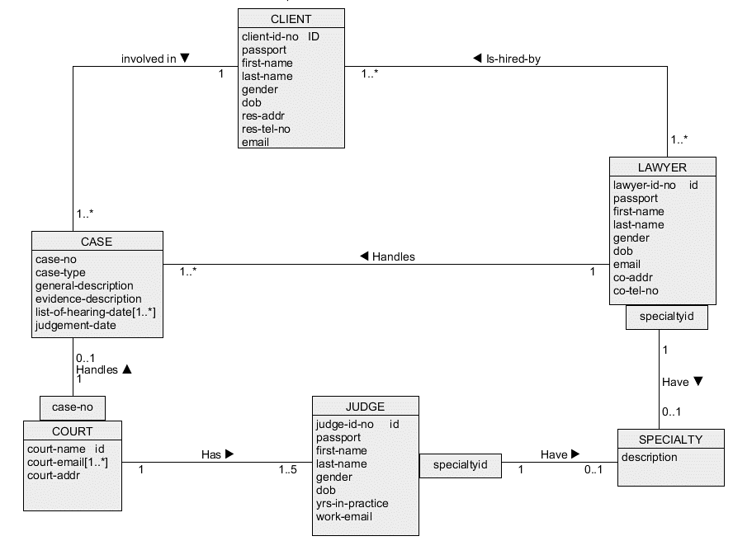

Evidences from passage:
NIL

Assumptions and Justifications:
Qualifier is attached to COURT side as there are many cases and many court where one case happens at only one court.
To identify which case happens at which court, turning case-no as qualifier and court-name as identifier helps to identify which case happens at which court.

specialtyid attribute as quantifier to distinguish the many specialties of each judge and lawyer.

Step6
Step 6: Generalisation
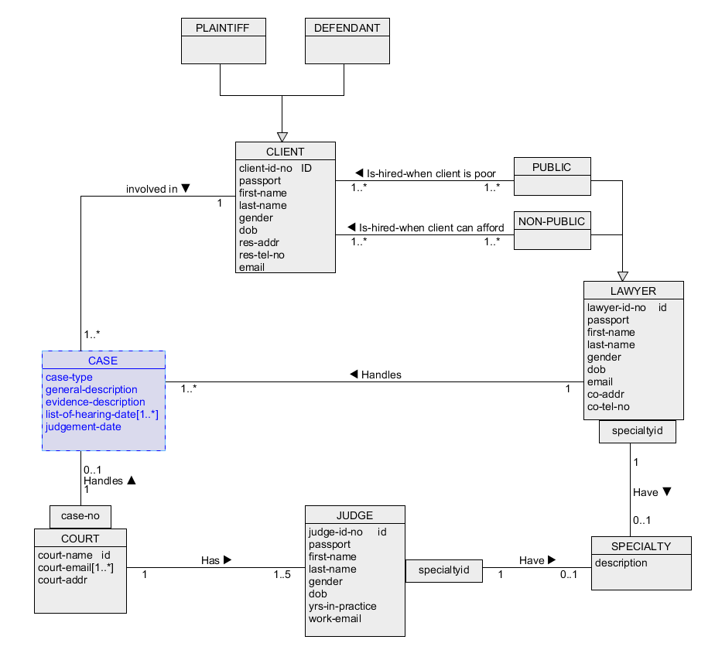

Evidences from passage:
“In the event a citizen is too poor to afford a lawyer, a public lawyer will be assigned to him. Sometimes, a single lawyer could be employed to represent a group of people…”
“For each court case, a client is referred to, either as a "plaintiff" or "defendant".”

CLASS PLAINTIFF and DEFENDANT is created as subset of CLIENT.
CLASS PUBLIC and NON-PUBLIC is created as subset of LAWYER.

