2
2)
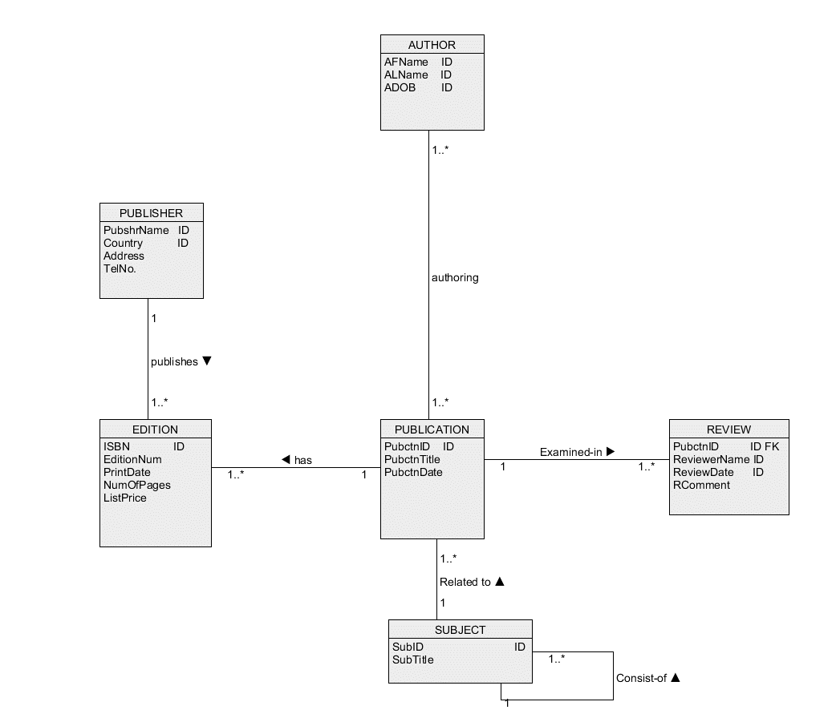
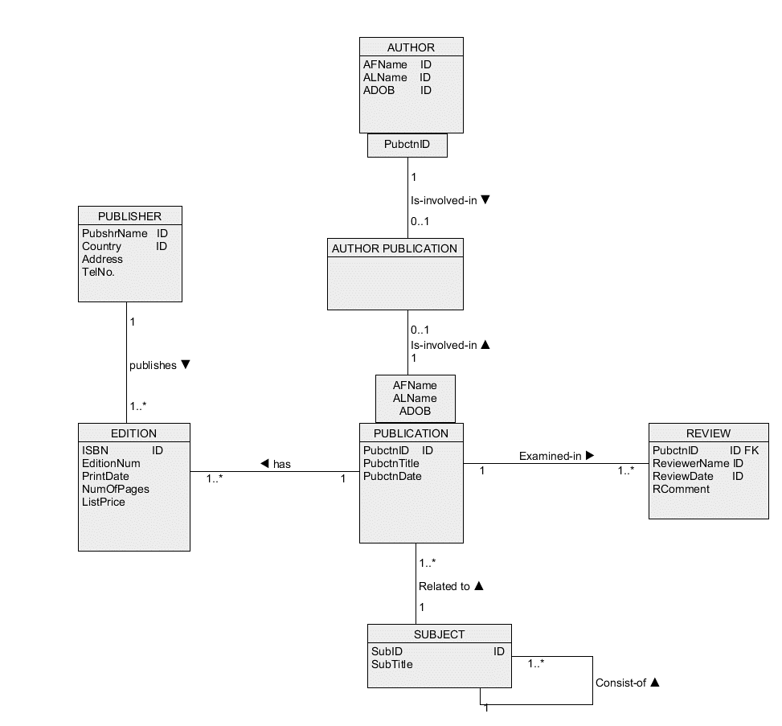

Type of transformation:
many-to-many association

Affected Class(es) / Attribute(s) / Associations:
Classes are AUTHOR PUBLICATION, PUBLICATION, AUTHOR. Attributes areAFName, ALName and ADOB from AUTHOR, and, PubctnID from PUBLICATION.

Description:
A new class called AUTHOR PUBLICATION is created.
A one-to-many association Performs is added between a class PUBLICATION AND AUTHOR PUBLCIATION.
A one-to-many association Is-involved-in is added between a class AUTHOR and a class AUTHOR PUBLICATION.
Qualifications with the attributes (AFName, ALName and ADOB) are added on PUBLICATION side of association is-involved-in and a qualification with the attributes (Pubctn) is added on AUTHOR side of association Is-involved-in.
Qualification with the attributes AFName, ALName and ADOB of an association is-involved-in contributes to an identifier (AFName, ALName, ADOB, PubctnID) of a class AUTHOR PUBLICATION.
Qualification with the attributes PubctnID of an association is-involved-in contributes to an identifier (AFName, ALName, ADOB, PubctnID) of a class AUTHOR PUBLICATION.

3
3)
Before | After
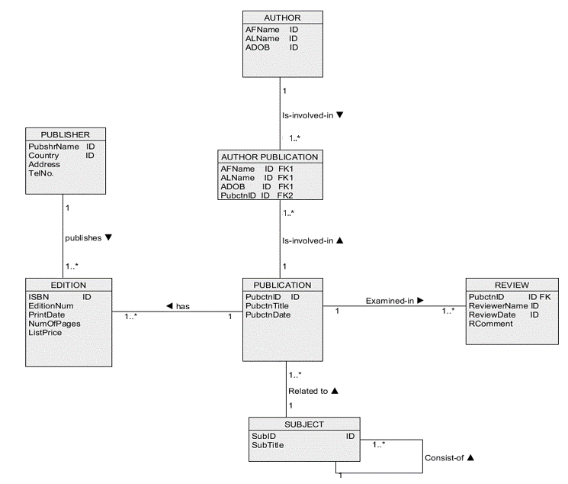

Type of transformation:
Double Qualification

Affected Class(es) / Attribute(s) / Associations:
Classes are AUTHOR PUBLICATION, PUBLICATION, AUTHOR. Attributes are AFName, ALName and ADOB from AUTHOR, and, PubctnID from PUBLICATION.

Description:
A double qualification with the attributes (AFName, ALName, ADOB) and (PubctnID) is transformed in the following way:
The attributes (AFName, ALName and ADOB) and the attributes (PubctnID) are copied to a class AUTHOR PUBLICATION
A triple of attributes (AFName, ALName and ADOB) is tagged with IDn in a class AUTHOR PUBLICATION (it becomes an identifier)
An attribute PubctnID is tagged with FK2 to denote a foreign key referencing an identifierPubctnID in a class PUBLICATION
The attributes (AFName, ALName and ADOB) are tagged with FK1 to denote a foreign key referencing an identifier (AFName, ALName and ADOB) in a class AUTHOR.

4
4))
Before | After
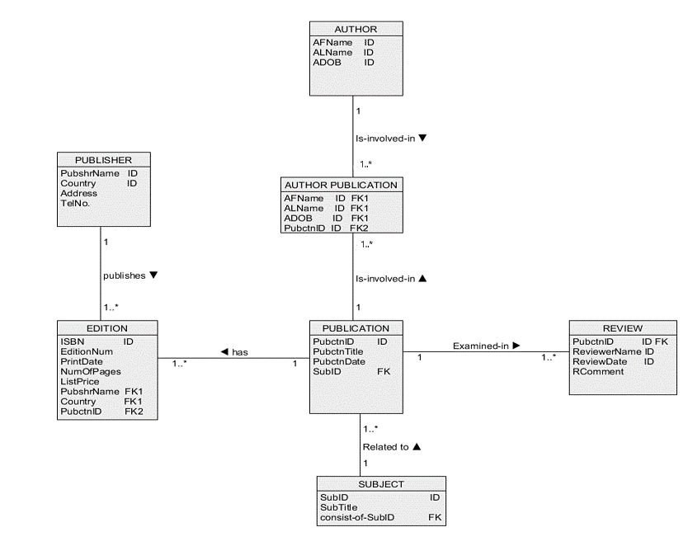

Type of transformation:
Adding Foreign Keys

Affected Class(es) / Attribute(s) / Associations:
Classes affected are EDITION, PUBLICATION, SUBJECT, AUTHOR. Attributes affected are PubctnID, PubshrName, Country , consist-of-SubID.

Description:
Selected identifiers are copied from classes of objects on "one" side of association to class of objects on "many" side of association and are tagged with FKn (an index "n" is used to distinguish between different foreign keys).
As Edition is on the "many" side of association to class PUBLISHER, the identifiers from PUBLIHSER, (PubshrName,Country) are added to EDITION, as FK1.
As Edition is on the "many" side of association to class PUBLICATION, the identifier from PUBLICATION, (PubctnID) are added to EDITION, as FK2.
As PUBLICATION is on the "many" side of association to class SUBJECT, the identifier from SUBJECT, (SubID) is added to PUBLICATION as FK.
As for SUBJECT class, it is associated by itself in a one-to-many association. Therefore an attribute consist-of-SubID is created and has a foreign key that references SubID from the same SUBJECT class itself.

5
5)
Before | After
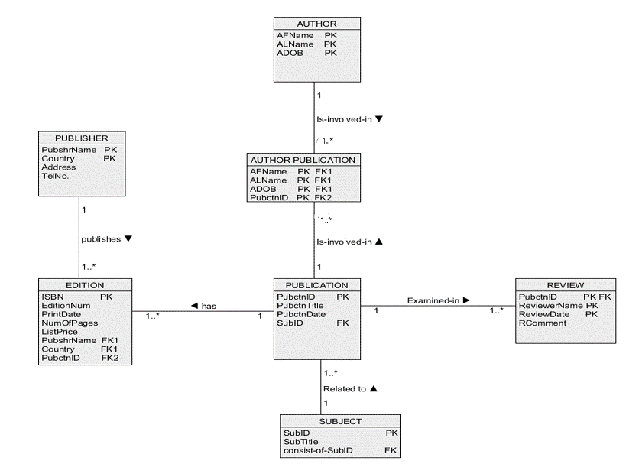

Type of transformation:
Creation of Primary Key.

Affected Class(es) / Attribute(s) / Associations:
Classes PUBLICATION, EDITION, SUBJECT, PUBLISHER, REVIEW, AUTHOR, AUTHOR PUBLICATION. Attributes are all the IDs in the classes.

Description:
The identifiers from PUBLISHER, PubshrName and Country are changed to Primary Keys and the ID tags are removed.
The identifiers from EDITION, ISBN is changed to Primary Keys and the ID tags are removed.
The identifiers from AUTHOR, (AFName, ALName and ADOB) are changed to Primary Keys and the ID tags are removed.
The identifiers from AUTHOR PUBLICATION, (AFName, ALName and ADOB and PubctnID) is changed to Primary Keys and the ID tags are removed.
The identifiers from PUBLICATION, (PubctnID) is changed to Primary Keys and the ID tags are removed.
The identifiers from SUBJECT, (SubID) is changed to Primary Keys and the ID tags are removed.
The identifiers from REVIEW, (PubctnID) is changed to Primary Keys and the ID tags are removed.

6
6)
Before | After
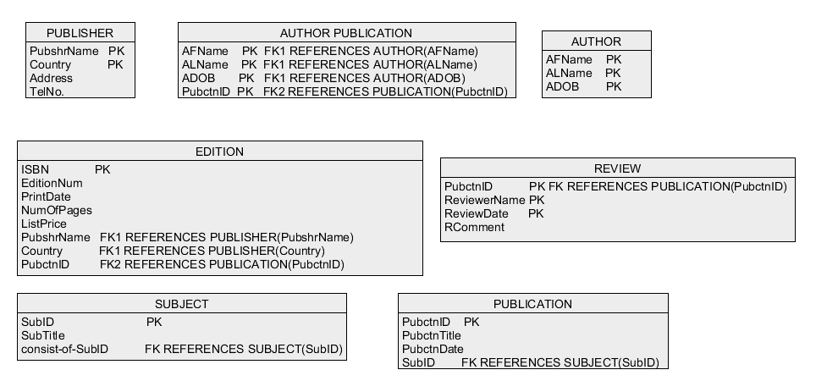

Type of transformation:
Association

Affected Class(es) / Attribute(s) / Associations:
All classes and all associations

Description:
In this step association are eliminated and FKn tags are extended with REFERENCE clauses to their respective classes.

