Sheet1
Project: | Moffat Bay Marina Test Plan
Course: | CSD-460 Capstone in Software Development
Description: | Functional test plan for the Moffat Bay Marina website.
Date: | 2025-04-13

Test 1.1 | Landing Page: Navigation Links Functionality
 | Test Objective: Verify that all header navigation links (Home, About Us, Register, Login, Contact Us) redirect to the correct pages. | Developer: Aaron Camp | Peer tester:
 |  | Date tested: <yyyy/mm/dd> | Date tested: 04/13/25
Step | Action | Expected results: | Developer pass/fail | Tester pass/fail
 |  |  |  | + Screenshot
1 | Open a web browser. | Web browser opens. | pass | pass
2 | Enter website URL. | The website loads correctly. | pass | pass
3 | Click each link in the navigation bar. | All links successfully redirect to the intended pages. | pass | pass
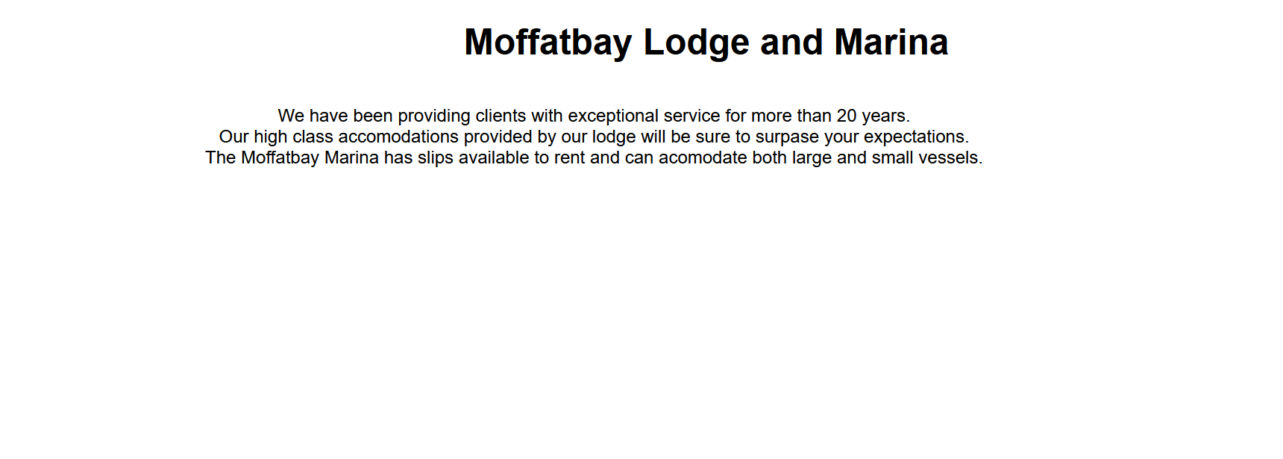
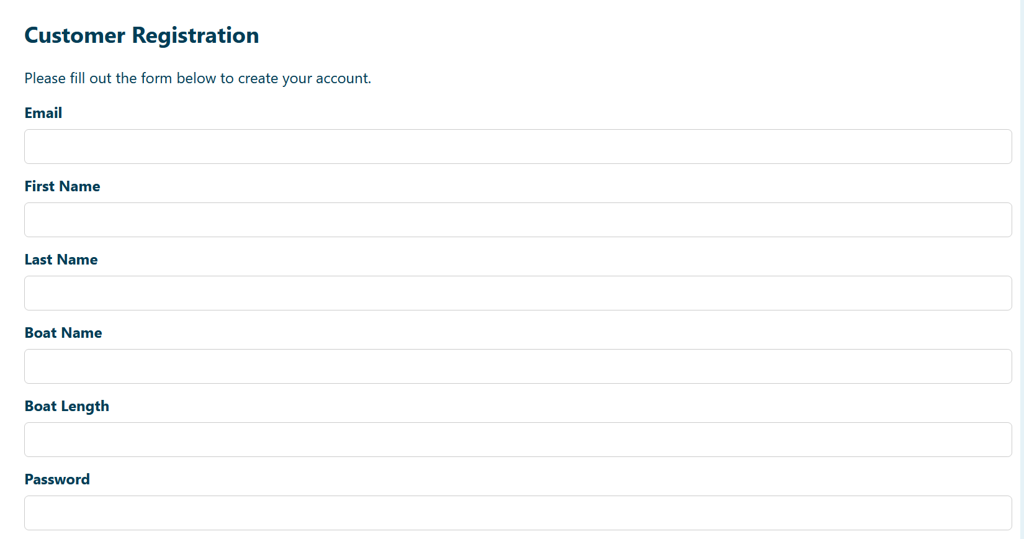

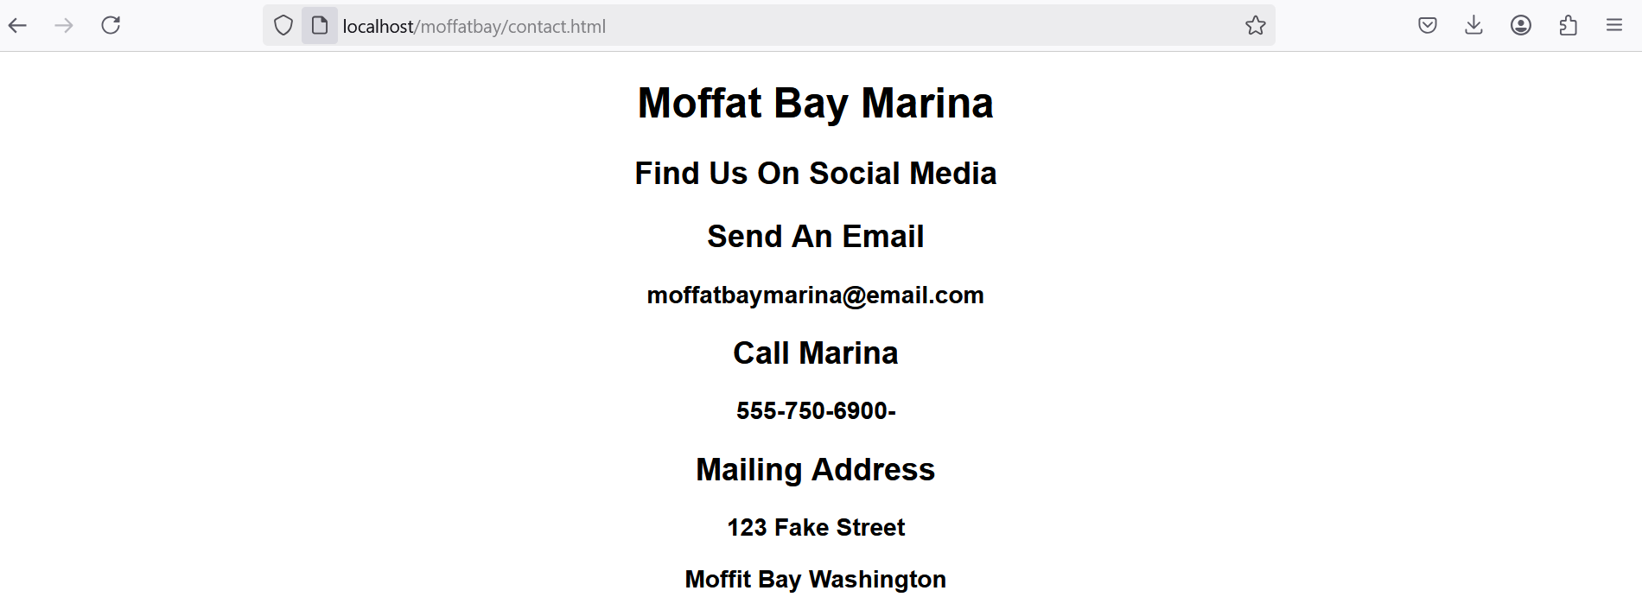
Comments | I was able to pull the landing page up using Apache with Xampp.Each link in the menu was tested and all navigated to the correct page. The log in page has a link for users who need to register still. This link also was working as expected.

Test 1.2 | Landing Page: Navigate to Landing Page
 | Test Objective: Confirm that the landing page loads correctly and displays expected content. | Developer: Aaron Camp | Peer tester:
 |  | Date tested: <yyyy/mm/dd> | Date tested: 04/13/25
Step | Action | Expected results: | Developer pass/fail | Tester pass/fail
1 | Open a web browser. | Web browser opens. | pass | pass

2 | Enter website URL. | The website loads correctly. | pass | fail
3 | Refresh the page. | The page refreshes properly. | pass | pass
4 | Attempt accessing an invalid URL | Error page appears for invalid URLs. | pass | pass
Comments | The landing page backend functionality passed all tests. There are some issues with the the front end. The page does not seem to be adaptive to the device's screen size. There is a gap between the footer and the body when the site is viewed on a larger screen

Test 2.1 | Login Page: Required Fields Validation
 | Test Objective: Verify that both email and password fields are required before form submission. | Developer: Aaron Camp | Peer tester:
 |  | Date tested: <yyyy/mm/dd> | Date tested: 04/13/25
Step | Action | Expected results: | Developer pass/fail | Tester pass/fail
1 | Navigate to Login page. | The website loads correctly. | <yes/no> | pass
2 | Leave email and/or password fields empty. | No text in text bar. | <yes/no> | pass
3 | Attempt to submit the form. | The form does not submit, or is blocked from submitting. | <yes/no> | pass
Comments | Comments should be substantive; this means there should be at least 2-3 well-structured sentences with constructive feedback.

Test 2.2 | Login Page: Successful Login Validation
 | Test Objective: Verify that the login functionality correctly authenticates users with valid credentials. | Developer: Aaron Camp | Peer tester:
 |  | Date tested: <yyyy/mm/dd> | Date tested: 04/13/25
Step | Action | Expected results: | Developer pass/fail | Tester pass/fail
1 | Navigate to Login page. | The website loads correctly. | <yes/no> | pass
2 | Enter valid email and password. | Account is registered. | <yes/no> | pass
3 | Submit the form. | Successfully logs in. | <yes/no> | pass
4 | Enter invalid email and password. | Account is not registered. | <yes/no> | pass
5 | Submit the form. | Error message should be displayed. | <yes/no> | pass
Comments | The backend handled the correct and incorrect login submissions as expected. If username or password field is left blank and the user tries to submit the form, they are pointed to the field to enter data if the

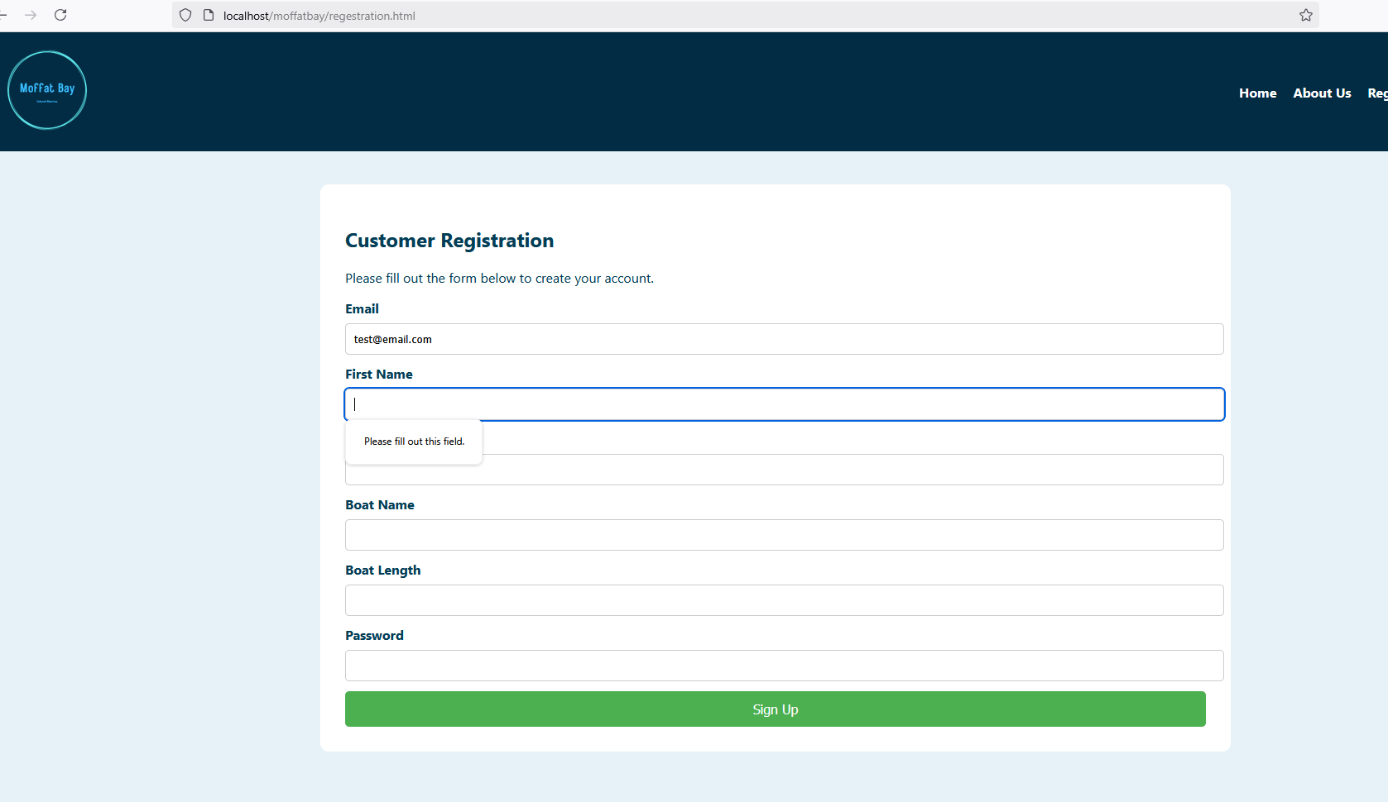
Test 3.1 | User Registration Page: Input Field Validation
 | Test Objective: Ensure that required input fields (First Name, Last Name, Email, Boat Name, Length, Password) are all validated. | Developer: Aaron Camp | Peer tester:
 |  | Date tested: <yyyy/mm/dd> | Date tested: 04/13/25
Step | Action | Expected results: | Developer pass/fail | Tester pass/fail
1 | Navigate to Registration page. | The website loads correctly. | pass | pass
2 | Leave some fields empty. | No text in text bar. | pass | pass
3 | Attempt to Submit. | User receives an error for each missing field. | pass | pass
Comments | The registration page prevents the form from being submitted if a field is left empty, however, the page displays pointer to first field left blank. The pointer indicates the top field that is blank and will not point to empty fields found further down the form. The page will prevent empty fields from being submitted but will point to them one at a time. I still gave this test a pass since it still prevents incomplete form submissions. The page displays an error when using the same email for two separate accounts.

Test 3.2 | User Registration Page: Successful Registration Confirmation
 | Test Objective: Verify that valid information registers the user successfully. | Developer: | Peer tester:
 |  | Date tested: <yyyy/mm/dd> | Date tested: 04/13.25
Step | Action | Expected results: | Developer pass/fail | Tester pass/fail
1 | Navigate to Registration page. | The website loads correctly. | <yes/no> | pass
2 | Fill out all form fields correctly. | All fields has correct format. | <yes/no> | pass
3 | Submit the form. | Registration is successful. | <yes/no> | pass
4 | Fill out some/all form fields incorrectly. | Fields have incorrect format. | <yes/no> | pass
5 | Submit the form. | Registration is not successful and should see error. | <yes/no> | pass
Comments | The registration page notifies the user if fields are left blank. Page displays error is user trys creating an account with an email associated with an exsisting account. If registration is completed a successfully added user message is displayed. I also verified that the new user was added to the DB user accounts table

