Sheet1
Scope | 优先级 | TODO | comment
开发平台 | 5 | pytorch 完成一个模型, 可以尝试一下没有用过的东西，比如RNN或者GAN，尤其是训练要好好看一下
 | 5 | tensorflow， models/object_detcion熟悉
 | 5 | tensorflow， models/slim熟悉
 | 5 | tensorflow tfrecord, Dataset | 用FIFO使得读图, 预处理和训练流水线化, 提高训练效率
 |  | tensorflow, 多GPU训练
数据集 | 5 | The Cityscapes Dataset for Semantic Urban Scene Understanding
 | 2 | Revisiting Unreasonable Effectiveness of Data in Deep Learning Era（JFT-300M）
 | 2 | Scaling Egocentric Vision: The EPIC-KITCHENS Dataset
优化, 迁移学习等训练问题 | 5 | 37 Reasons why your Neural Network is not working： https://blog.slavv.com/37-reasons-why-your-neural-network-is-not-working-4020854bd607 | overfit the training data sufficiently, and only then addressing overfitting
 | 5 | coursera：结构化机器学习讲解 | orthognotic
 | 5 | Focal Loss for Dense Object Detection
 | 5 | Bag of tricks for image classification with Convolutional Nerual Networks | 统一比较了很多trick， 其中mixup_data_augmentation和cosin_learning rate 比较有意思
 | 5 | mixup: Beyond Empirical Risk Minimization | 1. mixup 是一种vinical risk minimization的方法, 对于没有遇到的数据,其inductive bias为linear 2. mixup对label corruption有较好的效果; 3. mixup对adverserial example有较好的效果; 4. mixup可以stable GAN的训练: 5. 最好的mix的方式为all_classes+random pair
 | 2 | revisiting batch normalization for practical domain adaption
 | 2 | Relay backpropagation for effective learning of deep convolutional neural networks
feature engine | 5 | CBAM: Convolutional block attention module | 提出了一个先channel-wise attention再spatial-wise attention的注意力模块，在分类和object detection上都取得了很好的效果； 1. channel-wise attention: 在SE-net的基础上， 增加max-pooling feature: max-pooling gather distinctive object features to infer finer channel-wise attention 2. spatial-wise attention: 也同时使用max-pool和avg-pool的feature, concat后的feature用7x7的卷积再卷一下
 | 2 | Deep Pyramidal Residual Networks
 | 5 | Frequency principle: Fourier analysis sheds light on deep nerual networks | DNN的implicit bias为: DNN initialized with small parameters often fit target functions from low to high requencies; 这个内隐偏置, 导致了其对不同问题的泛化能力不同;
 | 5 | rethink imagenet pre-train | 数据较多(>10k coco), 训练时间较长的时候, random initialization的效果和pre-train的接近
 | 5 | Squeeze-and-Excitation Networks
 | 5 | Xception: Deep Learning with Depthwise Separable Convolutions | feature map 空间上的相关性（H, W）和channel上的相关性是可分离的，因此可以先depthwise再pointwise
 | 5 | Two at Once: Enhancing Learning and Generalizaion Capacities via IBN-Net | domain adaption的好文章, 着重在用instance normalization解决appearance variance,参考文献有不少new information the appearance differrence mainly lies in shallow layers and the object level difference attributes to majorly height layer divergence and partially low layer ones IN 减少了视觉和外观上带来的差异; BN加速了训练, 并保证了有区分性的特征 IBNnet在target domain上fineturn的效果也会更好
 | 5 | Understanding the Effective Receptive Field in Deep Convolutional Neural Networks | 1. CNN的effective receptive field的形状是高斯的. 2. ERF与层数的关系为O(sqrt(n)), 小于几何RF(O(n))
 | 2 | Paying more attention, Improving the performance of convolutional neural networks via attenton transfer
 | 5 | Gather-Excite: Exploiting feature Context in Convolutional Neural Networks
 | 5 | Multi-Scale Dense Networks for Resource Efficient Image Classification
 | 5 | Densely Connected Convolutional Networks | 动机: the layer-by-layer connectivity pattern forces networks to replicate features from earlier layers through out the networks 每一层的输入是前面所有层输出的concat, 构成了DenselyConnected, 这样增强了feature reuse, 因此能够用较少的参数(1/3 resnet)达到同样的精度, 同时这样的设计也很利于优化及减轻过拟合 可以理解为在线进行多层级的特征融合, 提高网络的效率
 | 5 | CondenseNet: An Efficient DenseNet using Learned Group Convolutions | 在denseNet的基础上, 用learned-group-convolution 和on-the-fly pruning选择到底要用那一层的featuremap, 进一步提高模型效率
 | 5 | Non-local Neural Networks | 通过non-local opration构建non-local net, 使每一点都和其他所有点有关，这样可以更好地获得long-range dependency
 | 5 | Wider or Deeper: Revisiting the ResNet Model for Visual Recognition | resnet 是有有效深度的, 超过有效深度的branch, 其实并没有end to end 训练到, 因此对于resnet unit要求为: 1. strong enough to converge even if it is reused in many sub-networks, 2. shollow enough to enable an large effective depth
 | 5 | Delving Deep into Rectifiers: Surpassing Human-Level Performance on ImageNet Classification | 1. 提出PReLU: 模型在浅层更倾向于保留信息而在深层更加任务驱动: the learned model tends to keep more information in earlier stages and becomes more discriminative in deeper stages 2. 提出了在考虑rectifier的情况下初始化weights的方法, 对于rulu, weights的标准差应该为: sqrt(1/nl), nl=k*k*c, k为kernel_size, c为channel数
 | 5 | Aggregated Residual Transformations for Deep Neural Networks | 模型容量不变的前提下, 增加gropu数量能够提高性能(representing power), 但group太大后, 提升就不明显了
 | 5 | Deformable ConvNets v2: More Deformable, Better Results
 | 5 | Deformable Convolutional Networks
 | 2 | Lifting Layers: Analysis and Applications
 | 5 | ShuffleNet: An Extremely Efficient Convolutional Neural Network for Mobile Devices | 1x1 卷积在轻量化的架构中的计算量是很大的, 因此可以用Group-conv1x1来代替, 同时, 为了使得channel之间充分融合, 加入了channel shuffle的方式. Group越多, shuffle 的作用越明显.
 | 5 | ShuffleNet V2: Practical Guidelines for Efficient CNN Architecture Design | 提出了net设计的4个原则，特别是考虑了MAC：memory access cost; 提出了shuffleNetV2, 特别是提出了channel split模块
 | 1 | Drop an Octave: Reducing Spatial Redundancy in Convolutional Neural Networks with Octave Convolution
 | 1 | An Empirical Study of Spatial Attention Mechanisms in Deep Networks
 | 1 | Stand-Alone Self-Attention in Vision Models
 | 1 | Stacked Hourglass Networks for Human Pose Estimation
 | 1 | Res2Net: A New Multi-scale Backbone Architecture
 | 1 | A Comprehensive Survey on Graph Neural Networks
 | 1 | What Uncertainties Do We Need in Bayesian Deep Learning for Computer Vision
 | 1 | understanding image representations by measuring their equivariance and equivalence 可以配合他的博士论文阅读：Geometry and Uncertainty in Deep Learning for Computer Vision
 | 1 | SeesawNet: Convolution Neural Network With Uneven Group Convolution
 | 5 | Searching for MobilenetV3 | 新模块: depthwise之后加SE模块； 激活函数换为h-swish： x*relu6(x+3)/6 LR-ASPP可以借鉴一下 模块里面用了很多SE模块
 | 1 | Shift: A zero flop, zero parameter alternative to spatial convolutions
 | 1 | GCnet: Non-local Networks Meet Squeeze -Excitation networks and beyond
 | 1 | EfficientNet: Rethinking Model Scaling for Convolutinal Neural Networks
 | 1 | ImageNet-trained CNNs are biased towards texture; increasing shape bias improves accuracy and robustness
 | 1 | further advantages of data augmentation on convolutional neural networks

object detection | 5 | 1. (Done)SSD: Single Shot MultiBox Detector
 | 5 | 1. You Only Look Once: Unified, Real-Time Object Detection 2. YOLO9000: better, faster, stronger 3. Yolov3：An Incremental Improvement | v1: 不用anchor， 直接预测bbox的长度和宽度， 缺点是localization错误高，对小物体检测不好 v2: 加了anchor(easier to learn)， anchor的尺寸通过聚类的出来， 最后用WordTree分9000类 v3: muilti level feature， darknet-53
 | 5 | R-FCN-3000 at 30fps: Decoupling Detection and Classification(poster) | 每一类一个Positino-Sensitive Filter不是必须的, objectiveness和class解耦, objectiveness说明了是否框正了(用消耗资源的PS-score + PSRoIPooling), class直接RoIPooling后avereage
 | 5 | CornerNet: Detecting Objects as Paired Keypoints | 思路很新, 借鉴了 poss estimate的不少东西 先产生top-left和bottom-right两种点的两张heatmap,以及每张heatmap上每个点的embedding, 然后把embeding最近的一对top-left, bottom-right group为一个bbox的两个点, 然后再修正. 有不少语义分割的影子, 比如loss的设计, gt的生成等
 | 5 | Deep Learning for Generic Object Detection: A Survey | 主要是一个proposal based的object detection的survey
 | 5 | Light-Head R-CNN: In Defense of Two-Stage Object Detector | 在 faster-rcnn和r-fcn之间取了一个平衡点, (ps)roi-pooling前后都不"重", 因此在速度和准确率上取得了一个平衡; 490channle的pre-psroipooling feature map其实有点rfcn-3000的super-class的感觉
 | 2 | Soft-NMS -- Improving Object Detection With One Line of Code
 | 5 | Real-time category-based and general obstacle detection for autonomous driving | ssd+stixelNet的多任务结构，同时输出带类别的bbox，pose和general obstacle(column based) general obstacle detection: to identify in each image column the row position of the nearest roughly verical obstacle AGT: 用AGT(automated ground truth)产生general obstacle的训练数据，需要激光雷达配合
 | 5 | MODNet_Motion and Appearance Based Moving Object Detection Network for Autonomous Drving | 一个能够同事检测物体和分割运动物体的网络 输入为视频; 用当前帧和它对应的光流（结合前一帧）同时给出bbox和运动的物体
 | 1 | (cvpr 2019)An Energy and GPU-Computation Efficient Backbone Network for Real-Time Object Detection
 | 1 | SkyNet: A Champion Model for DAC-SDC on Low Power Object Detection

 | 5 | Beyond pixels: A comprehensive survey from bottom-up to semantic image segmentation and cosegmentation(文章偏早)
 | 6 | A Review on Deep Learning Techniques Applied to Semantic Segmentation | 1. upconv和dilated conv的区别 2. crf 如何高效地结合context information将会是未来的方向，不局限在CNN（也不应该局限在CNN）
 | 5 | Fully Convolution Networks for Semantic Segmentation | 经典, 最后关于mask掉fg/bg的讨论很有意思
 | 5 | ENet: A Deep Neural Network Architecture for Real-Time Semantic Segmentation | 1. 提出（集成）了很多想法和新模块，在当年是很跨时代的: PRelu, spatial-dropout以及在各个模块的设计上
 | 5 | Understanding Convolution for Semantic Segmentation | 着眼于级联的dilated conv和up-conv的改进: 1. 提出HDC(hybrid dilated conv): 指出了对于级联的dilated conv如何设置dilated-rate可以避免gridding-effect 2. DUC(dense up-conv): 借鉴sub-pixel的概念, 先把channle扩展到C*d^2, 再resize到(Hxd)*(Wxd)*C, 相对于传统的deconv, 对小物体效果比较好
 | 5 | DeepLab(v1~v3) Deeplab: Semantic image segmentation with deep convolutional nets, atrous convolution , and fuuly connected crfs | V3主要贡献在于dilated rate的选择以及改进了ASPP, V3+主要贡献在于添加了decoder模块, 以及使用了seprable conv的xception和mobilenetv2 其实架构和Enet还是很像的，尤其是v3和v3+, 但是encoder更通用一些，可以和object detection合用encoder 代码需要详细读一下
 | 5 | DeeperLab: Single-Shot Image Parser | 1. 推理时间和instance数量基本无关，对复杂场景的parsing比较有优势； 2. semantic segmentation的loss只propagate top k最高的，且面积小于64x64的instance的loss weight为3 3. instance segmentation借助了keypoint detection的内容，通过key point heatmap， the long-range offset map, the short-range offset map, the middle-range offset map来区分instance map, 讲真，这一部分没有看懂，作者也没有说为什么选key-point based的方法来左instance segmentation(暂时理解为作者之前有过key-point做instance segmentation的工作) 4. 提出了一个新的全景分割指标， panoptic covering， 倾向于让大物体分对，作为对PQ的补充（PQ倾向于让数量多的thing分对） 参考文献非常多，但是没有说明为什么用基于key-points的方法
 | 5 | Spatial As Deep: Spatial CNN for Traffic Scene Understanding | 针对车道线风格存在的车道线长，有遮挡等特点，提出了计算高效的SCNN, 在H，W方向进行卷积，取得了tuSimple 第一的成绩 此方法泛化到检测如电线杠等较长物体等需要全局语意的场合，也有较好效果
 | 5 | Geometric Constrained Joint Lane Segmentation and Lane Boundary Detection | 1. 同时分割可行驶区域和车道线, 并且两个任务之间是有inter-link encoder连接的, 充分运用可行驶区域和车道线之间的几何关系 2. 在可行驶区域分支, 用预测的区域产生边界, 这个边界和gt的边界的IoU作为几何loss, 和ce-loss一起作为可以行使区域的总loss 3. 在车道线分支, 用预测的车道线产生可行驶区域, 这个区域和gt的可行驶区域产生loss, 和ce-loss一起作为车道线的总loss
 | 5 | Multi-scale context aggregation by dilated convolutions
 | 5 | 从全卷积网络到大型卷积核：深度学习的语义分割全指南: https://www.jiqizhixin.com/articles/2017-07-14-10
 | 2 | Deep Dual Learning for Semantic Image Segmentation
 | 5 | Pyramid Scence Parsing Network
 | 2 | Optimizing intersection-over-union in deep neural networks for image segmentation
 | 5 | Segmentation of Drivable Road Using Deep Fully Convolutional Residual Network with Pyramid Pooling | aspp, bigger training crop
 | 5 | High-performance Semantic Segmentation Using Very Deep Fully Convolutional Networks (online bootstrap for bisenet) | on line bootstraping: 只学概率小于t的pixels, 其实和focal loss很像, 也是为了解决类别不平衡: the proposed bootstrapping can obviously improve the performance for those categories which are less frequent in training data.
 | 5 | learning a discriminative feature network for semantic segmentation(global average pooling for bisenet) | 同一类别的不连续(intra-class inconsistency)主要是因为缺乏全局特征. 可以用channel attention block(smooth network, top-down)解决: high stage provide a strong consistency guidance, while the features of low stage give the different discrination information of features, in this way, the channel attention vector can select the discriminative features 通过在训练的时候, 增加一个semantic boundary(board network, bottom-up, 类似spatial-wise attention)来提高类别之间的区分度, 并引入focal loss: for extracting accurate semantic boundary, the features on both sides will become more distinguishable. This exactly reaches our goal to make the features with inter-class disctinction as much as possible. smooth network 和 bord network之间的平衡为1:0.1 | edge | 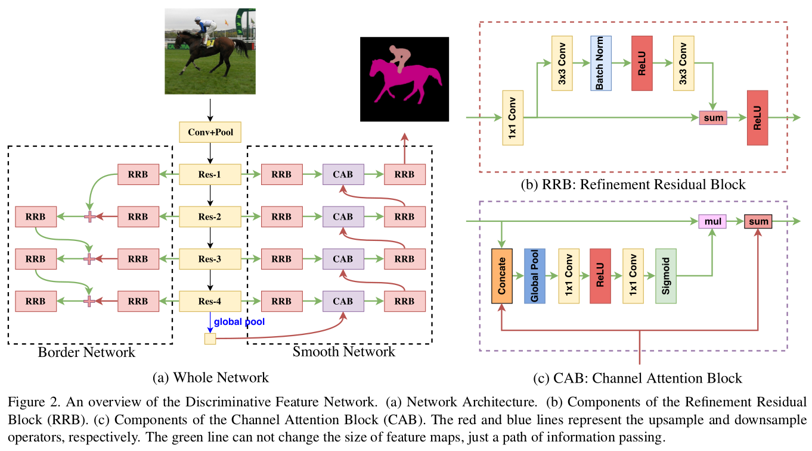
 | 5 | Holistically-Nested Edge Detection(auxloss for bisenet) | holistically nested 结构, 多层级feature map用于产生预测(side-out), 每个sideout都有loss(deep supervision), deep supervision 有助于保留低层级的信息; | pure edge | 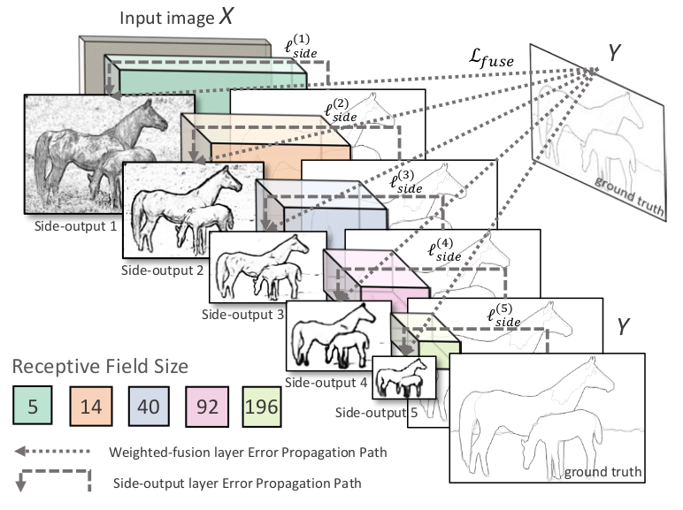
 | 5 | PSANet_pointwise spatial attention network for scene parsing | 计算量很大的方法: 每个点都根据输入生成两张HxW的attention mask, 一张是其它点对他的贡献, 另外一张是它对其它点的贡献, 这样达到了adaptive attention和bi-direciton information flow的目的 ...GPU多真心好
 | 5 | improving fast segmentation with teacher student learning | 一个对semantic segmentation做knowledge distillation的框架；用teacher model引入了probability loss， consistency loss，以及用unlabeled data，使得小模型的mIoU提升了4个点； loss的设计很有意思；
 | 5 | Panoptic Segmentation | 全景分割是语义分割的扩展，每个pixel除了class label之外，还有一个instance label，对于同一类的stuff，index可以认为一致；全景分割的instance是不重叠的； 提出了全景分割的标准PanopticQuality， 在instance的IoU大于0.5的情况下，每个gt的instance至多有一个prediction的instance， 因此tp, fp, fn定义为：tp：matched pairs of segmens; fp: unmatched predicted segments; fn: unmatched ground truth segments： PQ= (sum(IoU(p,g) for (p,g) in tp) / (tp + 0.5*fp + 0.5*fn) PQ的认为stuff class为一个instance, 这样，当instance比较多的时候，PQ会倾向于把thing分对（因为thing的个数比较多） 算法在SQ(segmentation quality)上和人类水平接近，但是在RQ(Recoginition Quality)上还大幅落后于人类
 | 5 | (PSPnet) Pyramid Scene Parsing Network | 提供了除了global avg pool之外的sub-region context的信息，使得语意分割更准确，不同于aspp, pspnet更强调context imformation，而aspp更强调scale invariant 加了deep supervision， 用aux loss提高训练效果； 提到了很多细节，ablantion 很充分
 | 5 | Large Kernel Matters -- Improve Semantic Segmentation by Global Convolutional Network | 认为最后在出logits的时候，1x1的卷积不能综合全局信息，最好用大kernel（仿照分类的全连接但是因为是卷积，又保持了空间信息）：因此提出了GCN（1x15 + 15x1, 防止15x15的kernel过拟合） 由于GCN主要提升的是object内部的分类效果，针对边界，提出了boundary refinement module
 | 5 | Pyramid Attention Network for Semantic Segmentation | GAU: 用高层级的feature作为低层级feature的attention; FPA: feature pyrimid attention, 对hight level feature的u-shape的attention
 | 2 | DeepLanes_End-to-End Lane Position Estimation using Deep Neural Networks
 | 2 | Deep fully convolutional networks with random data augmentation for enhanced generalization in road detection
 | 2 | Training constrained deconvolutional networks for road scene semantic segmentation
 | 2 | End-to-end ego lane estimation based on sequential transfer learning for self-driving cars(着重在训练方法)
 | 2 | Traffic-Sign Detection and Classification in the Wild
 | 5 | VPGNet_vanishing point guided network for lane and road marking detection and recognition | 1. 构建了一个不同天气/光照条件下的自动驾驶数据集, 20000张图, 17类, 且标注了消失点; 2. 提出了一个多任务的车道线/道路标识检测和分类的网络, 通过加入预测消失点的任务, 来加强网络全局信息的获取 文章在loss设计, 训连过程上都有很多值得借鉴的地方!
 | 2 | an empirical evaluation of deep learning on highway driving(类似于综述)
 | 5 | Embedding Structured Contour and Location Prior in Siamesed Fully Convolutional Networks for Road Detection | 1. 提出采用轮廓作为feature, 和RGB图同时作为输入的连体FCN, 能将F1 score提高2%, 同时加快training的速度 2. 在featureMap后加入location prior(也就是每个activation点的坐标), 可以有效去除诸如把天空分类为道路的情况
 | 2 | Tree-structured Kronecker Convolutional Networks for Semantic Segmentation
 | 5 | Exploring New Backbone and Attention Module for Semantic Segmentation in Street Scenes | 参考文献很丰富: 1. 对于backbone的思考：a. the feature in backbone should contain abundant spatial and semantic information; b. the backbone can impllement end-to-end framework without incresing the computation burdent too much 2. special attention很有趣: channel方向取max, avg， 过卷积和sigmoid后形成H, W方向的attention
 | 5 | Spatial-Temproal Based Lane Detection Using Deep Learning（有在嵌入式系统上实现）
 | 2 | deep neural network for structural prediction and lane detection in traffic scene（geometry information, multi-task）
 | 2 | Line-CNN: End-to-End Traffic Line Detection With Line Proposal Unit
 | 5 | LineNet: a Zoomable CNN for Crowdsourced High Definition Maps Modeling in Urban Environments
 | 5 | StripNet: Towards Topology Consistent Strip Structure Segmentation | 提出了一种由粗到精检测带状特征的方法：粗检测先确定整个带状目标的边界（确定RoI)，精检测时，用RoIAlign把对应的feature取出来，再划分RoI内的边界细分； 做label的方法很值得借鉴：gt_label边界是1个像素，train的时候，gt_label先用低通滤波一下（变成高斯分布的一条带）再train更容易减小错误 decompose the original segmantation problam into more easily solved boundary-regression problems, in a coarse-to-fine manner
 | 5 | 3D-LaneNet_end-to-end 3D multiple lane detection | 预测路面的坐标系， 用IPM把feature map投影到top-view，然后，以w方向的每个点代表的直线为anchor，直接回归出对于该直线的修正值和概率，作为车道线的预测。。。赞！！
 | 5 | Find Your Own Way: Weakly-Supervised Segmentation of Path Proposals for Urban Autonomy | 对于没有车道线的场景, 用weakly supervised的方法产生label进行分割
 | 5 | ExFuse: Enhancing Feature Fusion for Semantic Segmentation | 1. 文章认为, 在encoder-docoder结构中, 弥合height-level和low-level特征之间semantic和resolution的差异, 是decoder特征融合的关键. 2. 离loss近的能得到更多信息
 | 5 | Context Encoding for Semantic Segmentation | 用大类别: 比如卧室, 厨房等作为attention, 提高细分, 比如台灯, 碗等小类别的分类准确率 增加上下文信息,不单纯是增大receptive filed, 还可以用attention机制, 比如本文中通过attention来获取图片"场景"的信息, 对出现某类别的可能性进行加权 改结构的作用大于增加loss 这篇文章的思路比较像SE-net, 但是encoder的计算方法比较新, 文章中的测试效果也比se-net要好一些
 | 1 | (cvpr2019)Devil is in the Edges: Learning Semantic Boundaries from Noisy Annotations | 一种从有噪声标注中学习到较好边界的方法 | pure edge
 | 2 | (cvpr2019, 感觉像是一种剪枝的方法) SparseMask: Differentiable Connectivity Learning for Dense Image Prediction
 | 5 | (cvpr2019) ACE: Adapting to Changing Environments for Semantic Segmentation | 用风格迁移的方法， 用target domain的图片风格，把训练集的图片风格变为target domain的风格，使得模型能够在target domain用起来： 存储见过的domain的style statistic, 防止网络遗忘
 | 2 | Accel: A Corrective Fusion Network for Efficient Semantic Segmentation on Video
 | 5 | ADVENT: Adversarial Entropy Minimization for Domain Adaptation in Semantic Segmentation | 已经开源： https://github.com/valeoai/ADVENT target domian 是没有label的, 把source domain的图片和target domain的图片混在一起，source domian的loss还是有监督的cross-entropy， target domain的变为减小每个pixel的entropy，从而提高target domian的分割质量
 | 1 | Not All Areas Are Equal: Transfer Learning for Semantic Segmentation via Hierarchical Region Selection 综合数据到真实数据的迁移
 | 1 | Improving Semantic Segmentation via Video Propagation and Label Relaxation
 | 1 | Semantic Correlation Promoted Shape-Variant Context for Segmentation
 | 1 | Collaborative Global-Local Networks for Memory-Efficient Segmentation of Ultra-high Resolution Images
 | 1 | Taking A Closer Look at Domain Shift: Category-level Adversaries for Semantics Consistent Domain Adaptation
 | 1 | Decoders Matter for Semantic Segmentation_Data-Dependent Decoding Enables Flexible Feature Aggregation
 | 1 | Context reinforced Semantic Segmentation
 | 5 | SEMEDA: Enhancing Segmentation Precision with Semantic Edge Aware Loss | 用semantic edge 来指导网络学习，创新点在于，edge网络是接在seg_map之后的，串联而不是并联，这样可以避免edge网络和seg_map网络竞争feature：the segmantation mask can be structurelly constrained by aligning the predicted and ground truth semantic edges during training. 第一步先训练ground truth训练edge net： 第二步fix edge net，再训练seg net； 第二步中，edge net中的loss 类似风格迁移(中间feature 的L1/L2 loss)，用relu之前的feature效果更好； 串联的edge-aware loss strongly penalizes the presence of holes or discontinuities in the internal structure of the predicted objects 之后可以尝试实现一下 | edge | 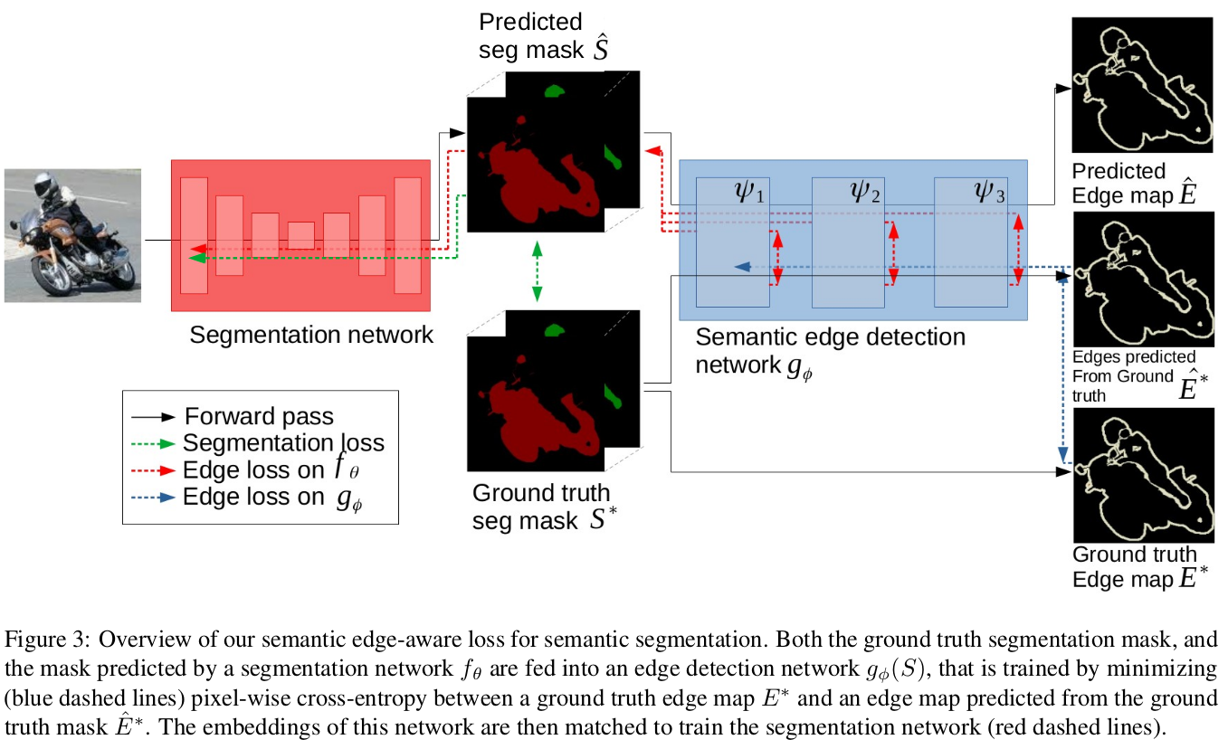
 | 1 | Harvesting informatation fromcaptions for weakly suipervised semantic segmentation
 | 1 | Task Decomposition and Synchronization for Semantic Biomedical Image Segmentation
 | 5 | (HRnetV1)Deep High-Resolution Representation Learning for Human Pose Estimation | 创新点： 1. 同时保持不同分辨率的feature map; 2. deep fusion: 在网络不同阶段都去融合不同分辨率的特征； | edge
 | 5 | (HRnet_V2)High-Resolution Representations for Labeling Pixels and Regions | 参考文献相当丰富啊～related work中有不少相关工作， 对尤其对语义分割的文章的review比较充分 输入图片两次3x3 stride=2的卷积到1/4之的每个stage都保持1/4的分辨率，并且每个stage都添加一个low-resolution的feature map；网络中会fuse一下各个resolution的feature map，总共8个（创新点在于高分辨率和低分辨率相互融合，而不是单向的）；最小的resolution为1/32；网络最后concate所有resolution的feature map 实验很充分 | edge

 | 5 | (cvpr2019)In Defense of Pre-trained ImageNet Architectures for Real-time Semantic Segmentation of Road-driving Images | 已经开源：https://github.com/orsic/swiftnet Image net pre-train的backbone效果还是不错的： regulirazation introduced by transfer learning 对semantic segmentation的总结还是不错的！ 应为要重排数据，atrous-conv虽然计算量不大， 但是速度也不快 shared parameters relex the demand for model capacity, reduce overfitting 对于pertrain的weights , 可以用更小的学习率， 比如1/4 有很详细的实验环境，包括GPU类型，cuda版本和cudnn版本等
 | 1 | (cvpr2019)A Simple Pooling-Based Design for Real-Time Salient Object Detection
 | 1 | Structured Knowledge Distillation for Semantic Segmentation
 | 1 | CGNet: A Light-weight Context Guided Network for Semantic Segmentation
 | 5 | LEDNet: A Lightweight Encoder-Decoder Network for Real-Time Semantic Segmentation | 用了目前比较高效的一些操作，比如用1x3, 3x1的卷积和channel shuffle来高效提高模型容量， 不用depthwise_conv+1x1卷积； 用了APN(Attention Pyramid Network)来产生spatial attention, 收集多尺度信息而不明显增加计算量
 | 1 | FastFCN: Rethinking Dilated Convolution in the Backbone for Semantic Segmentation
 | 1 | Efficient Ladder-style DenseNets for Semantic Segmentation of large Images
 | 5 | BiSeNet: Bilateral Segmentation Network for Real-time Semantic Segmentation | 1. spatial path和context path分开, 同时满足速度和语义信息的提取 2. context path 有用auxiliary loss
 | 5 | DFANet: Deep Feature Aggregation for Real-Time Semantic Segmentation | Taitan X上 1024x1024能够跑到100fps， 非常非常快了 重点propose 了一种结构，把不同level的feature融合在一起，卷积层最大的stride是64 sub-net work aggregation: stack of backbones by feeding the output of previous backbone to the next, allow hight level features to be processed again to further evaluate and re-access higher orderspatial relationship sub-stage aggregation: always from high resolution to low resolution...其实没有太看懂这部分的动机，一个可能的原因是通过多个路径来减少vanishing gradient 为了使结构简单，提出并复用了一个Xceptiion的修改版back bone，可以使得收敛更好； 加decoder， 可以使得梯度更容易传导，优化更容易一些 FC attention provides evidence for the effect of hight-dimensional context
 | 5 | (2019)Boundary-Aware Network for Fast and High-Accuracy Portrait Segmentation | 经典语义分割方法精细边界不太好分割的原因; 1. 边界标注时有噪声; 2. 最后的feature map比较小， 1/4已经横不错了，因此无法恢复头发丝等信息； 人像分割的边界区域对大的receptive field没有要求，但是需要局部的receptive field来提取对比度信息， 因此人像主体和人像边界区域可以分开来处理 网络的semantic branch就是一个常规的语义分割网络， Fusion Part和Bisenet的差不多；Boundary Featurer Mining Branch把输入图片和由semantic branch产生的boundary area attention（基本上是一个boundary mask）拼在一起； BA loss负责boundary mask; seg loss负责主体的分割效果: Refine loss在边界部分起作用, 主要是使得边界区域结果的梯度和图片的梯度接近，从而分割出细节； 训练分为两步， 首先不加refine loss训练， boundary比较好以后再加refine loss | edge | 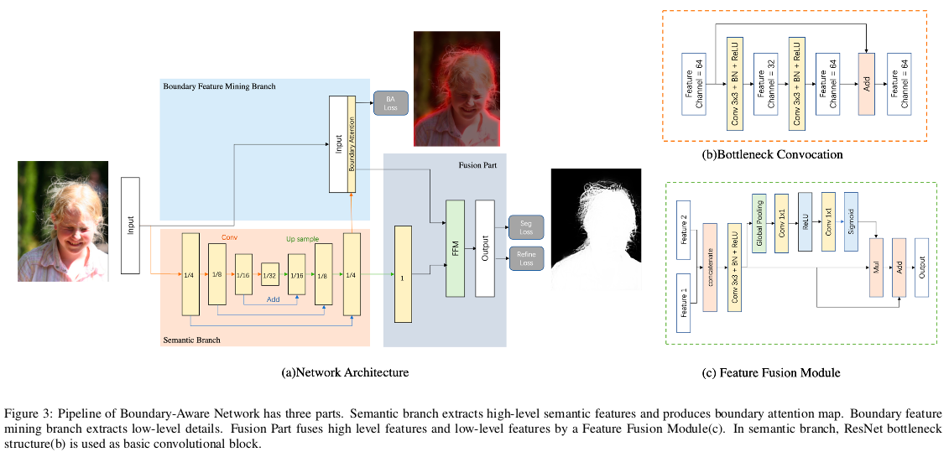

proposal free instance segmentation | 2 | Instance-sensitive Fully Convolutional Networks
 | 1 | Pixel-level Encoding and Depth Layering for Instance-level Semantic Labeling
 | 1 | Recurrent Pixel Embedding for Instance Grouping
 | 1 | Semantic Instance Segmentation via Deep Metric Learning
 | 1 | Instancecut: from edges to instanes with multicut
 | 1 | Distance metric learning for large margin nearest neighbor classification
 | 1 | SGN_Sequential Grouping Networks for Instance Segmentation
 | 1 | Deep Watershed Transform for Instance Segmentation
 | 1 | Joint Graph Decomposition & Node Labeling_Problem, Algorithms, Applications
 | 1 | Proposal-free instance segmentation with a clustering loss function
 | 1 | Segmentation is All You Need
 | 1 | instance segmentation by jointly optimizing spatial embeddings and clustering Bandwidth

 | 5 | Semantic Instance Segmentation with a Discriminative Loss Function | 提出了一种proprosal free的instance segmentation的方法：网络输出每个像素的embedding， 在embedding的空间进行聚类。 Embedding的训练用的loss有3项：variance term: 同一类在embedding空间靠近；distance term：不同类的均值的中心在embedded空间远离；regularization term: 各个聚类中心靠近原点；这个loss也可以用于classification和semantic segmentation 优点：对复杂遮挡比较有效 缺点：需要训练集和测试机的图片比较一致（due to the holistic treatment of the image), 对前序的semantic mask的要求比较高，mask不准的话，instance也不准
 | 5 | Towards End-to-End Lane Detection: an Instance Segmentation Approach | 针对目前多分类车道线在变道的时候不work的情况, 把网络结构改为一个二分类分割网络(背景,线)和一个embedding网络(某个像素属于某个instance), 把分割网络出来的结果作为mask, 拿出embedding网络对应的像素来做聚类, 实现变道的时候也能分出4条线; 设计类H-net, 能够为每张图片输出透视变换的参数, 方便在top-view上做曲线拟合
 | 5 | Learning to Cluster for Proposal-Free Instance Segmentation | 把instance segmentation定义为：使紧挨在一起的物体可以分开， 被其他物体部分遮挡的物体能够整体分出来； 1. 用FCN处理instance segmentation的问题， 即把相邻的物体放在不同的class， 有点像地图的颜色有限，但是同样能够分割出不同的国家：use limited indeces to labeling an unlimited instance amount of instances 2. loss函数基于KL散度， 属于一个instance的散度小，不属于一个instance的散度大; 且单独为bg/fg添加sigmoid cross entropy 3. 每一pair的pixels都要计算散度，为了减少计算量，提出了一种sampling的方法, 每次只取1000个点形成1 million个pair 弊端是，被遮挡的物体会被分成两个东西
车道线检测 | 5 | (2019) Agnostic Lane detection | 是一篇研究生的学期报告 用proposal free的instance segmentation的方法检测车道线， 增加了line points和drivable area两个辅助任务 车道线的embedding branch和其他branch分开测
 | 5 | (2019) FastDraw: Addressing the Long Tail of Lane Detection by Adapting a Sequential Prediction Network | end to end的车道线检测; 用了style transfer的方法，能够快速adapt到新的场景； 90FPS on 1080 对车道线检测的需求：1. able to represent any number of lines of any length; 2. run in real-time; 3. adapt quikly to new scenes 网络输出一张各个点在车道线上的概率；一张每个点的下一行上各个点和这个点在一条车道线上的概率；一张每个点的上一行上各个点和这个点在一条车道线上的概率；共3张图；这样，可以从任何一个点开始，画出整条车道线； 用MUNIT(一种GAN), 把现有数据集的风格迁移出不同场景数据，混合训练，提高模型的精度泛化能力， to bias the network towards shape instead of texture network trained to do simple task on simple dataset learn low-level dircsriminative features that do not generalize, Unsupervised style transfer for data augmentation is offered as a naive but effective regularization of this phenomenon

自动驾驶感知相关 |  | Estimating Drivable Collision-Free Space from Monocular Video | The most crucial information necessary to avoid obstacles is the drivable free space that can be immediately reached by the autonomous vehicle without collision
 | 5 | The Stixel World - A Compact Medium Level Representation of the 3D-World | 对于从地面(free-space)起始的障碍物效果比较好，但是对于飞在空中的障碍物比如交通灯等效果不好； 提起stixel的步骤为：计算Depth(SGM)->计算occupy grid->计算free space(stixel下界)->计算stixel上界(结合free space和disparity map)->提取stixel(确定其depth：parabolic fit, 出去outliers)
 | 5 | The Stixel World_A Medium-level Representation of Traffic Scene | stixel is a kind of superpixel where each superpixels is a thin stick-like segment with a class label(support, vertical, sky) and a 3D planar depth model
 | 2 | semantic stixel: Depth is Not Enough
 | 5 | Detecting Unexpected Obstacles for Self-Drving Cars_Fusing Deep Learning and Geometirc Modeling | 1. 把语义分割stixel化， 使得对空间的描述更加充分； 2. RGB Camara: hight resolution for low/small object detection 3. stixel: perform well for detecting medium-sized objects objects at close to medium range, with reduced performance for longer ranges and smaller obstacles 4. 最后的small uexpexct obstacle用probalistic的方法， 融合了来自UON stixel， FPHT stixel和disparity map的三种信息
 | 5 | DeepVO: Towards End-to-End Visual Odometry with Deep Recurrent Convolutional Neural Networks | vo网络的要求：1. can learn geometric feature representation; 2. can derive connections among consecutive images, 所以文章提出了cnn+rnn的结构
multi-task | 5 | Multi-Task Learning Using Uncertainty to Weigh Losses for Scene Geometry and Semantics | 1. multi task的效果受各个task的weight影响很大， 且task很多的时候， gride search的时间比较多 2. 用各个task输出的uncerainty(的倒数)作为loss的权重，能够有效模拟多个task之间的关系，在训练过程中动态调节loss权重，取得了不错的效果。
 | 5 | An overview of multi-task learning in deep neural networks | why does MTL work: 1. implicit data augmentation; 2. attention focusing; 3. eavesdropping; 4. representation bias; 5. regularization 到底如何共享backbone是需要尝试的
 | 5 | Real-time Joint Object Detection and Semantic Segmentation Network for Automated Driving | backbone: resnet10, object detection: yolo_v2, semantic segmentation: fcn8
 | 5 | NeurALL_Towards a Unified Model for Visual Perception in Automated Driving | 自动驾驶视觉任务有: 1. object recogonition: 包含具有类别的物体识别和语义分割；2. general object detection: 包括静态物体识别和动态物体识别；3. 距离相关预测， 比如自由度；4. 场景识别，恶劣天气识别和在线校准等； 多任务学习不一定能提升准确率，但是能够在减少计算量的前提下获得不错的效果； 参考文献很丰富
 | 5 | Multinet: Realtime joint semantic reasoning for autonomous driving（检测， 语意分割融合的多任务模型） | object detection decoder的设计有意思：每个点的roi不靠anchor， 直接预测生成，然后再去roiAlign，保证了scale invariance 训练的时候， 每个task单独forward（每个task的参数，batchsieze不一致）， 仅backward的时候把gradient合起来
 | 5 | Fast Scene Understanding for Autonomous Driving | 1. 用Enet做backbone，instance segmentation用了proposal free的方法
自动驾驶综述 | 5 | Visual SLAM for Automated Driving: Exploring the Application of Deep Learning | 很好的一篇综述文章，综述了视觉slam的典型流水线，应用场景，挑战和深度学习在其中扮演的角色，for now， visual slam uses cnn is not mature for deployment in commecial commotial automated driving system fundamental pipline: tracking->mapping->global_optimization->relocalization Use case: cameras have high resolution, so VisualSLAM suits for situation that require a detailed knowlagde about the environment or generate ambiguous signals from other sensors, such as parking, highway driving and uban driving deep learing opportunities: 1. tracking/odometry 2. depth estimation: 3. optical flow 4. Semantic Segmentation 5. Camera pose estimation
 | 5 | Autonomous vehicle perception: The technology of today and tomorrow | 很好的一篇综述，主要review了无人车上的不同sensor和localizaiton和map的算法，但是没有详细说明preception的任务主要有哪些？
 | 5 | [综述, 2010]Recent progress in road and lane detection_a survey | 1. 难点：场景多样化(车道/车道线多样，图像的清晰度和能见度等)以及要求高可靠性； 2. 传感器： 单目视觉， 立体视觉， 激光雷达，雷达， gps/imu, vihical dynamics； 3. 系统构成：图像预处理， 特征提取， model fitting, temporal integration, image to world correspondance a. 预处理：处理亮度，RoI， 变换视角等（to bird-view) b.特征提取： 主要讲经典视觉方法，lane(人工画好车道线)， road（自然边界）的方法稍有不同； c.model fitting: paramitric, semi-paramitric and non-paramitric模型，一般用RAMSAC确定参数
 | 5 | [综述， 2018.05]advanced in vision-based lane detecion: algorithms, integration, assessment, and perspectives on acp-based parallel vision | 综述了基于视觉的车道线检测的算法及其集成（算法级别和系统级别）以及目前方法的限制，提出了基于acp的方法可能更加适合

