Sheet1
Scope | 优先级 | TODO | comment
 | 5 | learning a discriminative feature network for semantic segmentation(global average pooling for bisenet) | 同一类别的不连续(intra-class inconsistency)主要是因为缺乏全局特征. 可以用channel attention block(smooth network, top-down)解决: high stage provide a strong consistency guidance, while the features of low stage give the different discrination information of features, in this way, the channel attention vector can select the discriminative features 通过在训练的时候, 增加一个semantic boundary(board network, bottom-up, 类似spatial-wise attention)来提高类别之间的区分度, 并引入focal loss: for extracting accurate semantic boundary, the features on both sides will become more distinguishable. This exactly reaches our goal to make the features with inter-class disctinction as much as possible. smooth network 和 bord network之间的平衡为1:0.1 | edge | 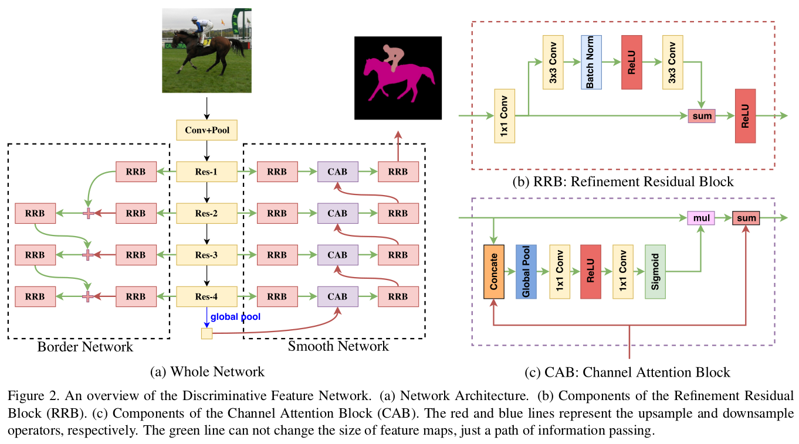
 | 5 | SEMEDA: Enhancing Segmentation Precision with Semantic Edge Aware Loss | 用semantic edge 来指导网络学习，创新点在于，edge网络是接在seg_map之后的，串联而不是并联，这样可以避免edge网络和seg_map网络竞争feature：the segmantation mask can be structurelly constrained by aligning the predicted and ground truth semantic edges during training. 第一步先训练ground truth训练edge net： 第二步fix edge net，再训练seg net； 第二步中，edge net中的loss 类似风格迁移(中间feature 的L1/L2 loss)，用relu之前的feature效果更好； 串联的edge-aware loss strongly penalizes the presence of holes or discontinuities in the internal structure of the predicted objects 之后可以尝试实现一下 | edge | 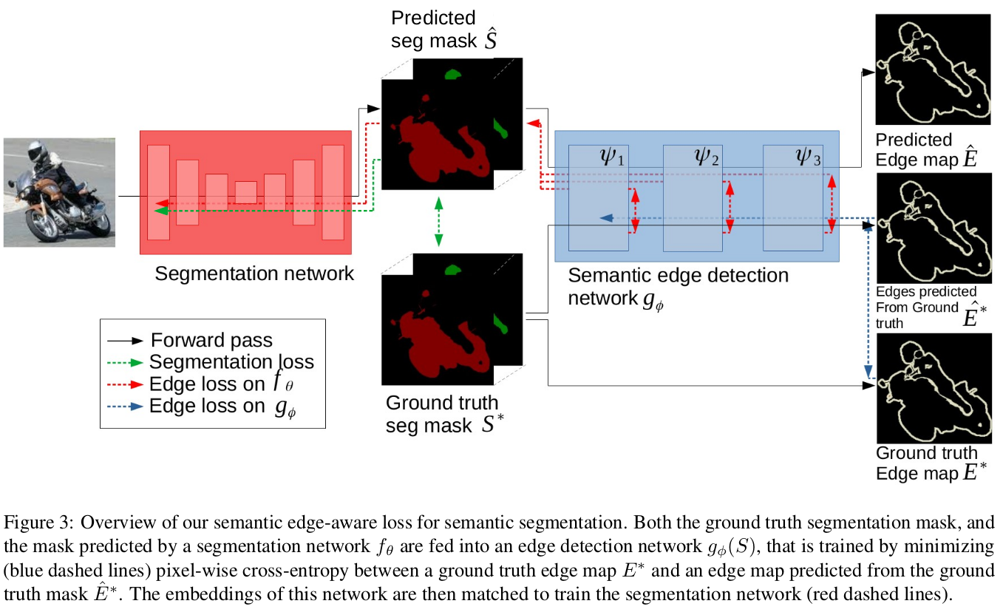
 | 5 | (HRnetV1)Deep High-Resolution Representation Learning for Human Pose Estimation | 创新点： 1. 同时保持不同分辨率的feature map; 2. deep fusion: 在网络不同阶段都去融合不同分辨率的特征； | edge
 | 5 | (HRnet_V2)High-Resolution Representations for Labeling Pixels and Regions | 参考文献相当丰富啊～related work中有不少相关工作， 对尤其对语义分割的文章的review比较充分 输入图片两次3x3 stride=2的卷积到1/4之的每个stage都保持1/4的分辨率，并且每个stage都添加一个low-resolution的feature map；网络中会fuse一下各个resolution的feature map，总共8个（创新点在于高分辨率和低分辨率相互融合，而不是单向的）；最小的resolution为1/32；网络最后concate所有resolution的feature map 实验很充分 | edge
 | 5 | (2019)Boundary-Aware Network for Fast and High-Accuracy Portrait Segmentation | 经典语义分割方法精细边界不太好分割的原因; 1. 边界标注时有噪声; 2. 最后的feature map比较小， 1/4已经横不错了，因此无法恢复头发丝等信息； 人像分割的边界区域对大的receptive field没有要求，但是需要局部的receptive field来提取对比度信息， 因此人像主体和人像边界区域可以分开来处理 网络的semantic branch就是一个常规的语义分割网络， Fusion Part和Bisenet的差不多；Boundary Featurer Mining Branch把输入图片和由semantic branch产生的boundary area attention（基本上是一个boundary mask）拼在一起； BA loss负责boundary mask; seg loss负责主体的分割效果: Refine loss在边界部分起作用, 主要是使得边界区域结果的梯度和图片的梯度接近，从而分割出细节； 训练分为两步， 首先不加refine loss训练， boundary比较好以后再加refine loss | edge | 