总览
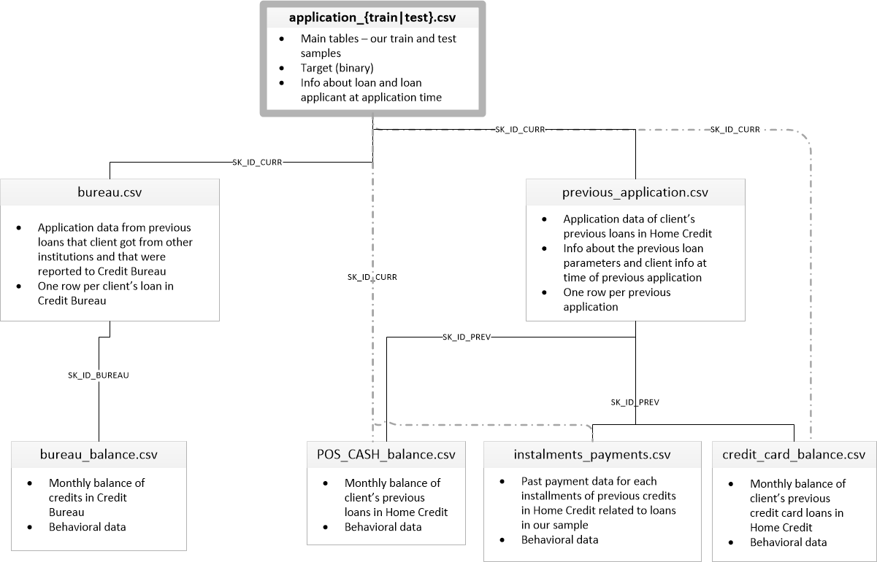
Home Credit(HC)想要对于没有信用记录的人群提供贷款，所以收集了大量的数据以便预测贷款人的还贷能力

 | 特征工程构建特征池

 | 特征选择[方差，相关性预准备]

特征重要性度量

 | Stack一个模型进行重要性评估确定最终的特征输入

 | GBDT特征组合(深度低或高)+LR进行组合

 | Blending multiple models' output

