0416
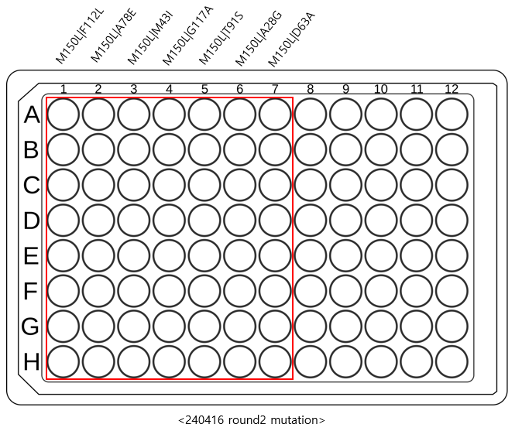

4/16 sequence 분석 |  | MPH single mutant |  | round 2
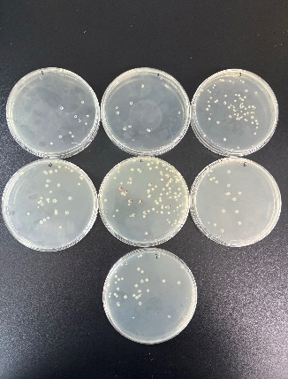
 |  |  | * colony picking, 200ul culture plate 제작. 4hr shacking incubation

 |  |  | <-여기서 plate 당 8개씩 picking

 | <0415 transformation result>

 | <240415 2round mutant nanopore sequencing 결과 확인>

 |  |  |  |  |  | * 4/17 correct sequence 정리
 |  |  |  |  |  |  | F112L | A78E | M43I | G117A | T91S | A28G | D63A
 |  |  |  |  |  |  | 1 | 2 | 3 | 4 | 5 | 6 | 7
 |  |  |  |  |  | A
 |  |  |  |  |  | B
 |  |  |  |  |  | C
 |  |  |  |  |  | D
 |  |  |  |  |  | E
 |  |  |  |  |  | F |  |  |  |  |  |  |  | <Sample 1 : M150L | F112L>
 |  |  |  |  |  | G |  |  |  |  |  |  |  | <Sample 2 : M150L | A28E>
 |  |  |  |  |  | H |  |  |  |  |  |  |  | <Sample 3 : M150L | V90F>
 |  |  |  |  |  |  | <초록박스는 sequence 맞게 나온 것> |  |  |  |  |  |  | <Sample 4 : M150L | G117A>
 |  |  |  |  |  |  |  |  |  |  |  |  |  | <Sample 5 : M150L | T91S>
 |  |  |  |  |  |  |  |  |  |  |  |  |  | <Sample 6 : M150L | A28G>
 |  |  |  |  |  |  |  |  |  |  |  |  |  | <Sample 7 : M150L | D63A>
 |  |  |  |  | * primer간 homologous한 부분이 있어서 deletion됨
 | <Sample 1 : M150L | F112L> |  |  |  | >primer 재주문해야함

 |  |  |  |  | *2ml culture
 |  |  |  |  | >14ul conical tube에 2ml LB와 2ul CM을 넣는다
 |  |  |  |  | >각 Sample 2ul를 넣어준다.
 |  |  |  |  | >overnight

 |  |  |  |  | *Correct sample list |  |  | *pick한 sample list
 |  |  |  |  | no. | well |  | no. | well
 |  |  |  |  | 1 | B1 |  | 1 | B1
 |  |  |  |  | 2 | C1 |  | 2 | C1
 |  |  |  |  | 3 | G1 |  | 3 | A2
 |  |  |  |  | 4 | A2 |  | 4 | B2
 |  |  |  |  | 5 | B2 |  | 5 | F3
 |  |  |  |  | 6 | C2 |  | 6 | G3
 |  |  |  |  | 7 | E2 |  | 7 | A4
 |  |  |  |  | 8 | F2 |  | 8 | B4
 |  |  |  |  | 9 | G2 |  | 9 | A6
 |  |  |  |  | 10 | B3 |  | 10 | B6
 | <Sample 2 : M150L | A28E> |  |  |  | 11 | D3 |  | 11 | C7
 |  |  |  |  | 12 | F3 |  | 12 | H7
 |  |  |  |  | 13 | G3
 |  |  |  |  | 14 | A4
 |  |  |  |  | 15 | B4
 |  |  |  |  | 16 | E4
 |  |  |  |  | 17 | F4
 |  |  |  |  | 18 | G4
 |  |  |  |  | 19 | A6
 |  |  |  |  | 20 | B6
 |  |  |  |  | 21 | E6
 |  |  |  |  | 22 | F6
 |  |  |  |  | 23 | G6
 |  |  |  |  | 24 | C7
 |  |  |  |  | 25 | H7

 | <Sample 3 : M150L | V90F>

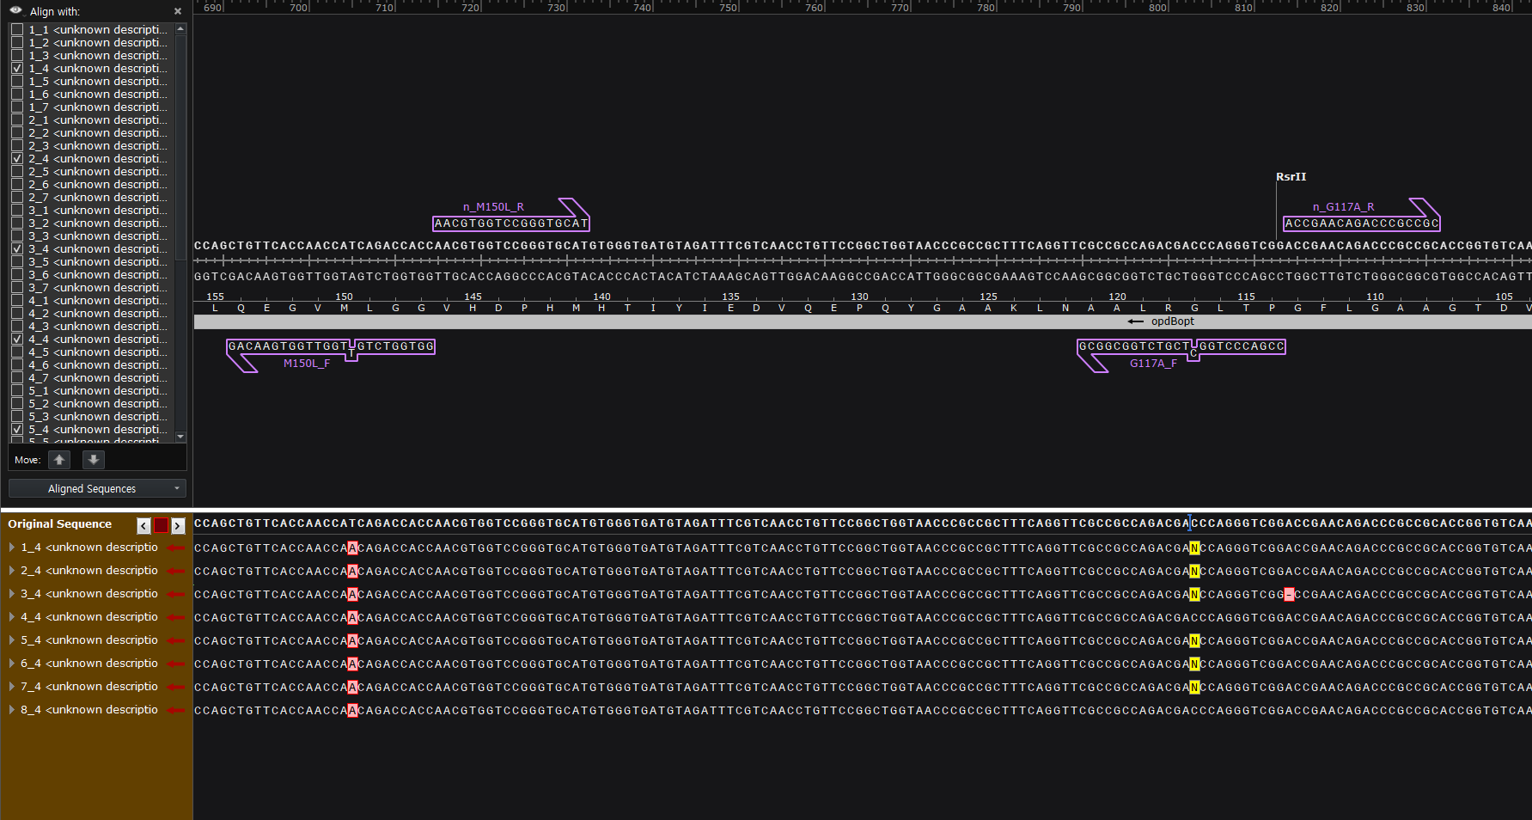

 | <Sample 4 : M150L | G117A>

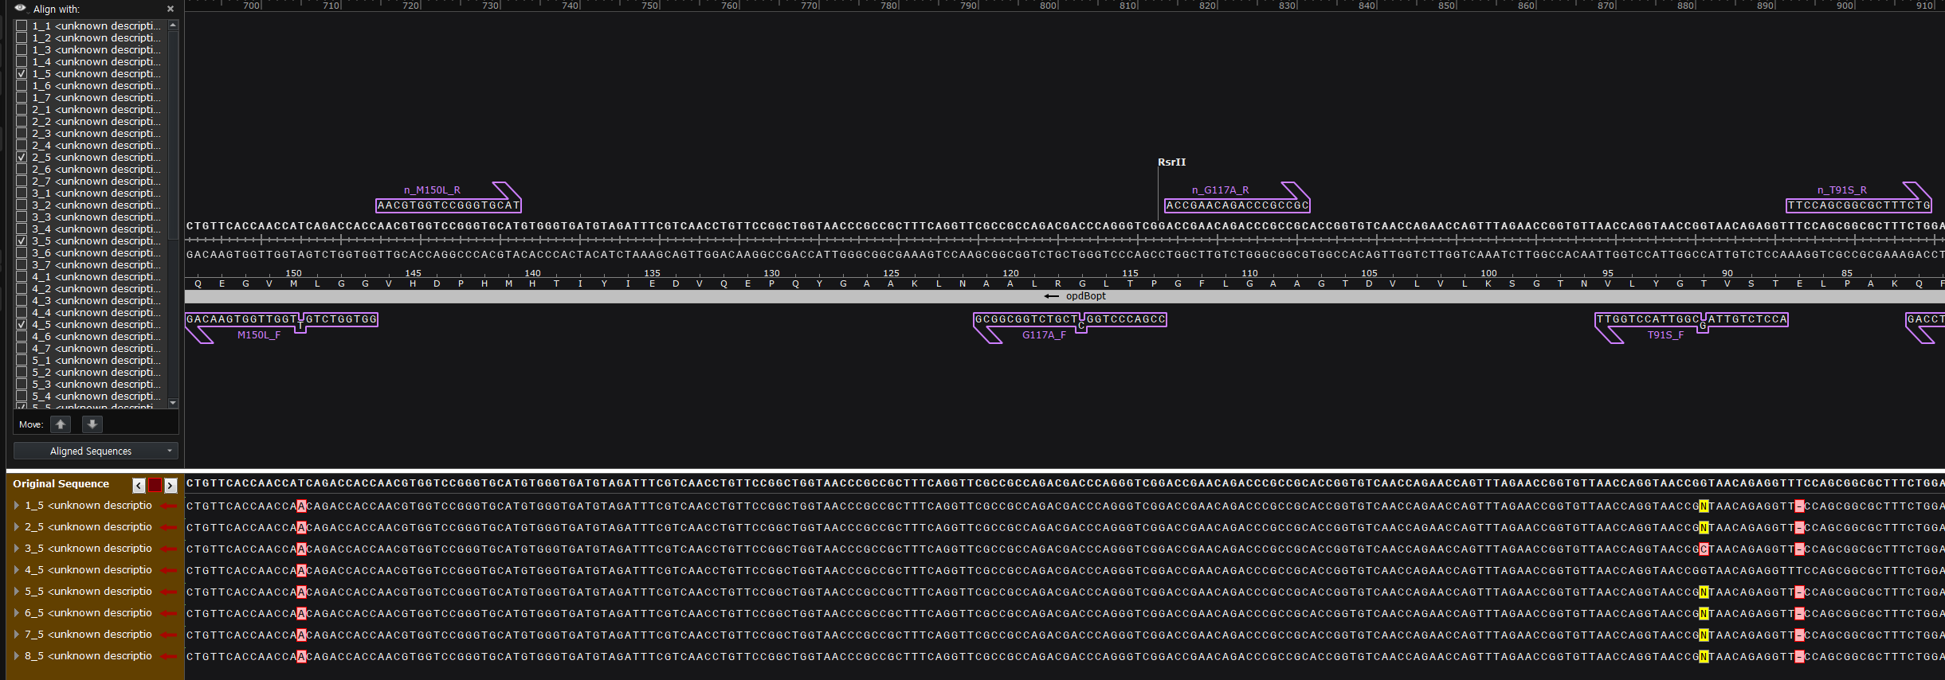

 | <Sample 5 : M150L | T91S>
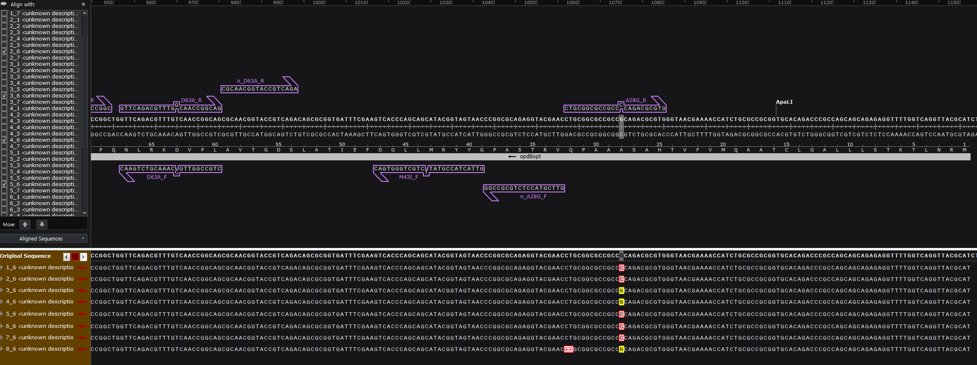

 | <Sample 6 : M150L | A28G>

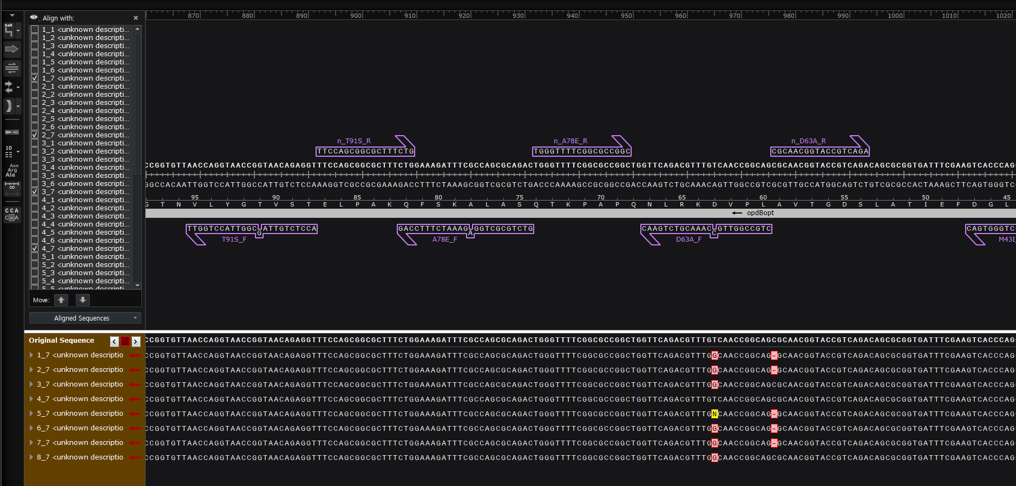

 | <Sample 7 : M150L | D63A>

0417
Round 2 mutant |  |  |  |  |  |  |  |  |  | Round 3 mutant
 |  |  |  |  |  |  |  |  |  | *round 3 mutation |  |  | *single mutant PCR
* miniprep 12개 sample |  |  |  |  |  |  |  |  |  | M150L|F112L|V252A |  |  | 100pmol F,R primer | 0.5ul |  | thermocycler
 |  |  |  |  |  |  |  |  |  | M150L|A78E|F206C |  |  | KOD | 12.5ul |  | no. | temperature | time
4/17 correct sequence 정리 |  |  |  |  |  |  |  |  |  | M150L|M43I|T97I |  |  | Template | 1ul |  | 1 | 98℃ | 5min
 |  |  |  |  |  |  |  |  |  | M150L|G117A|L245Q |  |  | DW | 10.5ul |  | 2 | 98℃ | 10sec
 | F112L | A78E | M43I | G117A | T91S | A28G | D63A |  |  | M150L|G308D |  |  | Total | 25ul |  | 3 | 55℃ | 10sec
 | 1 | 2 | 3 | 4 | 5 | 6 | 7 |  |  | M150L|A28G|P61L |  |  | *Gel electrophoresis |  |  | 4 | 68℃(Go to 2 step x29) | 1min 30sec
A |  |  |  |  |  |  |  |  |  | M150L|D63A|N96S |  |  | 1% agarose gel |  |  | 5 | 68℃ | 5min
B |  |  |  |  |  |  |  |  |  | V90F |  |  | DNA 5ul + DNA loading buffer 0.5ul |  |  | 6 | 4℃ | ~
C
D |  |  |  |  |  |  |  |  |  |  |  |  | *PCR Purification
E
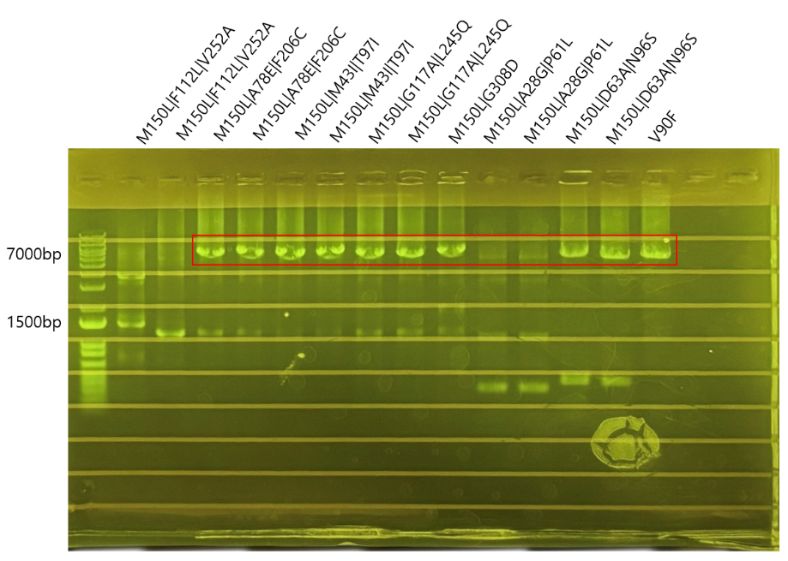
F
G
H
 |  |  |  |  |  |  |  |  |  |  |  |  |  |  | *gel electrophoresis
4/17 Select sequence 정리(culture했던 것) |  |  |  |  |  |  |  |  |  |  |  |  |  |  | 5ul DNA + 0.5ul loading buffer

 | F112L | A78E | M43I | G117A | T91S | A28G | D63A
 | 1 | 2 | 3 | 4 | 5 | 6 | 7
A
B
C
D
E
F
G |  |  |  |  |  |  |  |  |  | <2024.04.17 Round3 mutation PCR, electrophoresis gel result>
H
 |  |  |  |  |  |  |  |  |  | * mutant PCR 이후, size 확인 |  |  | (size 7kb 맞는지 확인)
4/17 Rapid Barcode align
 |  |  |  |  |  |  |  |  |  | 3 round mutant |  | o/x
 | F112L | A78E | M43I | G117A | T91S | A28G | D63A |  |  | M150L|F112L|V252A |  | x
 | 1 | 2 | 3 | 4 | 5 | 6 | 7 |  |  | M150L|A78E|F206C |  | o
A |  | bacode3 |  | bacode7 |  | bacode9 |  |  |  | M150L|M43I|T97I |  | o
B | bacode1 | bacode4 |  | bacode8 |  | bacode10 |  |  |  | M150L|G117A|L245Q |  | o
C | bacode2 |  |  |  |  |  | bacode12 |  |  | M150L|G308D |  | o
D |  |  |  |  |  |  |  |  |  | M150L|A28G|P61L |  | x
E |  |  |  |  |  |  |  |  |  | M150L|D63A|N96S |  | o
F |  |  | bacode5 |  |  |  |  |  |  | V90F |  | o
G |  |  | bacode6
H |  |  |  |  |  |  | bacode13 |  |  | * ligation, DpnI

4/17 Rapid Barcode result |  |  |  |  |  |  |  |  |  | Component
 |  |  |  |  |  |  |  |  |  | T4 ligase | 1ul
 | F112L | A78E | M43I | G117A | T91S | A28G | D63A |  |  | T4 PNK | 1ul
 | 1 | 2 | 3 | 4 | 5 | 6 | 7 |  |  | buffer | 2.5ul
A |  | bacode3 |  | bacode7 |  | bacode9 |  |  |  | DpnI | 1ul
B | bacode1 | bacode4 |  | bacode8 |  | bacode10
C | bacode2 |  |  |  |  |  | bacode12 |  |  | Thermocycler
D |  |  |  |  |  |  |  |  |  | 37℃ | 30min
E |  |  |  |  |  |  |  |  |  | 24℃ | 1hr 30min
F |  |  | bacode5 |  |  |  |  |  |  | 65℃ | 10min
G |  |  | bacode6 |  |  |  |  |  |  | 4℃ | ~
H |  |  |  |  |  |  | bacode13

 | *빨간색은 nanopore sequence incorrect
 | *노랑색은 nanopore sequence not sure
 | *초록색은 nanopore sequence correct |  |  |  |  |  |  |  | * nanopore sequencing result

 |  |  |  |  |  |  |  |  | no. | *round 3 mutation |  | well | Sequencing
 |  |  |  |  |  |  |  |  | 1 | M150L|F112L|V252A |  | B1 | x
*nanopore correct sample list |  |  |  |  |  | *rapid nanopore correct sample list |  |  | 2 | M150L|F112L|V252A |  | C1 | O
no. | well | mutant | conc. | barcode |  | no. | well | mutant | 3 | M150L|A78E|F206C |  | A2 | O
1 | B1 | M150L|F112L | 34.7 | 1 |  | 1 | C1 | M150L|F112L | 4 | M150L|A78E|F206C |  | B2 | x
2 | C1 | M150L|F112L | 189.7 | 2 |  | 2 | A2 | M150L|A78E | 5 | M150L|M43I|T97I |  | F3 | x
3 | A2 | M150L|A78E | 47.5 | 3 |  | 3 | G3 | M150L|M43I | 6 | M150L|M43I|T97I |  | G3 | O
4 | B2 | M150L|A78E | 47.6 | 4 |  | 4 | A4 | M150L|G117A | 7 | M150L|G117A|L245Q |  | A4 | O
5 | F3 | M150L|M43I | 45.4 | 5 |  | 5 | B4 | M150L|G117A | 8 | M150L|G117A|L245Q |  | B4 | x
6 | G3 | M150L|M43I | 39.2 | 6 |  | 6 | A6 | M150L|A28G | 9 | M150L|G308D |  |  | O
7 | A4 | M150L|G117A | 54.8 | 7 |  | 7 | B6 | M150L|A28G | 10 | M150L|A28G|P61L |  | A6 | O
8 | B4 | M150L|G117A | 47.9 | 8 |  | 8 | H7 | M150L|D63A | 11 | M150L|A28G|P61L |  | B6 | x
9 | A6 | M150L|A28G | 65.1 | 9 |  |  |  |  | 12 | M150L|D63A|N96S |  | C7 | x
10 | B6 | M150L|A28G | 54.6 | 10 |  |  |  |  | 13 | M150L|D63A|N96S |  | H7 | O
11 | C7 | M150L|D63A | 55.9 | 12 |  |  |  |  | 14 | V90F |  |  | O
12 | H7 | M150L|D63A | 51.2 | 13
 |  |  |  |  |  |  |  |  | *transformation

 |  |  |  |  |  |  |  |  | DNA 2ul + Comp cell 40ul
 |  |  |  |  |  |  |  |  | ice incubation 1hr
 |  |  |  |  |  |  |  |  | heat shock 1.5min
 |  |  |  |  |  |  |  |  | ice incubation 2min
 |  |  |  |  |  |  |  |  | SOC 150ul
 |  |  |  |  |  |  |  |  | shacking incubation 45min
 |  |  |  |  |  |  |  |  | spreading 200ul
 |  |  |  |  |  |  |  |  | overnight

<Rapid Barcoding Sequence result>

 |  |  |  |  |  |  |  |  |  |  |  |  |  |  |  |  |  |  | *rapid barcode sequence match
 |  |  |  |  |  |  |  |  |  |  |  |  |  |  |  |  |  |  | barcode | sample | well | match
 |  |  |  |  |  |  |  |  |  |  |  |  |  |  |  |  |  |  | barcode03 | M150L|A78E | A2 | o

 |  |  |  |  |  |  |  |  |  |  |  |  |  |  |  |  |  |  | barcode04 | M150L|A78E | B2 | x

 |  |  |  |  |  |  |  |  |  |  |  |  |  |  |  |  |  |  | barcode05 | M150L|M43I | F3 | x

 |  |  |  |  |  |  |  |  |  |  |  |  |  |  |  |  |  |  | barcode06 | M150L|M43I | G3 | o

 |  |  |  |  |  |  |  |  |  |  |  |  |  |  |  |  |  |  | barcode07 | M150L|G117A | A4 | o

 |  |  |  |  |  |  |  |  |  |  |  |  |  |  |  |  |  |  | barcode08 | M150L|G117A | B4 | o

 |  |  |  |  |  |  |  |  |  |  |  |  |  |  |  |  |  |  | barcode09 | M150L|A28G | A6 | o

 |  |  |  |  |  |  |  |  |  |  |  |  |  |  |  |  |  |  | barcode10 | M150L|A28G | B6 | o

 |  |  |  |  |  |  |  |  |  |  |  |  |  |  |  |  |  |  | barcode12 | M150L|D63A | C7 | x

 |  |  |  |  |  |  |  |  |  |  |  |  |  |  |  |  |  |  | barcode13 | M150L|D63A | H7 | o

 |  |  |  |  |  |  |  |  |  |  |  |  |  |  |  |  |  |  | barcode01 | M150L|F112L | B1 | x

 |  |  |  |  |  |  |  |  |  |  |  |  |  |  |  |  |  |  | barcode02 | M150L|F112L | C1 | o

0418
Round 3 mutant
*round 3 mutation
M150L|F112L|V252A

*0417 진행했던 mutation에서 gel electrophoresis를 했을때, band가 나오지 않았던 M150L|F112L|V252A를 다시 진행함
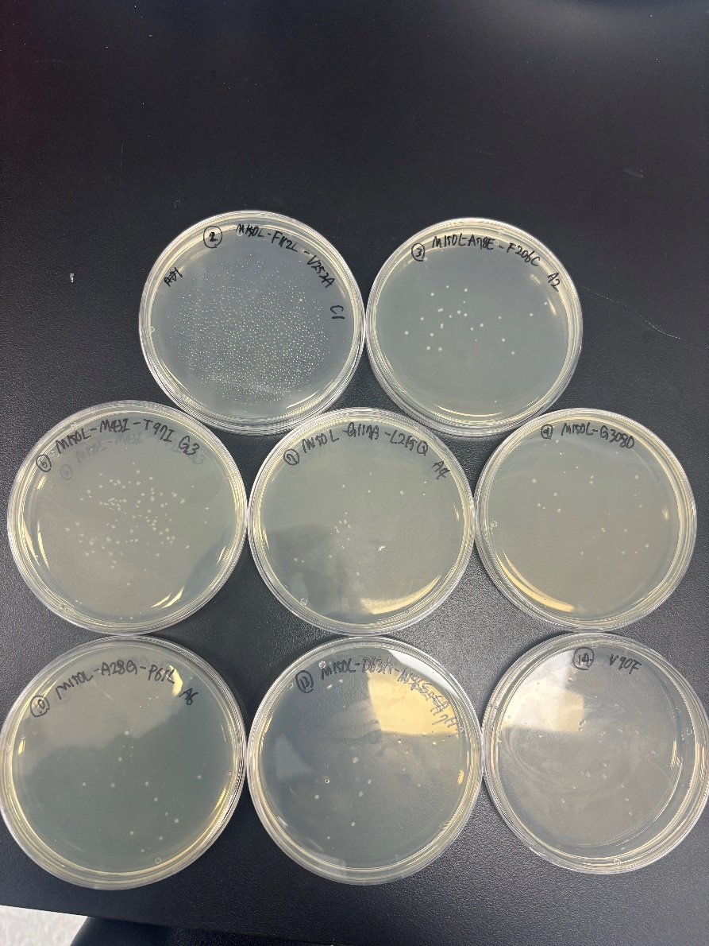
*single mutant PCR |  |  |  |  |  | *240418 round3 mutation_transformation result
100pmol F,R primer |  | 0.5ul | thermocycler
KOD |  | 12.5ul | no. | temperature | time | 2번 M150L|F112L|V252A (C1)에서 colony가 2개 나옴
Template |  | 1ul | 1 | 98℃ | 5min | 나머지 plate에서 8개 이상의 colony가 나옴
DW |  | 10.5ul | 2 | 98℃ | 10sec
Total |  | 25ul | 3 | 55℃ | 10sec | *colony culture 제작
*Gel electrophoresis |  |  | 4 | 68℃(Go to 2 step x29) | 1min 30sec | LB 200ul + chloramphenicol 0.2ul 분배
1% agarose gel |  |  | 5 | 68℃ | 5min | 이쑤시개로 picking하여 plate well에 풀어줌
DNA 5ul + DNA loading buffer 0.5ul |  |  | 6 | 4℃ | ~

*PCR Purification

*gel electrophoresis
5ul DNA + 0.5ul loading buffer

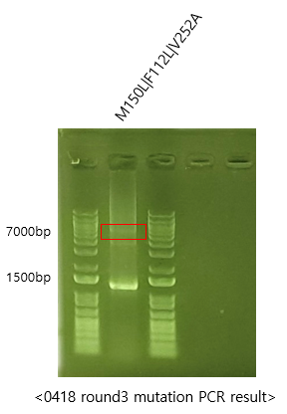

 |  |  |  |  |  | *round 3 colony culture

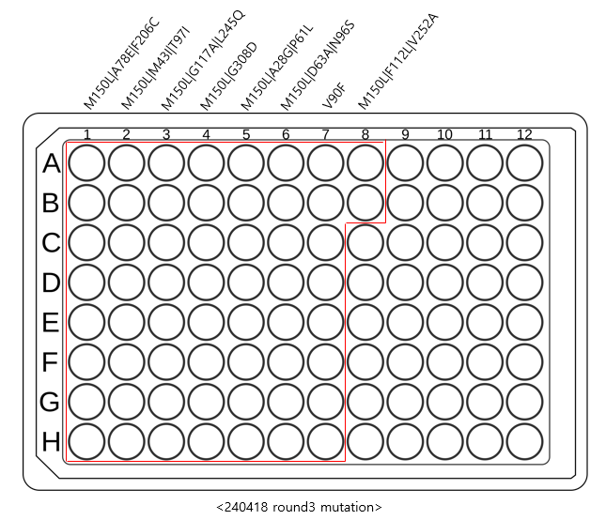

 |  |  |  |  |  |  | *sample list
 |  |  |  |  |  |  | Column | round 3 mutation
 |  |  |  |  |  |  | 8 | M150L|F112L|V252A
 |  |  |  |  |  |  | 1 | M150L|A78E|F206C
 |  |  |  |  |  |  | 2 | M150L|M43I|T97I
 |  |  |  |  |  |  | 3 | M150L|G117A|L245Q
 |  |  |  |  |  |  | 4 | M150L|G308D
 |  |  |  |  |  |  | 5 | M150L|A28G|P61L
 |  |  |  |  |  |  | 6 | M150L|D63A|N96S
 |  |  |  |  |  |  | 7 | V90F

* ligation, DpnI

Component
T4 ligase | 1ul
T4 PNK | 1ul
buffer | 2.5ul
DpnI | 1ul

Thermocycler
37℃ | 30min
24℃ | 1hr 30min
65℃ | 10min
4℃ | ~

*transformation

DNA 2ul + Comp cell 40ul
ice incubation 1hr
heat shock 1.5min
ice incubation 2min
SOC 150ul
shacking incubation 45min
spreading 200ul
overnight

0423
*plasmid re-check

M150L|D63A|N96S

rapid nanopore sequencing w/ 성군
>sample당 100ng으로 맞춤

*round 4 mutation

round 4 mutant |  | primer
M150L|A78E|F206C|D283A |  | D283A
M150L|G308D|T91S |  | T91S
M150L|F112L|V252A|G288R |  | G288R
M150L|A28G|P61L|F190L |  | F190L

*PCR reaction
100pmol F,R primer |  | 0.5ul | thermocycler
KOD |  | 12.5ul | no. | temperature | time
Template |  | 1ul | 1 | 98℃ | 5min
DW |  | 10.5ul | 2 | 98℃ | 10sec
Total |  | 25ul | 3 | 55℃ | 10sec
 |  |  | 4 | 68℃(Go to 2 step x29) | 1min 30sec
 |  |  | 5 | 68℃ | 5min
 |  |  | 6 | 4℃ | ~

*Gel electrophoresis
1% agarose gel
DNA 5ul + DNA loading buffer 0.5ul |  |  | *check concentration
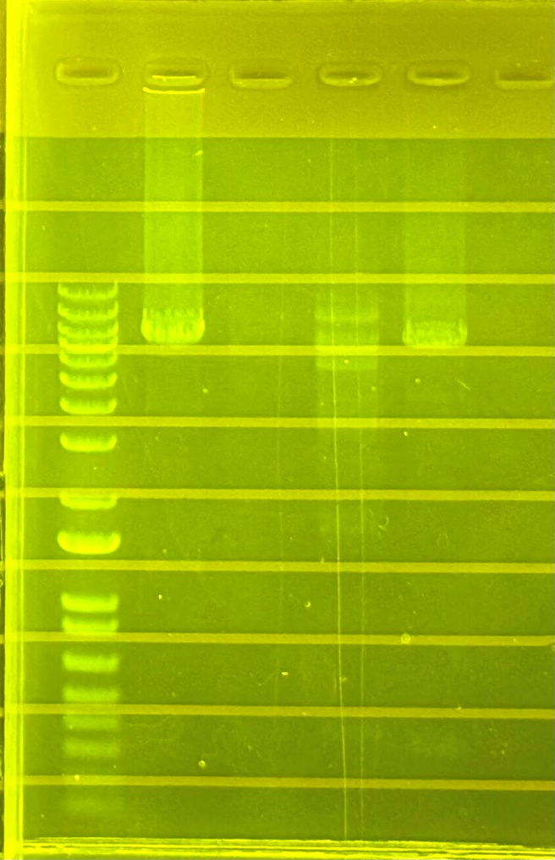
 |  |  | ligation
 |  |  | G288R | 237.7
 |  |  | T91S | 22.3
 |  |  | D283A | 99.4
 |  |  | F190L | 84.2

 |  |  |  |  | 결과
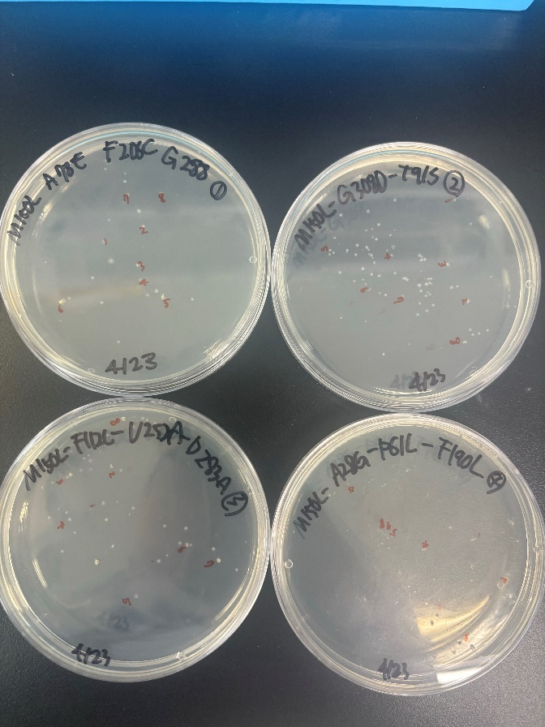

* ligation, DpnI

Component
T4 ligase | 1ul
T4 PNK | 1ul
buffer | 2.5ul
DpnI | 1ul

Thermocycler
37℃ | 30min
24℃ | 1hr 30min
65℃ | 10min
4℃ | ~

*transformation

DNA 2ul + Comp cell 40ul
ice incubation 1hr
heat shock 1.5min
ice incubation 2min
SOC 150ul
shacking incubation 45min
spreading 200ul
overnight

0424
*round 4 colony culture
 | primer | full name
1 | D283A | M150L|A78E|F206C|D283A
2 | T91S | M150L|G308D|T91S
3 | G288R | M150L|F112L|V252A|G288R
4 | F190L | M150L|A28G|P61L|F190L

*culture plate
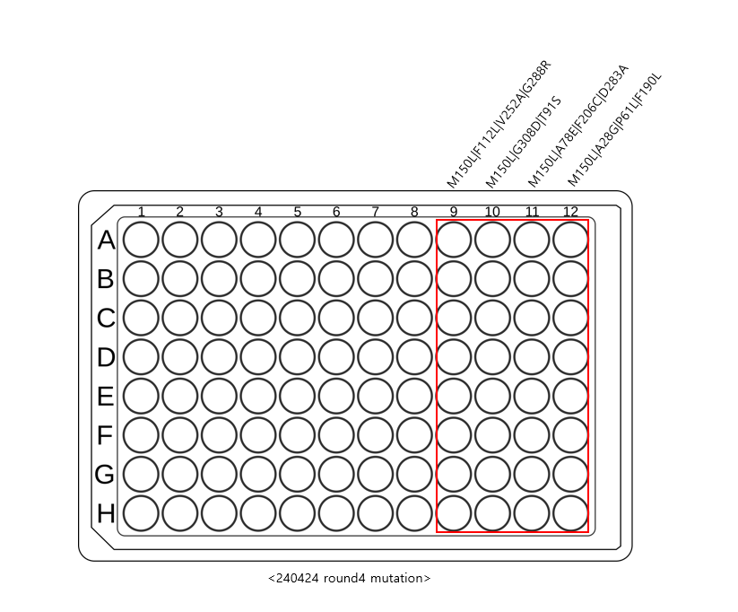

200ul LB + Cm 0.2ul
culture 2ul

*attached barcode
KOD 5ul+DW 3ul |  |  | culture sample list
10pmol primer 100nl dispensing |  |  | Column | round 4 mutation
culture plate에서 2ul씩 각 well에 넣어줌 |  |  | 9 | M150L|A78E|F206C|D283A
 |  |  | 10 | M150L|G308D|T91S
thermocycler |  |  | 11 | M150L|F112L|V252A|G288R
no. | temperature | time | 12 | M150L|A28G|P61L|F190L
1 | 98℃ | 5min
2 | 98℃ | 10sec
3 | 55℃ | 10sec
4 | 68℃(Go to 2 step x29) | 30sec
5 | 68℃ | 5min
6 | 4℃ | ~

0426
*victor check

victor result
"Z:\09 Lab members\유지현\triple mutant.xls"

595nm_kk (A)
0.000

0.892 | 1.031 | 0.939 | 0.747 | 1.022 | 0.044 | 0.824 | 0.954 | 0.998 | 1.080
0.990 | 0.916 | 0.753 | 0.704 | 0.741 | 0.044 | 0.845 | 0.798 | 1.033 | 1.052
1.033 | 1.001 | 0.724 | 0.701 | 0.710 | 0.045 | 0.798 | 0.883 | 0.726 | 0.832 |  |  |  | WT |  |  | 3 |  |  | 4 |  |  | No Substratrate
0.977 | 0.992 | 0.733 | 0.695 | 0.723 | 0.790 | 0.799 | 0.865 | 0.692 | 0.717 | 0.1 | 0.892 | 1.031 |  | 0.939 | 0.747 |  | 1.022 | 0.044 |  | 0.824 | 0.954 |  | 0.998 | 1.080
1.071 | 1.088 | 0.707 | 0.759 | 0.717 | 0.798 | 0.844 | 0.852 | 0.738 | 0.687 | 0.1 | 0.990 | 0.916 | 0.957 | 0.753 | 0.704 | 0.786 | 0.741 | 0.044 | 0.463 | 0.845 | 0.798 | 0.855 | 1.033 | 1.052 | 1.041
1.068 | 0.946 | 0.743 | 0.883 | 0.747 | 0.864 | 0.830 | 0.820 | 0.755 | 0.686 | 1 | 1.033 | 1.001 |  | 0.724 | 0.701 |  | 0.710 | 0.045 |  | 0.798 | 0.883 |  | 0.726 | 0.832
1.072 | 1.108 | 0.748 | 0.734 | 0.747 | 0.745 | 0.813 | 0.936 | 0.947 | 0.980 | 1 | 0.977 | 0.992 | 1.001 | 0.733 | 0.695 | 0.713 | 0.723 | 0.790 | 0.567 | 0.799 | 0.865 | 0.836 | 0.692 | 0.717 | 0.742
1.079 | 1.071 | 0.737 | 0.752 | 0.736 | 0.723 | 0.831 | 0.834 | 0.916 | 0.932 | 10 | 1.071 | 1.088 |  | 0.707 | 0.759 |  | 0.717 | 0.798 |  | 0.844 | 0.852 |  | 0.738 | 0.687
 |  |  |  |  |  |  |  |  |  | 10 | 1.068 | 0.946 | 1.043 | 0.743 | 0.883 | 0.773 | 0.747 | 0.864 | 0.781 | 0.830 | 0.820 | 0.836 | 0.755 | 0.686 | 0.717
EGFP-sulim (Counts) |  |  |  |  |  |  |  |  |  | 100 | 1.072 | 1.108 |  | 0.748 | 0.734 |  | 0.747 | 0.745 |  | 0.813 | 0.936 |  | 0.947 | 0.980
120 |  |  |  |  |  |  |  |  |  | 100 | 1.079 | 1.071 | 1.082 | 0.737 | 0.752 | 0.743 | 0.736 | 0.723 | 0.738 | 0.831 | 0.834 | 0.854 | 0.916 | 0.932 | 0.944

595nm_kk (A)
14714 | 17839 | 10013 | 5409 | 9730 | 1216 | 6516 | 7378 | 7999 | 15632
14172 | 14945 | 5771 | 5251 | 5199 | 1244 | 8295 | 6057 | 16699 | 14454
34549 | 35541 | 5101 | 5443 | 5403 | 1270 | 7945 | 7674 | 5347 | 6888
25384 | 26880 | 5273 | 5251 | 5657 | 5567 | 7903 | 7851 | 5119 | 5267 |  | WT | M43I|T97I|M150L | G117A|M150L|L245Q
249260 | 311323 | 5515 | 5851 | 12545 | 15660 | 40172 | 37427 | 4673 | 4821 | No Substratrate | 0.85517411867 | 0.83615300222 | 0.83628532034
311767 | 217117 | 5687 | 7272 | 13663 | 18280 | 37229 | 35689 | 4815 | 5049 | 0.1 | 0.95749652451 | 0.78580338653 | 0.46274828074
409579 | 449092 | 6043 | 6346 | 48611 | 37136 | 113642 | 144512 | 10988 | 10601 | 1 | 1.0006763222 | 0.71312925577 | 0.56711002944
397885 | 426351 | 6191 | 6698 | 38389 | 40309 | 106524 | 99563 | 7246 | 8735 | 10 | 1.0432115462 | 0.77307114271 | 0.78134975691
 |  |  |  |  |  |  |  |  |  | 100 | 1.0823878365 | 0.74270105299 | 0.73764835465
MAP
EPN
 |  | WT | WT | 3 | 3 | 4 | 4 | No Substratrate | No Substratrate
 |  | 1 | 2 | 3 | 4 | 5 | 6 | 7 | 8
0.1 | A |  |  |  |  |  |  | WT
0.1 | B
1 | C |  |  |  |  |  |  | 3
1 | D |  |  |  |  |  |  |  |  |  |  |  | WT |  |  | 3 |  |  | 4 |  |  | No Substratrate
10 | E |  |  |  |  |  |  | 4 |  | 0.1 | 14714 | 17839 |  | 10013 | 5409 |  | 9730 | 1216 |  | 6516 | 7378
10 | F |  |  |  |  |  |  |  |  | 0.1 | 14172 | 14945 | 15417.500 | 5771 | 5251 | 6611.000 | 5199 | 1244 | 4347.250 | 8295 | 6057 | 7061.500
100 | G |  |  |  |  |  |  | LC |  | 1 | 34549 | 35541 |  | 5101 | 5443 |  | 5403 | 1270 |  | 7945 | 7674
100 | H |  |  |  |  |  |  |  |  | 1 | 25384 | 26880 | 30588.500 | 5273 | 5251 | 5267.000 | 5657 | 5567 | 4474.250 | 7903 | 7851 | 7843.250
 |  |  |  |  |  |  |  |  |  | 10 | 249260 | 311323 |  | 5515 | 5851 |  | 12545 | 15660 |  | 40172 | 37427
 |  |  |  | 3 : M43I|T97I|M150L |  |  |  |  |  | 10 | 311767 | 217117 | 272366.750 | 5687 | 7272 | 6081.250 | 13663 | 18280 | 15037.000 | 37229 | 35689 | 37629.250
 |  |  |  | 4 : G117A|M150L|L245Q |  |  |  |  |  | 100 | 409579 | 449092 |  | 6043 | 6346 |  | 48611 | 37136 |  | 113642 | 144512
 |  |  |  |  |  |  |  |  |  | 100 | 397885 | 426351 | 420726.750 | 6191 | 6698 | 6319.500 | 38389 | 40309 | 41111.250 | 106524 | 99563 | 116060.250

EGFP-sulim (Counts)

 |  |  |  |  |  |  |  |  |  |  | WT | M43I|T97I|M150L | G117A|M150L|L245Q
 |  |  |  |  |  |  |  |  |  | No Substratrate | 7061.5 | 7843.25 | 37629.25
 |  |  |  |  |  |  |  |  |  | 0.1 | 15417.5 | 6611 | 4347.25
 |  |  |  |  |  |  |  |  |  | 1 | 30588.5 | 5267 | 4474.25
 |  |  |  |  |  |  |  |  |  | 10 | 272366.75 | 6081.25 | 15037
 |  |  |  |  |  |  |  |  |  | 100 | 420726.75 | 6319.5 | 41111.25

0501
Round4 | Stock제작 |  | Round3 |  |  | Stock list
: round3 correct sequence | : round3이후 correct sequence 완성본 |  | : round4 incorrect sequence (culture plate에서 이전에 correct insert sequence에서 correct well을 다시 plasmid check할예정) |  |  | : 지금까지 만들었던 list 재확인
 |  |  |  |  |  | M150L
실패->colony가 뜨지 않음 | Sample | well | Sample | well |  | M150L-D63A
 | M150L|M43I|T97I | B2 | M150L|G117A|L245Q | 3E,3G |  | M150L-G117A
purification후 다시 진행? |  |  | M150L|A28G|P61L | 5A,5B,5F |  | M150L-M43I
 |  |  | M150L|D63A|N96S | 6E,6F,6G |  | M150L-A28G
 |  |  |  |  |  | M150L-F112L
 | *culture plate |  |  |  |  | M150L-A78E
 | 200ul LB+ 0.2ul Cm |  | *transformation
 | streaking colony 1개씩
 | shaking incubator 550rpm 37℃ o/n |  | DNA 2ul + Comp cell 40ul |  |  | : Plasmid형태로 남아있는 sample 확인
 |  |  | ice incubation 1hr |  |  | M150L|A78E|F206C
 |  |  | heat shock 1.5min |  |  | M150L|G308D
 |  |  | ice incubation 2min |  |  | M150L|F112L|V252A
 |  |  | SOC 150ul
 |  |  | shacking incubation 45min
 |  |  | spreading 200ul |  |  | *culture plate
 |  |  | overnight |  |  | 200ul LB+ 0.2ul Cm
 |  |  |  |  |  | streaking colony 1개씩
 |  |  |  |  |  | shaking incubator 550rpm 37℃ o/n

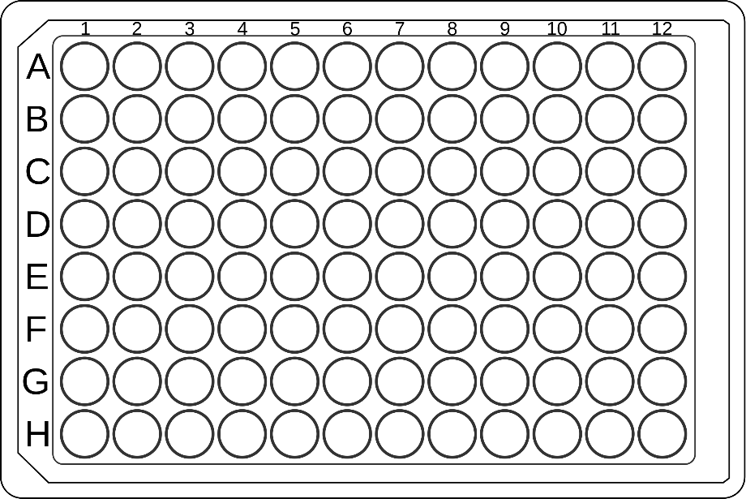
1
3
6
9
11
 |  |  |  |  |  |  | name | no.
 |  |  |  |  |  |  | M150L | 1
 |  |  |  |  |  |  | M150L-D63A | 2
4
 |  |  |  |  |  |  | M150L-G117A | 3
7
 |  |  |  |  |  |  | M150L-M43I | 4
2
10
 |  |  |  |  |  |  | M150L-A28G | 5
 |  |  |  |  |  |  | M150L-F112L | 6
5
 |  |  |  |  |  |  | M150L-A78E | 7
8
 |  |  |  |  |  |  | M150L|A78E|F206C | 8
3
11
 |  |  |  |  |  |  | M150L|G308D | 9
 |  |  |  |  |  |  | M150L|F112L|V252A | 10
6
 |  |  |  |  |  |  | M150L|M43I|T97I | 11

 |  |  |  |  | 결과 : plate shaking incubator가 error떠서 제대로 자라지 않음.

