WBS
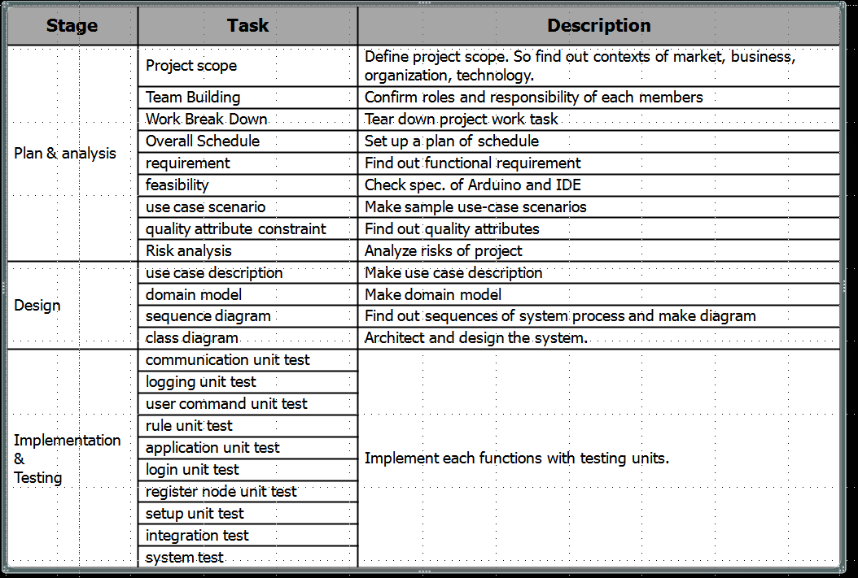
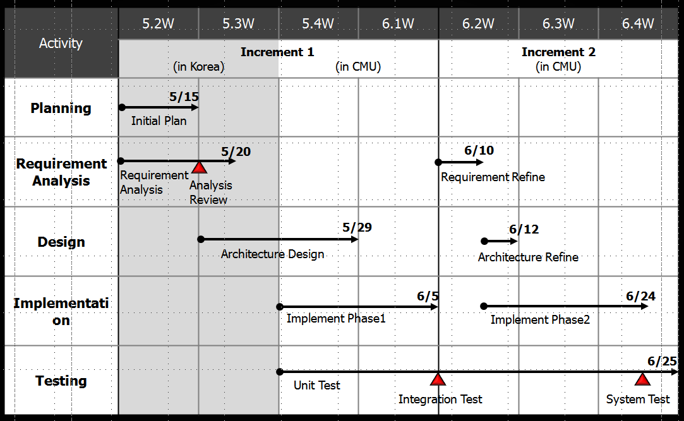
Stage | Task | Description | Status | plan |  | actual |  | member
 |  |  |  | Start Date | End date | Start Date | End date | JH Han | Y Kwon | DW Min | BH Jung | YG Jang | JW Hyun | total
Plan & analysis increment 1 | Project scope | Define project scope. So find out contexts of market, business, organization, technology. | close | 2015-05-07 | 2015-05-15 | 2015-05-07 | 2015-05-07
 | Team Building | Confirm roles and responsibility of each members | close | 2015-05-07 | 2015-05-15 | 2015-05-07 | 2015-05-07
 | Work Break Down | Tear down project work task | close | 2015-05-07 | 2015-05-15 | 2015-05-12 | 2015-05-12
 | Overall Schedule | Set up a plan of schedule | close | 2015-05-07 | 2015-05-15 | 2015-05-12 | 2015-05-12
 | requirement | Find out functional requirement | close | 2015-05-07 | 2015-05-15 | 2015-05-07 | 2015-05-12
 | feasibility | Check spec. of Arduino and IDE | close | 2015-05-07 | 2015-05-15 | 2015-05-07 | 2015-05-14
 | use case scenario | Make sample use-case scenarios | close | 2015-05-07 | 2015-05-15 | 2015-05-07 | 2015-05-12
 | quality attribute | Find out quality attributes | close | 2015-05-07 | 2015-05-15 | 2015-05-14 | 2015-05-14
 | constraint | Find out constraint | close | 2015-05-07 | 2015-05-15 | 2015-05-07 | 2015-05-12
 | Risk analysis | Analyze risks of project | close | 2015-05-07 | 2015-05-15 | 2015-05-07 | 2015-05-12
analysis increment 2 | requirement | Refine functional requirement | open | 2015-06-08 | 2015-06-10 | - | -
 | use case scenario | Refine use-case scenarios | open | 2015-06-08 | 2015-06-10 | - | -
 | quality attribute constraint | Refine out quality attributes | open | 2015-06-08 | 2015-06-10 | - | -
 | constraint | Refine constraint | open | 2015-06-08 | 2015-06-10 | - | -
Design increment 1 | use case description | Make use case description | open | 2015-05-15 | 2015-05-29 | - | -
 | domain model | Make domain model | open | 2015-05-15 | 2015-05-29 | - | -
 | sequence diagram | Find out sequences of system process and make diagram | open | 2015-05-15 | 2015-05-29 | - | -
 | class diagram | Architect and design the system. | open | 2015-05-15 | 2015-05-29 | - | -
Design increment 2 | use case description | Improve use case description | open | 2015-06-11 | 2015-06-12 | - | -
 | domain model | Improve domain model | open | 2015-06-11 | 2015-06-12 | - | -
 | sequence diagram | Improve sequences of system process / diagram | open | 2015-06-11 | 2015-06-12 | - | -
 | class diagram | Improve design | open | 2015-06-11 | 2015-06-12 | - | -
Implementation increment 1 | communication unit test | Implement each functions with testing units. | open | 2015-05-28 | 2015-06-07 | - | -
 | logging unit test | Implement each functions with testing units. | open | 2015-05-28 | 2015-06-07 | - | -
 | user command unit test | Implement each functions with testing units. | open | 2015-05-28 | 2015-06-07 | - | -
 | rule unit test | Implement each functions with testing units. | open | 2015-05-28 | 2015-06-07 | - | -
 | application unit test | Implement each functions with testing units. | open | 2015-05-28 | 2015-06-07 | - | -
 | login unit test | Implement each functions with testing units. | open | 2015-05-28 | 2015-06-07 | - | -
 | register node unit test | Implement each functions with testing units. | open | 2015-05-28 | 2015-06-07 | - | -
 | setup unit test | Implement each functions with testing units. | open | 2015-05-28 | 2015-06-07 | - | -
 | integration test | Implement each functions with testing units. | open | 2015-05-28 | 2015-06-07 | - | -
Implementation increment 2 | communication unit test | Implement each functions with testing units. | open | 2015-06-08 | 2015-06-25 | - | -
 | logging unit test | Implement each functions with testing units. | open | 2015-06-08 | 2015-06-25 | - | -
 | user command unit test | Implement each functions with testing units. | open | 2015-06-08 | 2015-06-25 | - | -
 | rule unit test | Implement each functions with testing units. | open | 2015-06-08 | 2015-06-25 | - | -
 | application unit test | Implement each functions with testing units. | open | 2015-06-08 | 2015-06-25 | - | -
 | login unit test | Implement each functions with testing units. | open | 2015-06-08 | 2015-06-25 | - | -
 | register node unit test | Implement each functions with testing units. | open | 2015-06-08 | 2015-06-25 | - | -
 | setup unit test | Implement each functions with testing units. | open | 2015-06-08 | 2015-06-25 | - | -
 | integration test | Implement each functions with testing units. | open | 2015-06-08 | 2015-06-25 | - | -
 | system test | Implement each functions with testing units. | open | 2015-06-08 | 2015-06-25 | - | -

