EVM
Date | On Each Date |  |  | Stacked
 | Plan | Actual Cost | Earned Point | Plan | Actual Cost | Earned Value | Earned Point
2015-05-07 | 12 | 12 | 0 | 12 | 12 | 0 | 0
2015-05-08 | 0 | 0 | 0 | 12 | 12 | 0 | 0
2015-05-09 | 3 | 3 | 0 | 15 | 15 | 0 | 0
 | Actual Cost | Plan | Earned Value
2015-05-07 | 12 | 12 | 0
2015-05-08 | 12 | 12 | 0
2015-05-09 | 15 | 15 | 0
2015-05-10 | 15 | 15 | 0
2015-05-11 | 15 | 15 | 0
2015-05-12 | 39 | 24 | 56
2015-05-13 | 42 | 30 | 62
2015-05-14 | 54 | 36 | 79
2015-05-15 | 54 | 36 | 79
2015-05-16 | 54 | 36 | 79
2015-05-17 | 54 | 36 | 79
2015-05-18 | 57 | 36 | 79
2015-05-19 | 57 | 36 | 79
2015-05-20 | 69 | 48 | 79
2015-05-21 | 69 | 48 | 79
2015-05-22 | 69 | 48 | 79
2015-05-23 | 69 | 48 | 79
2015-05-24 | 81 | 48 | 79
2015-05-25 | 123 | 66 | 79
2015-05-26 | 123 | 84 | 79
2015-05-27 | 127 | 102 | 79
2015-05-28 | 211 | 120 | 96
2015-05-29 | 211 | 138 | 96
2015-05-30 | 211 | 138 | 96
2015-05-31 | 288 | 138 | 96
2015-06-01 | 306 | 156 | 113
2015-06-02 | 312 | 180 | 147
2015-06-03 | 316 | 204 | 158
2015-06-04 | 316 | 228 | 158
2015-06-05 | 322 | 252 | 158
2015-06-06 | 322 | 252 | 158
2015-06-07 | 376 | 252 | 169
2015-06-08 | 406 | 276 | 197
2015-06-09 | 430 | 300 | 226
2015-06-10 | 441 | 324 | 243
2015-06-11 | 441 | 348 | 243
2015-06-12 | 441 | 372 | 243
2015-06-13 | 495 | 372 | 276
2015-06-14 | 549 | 372 | 293
2015-06-15 | 591 | 396 | 423
2015-06-16 | 609 | 420 | 423
2015-06-17 | 655 | 444 | 429
2015-06-18 | 655 | 468 | 429
2015-06-19 | 685 | 492 | 451
2015-06-20 | 709 | 492 | 468
2015-06-21 | 727 | 492 | 479
2015-06-22 | 745 | 516 | 479
2015-06-23 | 793 | 540 | 508
2015-06-24 | 855 | 564 | 508
2015-06-25 | 909 | 588 | 508
...
2015-05-10 | 0 | 0 | 0 | 15 | 15 | 0 | 0
2015-05-11 | 0 | 0 | 0 | 15 | 15 | 0 | 0
2015-05-12 | 9 | 24 | 10 | 24 | 39 | 56 | 10
2015-05-13 | 6 | 3 | 1 | 30 | 42 | 62 | 11
2015-05-14 | 6 | 12 | 3 | 36 | 54 | 79 | 14
2015-05-15 | 0 | 0 | 0 | 36 | 54 | 79 | 14
2015-05-16 | 0 | 0 | 0 | 36 | 54 | 79 | 14
2015-05-17 | 0 | 0 | 0 | 36 | 54 | 79 | 14
2015-05-18 | 0 | 3 | 0 | 36 | 57 | 79 | 14
2015-05-19 | 0 | 0 | 0 | 36 | 57 | 79 | 14
2015-05-20 | 12 | 12 | 0 | 48 | 69 | 79 | 14
2015-05-21 | 0 | 0 | 0 | 48 | 69 | 79 | 14
2015-05-22 | 0 | 0 | 0 | 48 | 69 | 79 | 14
2015-05-23 | 0 | 0 | 0 | 48 | 69 | 79 | 14
2015-05-24 | 0 | 12 | 0 | 48 | 81 | 79 | 14
2015-05-25 | 18 | 42 | 0 | 66 | 123 | 79 | 14
2015-05-26 | 18 | 0 | 0 | 84 | 123 | 79 | 14
2015-05-27 | 18 | 4 | 0 | 102 | 127 | 79 | 14
2015-05-28 | 18 | 84 | 3 | 120 | 211 | 96 | 17
2015-05-29 | 18 | 0 | 0 | 138 | 211 | 96 | 17
2015-05-30 | 0 | 0 | 0 | 138 | 211 | 96 | 17
2015-05-31 | 0 | 77 | 0 | 138 | 288 | 96 | 17
2015-06-01 | 18 | 18 | 3 | 156 | 306 | 113 | 20
2015-06-02 | 24 | 6 | 6 | 180 | 312 | 147 | 26
2015-06-03 | 24 | 4 | 2 | 204 | 316 | 158 | 28
2015-06-04 | 24 | 0 | 0 | 228 | 316 | 158 | 28
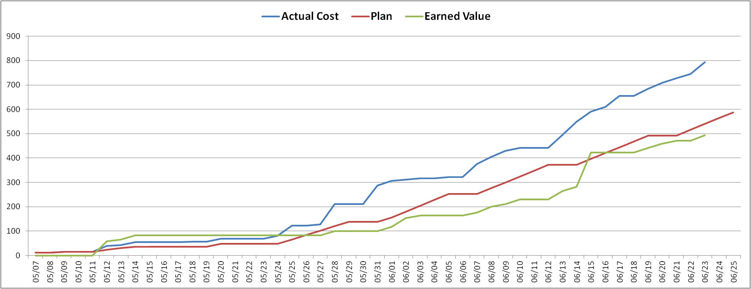
2015-06-05 | 24 | 6 | 0 | 252 | 322 | 158 | 28
2015-06-06 | 0 | 0 | 0 | 252 | 322 | 158 | 28
2015-06-07 | 0 | 54 | 2 | 252 | 376 | 169 | 30
2015-06-08 | 24 | 30 | 5 | 276 | 406 | 197 | 35
2015-06-09 | 24 | 24 | 5 | 300 | 430 | 226 | 40
2015-06-10 | 24 | 11 | 3 | 324 | 441 | 243 | 43
2015-06-11 | 24 | 0 | 0 | 348 | 441 | 243 | 43
2015-06-12 | 24 | 0 | 0 | 372 | 441 | 243 | 43
2015-06-13 | 0 | 54 | 6 | 372 | 495 | 276 | 49
2015-06-14 | 0 | 54 | 3 | 372 | 549 | 293 | 52
2015-06-15 | 24 | 42 | 23 | 396 | 591 | 423 | 75
2015-06-16 | 24 | 18 | 0 | 420 | 609 | 423 | 75
2015-06-17 | 24 | 46 | 1 | 444 | 655 | 429 | 76
2015-06-18 | 24 | 0 | 0 | 468 | 655 | 429 | 76
2015-06-19 | 24 | 30 | 4 | 492 | 685 | 451 | 80
2015-06-20 | 0 | 24 | 3 | 492 | 709 | 468 | 83
2015-06-21 | 0 | 18 | 2 | 492 | 727 | 479 | 85
2015-06-22 | 24 | 18 | 0 | 516 | 745 | 479 | 85
2015-06-23 | 24 | 48 | 5 | 540 | 793 | 508 | 90
2015-06-24 | 24 | 62 | 0 | 564 | 855 | 508 | 90
2015-06-25 | 24 | 54 | 0 | 588 | 909 | 508 | 90
2015-06-26 | 24 | 60 | 10 | 612 | 969 | 564 | 100
 |  |  |  | 564

