EVM
 | Actual Cost | Plan | Earned Value
2015-05-07 | 12 | 12 | 0
2015-05-08 | 12 | 12 | 0
2015-05-09 | 15 | 15 | 0
2015-05-10 | 15 | 15 | 0
2015-05-11 | 15 | 15 | 0
2015-05-12 | 39 | 24 | 59
2015-05-13 | 42 | 30 | 65
2015-05-14 | 54 | 36 | 82
2015-05-15 | 54 | 36 | 82
2015-05-16 | 54 | 36 | 82
2015-05-17 | 54 | 36 | 82
2015-05-18 | 57 | 36 | 82
2015-05-19 | 57 | 36 | 82
2015-05-20 | 69 | 48 | 82
2015-05-21 | 69 | 48 | 82
2015-05-22 | 69 | 48 | 82
2015-05-23 | 69 | 48 | 82
2015-05-24 | 81 | 48 | 82
2015-05-25 | 123 | 66 | 82
2015-05-26 | 123 | 84 | 82
2015-05-27 | 127 | 102 | 82
2015-05-28 | 211 | 120 | 100
2015-05-29 | 211 | 138 | 100
2015-05-30 | 211 | 138 | 100
2015-05-31 | 288 | 138 | 100
2015-06-01 | 306 | 156 | 118
2015-06-02 | 312 | 180 | 153
2015-06-03 | 316 | 204 | 165
2015-06-04 | 316 | 228 | 165
2015-06-05 | 322 | 252 | 165
2015-06-06 | 322 | 252 | 165
2015-06-07 | 376 | 252 | 176
2015-06-08 | 406 | 276 | 200
2015-06-09 | 430 | 300 | 212
2015-06-10 | 441 | 324 | 229
2015-06-11 | 441 | 348 | 229
2015-06-12 | 441 | 372 | 229
2015-06-13 | 495 | 372 | 265
2015-06-14 | 549 | 372 | 282
2015-06-15 | 591 | 396 | 423
2015-06-16 | 609 | 420 | 423
2015-06-17 | 655 | 444 | 423
2015-06-18 | 655 | 468 | 423
2015-06-19 | 685 | 492 | 441
2015-06-20 | 709 | 492 | 459
2015-06-21 | 727 | 492 | 470
2015-06-22 | 745 | 516 | 470
2015-06-23 | 793 | 540 | 494
2015-06-24 |  | 564
2015-06-25 |  | 588
Date | On Each Date |  |  | Stacked
 | Plan | Actual Cost | Earned Point | Plan | Actual Cost | Earned Value | Earned Point
2015-05-07 | 12 | 12 | 0 | 12 | 12 | 0 | 0
2015-05-08 | 0 | 0 | 0 | 12 | 12 | 0 | 0
2015-05-09 | 3 | 3 | 0 | 15 | 15 | 0 | 0
2015-05-10 | 0 | 0 | 0 | 15 | 15 | 0 | 0
2015-05-11 | 0 | 0 | 0 | 15 | 15 | 0 | 0
2015-05-12 | 9 | 24 | 10 | 24 | 39 | 59 | 10
2015-05-13 | 6 | 3 | 1 | 30 | 42 | 65 | 11
2015-05-14 | 6 | 12 | 3 | 36 | 54 | 82 | 14
2015-05-15 | 0 | 0 | 0 | 36 | 54 | 82 | 14
2015-05-16 | 0 | 0 | 0 | 36 | 54 | 82 | 14
2015-05-17 | 0 | 0 | 0 | 36 | 54 | 82 | 14
2015-05-18 | 0 | 3 | 0 | 36 | 57 | 82 | 14
2015-05-19 | 0 | 0 | 0 | 36 | 57 | 82 | 14
2015-05-20 | 12 | 12 | 0 | 48 | 69 | 82 | 14
2015-05-21 | 0 | 0 | 0 | 48 | 69 | 82 | 14
2015-05-22 | 0 | 0 | 0 | 48 | 69 | 82 | 14
2015-05-23 | 0 | 0 | 0 | 48 | 69 | 82 | 14
2015-05-24 | 0 | 12 | 0 | 48 | 81 | 82 | 14
2015-05-25 | 18 | 42 | 0 | 66 | 123 | 82 | 14
2015-05-26 | 18 | 0 | 0 | 84 | 123 | 82 | 14
2015-05-27 | 18 | 4 | 0 | 102 | 127 | 82 | 14
2015-05-28 | 18 | 84 | 3 | 120 | 211 | 100 | 17
2015-05-29 | 18 | 0 | 0 | 138 | 211 | 100 | 17
2015-05-30 | 0 | 0 | 0 | 138 | 211 | 100 | 17
2015-05-31 | 0 | 77 | 0 | 138 | 288 | 100 | 17
2015-06-01 | 18 | 18 | 3 | 156 | 306 | 118 | 20
2015-06-02 | 24 | 6 | 6 | 180 | 312 | 153 | 26
2015-06-03 | 24 | 4 | 2 | 204 | 316 | 165 | 28
2015-06-04 | 24 | 0 | 0 | 228 | 316 | 165 | 28
2015-06-05 | 24 | 6 | 0 | 252 | 322 | 165 | 28
2015-06-06 | 0 | 0 | 0 | 252 | 322 | 165 | 28
2015-06-07 | 0 | 54 | 2 | 252 | 376 | 176 | 30
2015-06-08 | 24 | 30 | 4 | 276 | 406 | 200 | 34
2015-06-09 | 24 | 24 | 2 | 300 | 430 | 212 | 36
2015-06-10 | 24 | 11 | 3 | 324 | 441 | 229 | 39
2015-06-11 | 24 | 0 | 0 | 348 | 441 | 229 | 39
2015-06-12 | 24 | 0 | 0 | 372 | 441 | 229 | 39
2015-06-13 | 0 | 54 | 6 | 372 | 495 | 265 | 45
2015-06-14 | 0 | 54 | 3 | 372 | 549 | 282 | 48
2015-06-15 | 24 | 42 | 24 | 396 | 591 | 423 | 72
2015-06-16 | 24 | 18 | 0 | 420 | 609 | 423 | 72
2015-06-17 | 24 | 46 |  | 444 | 655 | 423 | 72
2015-06-18 | 24 | 0 |  | 468 | 655 | 423 | 72
2015-06-19 | 24 | 30 | 3 | 492 | 685 | 441 | 75
2015-06-20 | 0 | 24 | 3 | 492 | 709 | 459 | 78
2015-06-21 | 0 | 18 | 2 | 492 | 727 | 470 | 80
2015-06-22 | 24 | 18 | 0 | 516 | 745 | 470 | 80
2015-06-23 | 24 | 48 | 4 | 540 | 793 | 494 | 84
2015-06-24 | 24 |  |  | 564
2015-06-25 | 24 |  |  | 588

WBS_old
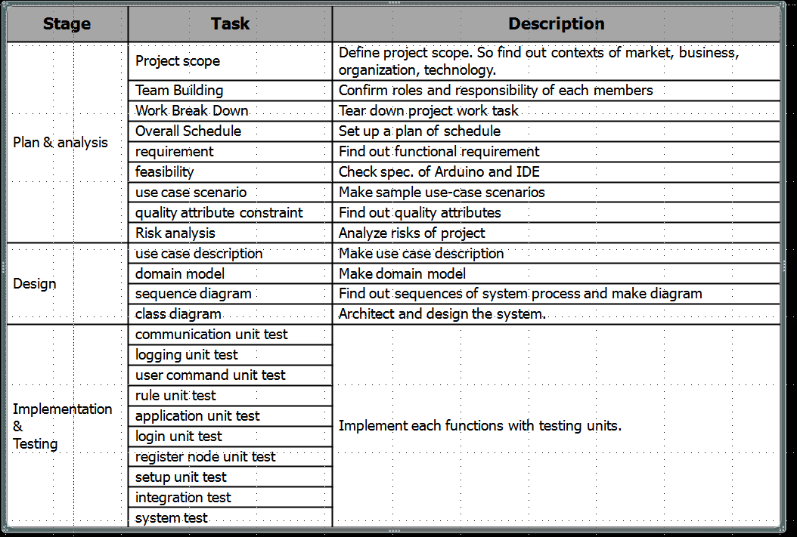
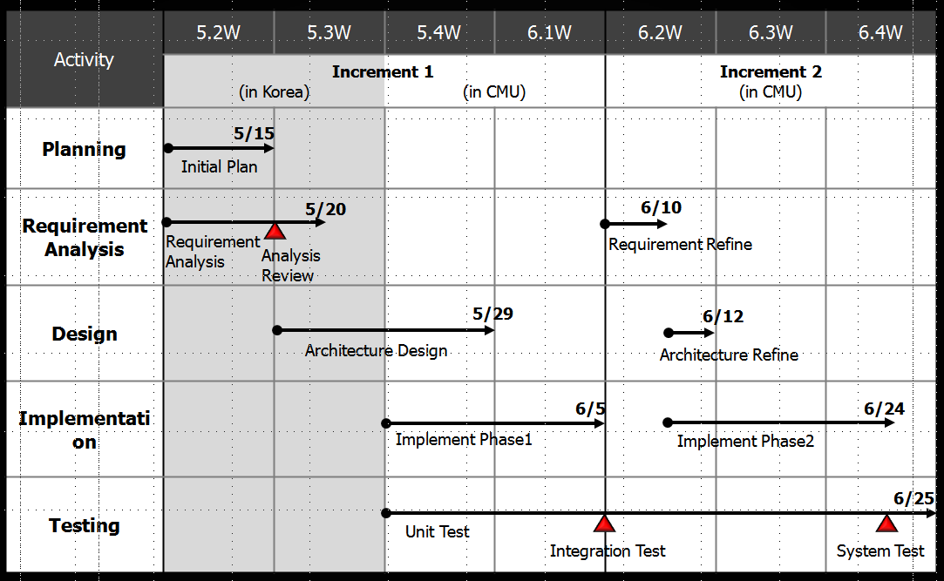
Stage | Task | Description | Status | plan |  | actual |  | member
 |  |  |  | Start Date | End date | Start Date | End date | JH Han | Y Kwon | DW Min | BH Jung | YG Jang | JW Hyun | total
Plan & analysis increment 1 | Project scope | Define project scope. So find out contexts of market, business, organization, technology. | close | 2015-05-07 | 2015-05-15 | 2015-05-07 | 2015-05-07
 | Team Building | Confirm roles and responsibility of each members | close | 2015-05-07 | 2015-05-15 | 2015-05-07 | 2015-05-07
 | Work Break Down | Tear down project work task | close | 2015-05-07 | 2015-05-15 | 2015-05-12 | 2015-05-12
 | Overall Schedule | Set up a plan of schedule | close | 2015-05-07 | 2015-05-15 | 2015-05-12 | 2015-05-12
 | requirement | Find out functional requirement | close | 2015-05-07 | 2015-05-15 | 2015-05-07 | 2015-05-12
 | feasibility | Check spec. of Arduino and IDE | close | 2015-05-07 | 2015-05-15 | 2015-05-07 | 2015-05-14
 | use case scenario | Make sample use-case scenarios | close | 2015-05-07 | 2015-05-15 | 2015-05-07 | 2015-05-12
 | quality attribute | Find out quality attributes | close | 2015-05-07 | 2015-05-15 | 2015-05-14 | 2015-05-14
 | constraint | Find out constraint | close | 2015-05-07 | 2015-05-15 | 2015-05-07 | 2015-05-12
 | Risk analysis | Analyze risks of project | close | 2015-05-07 | 2015-05-15 | 2015-05-07 | 2015-05-12
analysis increment 2 | requirement | Refine functional requirement | open | 2015-06-08 | 2015-06-10 | - | -
 | use case scenario | Refine use-case scenarios | open | 2015-06-08 | 2015-06-10 | - | -
 | quality attribute constraint | Refine out quality attributes | open | 2015-06-08 | 2015-06-10 | - | -
 | constraint | Refine constraint | open | 2015-06-08 | 2015-06-10 | - | -
Design increment 1 | use case description | Make use case description | open | 2015-05-15 | 2015-05-29 | - | -
 | domain model | Make domain model | open | 2015-05-15 | 2015-05-29 | - | -
 | sequence diagram | Find out sequences of system process and make diagram | open | 2015-05-15 | 2015-05-29 | - | -
 | class diagram | Architect and design the system. | open | 2015-05-15 | 2015-05-29 | - | -
Design increment 2 | use case description | Improve use case description | open | 2015-06-11 | 2015-06-12 | - | -
 | domain model | Improve domain model | open | 2015-06-11 | 2015-06-12 | - | -
 | sequence diagram | Improve sequences of system process / diagram | open | 2015-06-11 | 2015-06-12 | - | -
 | class diagram | Improve design | open | 2015-06-11 | 2015-06-12 | - | -
Implementation increment 1 | communication unit test | Implement each functions with testing units. | open | 2015-05-28 | 2015-06-07 | - | -
 | logging unit test | Implement each functions with testing units. | open | 2015-05-28 | 2015-06-07 | - | -
 | user command unit test | Implement each functions with testing units. | open | 2015-05-28 | 2015-06-07 | - | -
 | rule unit test | Implement each functions with testing units. | open | 2015-05-28 | 2015-06-07 | - | -
 | application unit test | Implement each functions with testing units. | open | 2015-05-28 | 2015-06-07 | - | -
 | login unit test | Implement each functions with testing units. | open | 2015-05-28 | 2015-06-07 | - | -
 | register node unit test | Implement each functions with testing units. | open | 2015-05-28 | 2015-06-07 | - | -
 | setup unit test | Implement each functions with testing units. | open | 2015-05-28 | 2015-06-07 | - | -
 | integration test | Implement each functions with testing units. | open | 2015-05-28 | 2015-06-07 | - | -
Implementation increment 2 | communication unit test | Implement each functions with testing units. | open | 2015-06-08 | 2015-06-25 | - | -
 | logging unit test | Implement each functions with testing units. | open | 2015-06-08 | 2015-06-25 | - | -
 | user command unit test | Implement each functions with testing units. | open | 2015-06-08 | 2015-06-25 | - | -
 | rule unit test | Implement each functions with testing units. | open | 2015-06-08 | 2015-06-25 | - | -
 | application unit test | Implement each functions with testing units. | open | 2015-06-08 | 2015-06-25 | - | -
 | login unit test | Implement each functions with testing units. | open | 2015-06-08 | 2015-06-25 | - | -
 | register node unit test | Implement each functions with testing units. | open | 2015-06-08 | 2015-06-25 | - | -
 | setup unit test | Implement each functions with testing units. | open | 2015-06-08 | 2015-06-25 | - | -
 | integration test | Implement each functions with testing units. | open | 2015-06-08 | 2015-06-25 | - | -
 | system test | Implement each functions with testing units. | open | 2015-06-08 | 2015-06-25 | - | -

